Functional Block Diagram
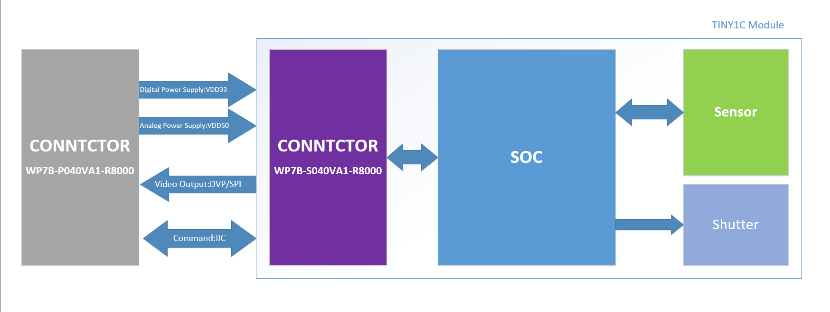

Pin Descriptions
Connector：WP7B-S040VA1-R8000;JAE;0.4mm pitch;40pin;Receptacle | No. | NAME | VOLTAGE | Fonction 1 |  |  |  | Fonction 2 |  |  |  | Notes
 |  |  |  | I/O Type | Group | Description | Recommended Connection | I/O Type | Group | Description | Recommended Connection
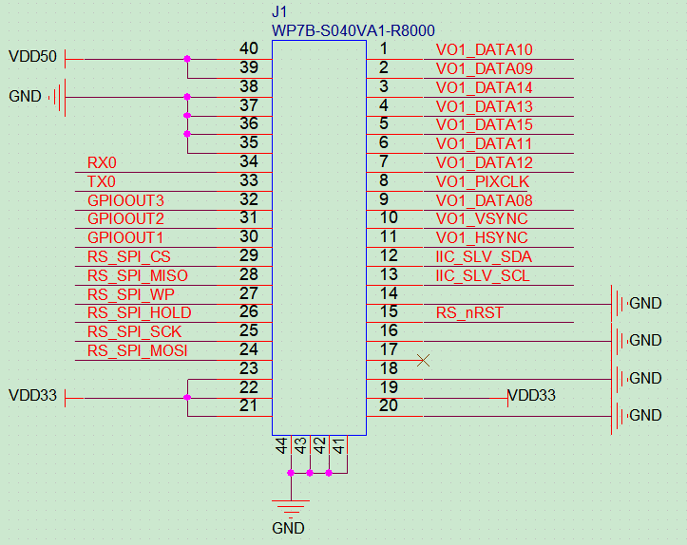 | 1 | VO1_DATA10 | 3.3V | O_PD | DVP | Video Output DVP Signal:DATA2 | Connect to DVP interface:DATA2
 | 2 | VO1_DATA09 | 3.3V | O_PD | DVP | Video Output DVP Signal:DATA1 | Connect to DVP interface:DATA1
 | 3 | VO1_DATA14 | 3.3V | O_PD | DVP | Video Output DVP Signal:DATA6 | Connect to DVP interface:DATA6 | I_PD | SPI | Video Output SPI Signal:CS | Connect to SPI interface:CS
 | 4 | VO1_DATA13 | 3.3V | O_PD | DVP | Video Output DVP Signal:DATA5 | Connect to DVP interface:DATA5 | I_PD | SPI | Video Output SPI Signal:MOSI | Connect to SPI interface:MOSI
 | 5 | VO1_DATA15 | 3.3V | O_PD | DVP | Video Output DVP Signal:DATA7 | Connect to DVP interface:DATA7 | I_PD | SPI | Video Output SPI Signal:CLK | Connect to SPI interface:CLK
 | 6 | VO1_DATA11 | 3.3V | O_PD | DVP | Video Output DVP Signal:DATA3 | Connect to DVP interface:DATA3
 | 7 | VO1_DATA12 | 3.3V | O_PD | DVP | Video Output DVP Signal:DATA4 | Connect to DVP interface:DATA4 | O_PD | SPI | Video Output SPI Signal:MISO | Connect to SPI interface:MISO
 | 8 | VO1_PIXCLK | 3.3V | O_PD | DVP | Video Output DVP Signal:CLK | Connect to DVP interface:CLK
 | 9 | VO1_DATA08 | 3.3V | O_PD | DVP | Video Output DVP Signal:DATA0 | Connect to DVP interface:DATA0
 | 10 | VO1_VSYNC | 3.3V | O_PD | DVP | Video Output DVP Signal:VSYNC | Connect to DVP interface:VSYNC
 | 11 | VO1_HSYNC | 3.3V | O_PD | DVP | Video Output DVP Signal:HSYNC | Connect to DVP interface:HSYNC
 | 12 | IIC_SLV_SDA | 3.3V | I_PU/O | IIC | IIC Slave:DATA | Connect to IIC Master:DATA; An external Pullup resistor to VDD33 needed; (4.7K for recommend)
 | 13 | IIC_SLV_SCL | 3.3V | I_PU | IIC | IIC Slave:CLK | Connect to IIC Master:CLK; An external Pullup resistor to VDD33 needed; (4.7K for recommend)
 | 14 | GND |  | G | GND | GND | Connect to GND
 | 15 | RS_nRST | 3.3V | I_PU | RESET | Reset signal for Module | Connect to Reset Control PIN;Active low; There is an internal 24.9K pullup resistor
 | 16 | GND |  | G | GND | GND | Connect to GND
 | 17 | NC |  | NC | NC | No connection | Leave floating
 | 18 | GND |  | G | GND | GND | Connect to GND
 | 19 | VDD33 | 3.3V | P_IN | POWER | Digital Power Supply | Connect to Digital Power Supply:VDD33
 | 20 | GND |  | G | GND | GND | Connect to GND
 | 21 | VDD33 | 3.3V | P_IN | POWER | Digital Power Supply | Connect to Digital Power Supply:VDD33
 | 22 | VDD33 | 3.3V | P_IN | POWER | Digital Power Supply | Connect to Digital Power Supply:VDD33
 | 23 | VDD33 | 3.3V | P_IN | POWER | Digital Power Supply | Connect to Digital Power Supply:VDD33
 | 24 | RS_SPI_MOSI | 3.3V |  | Programming | Programming：MOSI | Leave floating
 | 25 | RS_SPI_SCK | 3.3V |  | Programming | Programming：SCK | Leave floating
 | 26 | RS_SPI_HOLD | 3.3V |  | Programming | Programming：HOLD | Leave floating
 | 27 | RS_SPI_WP | 3.3V |  | Programming | Programming：WP | Leave floating
 | 28 | RS_SPI_MISO | 3.3V |  | Programming | Programming：MISO | Leave floating
 | 29 | RS_SPI_CS | 3.3V |  | Programming | Programming：CS | Leave floating
 | 30 | GPIOOUT1 | 3.3V | I_PD/O | GPIO | Reserved GPIO：1 | Leave floating
 | 31 | GPIOOUT2 | 3.3V | I_PD/O | GPIO | Reserved GPIO：2 | Leave floating
 | 32 | GPIOOUT3 | 3.3V | I_PD/O | GPIO | Reserved GPIO：3 | Leave floating
 | 33 | TX0 | 3.3V | O_PU | UART | UART for debug：TXD | Connect to UART inerface:RXD; Leave floating if unused
 | 34 | RX0 | 3.3V | I_PU | UART | UART for debug：RXD | Connect to UART inerface:TXD; Leave floating if unused
Images | 35 | GND |  | G | GND | GND | Connect to GND
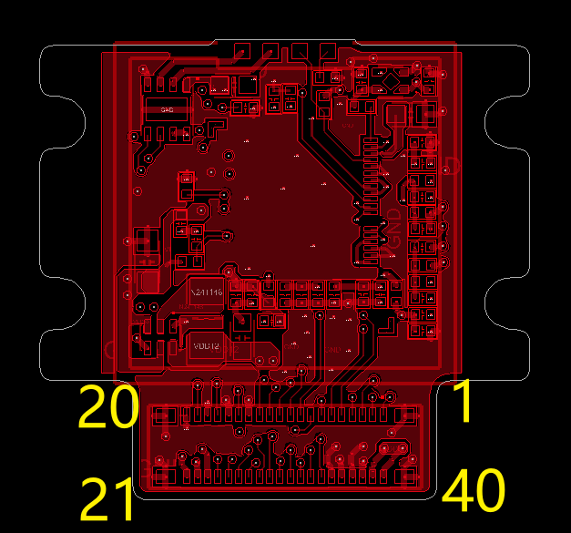 | 36 | GND |  | G | GND | GND | Connect to GND
 | 37 | GND |  | G | GND | GND | Connect to GND
 | 38 | GND |  | G | GND | GND | Connect to GND
 | 39 | VDD50 | 5.0V | P_IN | POWER | Analog Power Supply | Connect to Analog Power Supply:VDD50
 | 40 | VDD50 | 5.0V | P_IN | POWER | Analog Power Supply | Connect to Analog Power Supply:VDD50
 | 41 | GND |  |  | Reinforcing metal fitting | Reinforcing metal fitting | Please Ignore!
 | 42 | GND |  |  | Reinforcing metal fitting | Reinforcing metal fitting | Please Ignore!
 | 43 | GND |  |  | Reinforcing metal fitting | Reinforcing metal fitting | Please Ignore!
 | 44 | GND |  |  | Reinforcing metal fitting | Reinforcing metal fitting | Please Ignore!

Power Sequence
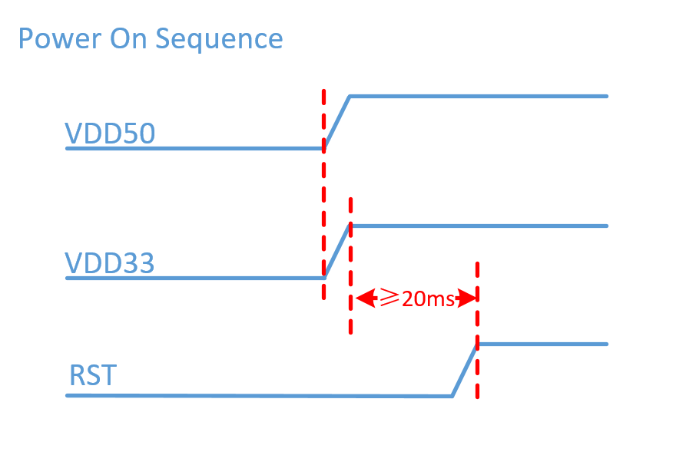
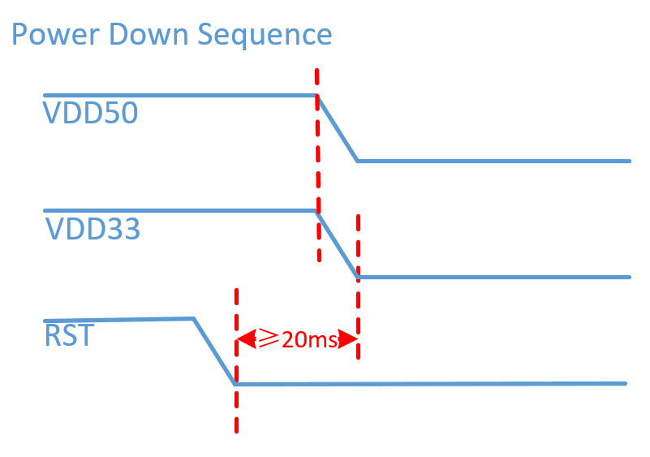

DEBUG
