Sheet1
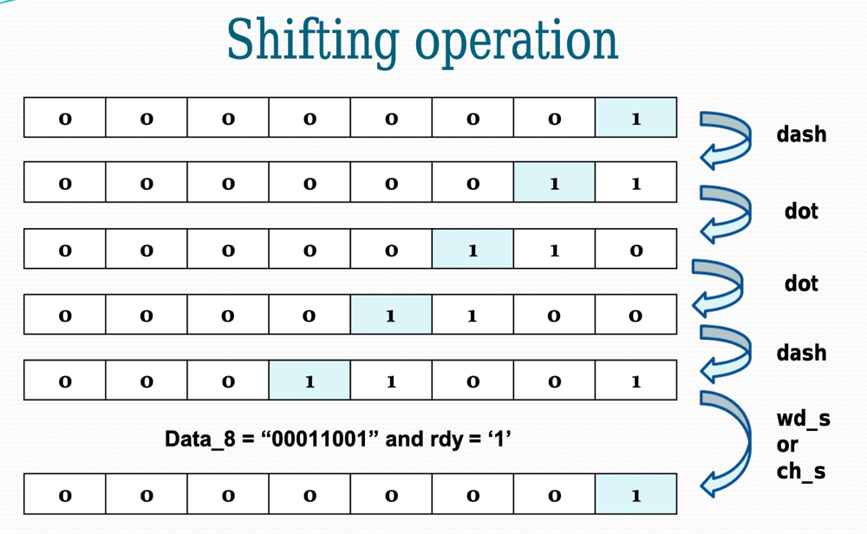
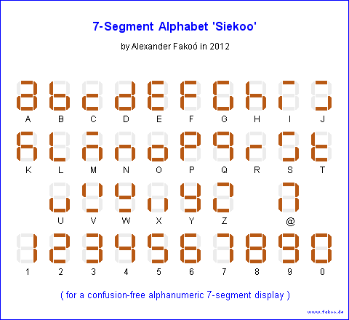
Char | Binary(len not set) | LEN(wZeros) | Binary(len=19bits) | LEN(w/outZeros) | Alphabet(7seg) | 8bit | Char | 8bit
A | 10111000 | 8 | 1011100000000000000 | 19 | 0000010 | 00000101 | A
B | 111010101000 | 12 | 1110101010000000000 | 19 | 1100000 | 00011000 | B
C | 11101011101000 | 14 | 1110101110100000000 | 19 | 1110010 | 00011010 | C
D | 1110101000 | 10 | 1110101000000000000 | 19 | 1000010 | 00001100 | D
E | 1000 | 4 | 1000000000000000000 | 19 | 0110000 | 00000010 | E
F | 101011101000 | 12 | 1010111010000000000 | 19 | 0111000 | 00010010 | F
G | 111011101000 | 12 | 1110111010000000000 | 19 | 0100001 | 00001110 | G
H | 1010101000 | 10 | 1010101000000000000 | 19 | 1101000 | 00010000 | H
I | 101000 | 6 | 1010000000000000000 | 19 | 0111011 | 00000100 | I
J | 1011101110111000 | 16 | 1011101110111000000 | 19 | 0100111 | 00010111 | J
K | 111010111000 | 12 | 1110101110000000000 | 19 | 0101000 | 00001101 | K
L | 101110101000 | 12 | 1011101010000000000 | 19 | 1110001 | 00010100 | L
M | 1110111000 | 10 | 1110111000000000000 | 19 | 0101010 | 00000111 | M
N | 11101000 | 8 | 1110100000000000000 | 19 | 1101010 | 00000110 | N | 8bit logic
O | 11101110111000 | 14 | 1110111011100000000 | 19 | 1100010 | 00001111 | O |  | 00000101 | 1 | initial bit | marker
P | 10111011101000 | 14 | 1011101110100000000 | 19 | 0011000 | 00010110 | P | A |  | 01 | word | 8bit representation
Q | 1110111010111000 | 16 | 1110111010111000000 | 19 | 0001100 | 00011101 | Q |  | 101 | initial bit + word
R | 1011101000 | 10 | 1011101000000000000 | 19 | 1111010 | 00001010 | R |  | 1 | initial marker
S | 10101000 | 8 | 1010100000000000000 | 19 | 0100101 | 00001000 | S |  | 0 | dot
T | 111000 | 6 | 1110000000000000000 | 19 | 1110000 | 00000011 | T |  | 1 | dash
U | 1010111000 | 10 | 1010111000000000000 | 19 | 1100011 | 00001001 | U
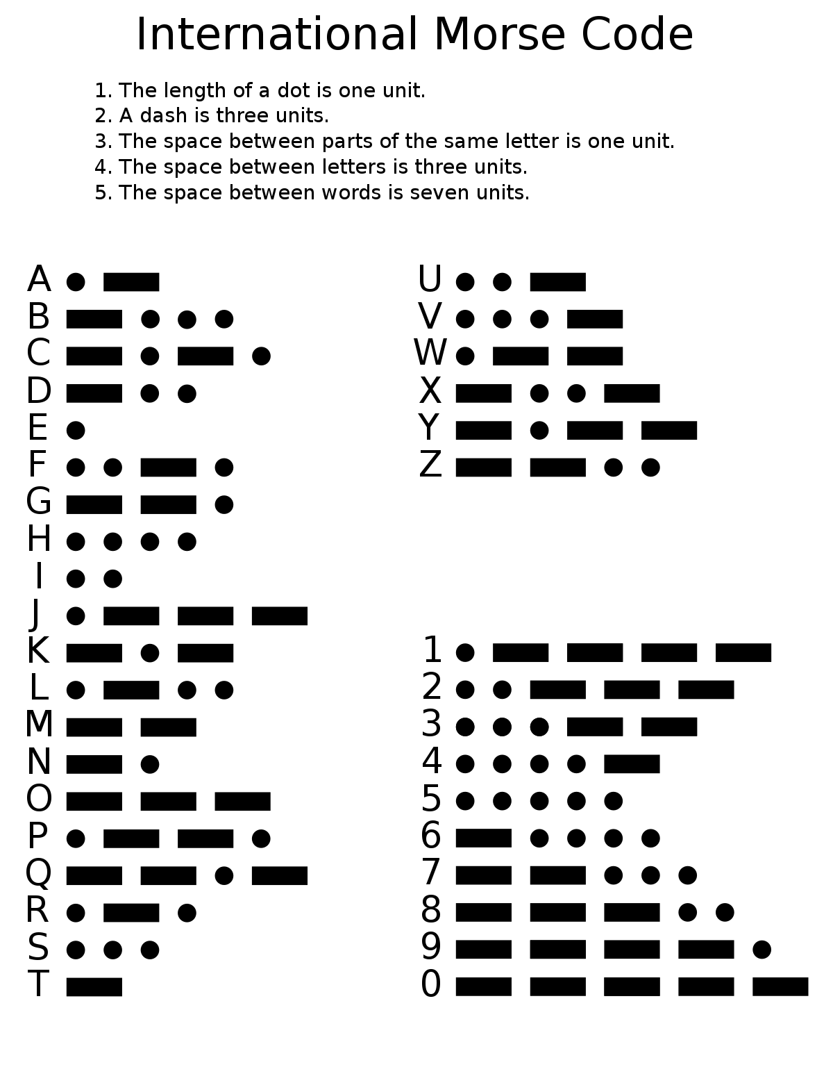
V | 101010111000 | 12 | 1010101110000000000 | 19 | 1010101 | 00010001 | V
W | 101110111000 | 12 | 1011101110000000000 | 19 | 1010100 | 00001011 | W
X | 11101010111000 | 14 | 1110101011100000000 | 19 | 1101011 | 00011001 | X
Y | 1110101110111000 | 16 | 1110101110111000000 | 19 | 1000100 | 00011011 | Y
Z | 11101110101000 | 14 | 1110111010100000000 | 19 | 0010011 | 00011100 | Z

0 | 1110111011101110111000 | 22 | 1110111011101110111 | 19 | 0000001 | 00011111 | 0
1 | 10111011101110111000 | 20 | 1011101110111011100 | 19 | 1001111 | 00101111 | 1
2 | 101011101110111000 | 18 | 1010111011101110000 | 19 | 0010010 | 00100111 | 2
3 | 1010101110111000 | 16 | 1010101110111000000 | 19 | 0000110 | 00100011 | 3
4 | 10101010111000 | 14 | 1010101011100000000 | 19 | 1001100 | 00100001 | 4
5 | 101010101000 | 12 | 1010101010000000000 | 19 | 0100100 | 00100000 | 5
6 | 11101010101000 | 14 | 1110101010100000000 | 19 | 0100000 | 00110000 | 6
7 | 1110111010101000 | 16 | 1110111010101000000 | 19 | 0001111 | 00111000 | 7
8 | 1110111011101010000 | 19 | 1110111011101010000 | 19 | 0000000 | 00111100 | 8
9 | 11101110111011101000 | 20 | 1110111011101110100 | 19 | 0000100 | 00111110 | 9

 |  |  |  |  |  |  |  |  |  |  |  |  | Example
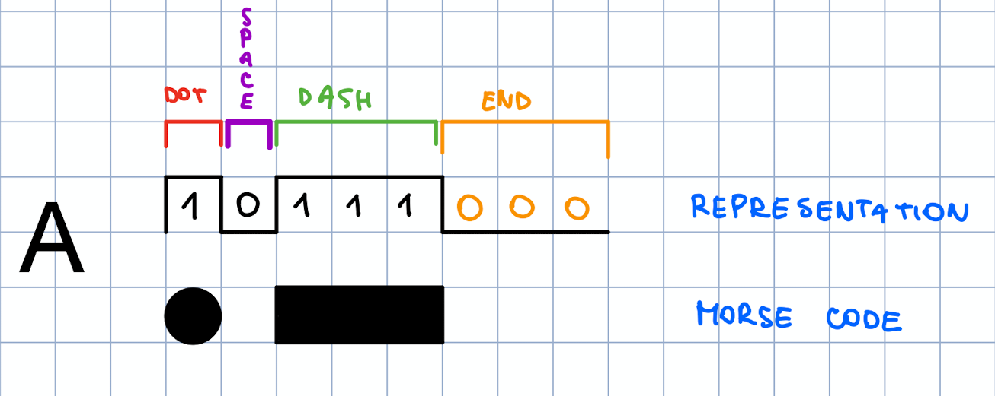

 |  |  | Legend:
 |  |  | 1 | one 1 | dot | quick pulse
 |  |  | 111 | three 1 | dash | long pulse
 |  |  | 000 | three 0 |  | end of sequence

