Sheet1
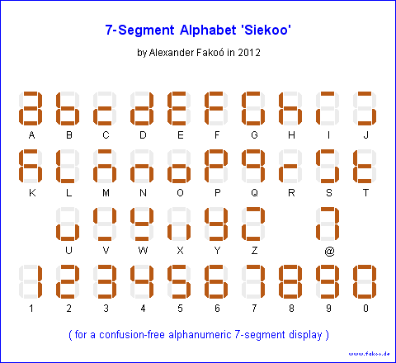
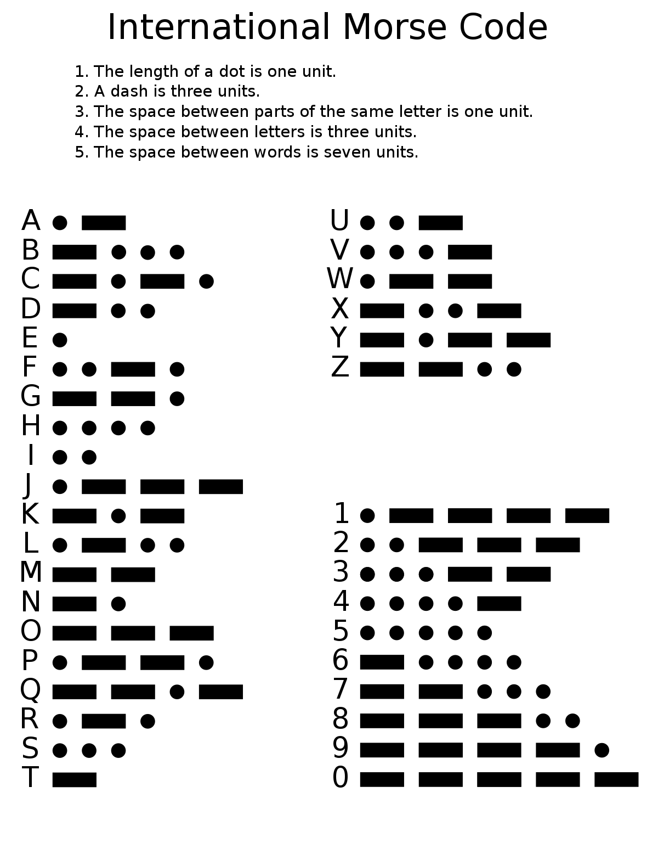
Char | Binary(len not set) | LEN(wZeros) | Binary(len=19bits) | LEN(w/outZeros) | Alphabet(7seg)
A | 10111000 | 8 | 1011100000000000000 | 19 | 0000010
B | 111010101000 | 12 | 1110101010000000000 | 19 | 1100000
C | 11101011101000 | 14 | 1110101110100000000 | 19 | 1110010
D | 1110101000 | 10 | 1110101000000000000 | 19 | 1000010
E | 1000 | 4 | 1000000000000000000 | 19 | 0110000
F | 101011101000 | 12 | 1010111010000000000 | 19 | 0111000
G | 111011101000 | 12 | 1110111010000000000 | 19 | 0100001
H | 1010101000 | 10 | 1010101000000000000 | 19 | 1101000
I | 101000 | 6 | 1010000000000000000 | 19 | 0111011
J | 1011101110111000 | 16 | 1011101110111000000 | 19 | 0100111
K | 111010111000 | 12 | 1110101110000000000 | 19 | 0101000
L | 101110101000 | 12 | 1011101010000000000 | 19 | 1110001
M | 1110111000 | 10 | 1110111000000000000 | 19 | 0101010
N | 11101000 | 8 | 1110100000000000000 | 19 | 1101010
O | 11101110111000 | 14 | 1110111011100000000 | 19 | 1100010
P | 10111011101000 | 14 | 1011101110100000000 | 19 | 0011000
Q | 1110111010111000 | 16 | 1110111010111000000 | 19 | 0001100
R | 1011101000 | 10 | 1011101000000000000 | 19 | 1111010
S | 10101000 | 8 | 1010100000000000000 | 19 | 0100101
T | 111000 | 6 | 1110000000000000000 | 19 | 1110000
U | 1010111000 | 10 | 1010111000000000000 | 19 | 1100011
V | 101010111000 | 12 | 1010101110000000000 | 19 | 1010101
W | 101110111000 | 12 | 1011101110000000000 | 19 | 1010100
X | 11101010111000 | 14 | 1110101011100000000 | 19 | 1101011
Y | 1110101110111000 | 16 | 1110101110111000000 | 19 | 1000100
Z | 11101110101000 | 14 | 1110111010100000000 | 19 | 0010011

0 | 1110111011101110111000 | 22 | 1110111011101110111 | 19 | 0000001
1 | 10111011101110111000 | 20 | 1011101110111011100 | 19 | 1001111
2 | 101011101110111000 | 18 | 1010111011101110000 | 19 | 0010010
3 | 1010101110111000 | 16 | 1010101110111000000 | 19 | 0000110
4 | 10101010111000 | 14 | 1010101011100000000 | 19 | 1001100
5 | 101010101000 | 12 | 1010101010000000000 | 19 | 0100100 |  |  |  |  | Example
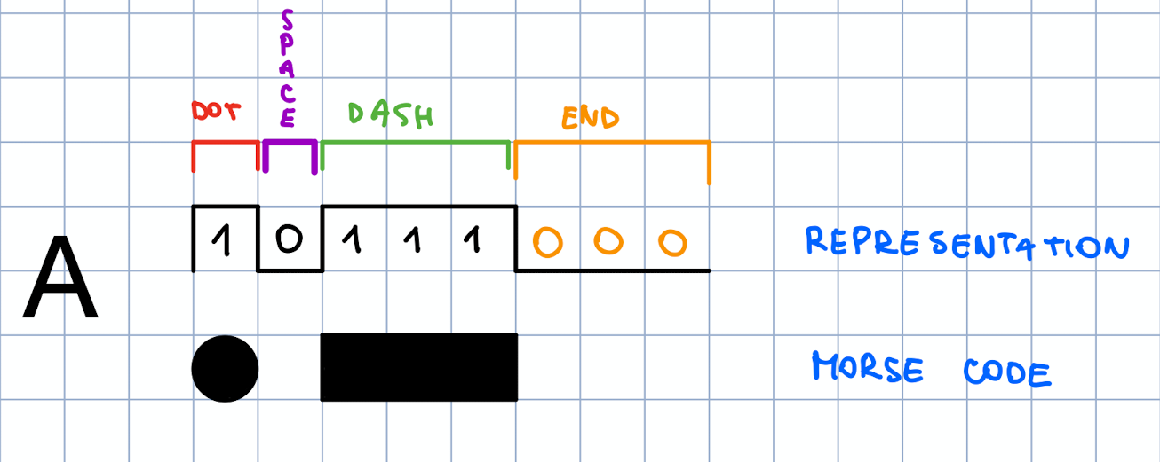
6 | 11101010101000 | 14 | 1110101010100000000 | 19 | 0100000
7 | 1110111010101000 | 16 | 1110111010101000000 | 19 | 0001111
8 | 1110111011101010000 | 19 | 1110111011101010000 | 19 | 0000000
9 | 11101110111011101000 | 20 | 1110111011101110100 | 19 | 0000100

 |  |  |  |  |  | Legend:
 |  |  |  |  |  | 1 | one 1 | dot | quick pulse
 |  |  |  |  |  | 111 | three 1 | dash | long pulse
 |  |  |  |  |  | 0.00 | three 0 |  | end of sequence

