Sheet2
Material | Mechanical Property | Units | Average Value | Standard Deviation | Number of Samples | Coefficient of Variation [%] | Testing Standard
Mortar for Construction of Specimen 01 | Compressive Strength | MPa | 4.06 | 1.65 | 10 | 41 | EN 1015-11
 | Flexural Strength | MPa | 1.06 | 0.31 | 5 | 29 | EN 1015-11
 | Young's Modulus | MPa | 318.81 | 138 | 8 | 43 | Slope between 1/3 & 2/3 of compressive strength
Mortar for Construction of Specimen 02 | Compressive Strength | MPa | 5.12 | 0.64 | 8 | 11 | EN 1015-11
 | Flexural Strength | MPa | 1.44 | 0.2 | 4 | 14 | EN 1015-11
 | Young's Modulus | MPa | 466.82 | 110.05 | 8 | 24 | Slope between 1/3 & 2/3 of compressive strength
Mortar for Construction of Specimen 03 | Compressive Strength | MPa | 6.64 | 0.94 | 8 | 14 | EN 1015-11
 | Flexural Strength | MPa | 1.76 | 0.26 | 3 | 15 | EN 1015-11
 | Young's Modulus | MPa | 417.13 | 97.71 | 8 | 23 | Slope between 1/3 & 2/3 of compressive strength
Mortar for Construction | Compressive Strength | MPa | 1.52 | 0.16 | 6 | 10 | EN 1015-11
 | Flexural Strength | MPa | 0.67 | 0.01 | 3 | 2 | EN 1015-11
 | Young's Modulus | MPa | 157 | 51 | 6 | 33 | Slope between 1/3 & 2/3 of compressive strength
Limestone | Compressive Strength | MPa | 116.1 | 13 | 4 | 11 | Derived from Ciocci et al., 2023
 | Young's Modulus | GPa | 27 | 3 | 4 | 11
Riverstone | Compressive Strength | MPa | 164.26 | - | - | - | Estimated based on rock point load test
Brick Paver | Compressive Strength | MPa | 93.44 | 18.02 | 6 | 19 | EN 772-1
Masonry Strength | Compressive Strength | MPa | 0.67 | 0.15 | 4 | 23 | Derived from Saloustros & Beyer, 2024
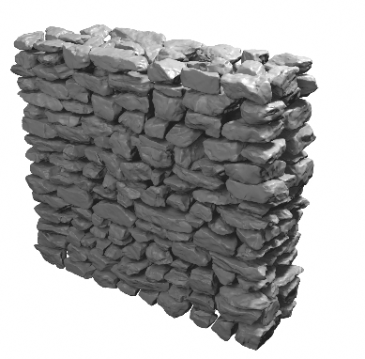
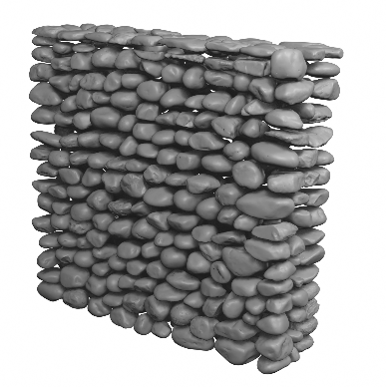
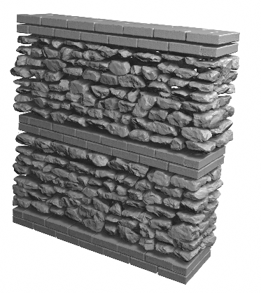

Specimen 01 | Specimen 02 |  | Specimen 03

