0MPa (2)
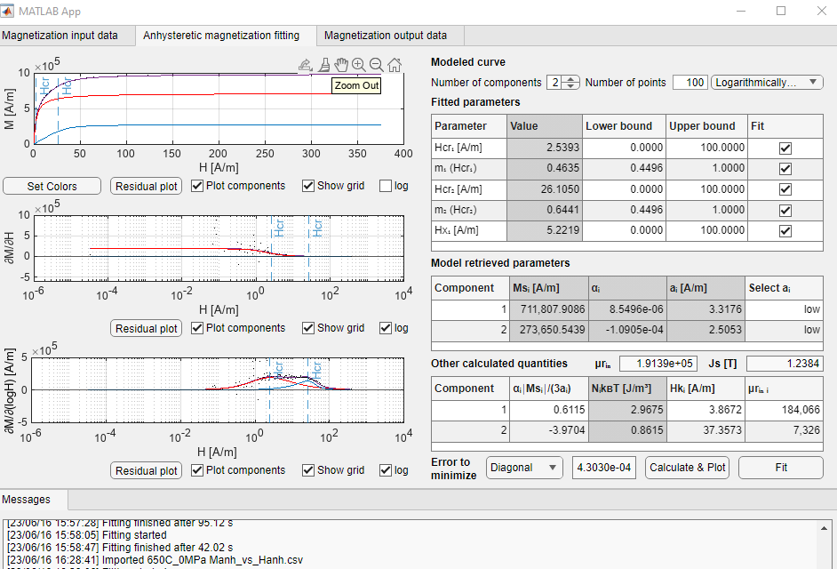
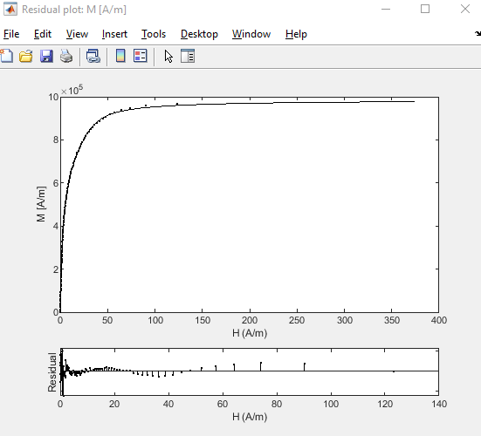
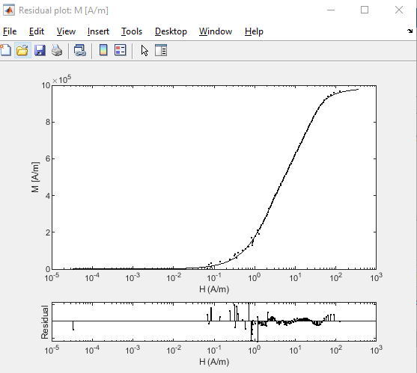
650C_0MPa | H_650C_10s

Hcr₁ [A/m] | 2.5393
m₁ (Hcr₁) | 0.4635
Hcr₂ [A/m] | 26.105
m₂ (Hcr₂) | 0.6441
Hx₁ [A/m] | 5.2219

Component | Msi [A/m] | alphai | ai[A/m] | alphai |Msi|/(3ai) | NikBT [J/m^3] | Hki [A/m] | urin i | Kui [J/m^3]
1 | 711,808 | 8.55E-06 | 3.3176 | 0.6115 | 2.9675 | 4 | 184,066 | 1.73
2 | 273,651 | -1.09E-04 | 2.5053 | -3.9704 | 0.8615 | 37 | 7,326 | 6.42

Total
Js [T] | 1.24
urin | 191,390
Ku [J/m^3] | 8.2

36MPa
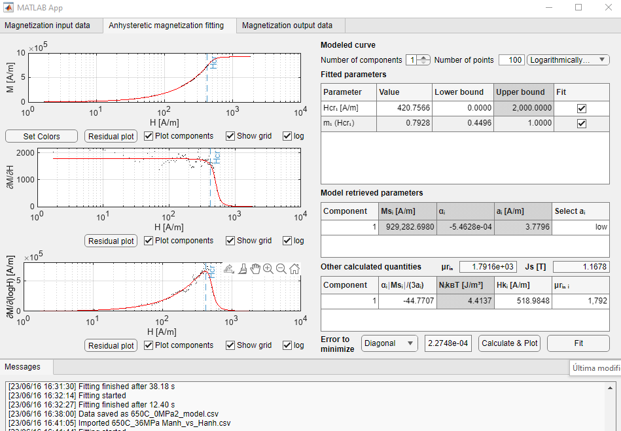
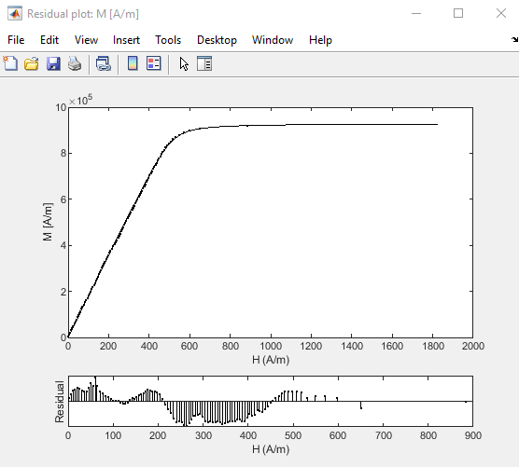
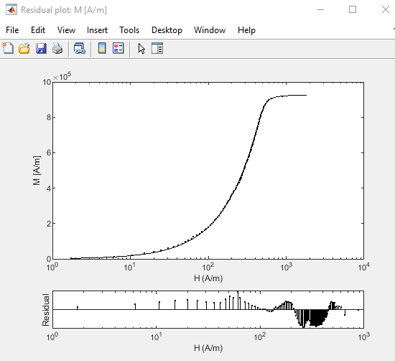
650C_36MPa | 'H_650C_1.5lbf_start'

Hcr₁ [A/m] | 420.7566
m₁ (Hcr₁) | 0.7928

Component | Msi [A/m] | alphai | ai[A/m] | alphai |Msi|/(3ai) | NikBT [J/m^3] | Hki [A/m] | urin i | Kui [J/m^3]
1 | 929,283 | -5.46E-04 | 3.7796 | -44.7707 | 4.4137 | 519 | 1,792 | 303.03

Total
Js [T] | 1.17
urin | 1,792
Ku [J/m^3] | 303.0

66MPa
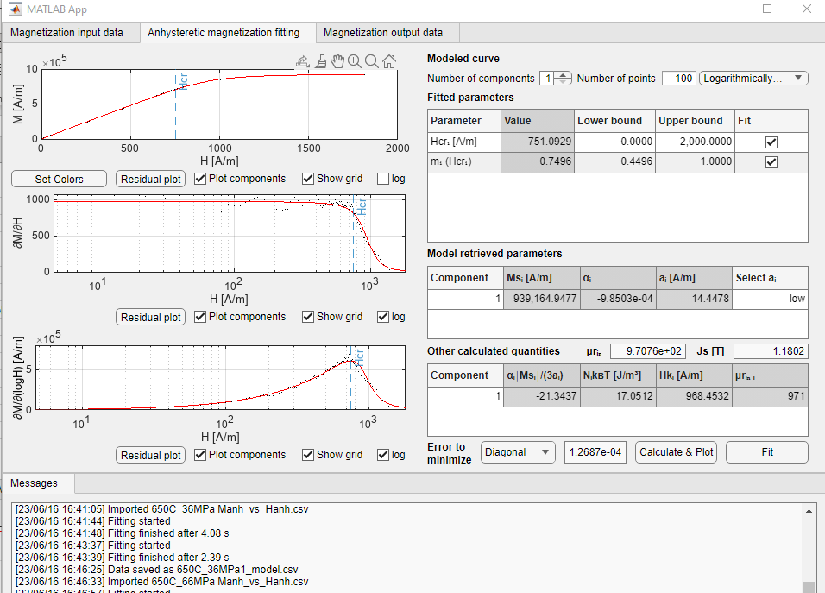
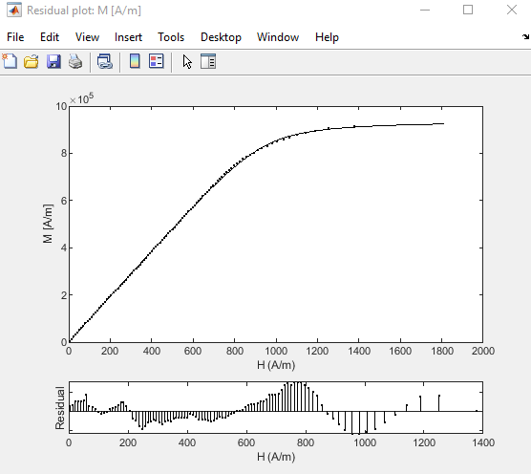
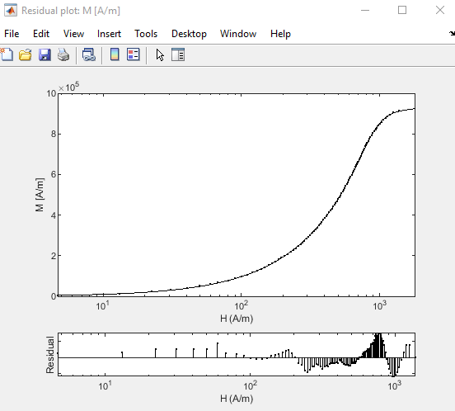
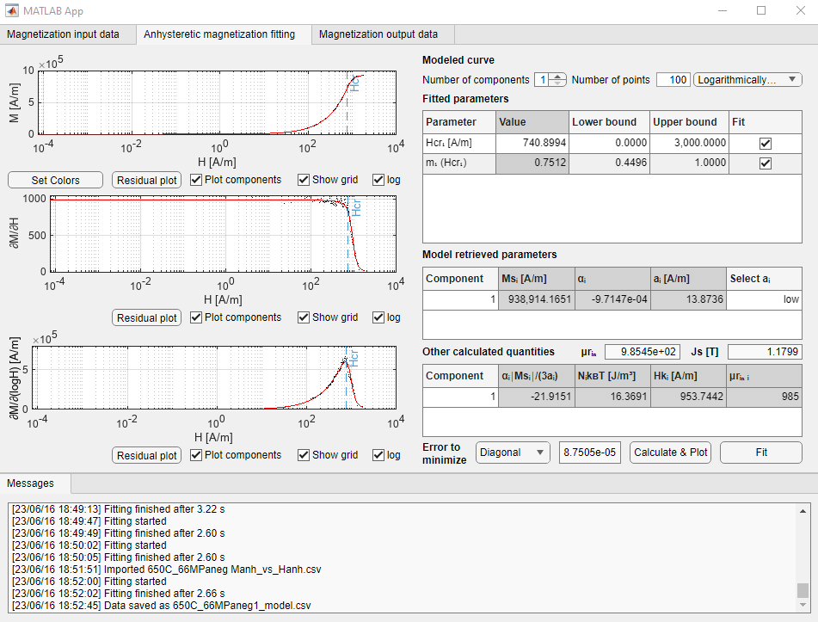
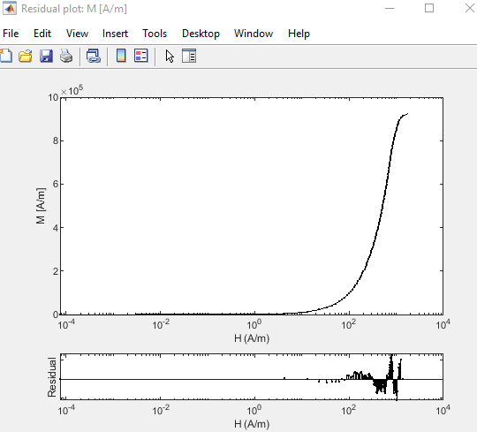
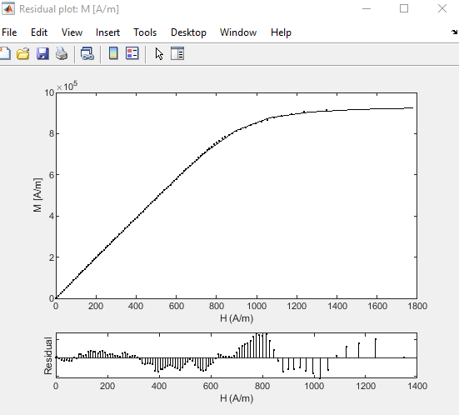
650C_66MPa | H_650C_3lbf_start

Hcr₁ [A/m] | 751.0929 | 740.8994
m₁ (Hcr₁) | 0.7496 | 0.7512

Component | Msi [A/m] | alphai | ai[A/m] | alphai |Msi|/(3ai) | NikBT [J/m^3] | Hki [A/m] | urin i | Kui [J/m^3]
1 | 939,165 | -9.85E-04 | 14.4478 | -21.3437 | 17.0512 | 968 | 971 | 571.48
neg | 938,914 | -9.71E-04 | 13.8736 | -21.9151 | 16.3691 | 954 | 985 | 562.65

Total
Js [T] | 1.18 | 1.18
urin | 971 | 985
Ku [J/m^3] | 571.5 | 562.6

66MPa (2)
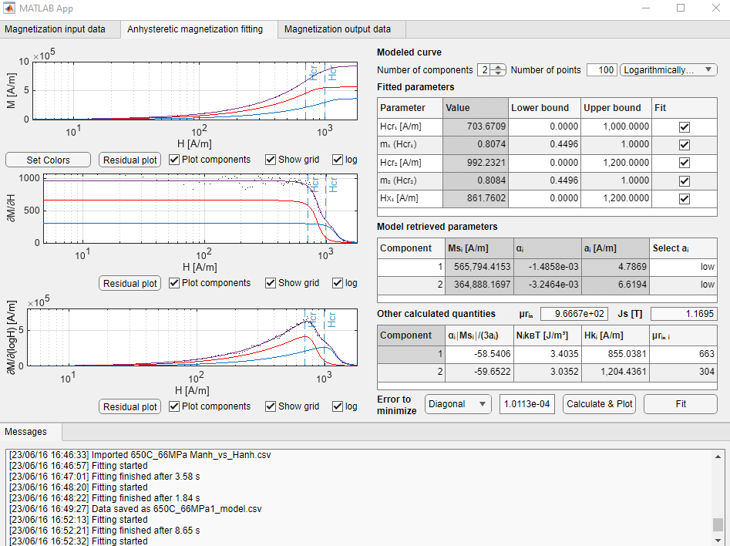
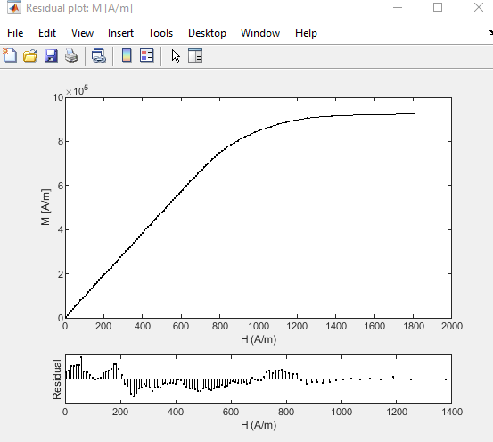
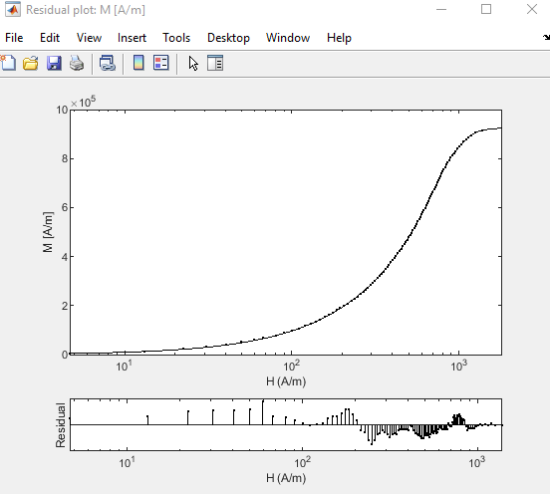
650C_66MPa | H_650C_3lbf_start

Hcr₁ [A/m] | 703.6709
m₁ (Hcr₁) | 0.8074
Hcr₂ [A/m] | 992.23
m₂ (Hcr₂) | 0.8084
Hx₁ [A/m] | 861.7602

Component | Msi [A/m] | alphai | ai[A/m] | alphai |Msi|/(3ai) | NikBT [J/m^3] | Hki [A/m] | urin i | Kui [J/m^3]
1 | 565,794 | -1.49E-03 | 4.7869 | -58.5406 | 3.4035 | 855 | 663 | 303.97
2 | 364,888 | -3.25E-03 | 6.6194 | -59.6522 | 3.0352 | 1204 | 304 | 276.14

Total
Js [T] | 1.17
urin | 967
Ku [J/m^3] | 580.1

112MPa
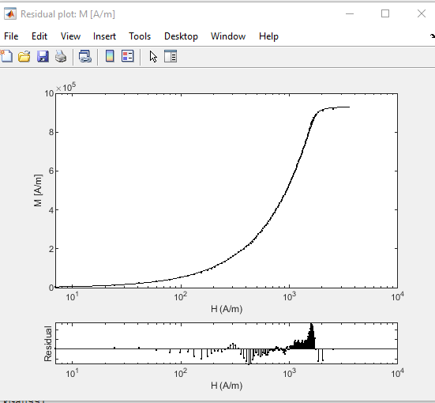
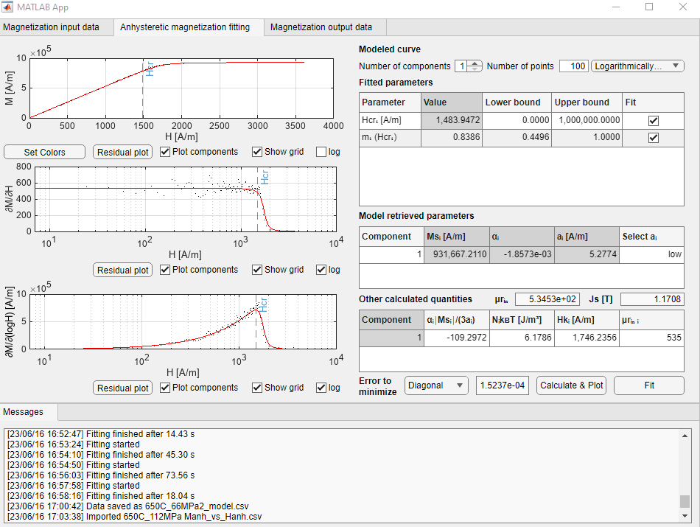
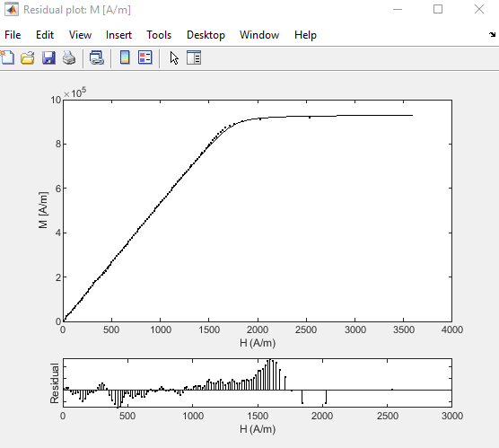
650C_112MPa | 'H_650C_4.5lbf_start'

Hcr₁ [A/m] | 1,483.95
m₁ (Hcr₁) | 0.8386

Component | Msi [A/m] | alphai | ai[A/m] | alphai |Msi|/(3ai) | NikBT [J/m^3] | Hki [A/m] | urin i | Kui [J/m^3]
1 | 931,667 | -1.86E-03 | 5.2774 | -109.2972 | 6.1786 | 1746 | 535 | 1022.22

Total
Js [T] | 1.17
urin | 535
Ku [J/m^3] | 1022.2

153MPa
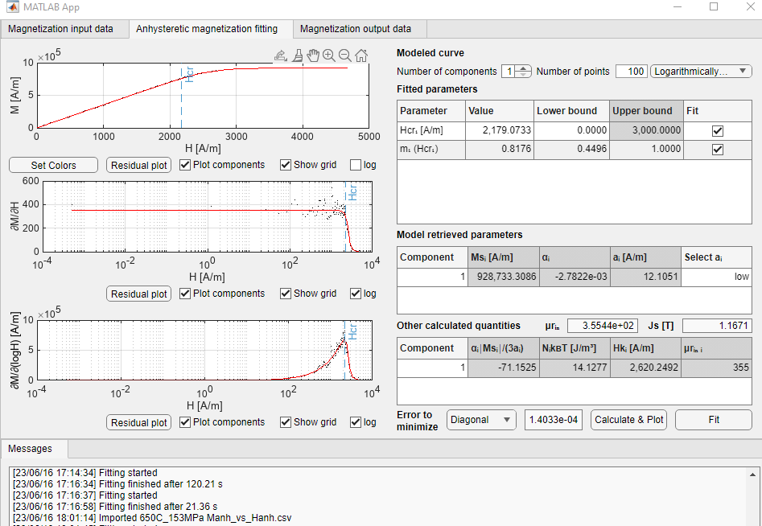
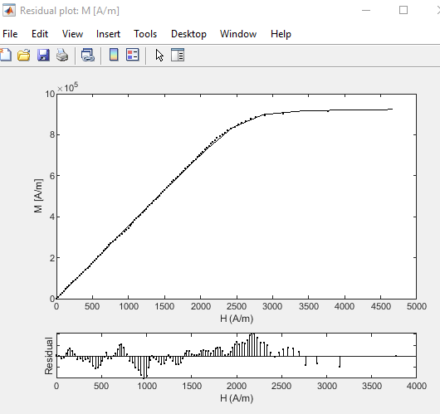
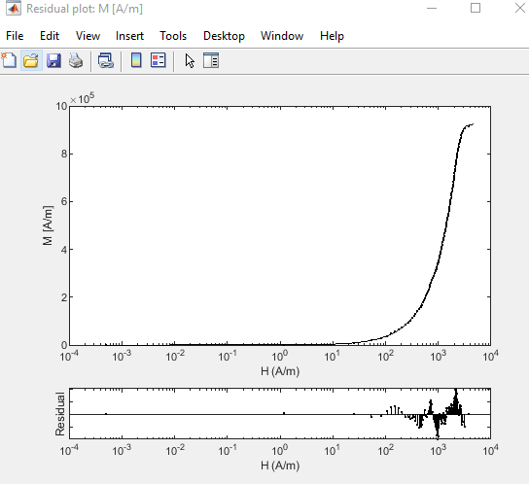
650C_153MPa | 'H_650C_6.5lbf_start'

Hcr₁ [A/m] | 2,179.07
m₁ (Hcr₁) | 0.8176

Component | Msi [A/m] | alphai | ai[A/m] | alphai |Msi|/(3ai) | NikBT [J/m^3] | Hki [A/m] | urin i | Kui [J/m^3]
1 | 928,733 | -2.78E-03 | 12.1051 | -71.1525 | 14.1277 | 2620 | 355 | 1529.02

Total
Js [T] | 1.17
urin | 355
Ku [J/m^3] | 1529.0

