0MPa (2)
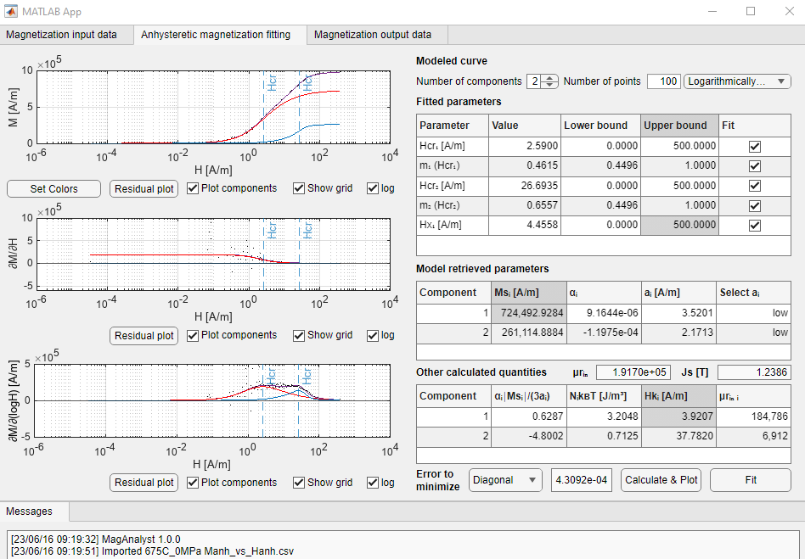
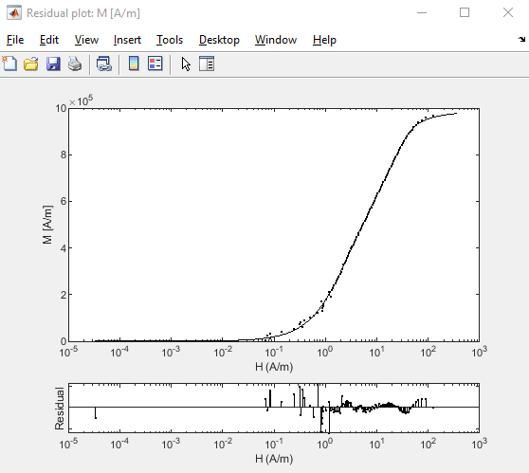
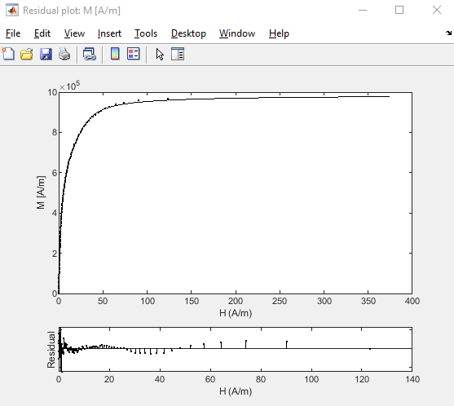
675C_0MPa | 675C_10s

Hcr₁ [A/m] | 2.59
m₁ (Hcr₁) | 0.4615
Hcr₂ [A/m] | 26.6935
m₂ (Hcr₂) | 0.6557
Hx₁ [A/m] | 4.4558

Component | Msi [A/m] | alphai | ai[A/m] | alphai |Msi|/(3ai) | NikBT [J/m^3] | Hki [A/m] | urin i | Kui [J/m^3]
1 | 724,493 | 9.16E-06 | 3.5 | 0.6287 | 3.2048 | 4 | 184,786 | 1.78
2 | 261,115 | -1.20E-04 | 2.2 | -4.8002 | 0.7125 | 38 | 6,912 | 6.20

Total
Js [T] | 1.24
urin | 191,700
Ku [J/m^3] | 8.0

23MPa
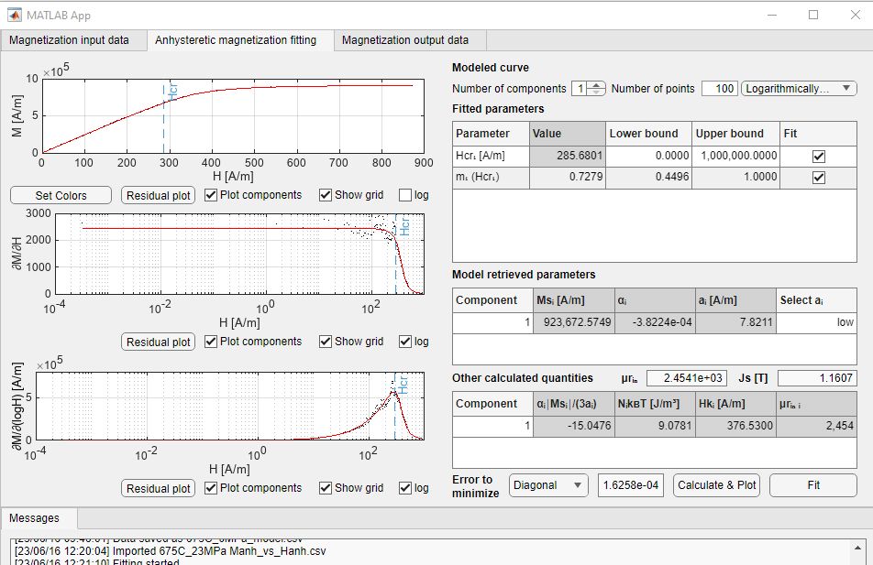
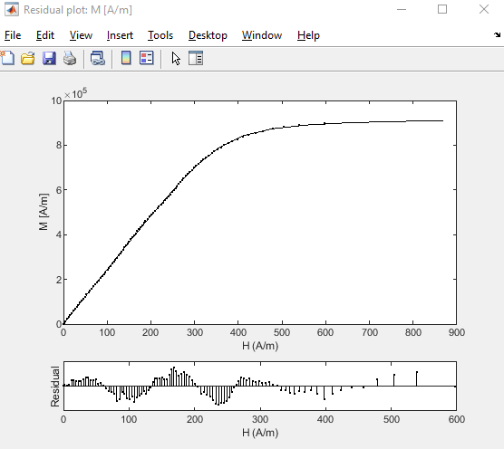
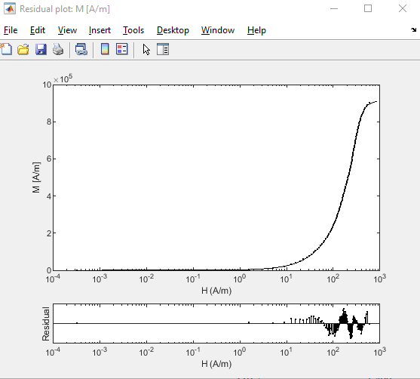
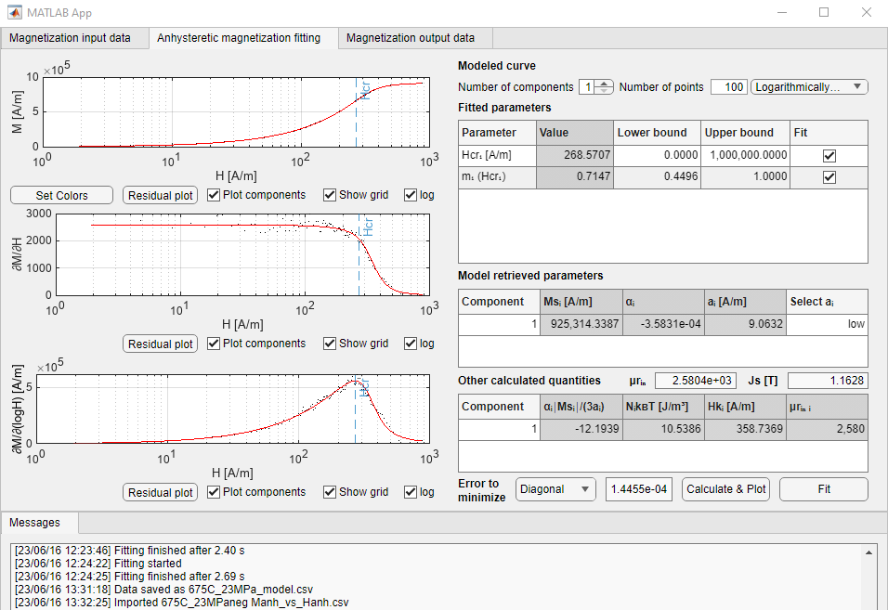
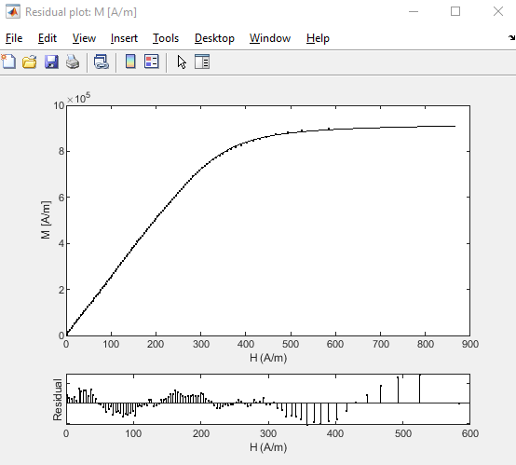
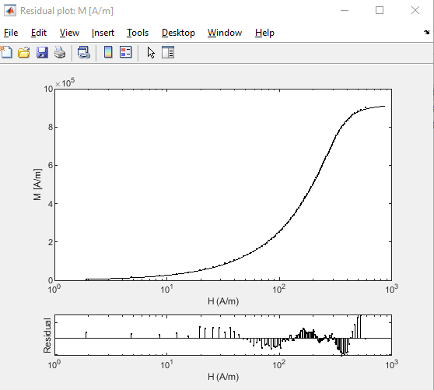
675C_23MPa | 675C_0.8lbf_strip
 |  | neg
Hcr₁ [A/m] | 285.6801 | 268.5707
m₁ (Hcr₁) | 0.7279 | 0.7147

Component | Msi [A/m] | alphai | ai[A/m] | alphai |Msi|/(3ai) | NikBT [J/m^3] | Hki [A/m] | urin i | Kui [J/m^3]
1 | 923,673 | -3.82E-04 | 7.8211 | -15.0476 | 9.0781 | 377 | 2,454 | 218.52
neg | 925,314 | -3.58E-04 | 9.0632 | -12.1939 | 10.5386 | 359 | 2,580 | 208.57

Total
Js [T] | 1.16 | 1.16
urin | 2,454 | 2,580
Ku [J/m^3] | 218.5 | 208.6

23MPa (2)
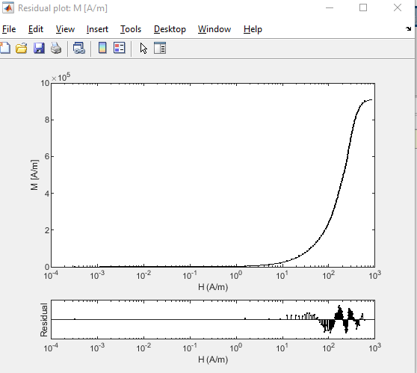
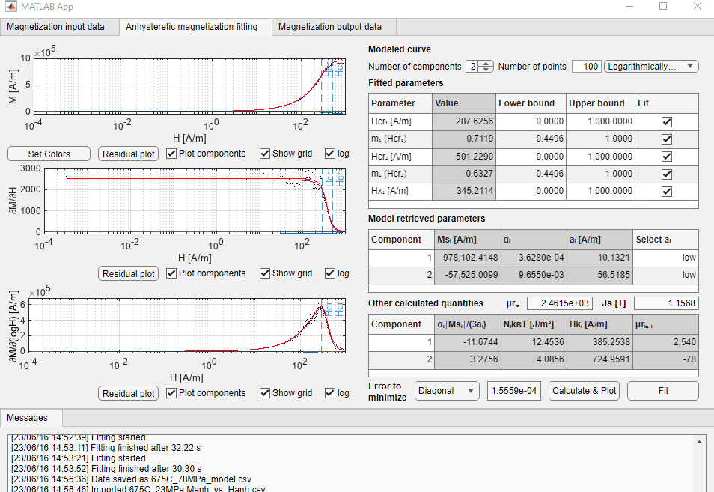

675C_23MPa | 675C_0.8lbf_strip

Hcr₁ [A/m] | 287.6256
m₁ (Hcr₁) | 0.7119
Hcr₂ [A/m] | 501.23
m₂ (Hcr₂) | 0.6327
Hx₁ [A/m] | 345.2114

Component | Msi [A/m] | alphai | ai[A/m] | alphai |Msi|/(3ai) | NikBT [J/m^3] | Hki [A/m] | urin i | Kui [J/m^3]
1 | 978,102 | -3.63E-04 | 10.1321 | -11.6744 | 12.4536 | 385 | 2,540 | 236.76
2 | -57,525 | 9.66E-03 | 56.5185 | 3.2756 | 4.0856 | 725 | -78 | -26.20

Total
Js [T] | 1.16
urin | 2,462
Ku [J/m^3] | 210.6

53MPa
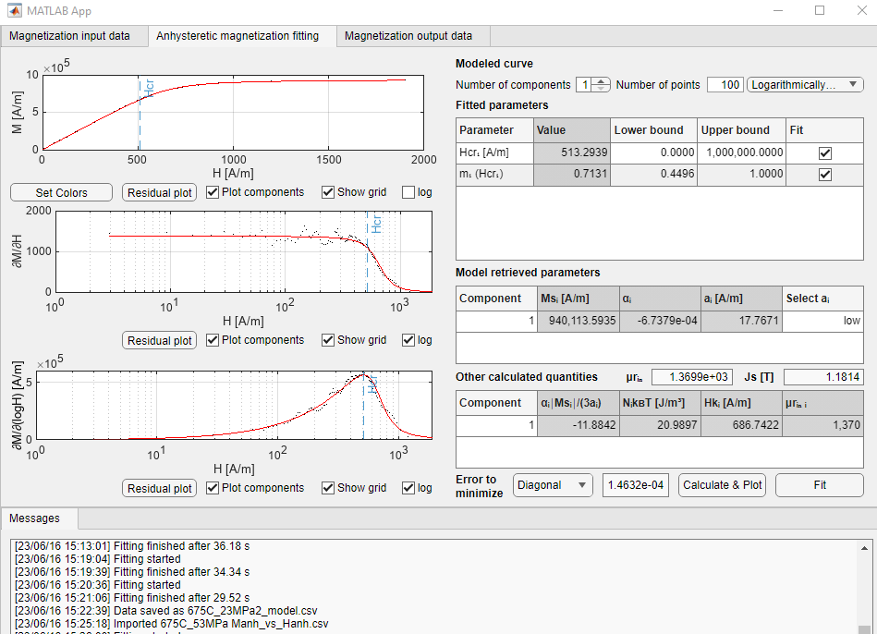
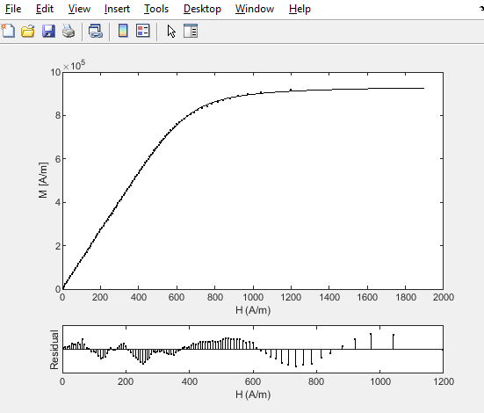
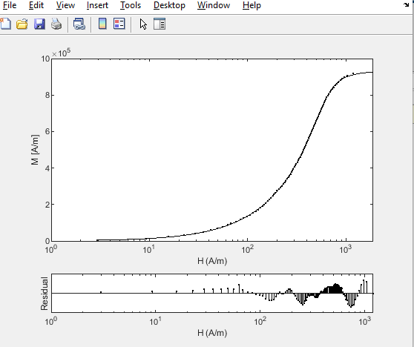
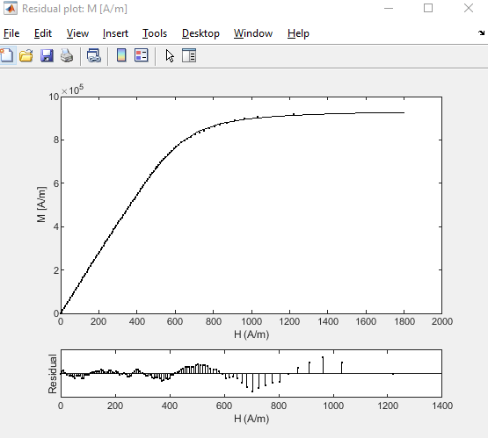
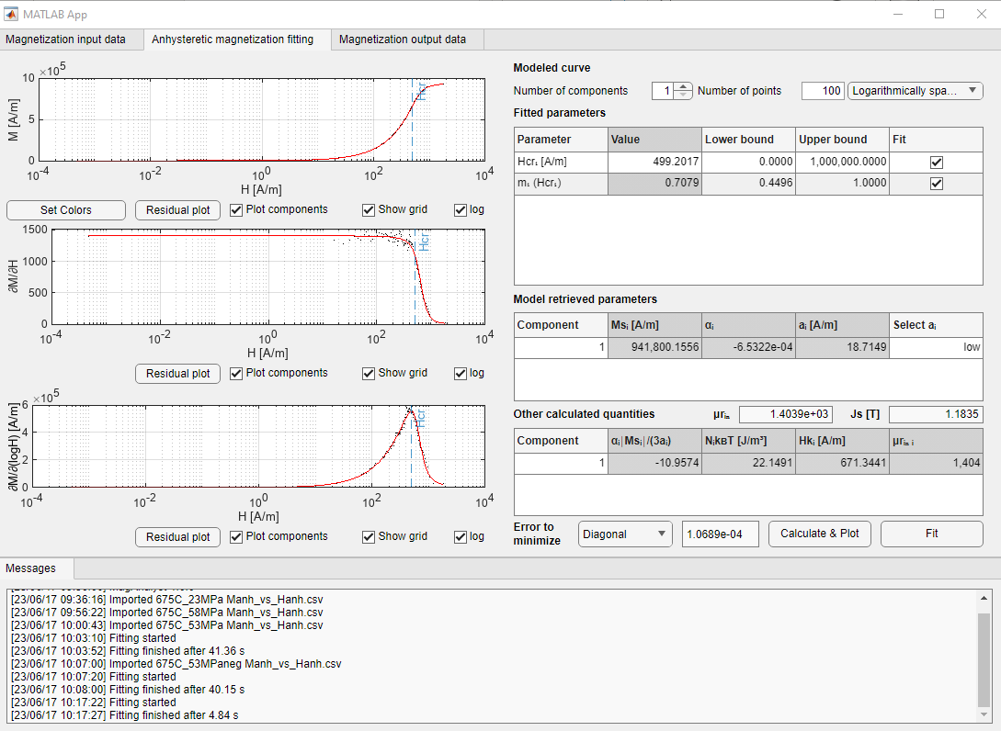
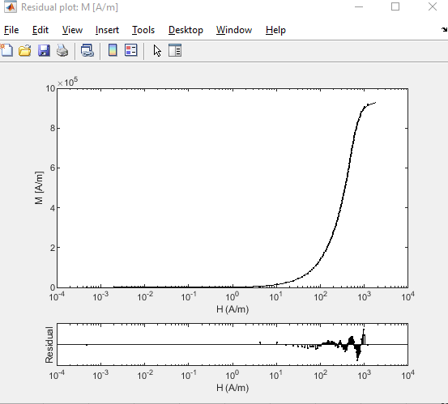
675C_53MPa | 'H_675C_2.5lbf_strip_2'

Hcr₁ [A/m] | 513.2939 | 499.2017
m₁ (Hcr₁) | 0.7131 | 0.7079

Component | Msi [A/m] | alphai | ai[A/m] | alphai |Msi|/(3ai) | NikBT [J/m^3] | Hki [A/m] | urin i | Kui [J/m^3]
1 | 940,114 | -6.74E-04 | 17.7671 | -11.8842 | 20.9897 | 687 | 1,370 | 405.65
neg | 941,800 | -6.53E-04 | 18.7149 | -10.9574 | 22.1491 | 671 | 1,404 | 397.27

Total
Js [T] | 1.18 | 1.18
urin | 1,370 | 1,404
Ku [J/m^3] | 405.7 | 397.3

53MPa (2)
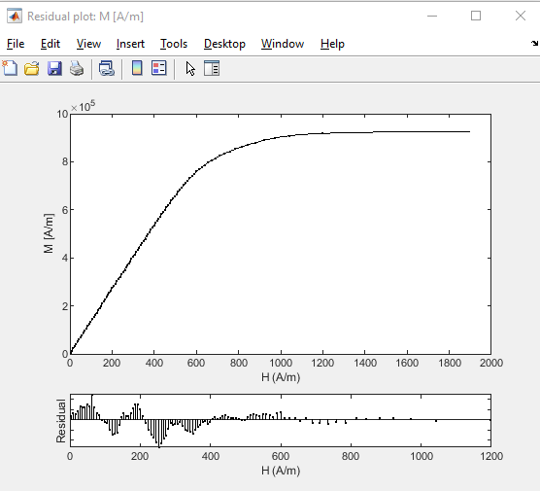
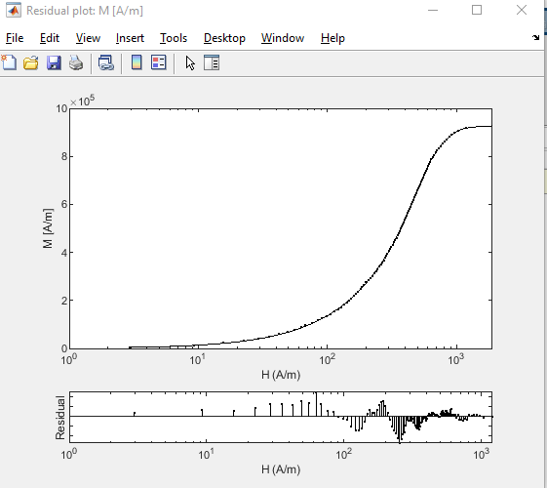
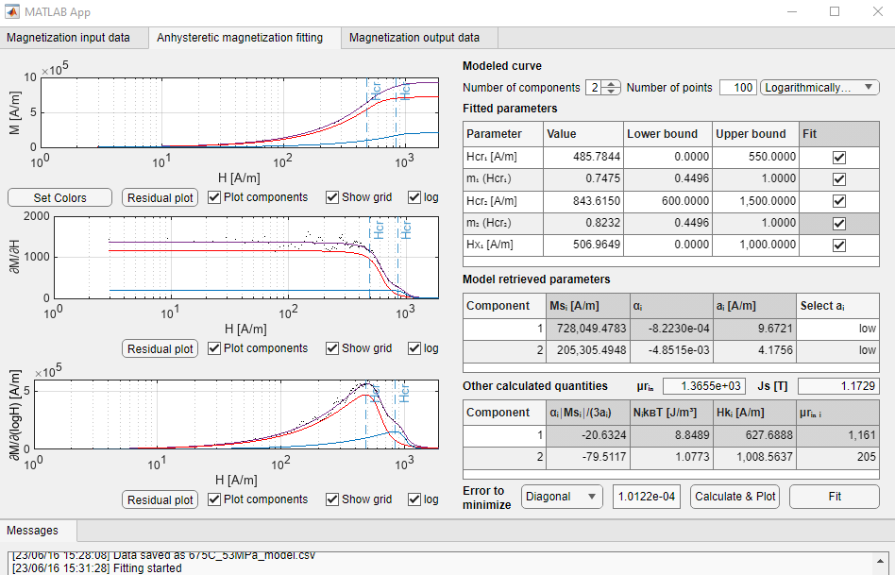
675C_53MPa | 'H_675C_2.5lbf_strip_2'
 |  | neg
Hcr₁ [A/m] | 485.7844 | 471.8959
m₁ (Hcr₁) | 0.7475 | 0.7339
Hcr₂ [A/m] | 843.62 | 826.86
m₂ (Hcr₂) | 0.8232 | 0.826
Hx₁ [A/m] | 506.9649 | 495.4758

Component | Msi [A/m] | alphai | ai[A/m] | alphai |Msi|/(3ai) | NikBT [J/m^3] | Hki [A/m] | urin i | Kui [J/m^3]
1 | 728,049 | -8.22E-04 | 9.6721 | -20.6324 | 8.8489 | 628 | 1,161 | 287.13
2 | 205,305 | -4.85E-03 | 4.1756 | -79.5117 | 1.0773 | 1009 | 205 | 130.10
 | 747,341 | -7.80E-04 | 11.7309 | -16.5661 | 11.0169 | 618 | 1,210 | 290.29
 | 187,763 | -5.19E-03 | 3.8623 | -84.0725 | 0.9113 | 986 | 191 | 116.29

Total
Js [T] | 1.17 | 1.18
urin | 1,366 | 1,401
Ku [J/m^3] | 417.2 | 406.6

58MPa
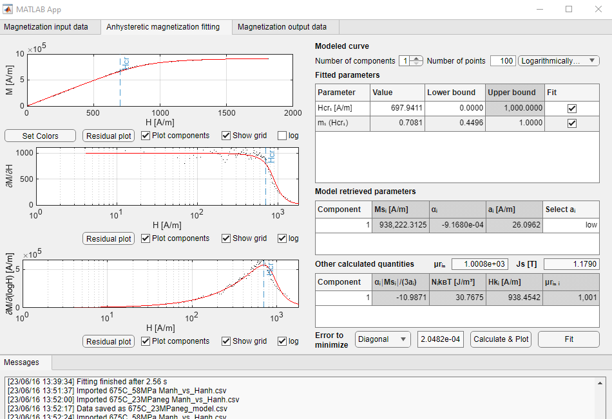
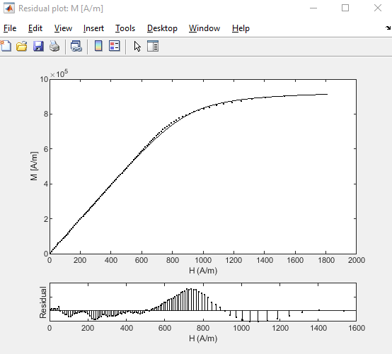
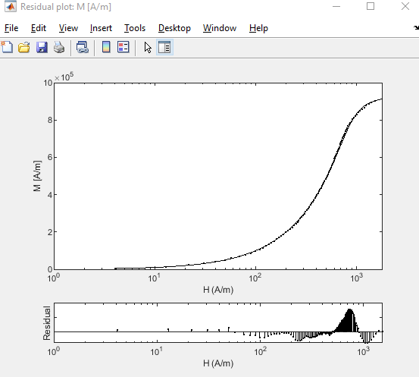
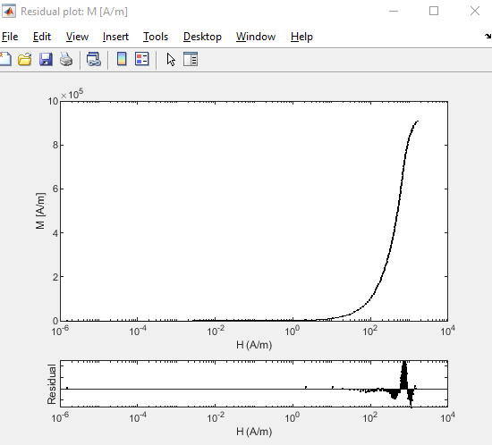
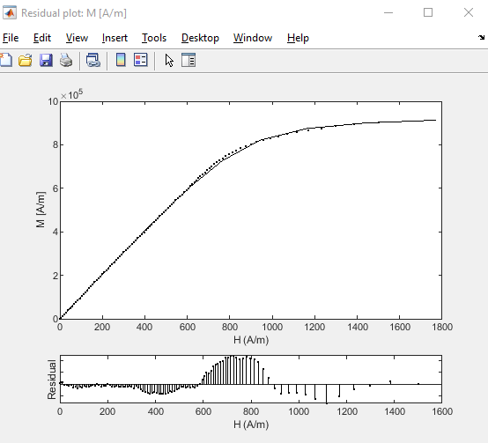
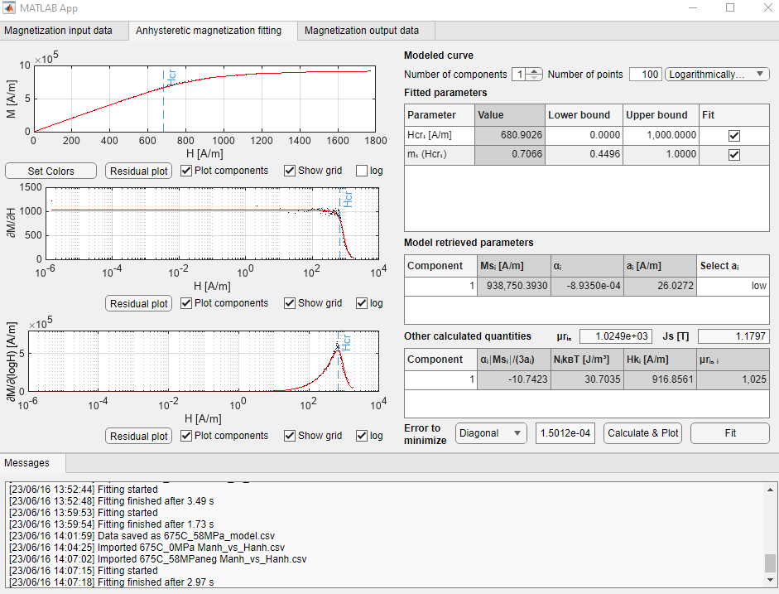
675C_58MPa | 675C_2.5lbf_strip
 |  | neg
Hcr₁ [A/m] | 697.9411 | 680.9026
m₁ (Hcr₁) | 0.7081 | 0.7066

Component | Msi [A/m] | alphai | ai[A/m] | alphai |Msi|/(3ai) | NikBT [J/m^3] | Hki [A/m] | urin i | Kui [J/m^3]
1 | 938,222 | -9.17E-04 | 26.0962 | -10.9871 | 30.7675 | 938 | 1,001 | 553.22
neg | 938,750 | -8.93E-04 | 26.0272 | -10.7423 | 30.7035 | 917 | 1,025 | 540.79

Total
Js [T] | 1.18 | 1.18
urin | 1,001 | 1,025
Ku [J/m^3] | 553.2 | 540.8

58MPa (2)
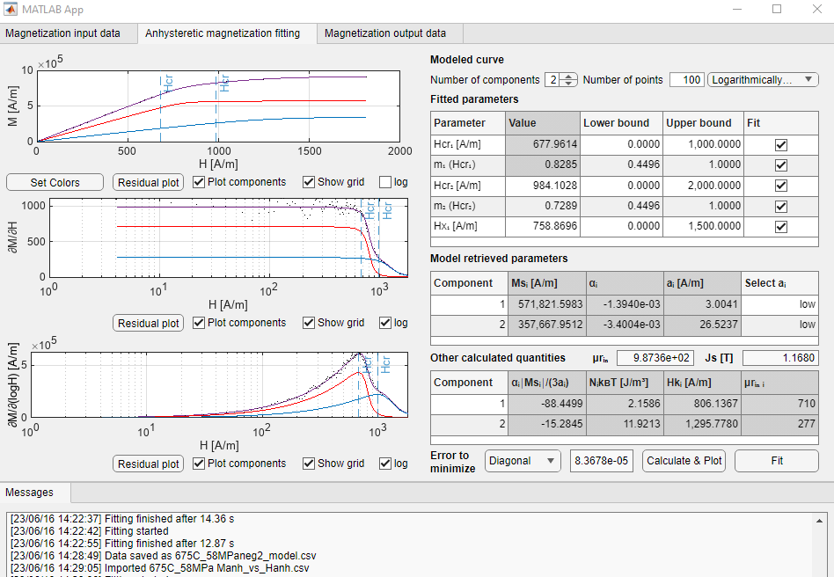
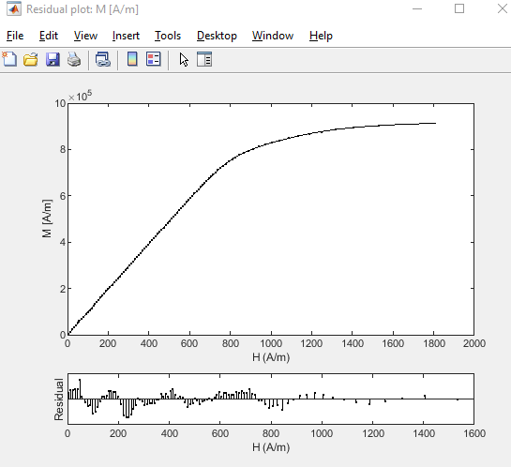
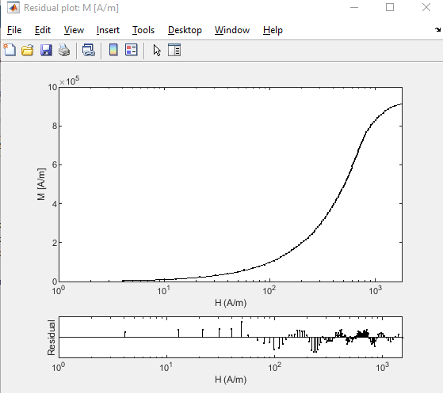
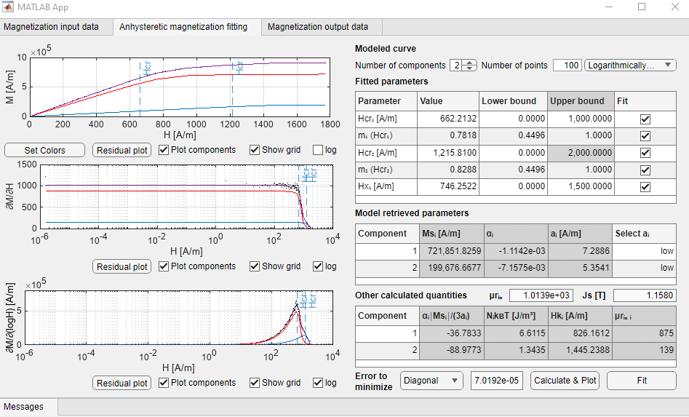
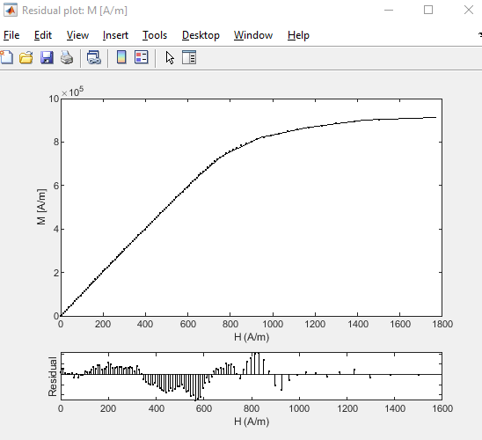
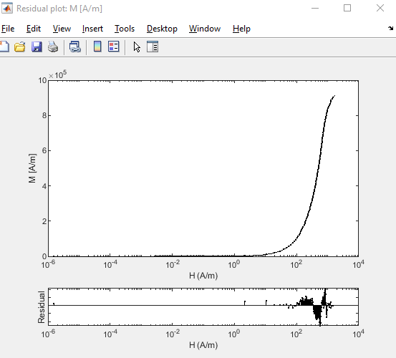
675C_58MPa | 675C_2.5lbf_strip

Hcr₁ [A/m] | 677.9614 | 662.2132
m₁ (Hcr₁) | 0.8285 | 0.7818
Hcr₂ [A/m] | 984.1028 | 1,215.81
m₂ (Hcr₂) | 0.7289 | 0.8288
Hx₁ [A/m] | 758.8696 | 746.2522

Component | Msi [A/m] | alphai | ai[A/m] | alphai |Msi|/(3ai) | NikBT [J/m^3] | Hki [A/m] | urin i | Kui [J/m^3]
1 | 571,822 | -1.4E-03 | 3.0041 | -88.4499 | 2.1586 | 806 | 710 | 289.63
2 | 357,668 | -3.4E-03 | 26.5237 | -15.2845 | 11.9213 | 1296 | 277 | 291.20
1 | 721,852 | -1.1E-03 | 7.2886 | -36.7833 | 6.6115 | 826 | 875 | 374.71
2 | 199,677 | -7.2E-03 | 5.3541 | -88.9773 | 1.3435 | 1445 | 139 | 181.32

Total
Js [T] | 1.17 | 1.16
urin | 987 | 1,014
Ku [J/m^3] | 580.8 | 556.0

78MPa
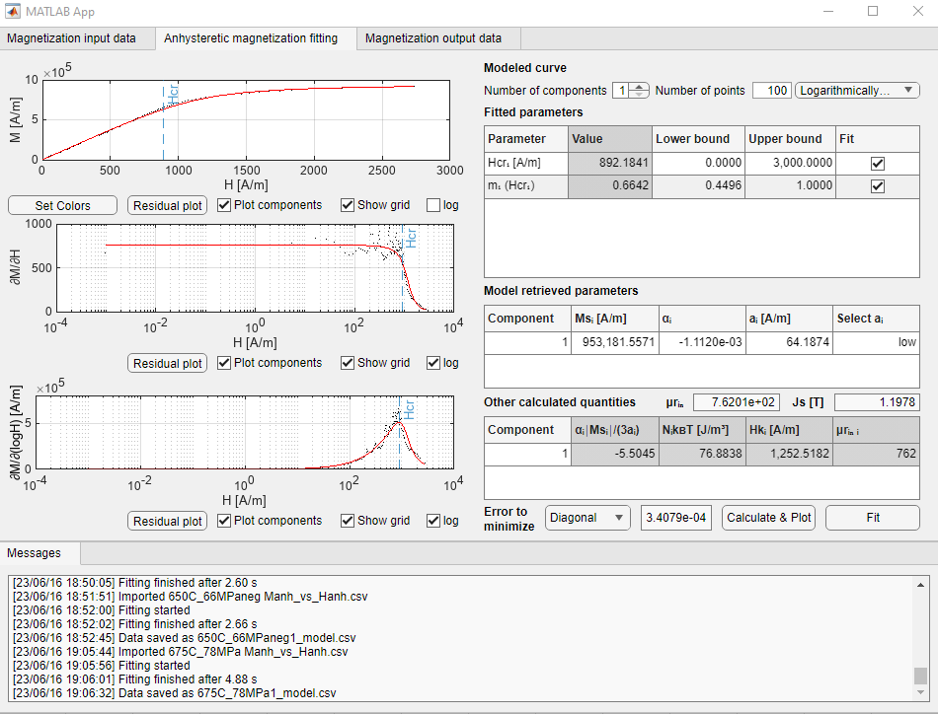
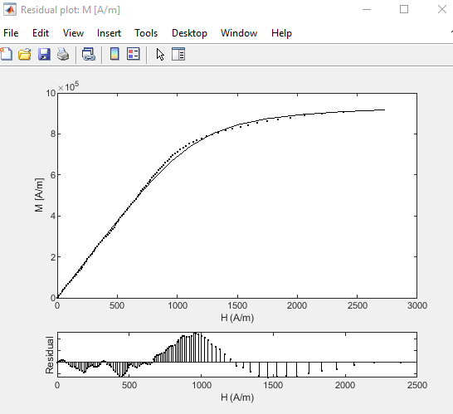
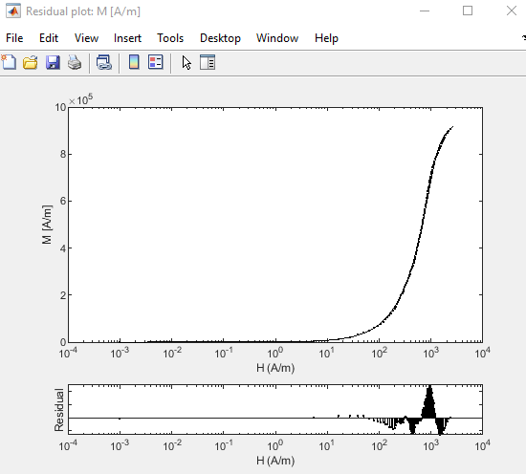
675C_78MPa | 'H_675C_3.5lbf_strip'
 |  | neg
Hcr₁ [A/m] | 697.9411
m₁ (Hcr₁) | 0.7081

Component | Msi [A/m] | alphai | ai[A/m] | alphai |Msi|/(3ai) | NikBT [J/m^3] | Hki [A/m] | urin i | Kui [J/m^3]
1 | 938,222 | -9.17E-04 | 26.0962 | -10.9871 | 30.7675 | 938 | 1,001 | 553.22

Total
Js [T] | 1.18
urin | 1,001
Ku [J/m^3] | 553.2

78MPa (2)
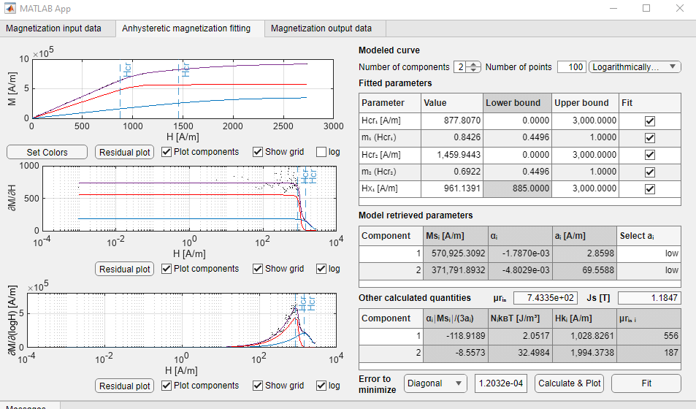
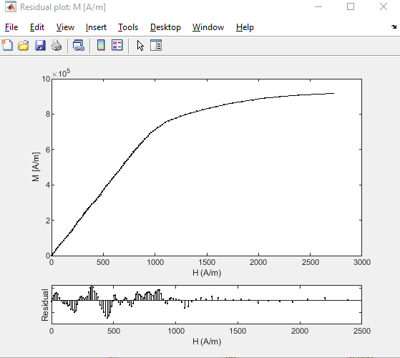
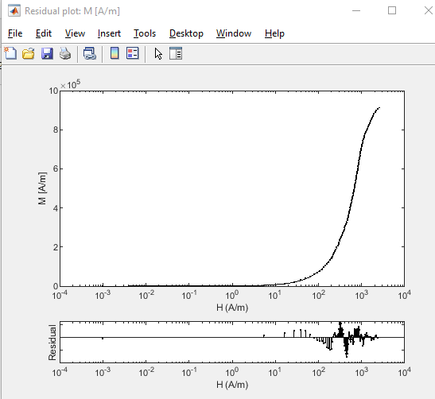
675C_78MPa | 'H_675C_3.5lbf_strip'

Hcr₁ [A/m] | 877.807
m₁ (Hcr₁) | 0.8426
Hcr₂ [A/m] | 1,459.94
m₂ (Hcr₂) | 0.6922
Hx₁ [A/m] | 961.1391

Component | Msi [A/m] | alphai | ai[A/m] | alphai |Msi|/(3ai) | NikBT [J/m^3] | Hki [A/m] | urin i | Kui [J/m^3]
1 | 570,925 | -1.8E-03 | 2.8598 | -118.9189 | 2.0517 | 1029 | 556 | 369.06
2 | 371,792 | -4.8E-03 | 69.5588 | -8.5573 | 32.4984 | 1994 | 187 | 465.89

Total
Js [T] | 1.18
urin | 743
Ku [J/m^3] | 835.0

