Analysis
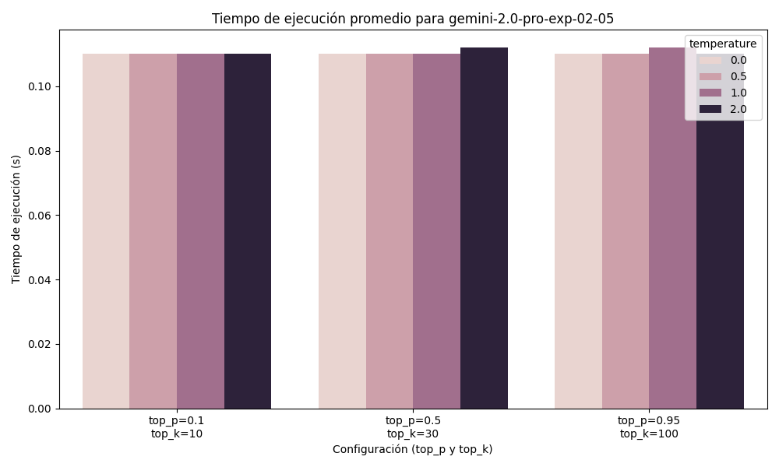
model | temperature | top_p | top_k | true_count | false_count | accuracy | execution_time | memory_usage_MB
gemini-2.0-flash | 0 | 0.1 | 10 | 6.4 | 0.2 | 0.97777777778 | 0.11 | 2.018
gemini-2.0-flash | 0 | 0.5 | 30 | 7 | 0 | 1 | 0.11 | 2.028
gemini-2.0-flash | 0 | 0.95 | 100 | 6.6 | 0.2 | 0.98 | 0.11 | 2.012
gemini-2.0-flash | 0.5 | 0.1 | 10 | 6.4 | 0.2 | 0.97777777778 | 0.12 | 2.026
gemini-2.0-flash | 0.5 | 0.5 | 30 | 6.4 | 0.2 | 0.97777777778 | 0.11 | 2.018
gemini-2.0-flash | 0.5 | 0.95 | 100 | 5.6 | 0.2 | 0.97777777778 | 0.11 | 2.024
gemini-2.0-flash | 1 | 0.1 | 10 | 6.6 | 0 | 1 | 0.11 | 2.024
gemini-2.0-flash | 1 | 0.5 | 30 | 7 | 0 | 1 | 0.11 | 2.024
gemini-2.0-flash | 1 | 0.95 | 100 | 5.4 | 0 | 1 | 0.11 | 2.014
gemini-2.0-flash | 2 | 0.1 | 10 | 7.4 | 0.2 | 0.98571428571 | 0.112 | 2.022
gemini-2.0-flash | 2 | 0.5 | 30 | 6.2 | 0 | 1 | 0.11 | 2.016
gemini-2.0-flash | 2 | 0.95 | 100 | 4 | 0 | 1 | 0.11 | 2.028
gemini-2.0-flash-lite | 0 | 0.1 | 10 | 8.2 | 0.2 | 0.97777777778 | 0.116 | 2.018
gemini-2.0-flash-lite | 0 | 0.5 | 30 | 8.2 | 0.2 | 0.97777777778 | 0.11 | 2.024
gemini-2.0-flash-lite | 0 | 0.95 | 100 | 8.2 | 0.2 | 0.97777777778 | 0.11 | 2.028
gemini-2.0-flash-lite | 0.5 | 0.1 | 10 | 8.2 | 0.4 | 0.96444444444 | 0.11 | 2.022
gemini-2.0-flash-lite | 0.5 | 0.5 | 30 | 7.8 | 0.6 | 0.94700854701 | 0.11 | 2.018
gemini-2.0-flash-lite | 0.5 | 0.95 | 100 | 8.8 | 0.8 | 0.93333333333 | 0.11 | 2.024
gemini-2.0-flash-lite | 1 | 0.1 | 10 | 8.4 | 0.2 | 0.975 | 0.11 | 2.026
gemini-2.0-flash-lite | 1 | 0.5 | 30 | 8.8 | 0.2 | 0.98823529412 | 0.114 | 2.032
gemini-2.0-flash-lite | 1 | 0.95 | 100 | 7.2 | 0.8 | 0.85104895105 | 0.11 | 2.024
gemini-2.0-flash-lite | 2 | 0.1 | 10 | 8.2 | 0.2 | 0.97777777778 | 0.112 | 2.022
gemini-2.0-flash-lite | 2 | 0.5 | 30 | 8.6 | 0.2 | 0.975 | 0.11 | 2.024
gemini-2.0-flash-lite | 2 | 0.95 | 100 | 8.2 | 0.4 | 0.97777777778 | 0.11 | 2.034
gemini-2.0-pro-exp-02-05 | 0 | 0.1 | 10 | 6.2 | 0 | 1 | 0.11 | 2.018
gemini-2.0-pro-exp-02-05 | 0 | 0.5 | 30 | 6.4 | 0 | 1 | 0.11 | 2.026
gemini-2.0-pro-exp-02-05 | 0 | 0.95 | 100 | 5.6 | 0 | 1 | 0.11 | 2.02
gemini-2.0-pro-exp-02-05 | 0.5 | 0.1 | 10 | 6.4 | 0 | 1 | 0.11 | 2.022
gemini-2.0-pro-exp-02-05 | 0.5 | 0.5 | 30 | 5.6 | 0 | 1 | 0.11 | 2.022
gemini-2.0-pro-exp-02-05 | 0.5 | 0.95 | 100 | 5.4 | 0 | 1 | 0.11 | 2.016
gemini-2.0-pro-exp-02-05 | 1 | 0.1 | 10 | 6.4 | 0 | 1 | 0.11 | 2.018
gemini-2.0-pro-exp-02-05 | 1 | 0.5 | 30 | 5.8 | 0 | 1 | 0.11 | 2.024
gemini-2.0-pro-exp-02-05 | 1 | 0.95 | 100 | 6 | 0 | 1 | 0.112 | 2.032
gemini-2.0-pro-exp-02-05 | 2 | 0.1 | 10 | 6.4 | 0 | 1 | 0.11 | 2.04
gemini-2.0-pro-exp-02-05 | 2 | 0.5 | 30 | 5.8 | 0 | 1 | 0.112 | 2.022
gemini-2.0-pro-exp-02-05 | 2 | 0.95 | 100 | 5.2 | 0 | 1 | 0.11 | 2.032

Gráfico de Accuracy para gemini-2.0-flash
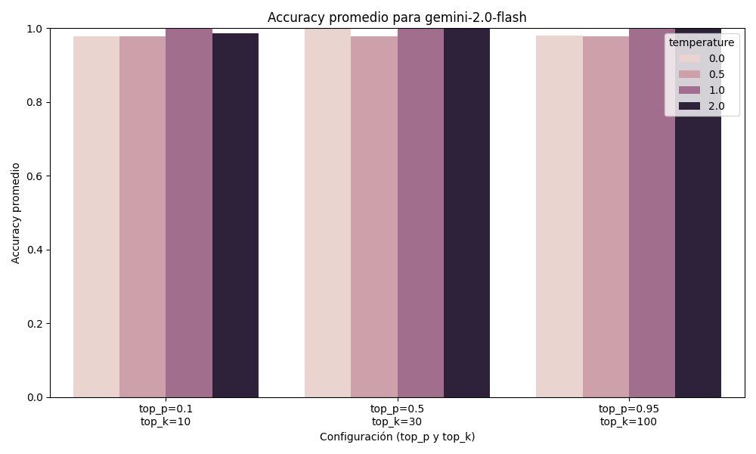

Gráfico de Tiempo de Ejecución para gemini-2.0-flash
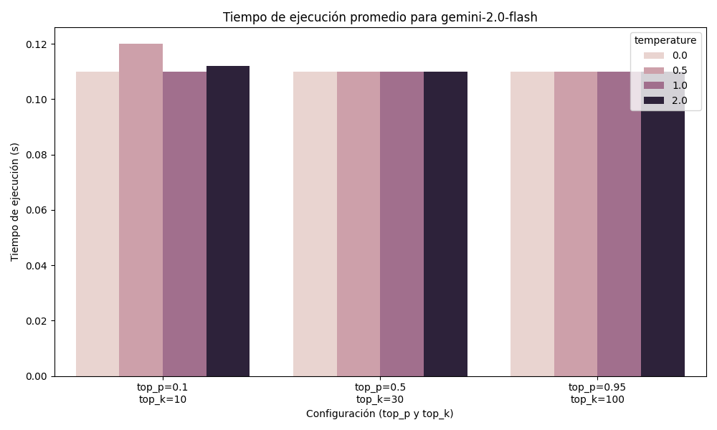

Gráfico de Accuracy para gemini-2.0-flash-lite
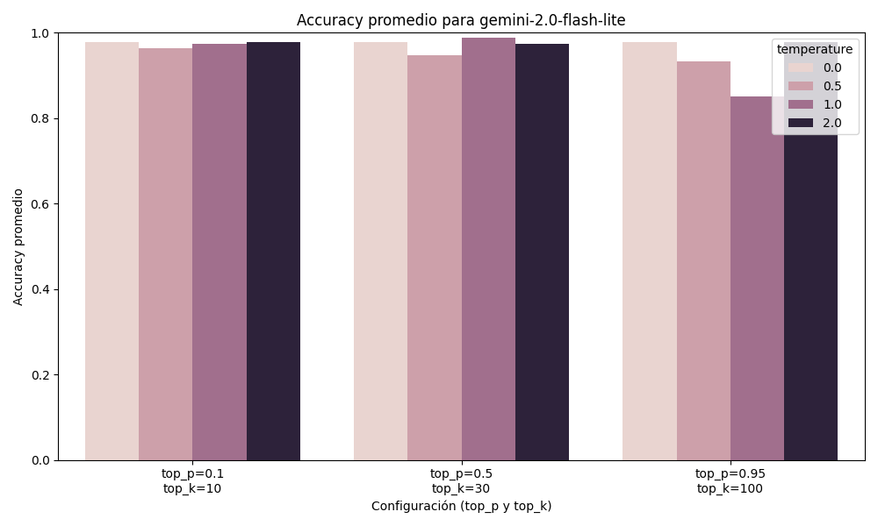

Gráfico de Tiempo de Ejecución para gemini-2.0-flash-lite
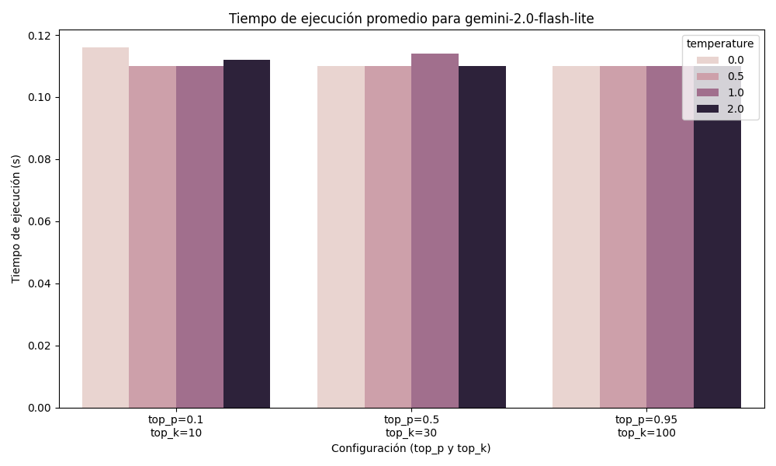

Gráfico de Accuracy para gemini-2.0-pro-exp-02-05


Gráfico de Tiempo de Ejecución para gemini-2.0-pro-exp-02-05

