Graphs
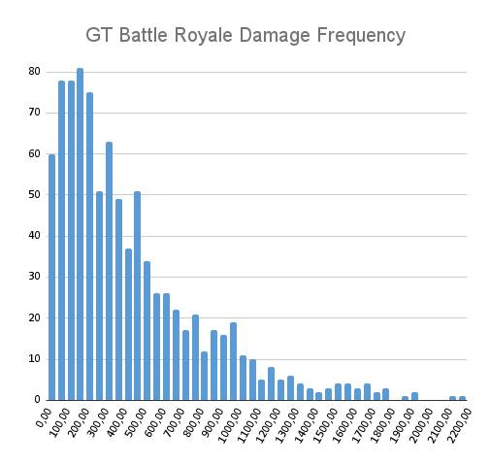
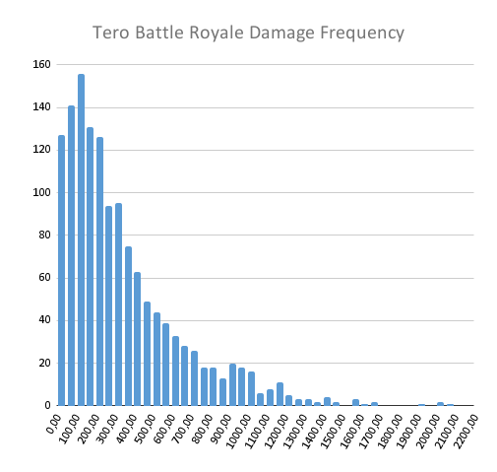
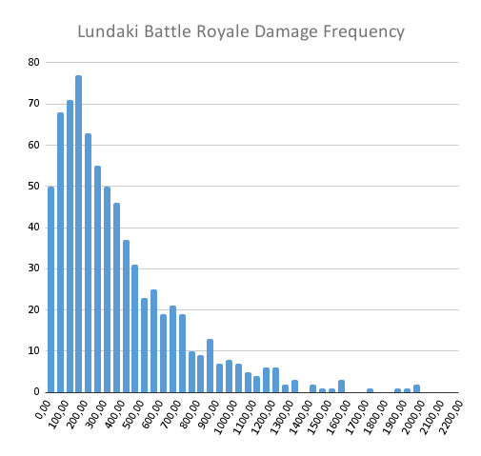
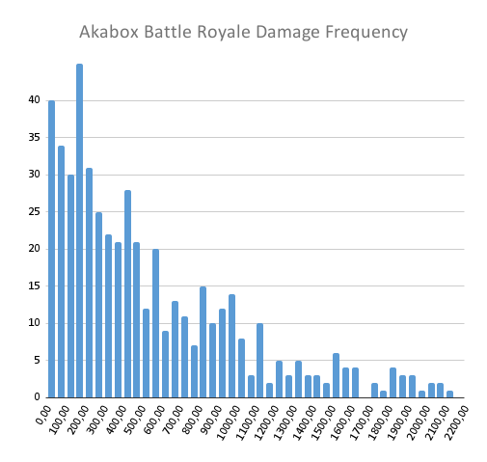
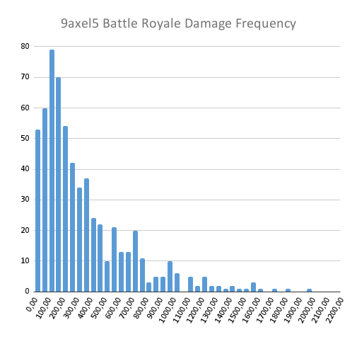
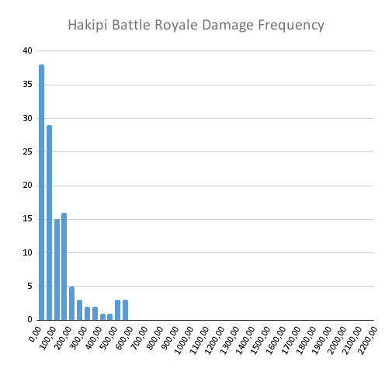

GT Battle Royale Damage Over Time
 | 224
 | 33
 | 199
 | 75
 | 0
 | 361
 | 571
 | 238
 | 736
 | 226
 | 321
 | 334
 | 38
 | 243
 | 56
 | 72
 | 217
 | 269
 | 506
 | 154
 | 63
 | 0
 | 286
 | 204
 | 286
 | 181
 | 389
 | 238
 | 303
 | 46
 | 475
 | 291
 | 597
 | 216
 | 70
 | 475
 | 95
...
Tero Battle Royale Damage Over Time
 | 632
 | 440
 | 498
 | 37
 | 281
 | 99
 | 339
 | 273
 | 357
 | 257
 | 394
 | 250
 | 317
 | 242
 | 265
 | 111
 | 0
 | 228
 | 129
 | 81
 | 446
 | 60
 | 849
 | 300
 | 101
 | 129
 | 188
 | 141
 | 207
 | 951
 | 249
 | 187
 | 104
 | 68
 | 38
 | 247
 | 168
 | 354
 | 492
 | 141
 | 33
 | 654
 | 77
 | 365
 | 67
 | 68
...
Lundaki Battle Royale Damage Over Time
 | 399
 | 781
 | 285
 | 172
 | 152
 | 964
 | 487
 | 305
 | 264
 | 664
 | 11
 | 165
 | 32
 | 460
 | 47
 | 358
 | 59
 | 739
 | 253
 | 246
 | 688
 | 463
 | 104
 | 174
 | 212
 | 153
 | 227
 | 100
 | 391
 | 136
 | 727
...
Akabox Battle Royale Damage Over Time
 | 208
 | 590
 | 766
...
9axel5 Battle Royale Damage Over Time
...
Hakipi Battle Royale Damage Over Time
 | 172
 | 523
 | 50
 | 74
 | 186
 | 108
 | 21
 | 417
...

