Expenses Apr 2025
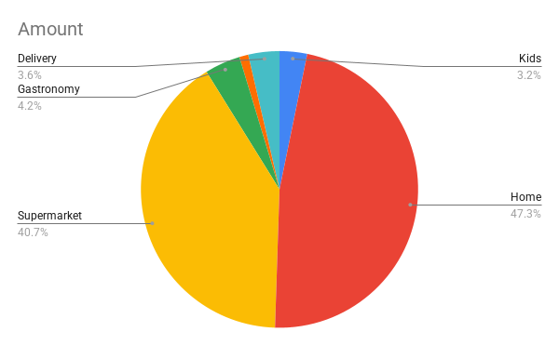
Month | Date | Concept | Payment Method | Category | Amount | Currency | Total in ARS
April | 4/2/2025 | Pasaje Cordoba Rafaela | Credit Card | Kids | 24,750.00 | ARS | $770,022.00
April | 4/2/2025 | Mercadolibre | Credit Card | Home | 45,000.00 | ARS
April | 4/2/2025 | Supermarket Daily | Credit Card | Supermarket | 5,500.00 | ARS
April | 4/2/2025 | Pedidos Ya | Credit Card | Gastronomy | 32,000.00 | ARS
April | 4/2/2025 | Mercadolibre | Credit Card | Home | 60,641.00 | ARS
April | 4/2/2025 | Mercadolibre | Credit Card | Home | 66,582.00 | ARS
April | 4/2/2025 | Supermarket Daily | Credit Card | Supermarket | 17,000.00 | ARS
April | 4/5/2025 | Supermarket Daily | Credit Card | Supermarket | 14,000.00 | ARS
April | 4/5/2025 | Green groceries | Credit Card | Green Grocery | 8,000.00 | ARS
April | 4/5/2025 | Eggs Supermarket Daily | Credit Card | Supermarket | 11,000.00 | ARS
April | 4/5/2025 | Supermarket Daily | Credit Card | Supermarket | 10,549.00 | ARS
April | 4/5/2025 | Supermarket Daily | Credit Card | Supermarket | 75,000.00 | ARS
April | 4/5/2025 | Supermarket Daily | Credit Card | Supermarket | 45,000.00 | ARS
April | 4/5/2025 | Supermarket Daily | Credit Card | Supermarket | 10,000.00 | ARS
April | 4/5/2025 | Pedidos Ya | Credit Card | Delivery | 28,000.00 | ARS
April | 4/2/2025 | Mercadolibre | Credit Card | Home | 47,000.00 | ARS
April | 4/2/2025 | Mercadolibre | Credit Card | Home | 145,000.00 | ARS
April | 4/2/2025 | Mercadolibre | Credit Card | Supermarket | 125,000.00 | ARS

