BeforeAddingMetaDataFeatures
10 fold cross validation : Confusion Matrix

K-NN Classifier

# 1 |  |  | %age
 | Bug | No Bug | Bug | No Bug
Bug | 438 | 560 | 43.89 | 56.11
No Bug | 296 | 705 | 29.57 | 70.43

SVM Classifier

# 1 |  |  | %age
 | Bug | No Bug | Bug | No Bug
Bug | 535 | 463 | 53.61 | 46.39
No Bug | 288 | 713 | 28.77 | 71.23

Ramdom Florest Classifier

# 1 |  |  | # 2 |  |  | # 3 |  |  | # 4 |  |  | # 5 |  |  | On Average
 | Bug | No Bug |  | Bug | No Bug |  | Bug | No Bug |  | Bug | No Bug |  | Bug | No Bug |  | Bug | No Bug
Bug | 615 | 383 | Bug | 598 | 400 | Bug | 597 | 401 | Bug | 610 | 388 | Bug | 602 | 396 | Bug | 60.56 ± 0.78 | 39.44 ± 0.78
No Bug | 329 | 672 | No Bug | 310 | 691 | No Bug | 324 | 677 | No Bug | 325 | 676 | No Bug | 331 | 670 | No Bug | 32.35 ± 0.82 | 67.65 ± 0.82
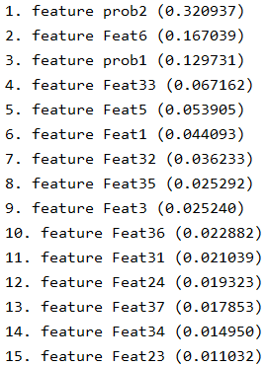
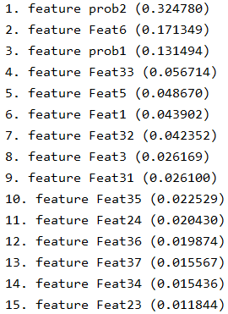
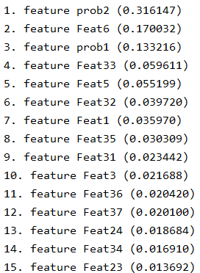
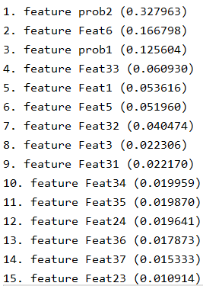
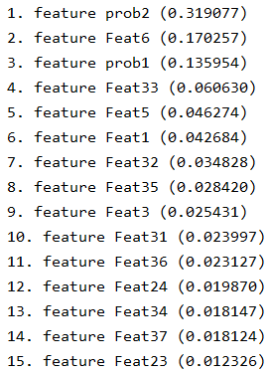
 |  |  |  |  |  |  |  |  |  |  |  |  |  |  |  | `

AfterAddingMetaDataFeatures
10 fold cross validation : Confusion Matrix

K-NN Classifier

# 1 |  |  | %age
 | Bug | No Bug | Bug | No Bug
Bug | 915 | 285 | 76.25 | 23.75
No Bug | 109 | 1087 | 9.11 | 90.89

SVM Classifier

# 1 |  |  | %age
 | Bug | No Bug | Bug | No Bug
Bug | 926 | 274 | 77.17 | 22.83
No Bug | 27 | 1169 | 2.26 | 97.74

Ramdom Florest Classifier

# 1 |  |  | # 2 |  |  | # 3 |  |  | # 4 |  |  | # 5 |  |  | On Average
 | Bug | No Bug |  | Bug | No Bug |  | Bug | No Bug |  | Bug | No Bug |  | Bug | No Bug |  | Bug | No Bug
Bug | 1110 | 90 | Bug | 1106 | 94 | Bug | 1118 | 82 | Bug | 1121 | 79 | Bug | 1109 | 91 | Bug | 92.73 ± 0.53 | 7.26 ± 0.53
No Bug | 19 | 1177 | No Bug | 33 | 1163 | No Bug | 22 | 1174 | No Bug | 26 | 1170 | No Bug | 31 | 1165 | No Bug | 2.19 ± 0.49 | 97.81 ± 0.49

                                

