Sheet2
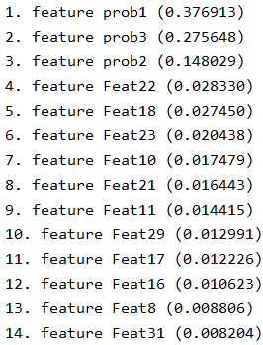
10 fold cross validation : Confusion Matrix

K-NN Classifier

# 1 |  |  | %age
 | Bug | No Bug | Bug | No Bug
Bug | 1733 | 267 | 86.65 | 13.35
No Bug | 482 | 1518 | 24.1 | 75.9

SVM Classifier

# 1 |  |  | %age
 | Bug | No Bug | Bug | No Bug
Bug | 1497 | 503 | 74.85 | 25.15
No Bug | 260 | 1740 | 13 | 87

Ramdom Florest Classifier

# 1 |  |  | # 2 |  |  | # 3 |  |  | # 4 |  |  | # 5 |  |  | On Average (%)
 | Bug | No Bug |  | Bug | No Bug |  | Bug | No Bug |  | Bug | No Bug |  | Bug | No Bug |  | Bug | No Bug
Bug | 1703 | 297 | Bug | 1712 | 288 | Bug | 1704 | 296 | Bug | 1707 | 293 | Bug | 1705 | 295 | Bug | 85.31 ± 0.18 | 14.69 ± 0.18
No Bug | 103 | 1897 | No Bug | 98 | 1902 | No Bug | 85 | 1915 | No Bug | 95 | 1905 | No Bug | 86 | 1914 | No Bug | 5.27 ± 1.63 | 95.33 ± 0.39

                                

