bdx
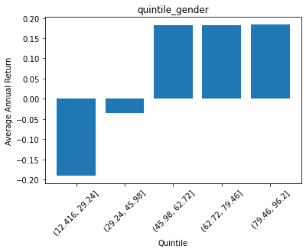
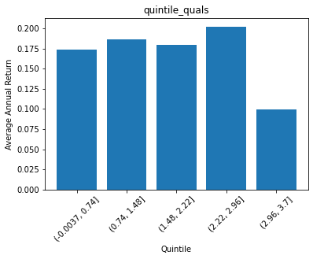
 | quintile_gender | ANN_RETURN
0 | (12.416, 29.24] | -0.18976689282
1 | (29.24, 45.98] | -0.034904720969
2 | (45.98, 62.72] | 0.18151766484
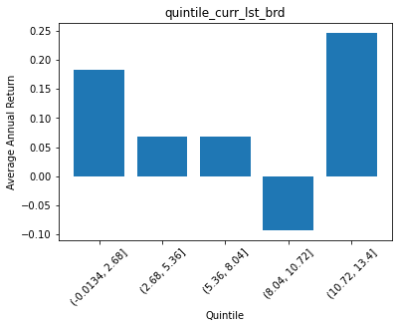
3 | (62.72, 79.46] | 0.18240539946
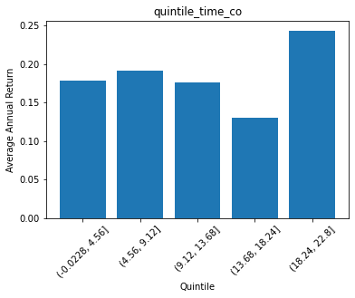
4 | (79.46, 96.2] | 0.18391665416

 | quintile_nationality | ANN_RETURN
0 | (0.0992, 0.26] | 0.16227862485
1 | (0.26, 0.42] | 0.1989436933
2 | (0.42, 0.58] | 0.19995792965
3 | (0.58, 0.74] | 0.16815894059
4 | (0.74, 0.9] | 0.088368781911

 | quintile_quals | ANN_RETURN
0 | (-0.0037, 0.74] | 0.17346711295
1 | (0.74, 1.48] | 0.18633221566
2 | (1.48, 2.22] | 0.1798962146
3 | (2.22, 2.96] | 0.20268690125
4 | (2.96, 3.7] | 0.099123238901

 | quintile_age | ANN_RETURN
0 | (0.785, 3.9] | 0.17200870674
1 | (3.9, 7.0] | 0.19348955485
2 | (7.0, 10.1] | 0.18335309942
3 | (10.1, 13.2] | 0.1423456568
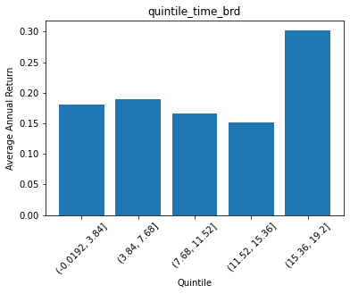
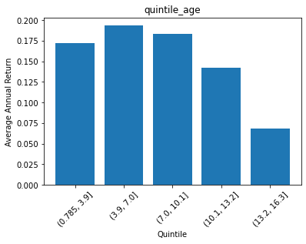
4 | (13.2, 16.3] | 0.068098407244

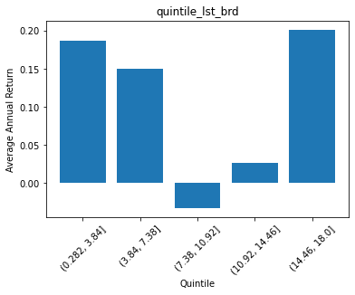
 | quintile_time_brd | ANN_RETURN
0 | (-0.0192, 3.84] | 0.18069560035
1 | (3.84, 7.68] | 0.19009996294
2 | (7.68, 11.52] | 0.16664706244
3 | (11.52, 15.36] | 0.15143345676
4 | (15.36, 19.2] | 0.30276889309

 | quintile_time_co | ANN_RETURN
0 | (-0.0228, 4.56] | 0.17823292642
1 | (4.56, 9.12] | 0.19099490648
2 | (9.12, 13.68] | 0.17666796842
3 | (13.68, 18.24] | 0.13070894543
4 | (18.24, 22.8] | 0.2439015142

 | quintile_lst_brd | ANN_RETURN
0 | (0.282, 3.84] | 0.18646776403
1 | (3.84, 7.38] | 0.15008309329
2 | (7.38, 10.92] | -0.033138686869
3 | (10.92, 14.46] | 0.026157655668
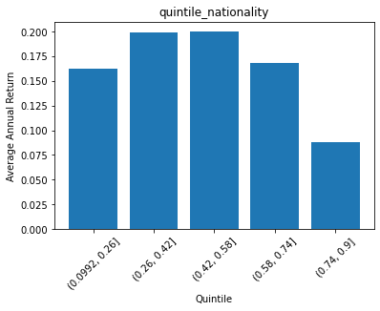
4 | (14.46, 18.0] | 0.20165387936

 | quintile_curr_lst_brd | ANN_RETURN
0 | (-0.0134, 2.68] | 0.18371563788
1 | (2.68, 5.36] | 0.06881899078
2 | (5.36, 8.04] | 0.067498667103
3 | (8.04, 10.72] | -0.092363733235
4 | (10.72, 13.4] | 0.24641532571

