bdx_sector
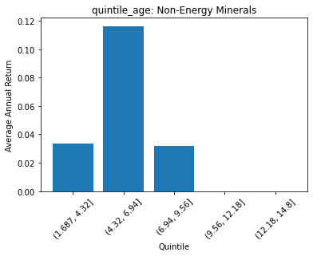
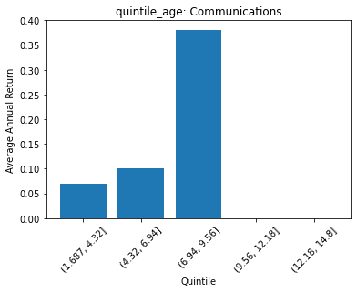
 | FACTSET_SECTOR_DESC | quintile_age | count | ANN_RETURN
0 | Non-Energy Minerals | (1.687, 4.32] | 1 | 0.033507929754
1 | Non-Energy Minerals | (4.32, 6.94] | 30 | 0.11636766032
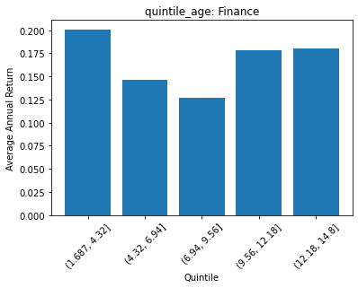
2 | Non-Energy Minerals | (6.94, 9.56] | 7 | 0.032029924293
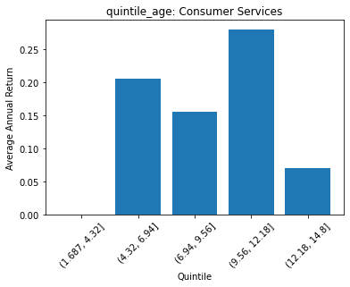
3 | Non-Energy Minerals | (9.56, 12.18] | 0 | 0
4 | Non-Energy Minerals | (12.18, 14.8] | 0 | 0
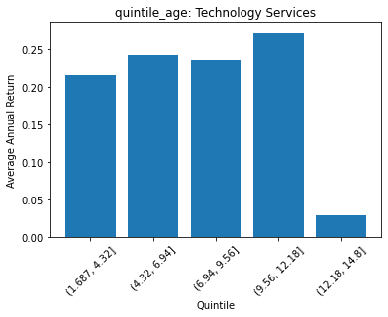
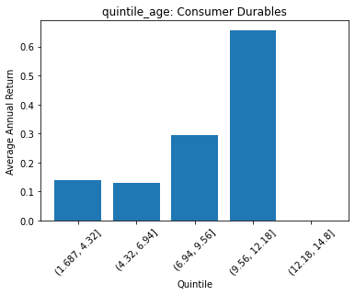
 | FACTSET_SECTOR_DESC | quintile_age | count | ANN_RETURN
0 | Producer Manufacturing | (1.687, 4.32] | 13 | 0.15752484503
1 | Producer Manufacturing | (4.32, 6.94] | 167 | 0.20503150683
2 | Producer Manufacturing | (6.94, 9.56] | 51 | 0.13597986557
3 | Producer Manufacturing | (9.56, 12.18] | 8 | 0.042438665375
4 | Producer Manufacturing | (12.18, 14.8] | 0 | 0

 | FACTSET_SECTOR_DESC | quintile_age | count | ANN_RETURN
0 | Electronic Technology | (1.687, 4.32] | 6 | 0.49877982617
1 | Electronic Technology | (4.32, 6.94] | 84 | 0.2929138158
2 | Electronic Technology | (6.94, 9.56] | 102 | 0.26989394743
3 | Electronic Technology | (9.56, 12.18] | 38 | 0.24649064453
4 | Electronic Technology | (12.18, 14.8] | 1 | 0.55753597629

 | FACTSET_SECTOR_DESC | quintile_age | count | ANN_RETURN
0 | Consumer Durables | (1.687, 4.32] | 9 | 0.13919755631
1 | Consumer Durables | (4.32, 6.94] | 44 | 0.1298780128
2 | Consumer Durables | (6.94, 9.56] | 56 | 0.29339180865
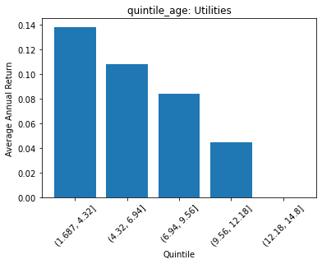
3 | Consumer Durables | (9.56, 12.18] | 4 | 0.65680587669
4 | Consumer Durables | (12.18, 14.8] | 0 | 0
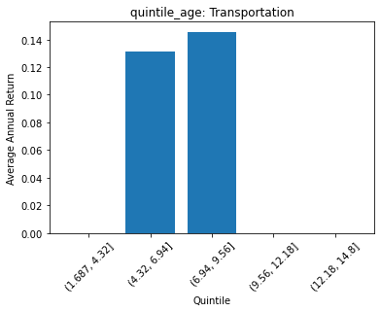
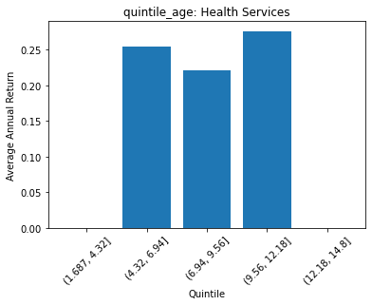
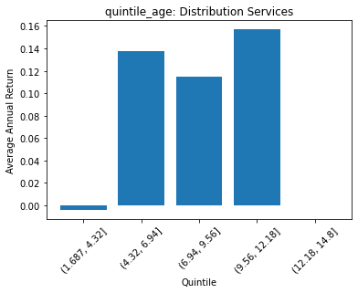
 | FACTSET_SECTOR_DESC | quintile_age | count | ANN_RETURN
0 | Energy Minerals | (1.687, 4.32] | 14 | -0.095573628391
1 | Energy Minerals | (4.32, 6.94] | 54 | 0.10334956764
2 | Energy Minerals | (6.94, 9.56] | 13 | -0.033108452527
3 | Energy Minerals | (9.56, 12.18] | 1 | 0.67715391556
4 | Energy Minerals | (12.18, 14.8] | 0 | 0

 | FACTSET_SECTOR_DESC | quintile_age | count | ANN_RETURN
0 | Process Industries | (1.687, 4.32] | 4 | 0.097198887299
1 | Process Industries | (4.32, 6.94] | 105 | 0.15009499607
2 | Process Industries | (6.94, 9.56] | 44 | 0.13926420139
3 | Process Industries | (9.56, 12.18] | 0 | 0
4 | Process Industries | (12.18, 14.8] | 0 | 0

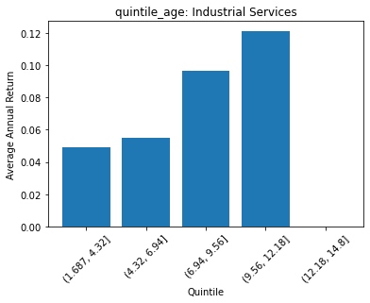
 | FACTSET_SECTOR_DESC | quintile_age | count | ANN_RETURN
0 | Health Technology | (1.687, 4.32] | 26 | 0.10407241391
1 | Health Technology | (4.32, 6.94] | 131 | 0.19503374323
2 | Health Technology | (6.94, 9.56] | 103 | 0.21844292249
3 | Health Technology | (9.56, 12.18] | 26 | 0.24798216891
4 | Health Technology | (12.18, 14.8] | 0 | 0
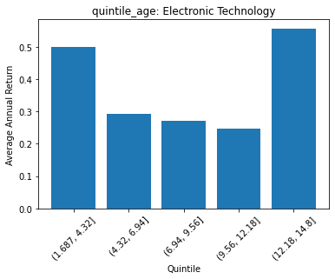
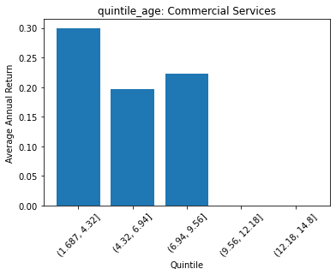
 | FACTSET_SECTOR_DESC | quintile_age | count | ANN_RETURN
0 | Consumer Non-Durables | (1.687, 4.32] | 14 | 0.09649815511
1 | Consumer Non-Durables | (4.32, 6.94] | 99 | 0.11712257645
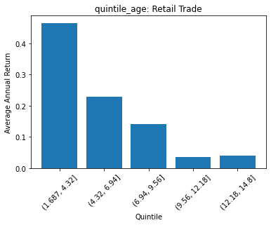
2 | Consumer Non-Durables | (6.94, 9.56] | 111 | 0.096213200373
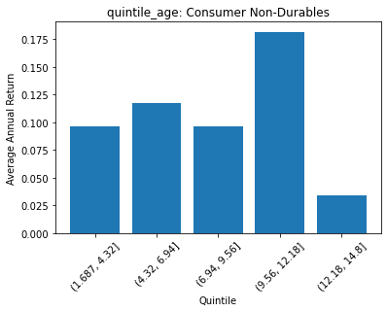
3 | Consumer Non-Durables | (9.56, 12.18] | 37 | 0.18161201154
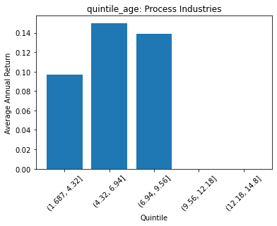
4 | Consumer Non-Durables | (12.18, 14.8] | 1 | 0.033765249193

 | FACTSET_SECTOR_DESC | quintile_age | count | ANN_RETURN
0 | Industrial Services | (1.687, 4.32] | 3 | 0.049384717544
1 | Industrial Services | (4.32, 6.94] | 57 | 0.054929953186
2 | Industrial Services | (6.94, 9.56] | 17 | 0.096777512818
3 | Industrial Services | (9.56, 12.18] | 5 | 0.12150703792
4 | Industrial Services | (12.18, 14.8] | 0 | 0

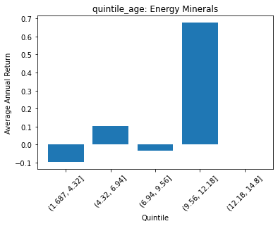
 | FACTSET_SECTOR_DESC | quintile_age | count | ANN_RETURN
0 | Commercial Services | (1.687, 4.32] | 9 | 0.29988370608
1 | Commercial Services | (4.32, 6.94] | 54 | 0.19663794072
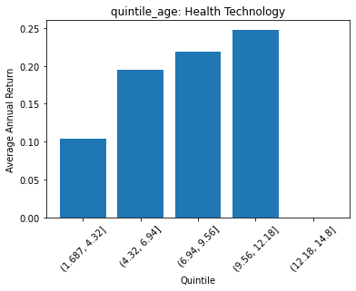
2 | Commercial Services | (6.94, 9.56] | 22 | 0.22296389835
3 | Commercial Services | (9.56, 12.18] | 0 | 0
4 | Commercial Services | (12.18, 14.8] | 0 | 0

 | FACTSET_SECTOR_DESC | quintile_age | count | ANN_RETURN
0 | Distribution Services | (1.687, 4.32] | 3 | -0.0041232265694
1 | Distribution Services | (4.32, 6.94] | 34 | 0.13787213227
2 | Distribution Services | (6.94, 9.56] | 10 | 0.11505156263
3 | Distribution Services | (9.56, 12.18] | 6 | 0.15703573742
4 | Distribution Services | (12.18, 14.8] | 0 | 0

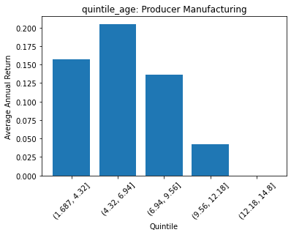
 | FACTSET_SECTOR_DESC | quintile_age | count | ANN_RETURN
0 | Technology Services | (1.687, 4.32] | 34 | 0.21648431337
1 | Technology Services | (4.32, 6.94] | 106 | 0.24268535977
2 | Technology Services | (6.94, 9.56] | 97 | 0.23586031516
3 | Technology Services | (9.56, 12.18] | 31 | 0.27327222974
4 | Technology Services | (12.18, 14.8] | 4 | 0.02833263368

 | FACTSET_SECTOR_DESC | quintile_age | count | ANN_RETURN
0 | Health Services | (1.687, 4.32] | 0 | 0
1 | Health Services | (4.32, 6.94] | 21 | 0.25372692441
2 | Health Services | (6.94, 9.56] | 29 | 0.22014104535
3 | Health Services | (9.56, 12.18] | 5 | 0.2759402879
4 | Health Services | (12.18, 14.8] | 0 | 0

 | FACTSET_SECTOR_DESC | quintile_age | count | ANN_RETURN
0 | Consumer Services | (1.687, 4.32] | 0 | 0
1 | Consumer Services | (4.32, 6.94] | 40 | 0.20562075306
2 | Consumer Services | (6.94, 9.56] | 61 | 0.15563525334
3 | Consumer Services | (9.56, 12.18] | 37 | 0.28046586857
4 | Consumer Services | (12.18, 14.8] | 33 | 0.070644347912

 | FACTSET_SECTOR_DESC | quintile_age | count | ANN_RETURN
0 | Retail Trade | (1.687, 4.32] | 15 | 0.4659523263
1 | Retail Trade | (4.32, 6.94] | 62 | 0.2282571495
2 | Retail Trade | (6.94, 9.56] | 41 | 0.14131526056
3 | Retail Trade | (9.56, 12.18] | 14 | 0.035500070475
4 | Retail Trade | (12.18, 14.8] | 6 | 0.040144785793

 | FACTSET_SECTOR_DESC | quintile_age | count | ANN_RETURN
0 | Transportation | (1.687, 4.32] | 0 | 0
1 | Transportation | (4.32, 6.94] | 20 | 0.13109817673
2 | Transportation | (6.94, 9.56] | 24 | 0.14563194706
3 | Transportation | (9.56, 12.18] | 0 | 0
4 | Transportation | (12.18, 14.8] | 0 | 0

 | FACTSET_SECTOR_DESC | quintile_age | count | ANN_RETURN
0 | Utilities | (1.687, 4.32] | 6 | 0.13838546267
1 | Utilities | (4.32, 6.94] | 79 | 0.10832437876
2 | Utilities | (6.94, 9.56] | 27 | 0.083799402992
3 | Utilities | (9.56, 12.18] | 1 | 0.044627460836
4 | Utilities | (12.18, 14.8] | 0 | 0

 | FACTSET_SECTOR_DESC | quintile_age | count | ANN_RETURN
0 | Finance | (1.687, 4.32] | 29 | 0.20110439348
1 | Finance | (4.32, 6.94] | 234 | 0.14674332482
2 | Finance | (6.94, 9.56] | 128 | 0.12657459658
3 | Finance | (9.56, 12.18] | 32 | 0.17868000829
4 | Finance | (12.18, 14.8] | 15 | 0.18052255805

 | FACTSET_SECTOR_DESC | quintile_age | count | ANN_RETURN
0 | Communications | (1.687, 4.32] | 2 | 0.068741035368
1 | Communications | (4.32, 6.94] | 14 | 0.10022276097
2 | Communications | (6.94, 9.56] | 7 | 0.38103159072
3 | Communications | (9.56, 12.18] | 0 | 0
4 | Communications | (12.18, 14.8] | 0 | 0

