bdx_sector
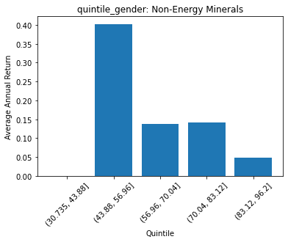
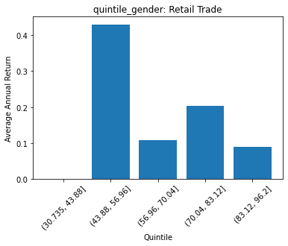
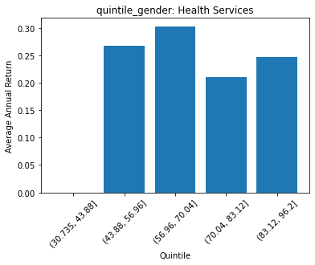
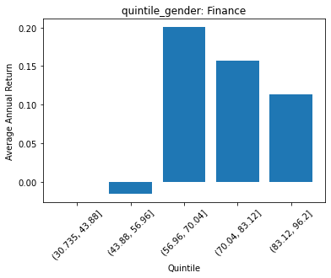
 | FACTSET_SECTOR_DESC | quintile_gender | count | ANN_RETURN
0 | Non-Energy Minerals | (30.735, 43.88] | 0 | 0
1 | Non-Energy Minerals | (43.88, 56.96] | 1 | 0.40282749509
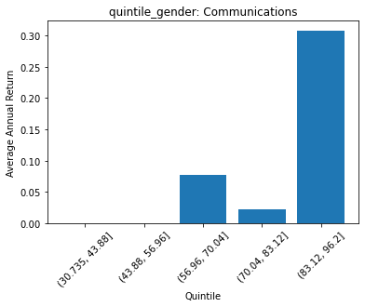
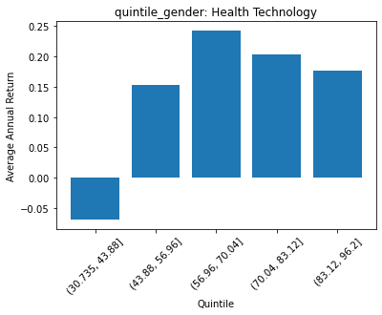
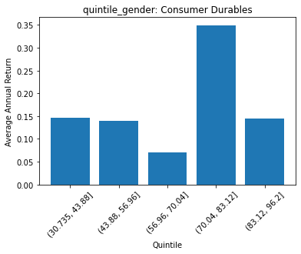
2 | Non-Energy Minerals | (56.96, 70.04] | 9 | 0.13805270797
3 | Non-Energy Minerals | (70.04, 83.12] | 8 | 0.14158893936
4 | Non-Energy Minerals | (83.12, 96.2] | 20 | 0.048536691375

 | FACTSET_SECTOR_DESC | quintile_gender | count | ANN_RETURN
0 | Producer Manufacturing | (30.735, 43.88] | 0 | 0
1 | Producer Manufacturing | (43.88, 56.96] | 0 | 0
2 | Producer Manufacturing | (56.96, 70.04] | 18 | 0.22261503693
3 | Producer Manufacturing | (70.04, 83.12] | 105 | 0.15940715752
4 | Producer Manufacturing | (83.12, 96.2] | 116 | 0.19670469733

 | FACTSET_SECTOR_DESC | quintile_gender | count | ANN_RETURN
0 | Electronic Technology | (30.735, 43.88] | 0 | 0
1 | Electronic Technology | (43.88, 56.96] | 4 | 0.087198379224
2 | Electronic Technology | (56.96, 70.04] | 39 | 0.30320621762
3 | Electronic Technology | (70.04, 83.12] | 88 | 0.3209066305
4 | Electronic Technology | (83.12, 96.2] | 100 | 0.24637183102

 | FACTSET_SECTOR_DESC | quintile_gender | count | ANN_RETURN
0 | Consumer Durables | (30.735, 43.88] | 2 | 0.14610063302
1 | Consumer Durables | (43.88, 56.96] | 4 | 0.13927525519
2 | Consumer Durables | (56.96, 70.04] | 16 | 0.070332161391
3 | Consumer Durables | (70.04, 83.12] | 53 | 0.34972454643
4 | Consumer Durables | (83.12, 96.2] | 38 | 0.14511993504

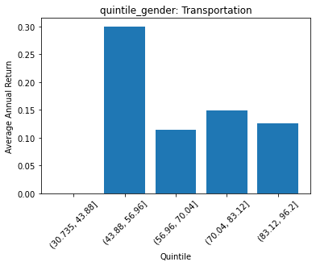
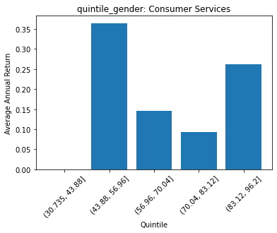
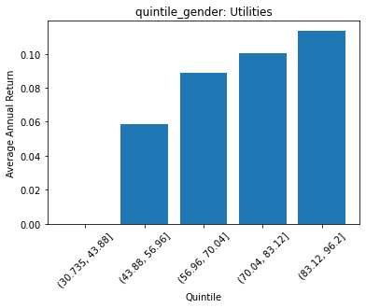
 | FACTSET_SECTOR_DESC | quintile_gender | count | ANN_RETURN
0 | Energy Minerals | (30.735, 43.88] | 0 | 0
1 | Energy Minerals | (43.88, 56.96] | 0 | 0
2 | Energy Minerals | (56.96, 70.04] | 10 | 0.25706645067
3 | Energy Minerals | (70.04, 83.12] | 33 | 0.0036912620981
4 | Energy Minerals | (83.12, 96.2] | 39 | 0.046079839284

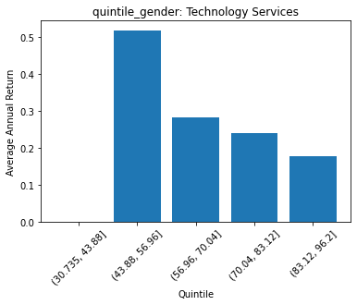
 | FACTSET_SECTOR_DESC | quintile_gender | count | ANN_RETURN
0 | Process Industries | (30.735, 43.88] | 0 | 0
1 | Process Industries | (43.88, 56.96] | 0 | 0
2 | Process Industries | (56.96, 70.04] | 21 | 0.17676918231
3 | Process Industries | (70.04, 83.12] | 93 | 0.14799894721
4 | Process Industries | (83.12, 96.2] | 39 | 0.12308564306

 | FACTSET_SECTOR_DESC | quintile_gender | count | ANN_RETURN
0 | Health Technology | (30.735, 43.88] | 2 | -0.068217138917
1 | Health Technology | (43.88, 56.96] | 1 | 0.15326419841
2 | Health Technology | (56.96, 70.04] | 60 | 0.24218807579
3 | Health Technology | (70.04, 83.12] | 128 | 0.20270684422
4 | Health Technology | (83.12, 96.2] | 95 | 0.17587231583

 | FACTSET_SECTOR_DESC | quintile_gender | count | ANN_RETURN
0 | Consumer Non-Durables | (30.735, 43.88] | 0 | 0
1 | Consumer Non-Durables | (43.88, 56.96] | 13 | 0.18786425299
2 | Consumer Non-Durables | (56.96, 70.04] | 91 | 0.080731546749
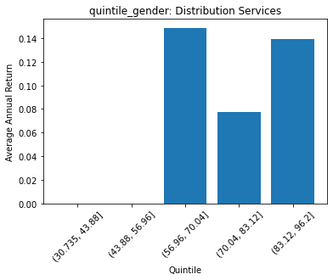
3 | Consumer Non-Durables | (70.04, 83.12] | 109 | 0.13014961074
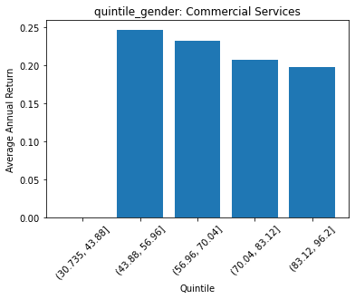
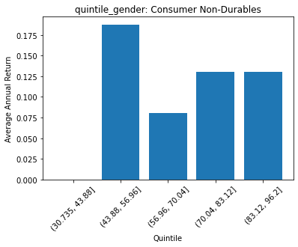
4 | Consumer Non-Durables | (83.12, 96.2] | 49 | 0.13069531723

 | FACTSET_SECTOR_DESC | quintile_gender | count | ANN_RETURN
0 | Industrial Services | (30.735, 43.88] | 0 | 0
1 | Industrial Services | (43.88, 56.96] | 0 | 0
2 | Industrial Services | (56.96, 70.04] | 14 | -0.011894330096
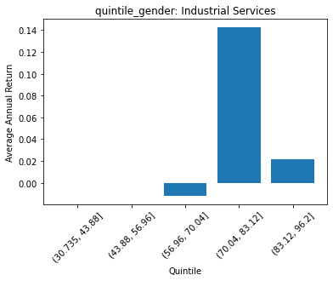
3 | Industrial Services | (70.04, 83.12] | 35 | 0.14252714448
4 | Industrial Services | (83.12, 96.2] | 33 | 0.021514695645

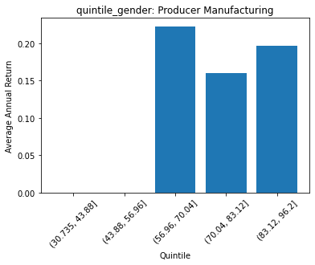
 | FACTSET_SECTOR_DESC | quintile_gender | count | ANN_RETURN
0 | Commercial Services | (30.735, 43.88] | 0 | 0
1 | Commercial Services | (43.88, 56.96] | 4 | 0.2465893497
2 | Commercial Services | (56.96, 70.04] | 27 | 0.23190266456
3 | Commercial Services | (70.04, 83.12] | 33 | 0.20727449076
4 | Commercial Services | (83.12, 96.2] | 21 | 0.19689620858

 | FACTSET_SECTOR_DESC | quintile_gender | count | ANN_RETURN
0 | Distribution Services | (30.735, 43.88] | 0 | 0
1 | Distribution Services | (43.88, 56.96] | 0 | 0
2 | Distribution Services | (56.96, 70.04] | 20 | 0.14902850475
3 | Distribution Services | (70.04, 83.12] | 13 | 0.077157068546
4 | Distribution Services | (83.12, 96.2] | 20 | 0.13922004411

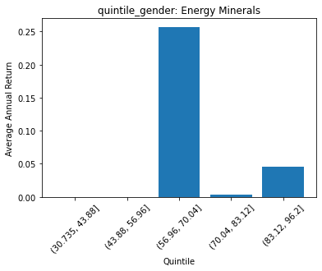
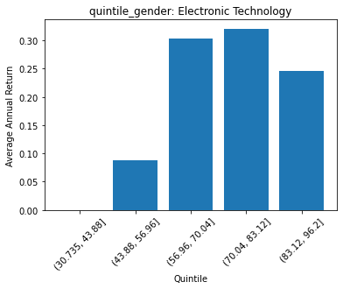
 | FACTSET_SECTOR_DESC | quintile_gender | count | ANN_RETURN
0 | Technology Services | (30.735, 43.88] | 0 | 0
1 | Technology Services | (43.88, 56.96] | 3 | 0.51927257148
2 | Technology Services | (56.96, 70.04] | 67 | 0.28348582089
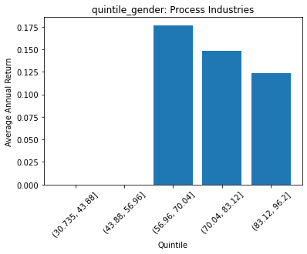
3 | Technology Services | (70.04, 83.12] | 128 | 0.24058655476
4 | Technology Services | (83.12, 96.2] | 74 | 0.17840389588

 | FACTSET_SECTOR_DESC | quintile_gender | count | ANN_RETURN
0 | Health Services | (30.735, 43.88] | 0 | 0
1 | Health Services | (43.88, 56.96] | 2 | 0.26685196592
2 | Health Services | (56.96, 70.04] | 9 | 0.30297413615
3 | Health Services | (70.04, 83.12] | 28 | 0.21039497353
4 | Health Services | (83.12, 96.2] | 16 | 0.24628292196

 | FACTSET_SECTOR_DESC | quintile_gender | count | ANN_RETURN
0 | Consumer Services | (30.735, 43.88] | 0 | 0
1 | Consumer Services | (43.88, 56.96] | 1 | 0.36495434359
2 | Consumer Services | (56.96, 70.04] | 26 | 0.14647244606
3 | Consumer Services | (70.04, 83.12] | 68 | 0.093391648023
4 | Consumer Services | (83.12, 96.2] | 76 | 0.26188435773

 | FACTSET_SECTOR_DESC | quintile_gender | count | ANN_RETURN
0 | Retail Trade | (30.735, 43.88] | 0 | 0
1 | Retail Trade | (43.88, 56.96] | 15 | 0.43091396631
2 | Retail Trade | (56.96, 70.04] | 29 | 0.10775637399
3 | Retail Trade | (70.04, 83.12] | 85 | 0.20337352495
4 | Retail Trade | (83.12, 96.2] | 9 | 0.088625509676

 | FACTSET_SECTOR_DESC | quintile_gender | count | ANN_RETURN
0 | Transportation | (30.735, 43.88] | 0 | 0
1 | Transportation | (43.88, 56.96] | 1 | 0.3001796926
2 | Transportation | (56.96, 70.04] | 6 | 0.11471832515
3 | Transportation | (70.04, 83.12] | 21 | 0.14819770988
4 | Transportation | (83.12, 96.2] | 16 | 0.12603054457

 | FACTSET_SECTOR_DESC | quintile_gender | count | ANN_RETURN
0 | Utilities | (30.735, 43.88] | 0 | 0
1 | Utilities | (43.88, 56.96] | 1 | 0.058880882931
2 | Utilities | (56.96, 70.04] | 18 | 0.08871067431
3 | Utilities | (70.04, 83.12] | 50 | 0.10064863493
4 | Utilities | (83.12, 96.2] | 44 | 0.11379648347

 | FACTSET_SECTOR_DESC | quintile_gender | count | ANN_RETURN
0 | Finance | (30.735, 43.88] | 0 | 0
1 | Finance | (43.88, 56.96] | 4 | -0.015103769966
2 | Finance | (56.96, 70.04] | 87 | 0.20061357917
3 | Finance | (70.04, 83.12] | 185 | 0.15720566269
4 | Finance | (83.12, 96.2] | 162 | 0.11309320069

 | FACTSET_SECTOR_DESC | quintile_gender | count | ANN_RETURN
0 | Communications | (30.735, 43.88] | 0 | 0
1 | Communications | (43.88, 56.96] | 0 | 0
2 | Communications | (56.96, 70.04] | 10 | 0.077067712672
3 | Communications | (70.04, 83.12] | 2 | 0.021167195673
4 | Communications | (83.12, 96.2] | 11 | 0.30861912194

