bdx_sector
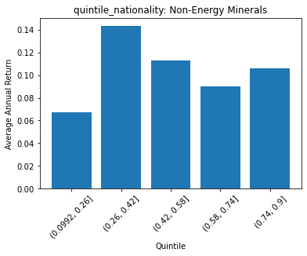
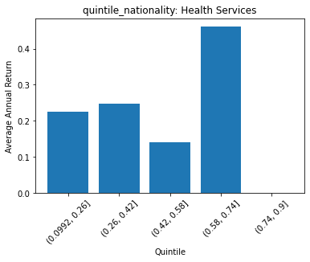
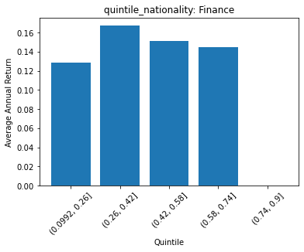
 | FACTSET_SECTOR_DESC | quintile_nationality | count | ANN_RETURN
0 | Non-Energy Minerals | (0.0992, 0.26] | 13 | 0.067519773501
1 | Non-Energy Minerals | (0.26, 0.42] | 9 | 0.14335922876
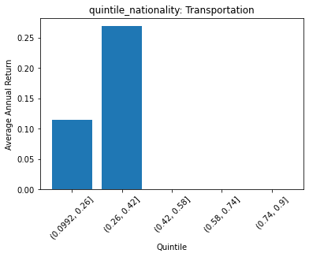
2 | Non-Energy Minerals | (0.42, 0.58] | 4 | 0.11263719236
3 | Non-Energy Minerals | (0.58, 0.74] | 9 | 0.090185178098
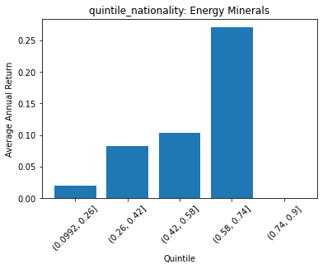
4 | Non-Energy Minerals | (0.74, 0.9] | 3 | 0.10618057421

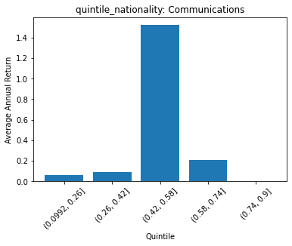
 | FACTSET_SECTOR_DESC | quintile_nationality | count | ANN_RETURN
0 | Producer Manufacturing | (0.0992, 0.26] | 120 | 0.20883961075
1 | Producer Manufacturing | (0.26, 0.42] | 87 | 0.13340924973
2 | Producer Manufacturing | (0.42, 0.58] | 19 | 0.28681021193
3 | Producer Manufacturing | (0.58, 0.74] | 13 | 0.11121654239
4 | Producer Manufacturing | (0.74, 0.9] | 0 | 0

 | FACTSET_SECTOR_DESC | quintile_nationality | count | ANN_RETURN
0 | Electronic Technology | (0.0992, 0.26] | 87 | 0.21515058192
1 | Electronic Technology | (0.26, 0.42] | 97 | 0.29488400225
2 | Electronic Technology | (0.42, 0.58] | 18 | 0.45122932367
3 | Electronic Technology | (0.58, 0.74] | 27 | 0.30364335704
4 | Electronic Technology | (0.74, 0.9] | 2 | 0.70422763957

 | FACTSET_SECTOR_DESC | quintile_nationality | count | ANN_RETURN
0 | Consumer Durables | (0.0992, 0.26] | 63 | 0.12404080935
1 | Consumer Durables | (0.26, 0.42] | 43 | 0.37130284609
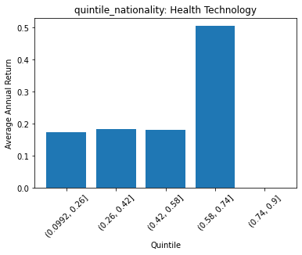
2 | Consumer Durables | (0.42, 0.58] | 7 | 0.32056885577
3 | Consumer Durables | (0.58, 0.74] | 0 | 0
4 | Consumer Durables | (0.74, 0.9] | 0 | 0

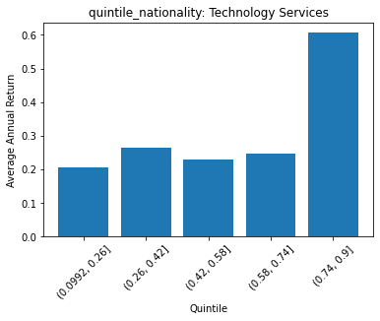
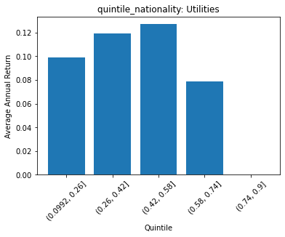
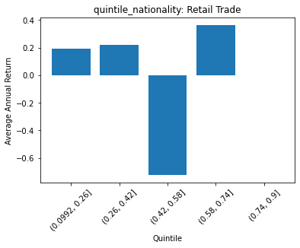
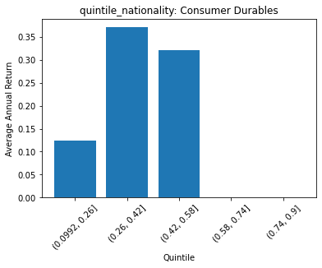
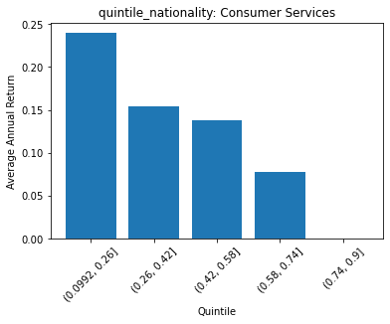
 | FACTSET_SECTOR_DESC | quintile_nationality | count | ANN_RETURN
0 | Energy Minerals | (0.0992, 0.26] | 44 | 0.02031196499
1 | Energy Minerals | (0.26, 0.42] | 24 | 0.082743049063
2 | Energy Minerals | (0.42, 0.58] | 13 | 0.10303835806
3 | Energy Minerals | (0.58, 0.74] | 1 | 0.27053159609
4 | Energy Minerals | (0.74, 0.9] | 0 | 0

 | FACTSET_SECTOR_DESC | quintile_nationality | count | ANN_RETURN
0 | Process Industries | (0.0992, 0.26] | 76 | 0.17584217099
1 | Process Industries | (0.26, 0.42] | 50 | 0.1219159355
2 | Process Industries | (0.42, 0.58] | 14 | 0.05484727095
3 | Process Industries | (0.58, 0.74] | 13 | 0.15759472574
4 | Process Industries | (0.74, 0.9] | 0 | 0

 | FACTSET_SECTOR_DESC | quintile_nationality | count | ANN_RETURN
0 | Health Technology | (0.0992, 0.26] | 145 | 0.17404297399
1 | Health Technology | (0.26, 0.42] | 106 | 0.18361390745
2 | Health Technology | (0.42, 0.58] | 16 | 0.18193701309
3 | Health Technology | (0.58, 0.74] | 19 | 0.50485067922
4 | Health Technology | (0.74, 0.9] | 0 | 0
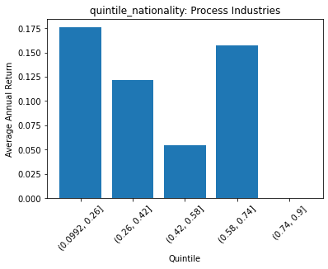
 | FACTSET_SECTOR_DESC | quintile_nationality | count | ANN_RETURN
0 | Consumer Non-Durables | (0.0992, 0.26] | 134 | 0.15057368487
1 | Consumer Non-Durables | (0.26, 0.42] | 69 | 0.082794900128
2 | Consumer Non-Durables | (0.42, 0.58] | 21 | 0.072386065112
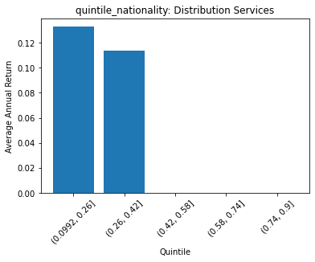
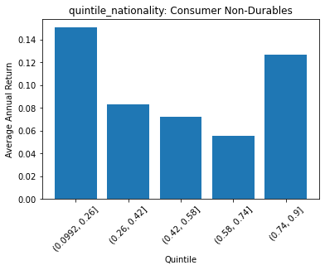
3 | Consumer Non-Durables | (0.58, 0.74] | 26 | 0.0556540181
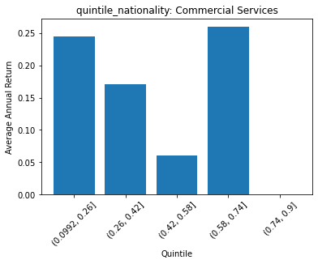
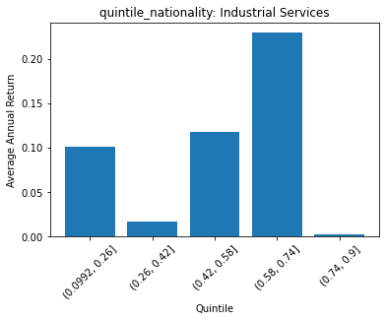
4 | Consumer Non-Durables | (0.74, 0.9] | 12 | 0.12686253658

 | FACTSET_SECTOR_DESC | quintile_nationality | count | ANN_RETURN
0 | Industrial Services | (0.0992, 0.26] | 43 | 0.10149728396
1 | Industrial Services | (0.26, 0.42] | 19 | 0.017084148386
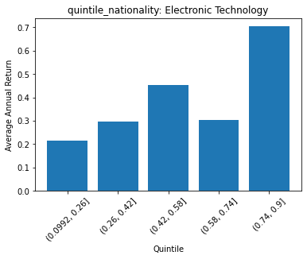
2 | Industrial Services | (0.42, 0.58] | 5 | 0.11727894879
3 | Industrial Services | (0.58, 0.74] | 1 | 0.22942939455
4 | Industrial Services | (0.74, 0.9] | 14 | 0.0019363016983

 | FACTSET_SECTOR_DESC | quintile_nationality | count | ANN_RETURN
0 | Commercial Services | (0.0992, 0.26] | 29 | 0.2446366859
1 | Commercial Services | (0.26, 0.42] | 25 | 0.1709936164
2 | Commercial Services | (0.42, 0.58] | 6 | 0.060532357779
3 | Commercial Services | (0.58, 0.74] | 25 | 0.25960437878
4 | Commercial Services | (0.74, 0.9] | 0 | 0

 | FACTSET_SECTOR_DESC | quintile_nationality | count | ANN_RETURN
0 | Distribution Services | (0.0992, 0.26] | 39 | 0.1327942647
1 | Distribution Services | (0.26, 0.42] | 14 | 0.11350261034
2 | Distribution Services | (0.42, 0.58] | 0 | 0
3 | Distribution Services | (0.58, 0.74] | 0 | 0
4 | Distribution Services | (0.74, 0.9] | 0 | 0

 | FACTSET_SECTOR_DESC | quintile_nationality | count | ANN_RETURN
0 | Technology Services | (0.0992, 0.26] | 117 | 0.20653866098
1 | Technology Services | (0.26, 0.42] | 104 | 0.26474681376
2 | Technology Services | (0.42, 0.58] | 24 | 0.22819336987
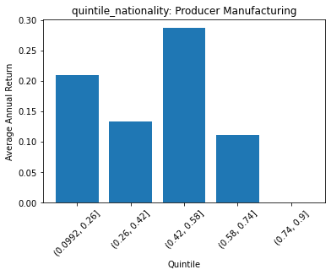
3 | Technology Services | (0.58, 0.74] | 25 | 0.24635460731
4 | Technology Services | (0.74, 0.9] | 2 | 0.60706849625

 | FACTSET_SECTOR_DESC | quintile_nationality | count | ANN_RETURN
0 | Health Services | (0.0992, 0.26] | 19 | 0.22618753807
1 | Health Services | (0.26, 0.42] | 32 | 0.24723435749
2 | Health Services | (0.42, 0.58] | 3 | 0.14056030639
3 | Health Services | (0.58, 0.74] | 1 | 0.4613135851
4 | Health Services | (0.74, 0.9] | 0 | 0

 | FACTSET_SECTOR_DESC | quintile_nationality | count | ANN_RETURN
0 | Consumer Services | (0.0992, 0.26] | 66 | 0.23985785973
1 | Consumer Services | (0.26, 0.42] | 75 | 0.15381950279
2 | Consumer Services | (0.42, 0.58] | 12 | 0.13757833574
3 | Consumer Services | (0.58, 0.74] | 18 | 0.078281095253
4 | Consumer Services | (0.74, 0.9] | 0 | 0

 | FACTSET_SECTOR_DESC | quintile_nationality | count | ANN_RETURN
0 | Retail Trade | (0.0992, 0.26] | 73 | 0.19183966666
1 | Retail Trade | (0.26, 0.42] | 61 | 0.21799936983
2 | Retail Trade | (0.42, 0.58] | 1 | -0.72466675119
3 | Retail Trade | (0.58, 0.74] | 3 | 0.36514435783
4 | Retail Trade | (0.74, 0.9] | 0 | 0

 | FACTSET_SECTOR_DESC | quintile_nationality | count | ANN_RETURN
0 | Transportation | (0.0992, 0.26] | 37 | 0.11442811215
1 | Transportation | (0.26, 0.42] | 7 | 0.26904144494
2 | Transportation | (0.42, 0.58] | 0 | 0
3 | Transportation | (0.58, 0.74] | 0 | 0
4 | Transportation | (0.74, 0.9] | 0 | 0

 | FACTSET_SECTOR_DESC | quintile_nationality | count | ANN_RETURN
0 | Utilities | (0.0992, 0.26] | 82 | 0.099154760749
1 | Utilities | (0.26, 0.42] | 17 | 0.11912385131
2 | Utilities | (0.42, 0.58] | 9 | 0.12729956589
3 | Utilities | (0.58, 0.74] | 5 | 0.078731618564
4 | Utilities | (0.74, 0.9] | 0 | 0

 | FACTSET_SECTOR_DESC | quintile_nationality | count | ANN_RETURN
0 | Finance | (0.0992, 0.26] | 193 | 0.12897778115
1 | Finance | (0.26, 0.42] | 186 | 0.1674023098
2 | Finance | (0.42, 0.58] | 31 | 0.15168383628
3 | Finance | (0.58, 0.74] | 28 | 0.14519186095
4 | Finance | (0.74, 0.9] | 0 | 0

 | FACTSET_SECTOR_DESC | quintile_nationality | count | ANN_RETURN
0 | Communications | (0.0992, 0.26] | 8 | 0.063516744875
1 | Communications | (0.26, 0.42] | 6 | 0.088903759573
2 | Communications | (0.42, 0.58] | 1 | 1.5216553784
3 | Communications | (0.58, 0.74] | 8 | 0.20557624558
4 | Communications | (0.74, 0.9] | 0 | 0

