bdx_sector
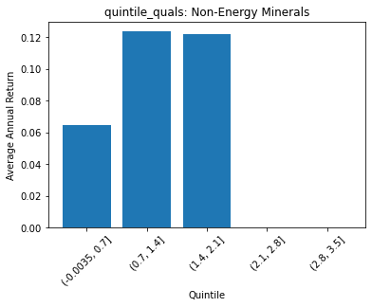
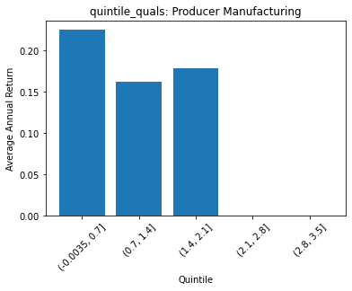
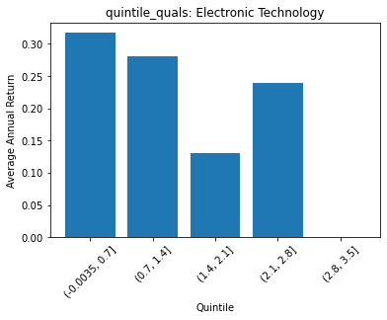
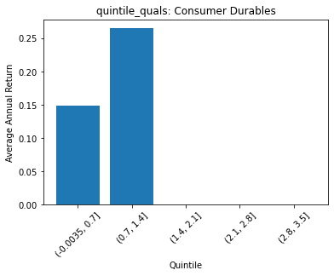
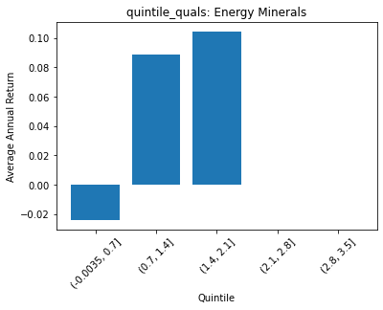
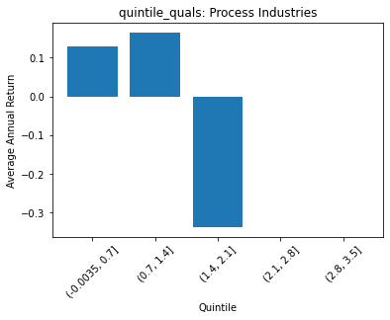
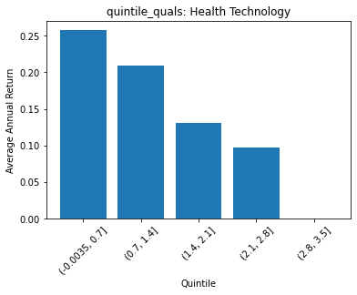
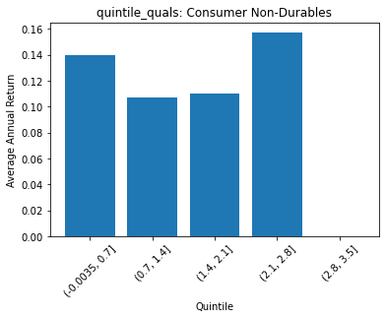
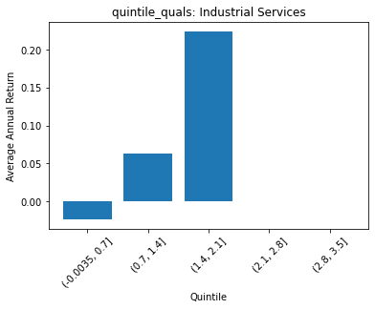
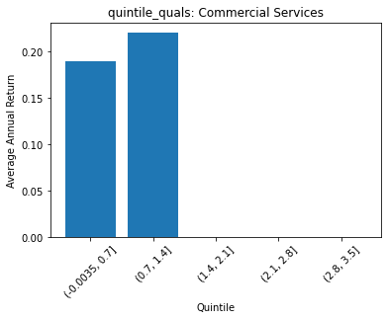
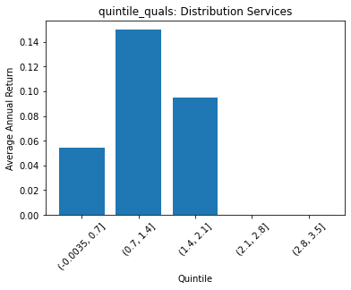
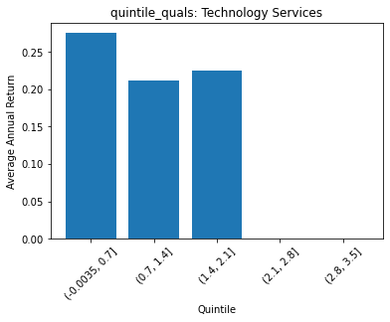
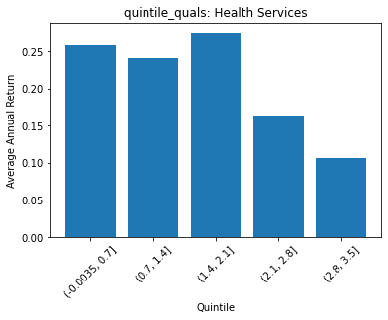
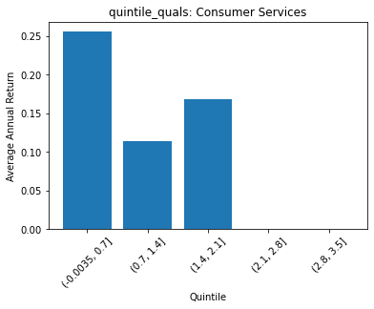
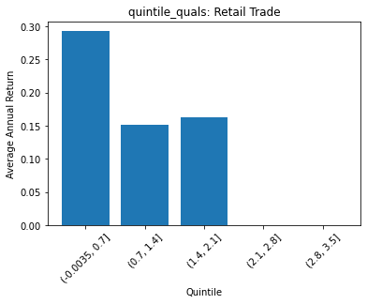
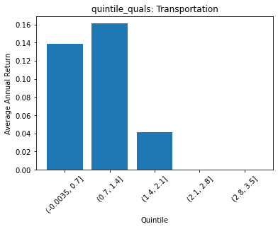
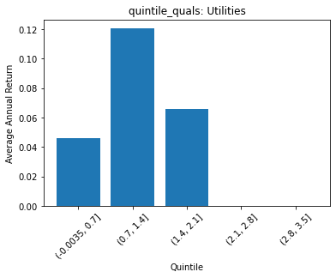
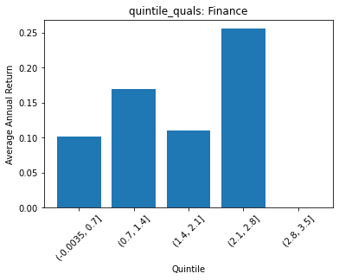
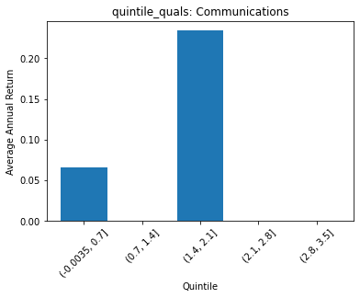
 | FACTSET_SECTOR_DESC | quintile_quals | count | ANN_RETURN
0 | Non-Energy Minerals | (-0.0035, 0.7] | 16 | 0.064833445637
1 | Non-Energy Minerals | (0.7, 1.4] | 15 | 0.12377313866
2 | Non-Energy Minerals | (1.4, 2.1] | 7 | 0.12211642845
3 | Non-Energy Minerals | (2.1, 2.8] | 0 | 0
4 | Non-Energy Minerals | (2.8, 3.5] | 0 | 0

 | FACTSET_SECTOR_DESC | quintile_quals | count | ANN_RETURN
0 | Producer Manufacturing | (-0.0035, 0.7] | 70 | 0.22515373426
1 | Producer Manufacturing | (0.7, 1.4] | 148 | 0.16250780147
2 | Producer Manufacturing | (1.4, 2.1] | 21 | 0.17860243228
3 | Producer Manufacturing | (2.1, 2.8] | 0 | 0
4 | Producer Manufacturing | (2.8, 3.5] | 0 | 0

 | FACTSET_SECTOR_DESC | quintile_quals | count | ANN_RETURN
0 | Electronic Technology | (-0.0035, 0.7] | 61 | 0.31756556577
1 | Electronic Technology | (0.7, 1.4] | 155 | 0.28134699489
2 | Electronic Technology | (1.4, 2.1] | 14 | 0.13082552027
3 | Electronic Technology | (2.1, 2.8] | 1 | 0.23896158705
4 | Electronic Technology | (2.8, 3.5] | 0 | 0

 | FACTSET_SECTOR_DESC | quintile_quals | count | ANN_RETURN
0 | Consumer Durables | (-0.0035, 0.7] | 34 | 0.14899786316
1 | Consumer Durables | (0.7, 1.4] | 79 | 0.26529934195
2 | Consumer Durables | (1.4, 2.1] | 0 | 0
3 | Consumer Durables | (2.1, 2.8] | 0 | 0
4 | Consumer Durables | (2.8, 3.5] | 0 | 0

 | FACTSET_SECTOR_DESC | quintile_quals | count | ANN_RETURN
0 | Energy Minerals | (-0.0035, 0.7] | 26 | -0.024265406053
1 | Energy Minerals | (0.7, 1.4] | 46 | 0.088568476397
2 | Energy Minerals | (1.4, 2.1] | 10 | 0.10463405311
3 | Energy Minerals | (2.1, 2.8] | 0 | 0
4 | Energy Minerals | (2.8, 3.5] | 0 | 0

 | FACTSET_SECTOR_DESC | quintile_quals | count | ANN_RETURN
0 | Process Industries | (-0.0035, 0.7] | 70 | 0.12856030821
1 | Process Industries | (0.7, 1.4] | 82 | 0.16603472141
2 | Process Industries | (1.4, 2.1] | 1 | -0.33767373198
3 | Process Industries | (2.1, 2.8] | 0 | 0
4 | Process Industries | (2.8, 3.5] | 0 | 0

 | FACTSET_SECTOR_DESC | quintile_quals | count | ANN_RETURN
0 | Health Technology | (-0.0035, 0.7] | 44 | 0.25783203665
1 | Health Technology | (0.7, 1.4] | 185 | 0.20932955334
2 | Health Technology | (1.4, 2.1] | 48 | 0.13032335213
3 | Health Technology | (2.1, 2.8] | 9 | 0.097373627765
4 | Health Technology | (2.8, 3.5] | 0 | 0

 | FACTSET_SECTOR_DESC | quintile_quals | count | ANN_RETURN
0 | Consumer Non-Durables | (-0.0035, 0.7] | 56 | 0.14018692736
1 | Consumer Non-Durables | (0.7, 1.4] | 176 | 0.10703367803
2 | Consumer Non-Durables | (1.4, 2.1] | 22 | 0.11056259822
3 | Consumer Non-Durables | (2.1, 2.8] | 8 | 0.1573014663
4 | Consumer Non-Durables | (2.8, 3.5] | 0 | 0

 | FACTSET_SECTOR_DESC | quintile_quals | count | ANN_RETURN
0 | Industrial Services | (-0.0035, 0.7] | 11 | -0.024024993149
1 | Industrial Services | (0.7, 1.4] | 63 | 0.06347547576
2 | Industrial Services | (1.4, 2.1] | 8 | 0.22465429294
3 | Industrial Services | (2.1, 2.8] | 0 | 0
4 | Industrial Services | (2.8, 3.5] | 0 | 0

 | FACTSET_SECTOR_DESC | quintile_quals | count | ANN_RETURN
0 | Commercial Services | (-0.0035, 0.7] | 17 | 0.18939951075
1 | Commercial Services | (0.7, 1.4] | 68 | 0.22062965051
2 | Commercial Services | (1.4, 2.1] | 0 | 0
3 | Commercial Services | (2.1, 2.8] | 0 | 0
4 | Commercial Services | (2.8, 3.5] | 0 | 0

 | FACTSET_SECTOR_DESC | quintile_quals | count | ANN_RETURN
0 | Distribution Services | (-0.0035, 0.7] | 10 | 0.054521196193
1 | Distribution Services | (0.7, 1.4] | 39 | 0.14985249077
2 | Distribution Services | (1.4, 2.1] | 4 | 0.094638441546
3 | Distribution Services | (2.1, 2.8] | 0 | 0
4 | Distribution Services | (2.8, 3.5] | 0 | 0

 | FACTSET_SECTOR_DESC | quintile_quals | count | ANN_RETURN
0 | Technology Services | (-0.0035, 0.7] | 109 | 0.27537661223
1 | Technology Services | (0.7, 1.4] | 154 | 0.21110132187
2 | Technology Services | (1.4, 2.1] | 9 | 0.2247423019
3 | Technology Services | (2.1, 2.8] | 0 | 0
4 | Technology Services | (2.8, 3.5] | 0 | 0

 | FACTSET_SECTOR_DESC | quintile_quals | count | ANN_RETURN
0 | Health Services | (-0.0035, 0.7] | 11 | 0.25748925555
1 | Health Services | (0.7, 1.4] | 38 | 0.24127807367
2 | Health Services | (1.4, 2.1] | 2 | 0.27518445956
3 | Health Services | (2.1, 2.8] | 2 | 0.16373672751
4 | Health Services | (2.8, 3.5] | 2 | 0.10663309136

 | FACTSET_SECTOR_DESC | quintile_quals | count | ANN_RETURN
0 | Consumer Services | (-0.0035, 0.7] | 72 | 0.25584486823
1 | Consumer Services | (0.7, 1.4] | 86 | 0.11422198938
2 | Consumer Services | (1.4, 2.1] | 13 | 0.16793535348
3 | Consumer Services | (2.1, 2.8] | 0 | 0
4 | Consumer Services | (2.8, 3.5] | 0 | 0

 | FACTSET_SECTOR_DESC | quintile_quals | count | ANN_RETURN
0 | Retail Trade | (-0.0035, 0.7] | 47 | 0.29293455107
1 | Retail Trade | (0.7, 1.4] | 80 | 0.15135854701
2 | Retail Trade | (1.4, 2.1] | 11 | 0.16331053521
3 | Retail Trade | (2.1, 2.8] | 0 | 0
4 | Retail Trade | (2.8, 3.5] | 0 | 0

 | FACTSET_SECTOR_DESC | quintile_quals | count | ANN_RETURN
0 | Transportation | (-0.0035, 0.7] | 6 | 0.13876025031
1 | Transportation | (0.7, 1.4] | 31 | 0.16118727309
2 | Transportation | (1.4, 2.1] | 7 | 0.041109042335
3 | Transportation | (2.1, 2.8] | 0 | 0
4 | Transportation | (2.8, 3.5] | 0 | 0

 | FACTSET_SECTOR_DESC | quintile_quals | count | ANN_RETURN
0 | Utilities | (-0.0035, 0.7] | 20 | 0.045880656912
1 | Utilities | (0.7, 1.4] | 85 | 0.1206190292
2 | Utilities | (1.4, 2.1] | 8 | 0.065614927391
3 | Utilities | (2.1, 2.8] | 0 | 0
4 | Utilities | (2.8, 3.5] | 0 | 0

 | FACTSET_SECTOR_DESC | quintile_quals | count | ANN_RETURN
0 | Finance | (-0.0035, 0.7] | 106 | 0.10140002372
1 | Finance | (0.7, 1.4] | 293 | 0.16882997694
2 | Finance | (1.4, 2.1] | 37 | 0.11000950293
3 | Finance | (2.1, 2.8] | 2 | 0.25558752561
4 | Finance | (2.8, 3.5] | 0 | 0

 | FACTSET_SECTOR_DESC | quintile_quals | count | ANN_RETURN
0 | Communications | (-0.0035, 0.7] | 7 | 0.065443238185
1 | Communications | (0.7, 1.4] | 0 | 0
2 | Communications | (1.4, 2.1] | 16 | 0.23435744951
3 | Communications | (2.1, 2.8] | 0 | 0
4 | Communications | (2.8, 3.5] | 0 | 0

