bdx_sector
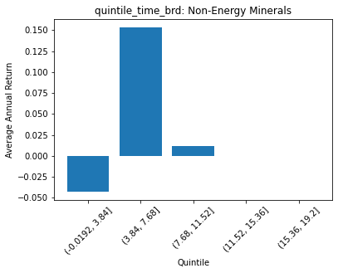
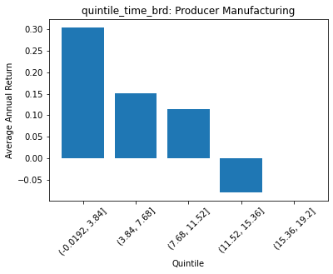
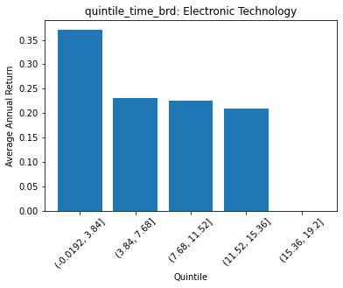
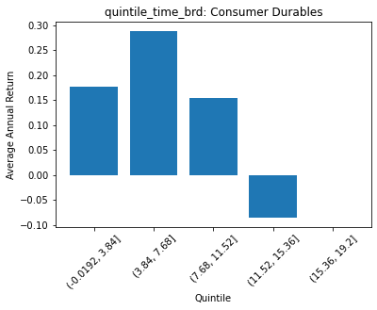
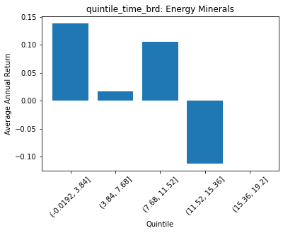
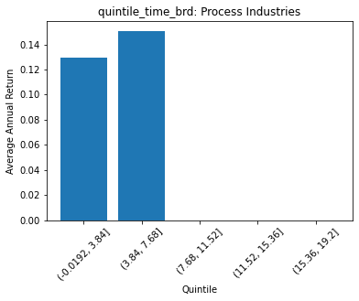
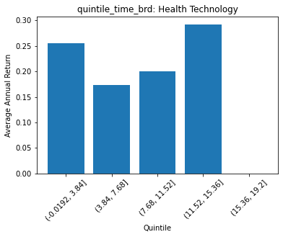
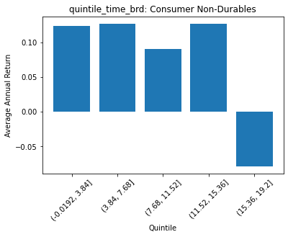
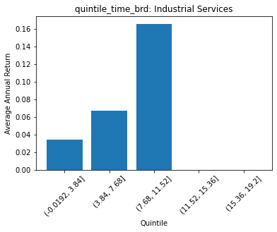
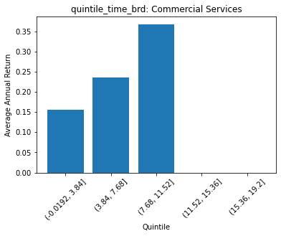
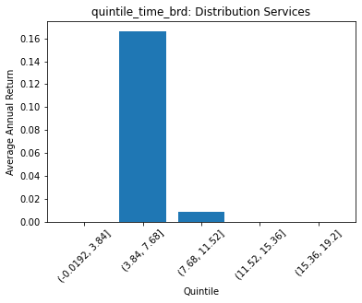
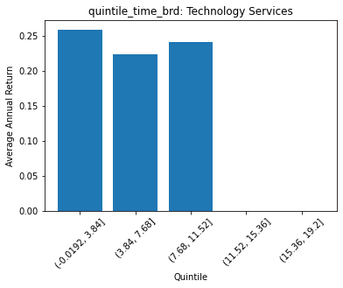
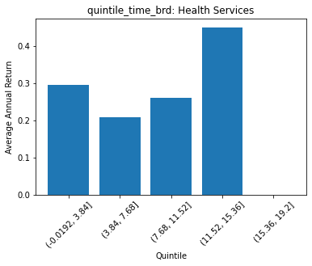
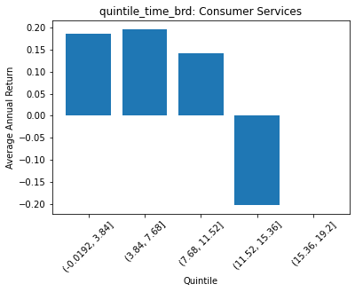
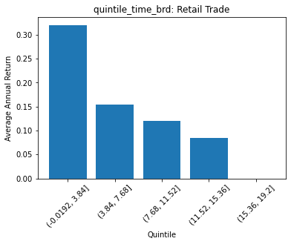
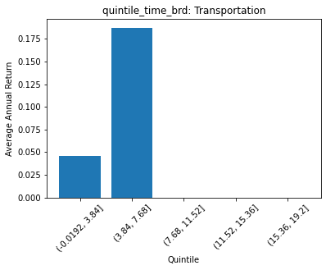
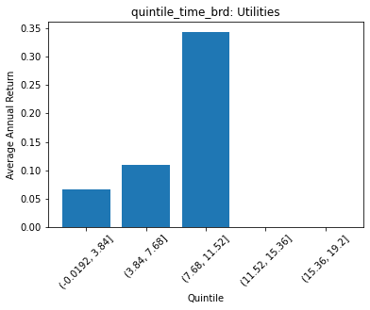
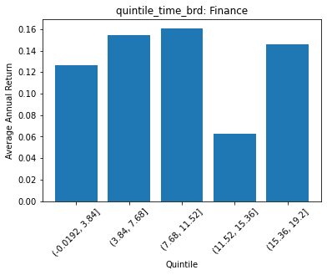
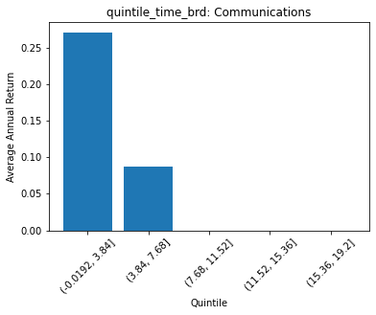
 | FACTSET_SECTOR_DESC | quintile_time_brd | count | ANN_RETURN
0 | Non-Energy Minerals | (-0.0192, 3.84] | 7 | -0.042521299824
1 | Non-Energy Minerals | (3.84, 7.68] | 26 | 0.15334172611
2 | Non-Energy Minerals | (7.68, 11.52] | 5 | 0.011902285816
3 | Non-Energy Minerals | (11.52, 15.36] | 0 | 0
4 | Non-Energy Minerals | (15.36, 19.2] | 0 | 0

 | FACTSET_SECTOR_DESC | quintile_time_brd | count | ANN_RETURN
0 | Producer Manufacturing | (-0.0192, 3.84] | 56 | 0.30389086638
1 | Producer Manufacturing | (3.84, 7.68] | 162 | 0.15140487138
2 | Producer Manufacturing | (7.68, 11.52] | 19 | 0.11445231707
3 | Producer Manufacturing | (11.52, 15.36] | 2 | -0.07875230516
4 | Producer Manufacturing | (15.36, 19.2] | 0 | 0

 | FACTSET_SECTOR_DESC | quintile_time_brd | count | ANN_RETURN
0 | Electronic Technology | (-0.0192, 3.84] | 86 | 0.37151432525
1 | Electronic Technology | (3.84, 7.68] | 103 | 0.23122983928
2 | Electronic Technology | (7.68, 11.52] | 30 | 0.22549305862
3 | Electronic Technology | (11.52, 15.36] | 12 | 0.20992545119
4 | Electronic Technology | (15.36, 19.2] | 0 | 0

 | FACTSET_SECTOR_DESC | quintile_time_brd | count | ANN_RETURN
0 | Consumer Durables | (-0.0192, 3.84] | 28 | 0.17696600174
1 | Consumer Durables | (3.84, 7.68] | 61 | 0.28850202952
2 | Consumer Durables | (7.68, 11.52] | 23 | 0.15460829278
3 | Consumer Durables | (11.52, 15.36] | 1 | -0.085087222106
4 | Consumer Durables | (15.36, 19.2] | 0 | 0

 | FACTSET_SECTOR_DESC | quintile_time_brd | count | ANN_RETURN
0 | Energy Minerals | (-0.0192, 3.84] | 24 | 0.1383809657
1 | Energy Minerals | (3.84, 7.68] | 36 | 0.016491976827
2 | Energy Minerals | (7.68, 11.52] | 14 | 0.10491445338
3 | Energy Minerals | (11.52, 15.36] | 8 | -0.11175835023
4 | Energy Minerals | (15.36, 19.2] | 0 | 0

 | FACTSET_SECTOR_DESC | quintile_time_brd | count | ANN_RETURN
0 | Process Industries | (-0.0192, 3.84] | 38 | 0.12938031963
1 | Process Industries | (3.84, 7.68] | 115 | 0.1509560248
2 | Process Industries | (7.68, 11.52] | 0 | 0
3 | Process Industries | (11.52, 15.36] | 0 | 0
4 | Process Industries | (15.36, 19.2] | 0 | 0

 | FACTSET_SECTOR_DESC | quintile_time_brd | count | ANN_RETURN
0 | Health Technology | (-0.0192, 3.84] | 66 | 0.25584301349
1 | Health Technology | (3.84, 7.68] | 167 | 0.17352078116
2 | Health Technology | (7.68, 11.52] | 45 | 0.19992919141
3 | Health Technology | (11.52, 15.36] | 8 | 0.29275469695
4 | Health Technology | (15.36, 19.2] | 0 | 0

 | FACTSET_SECTOR_DESC | quintile_time_brd | count | ANN_RETURN
0 | Consumer Non-Durables | (-0.0192, 3.84] | 37 | 0.12405446274
1 | Consumer Non-Durables | (3.84, 7.68] | 125 | 0.1267054975
2 | Consumer Non-Durables | (7.68, 11.52] | 70 | 0.090680282538
3 | Consumer Non-Durables | (11.52, 15.36] | 29 | 0.1269538892
4 | Consumer Non-Durables | (15.36, 19.2] | 1 | -0.078300714997

 | FACTSET_SECTOR_DESC | quintile_time_brd | count | ANN_RETURN
0 | Industrial Services | (-0.0192, 3.84] | 17 | 0.034308105542
1 | Industrial Services | (3.84, 7.68] | 59 | 0.066988332875
2 | Industrial Services | (7.68, 11.52] | 6 | 0.16606082632
3 | Industrial Services | (11.52, 15.36] | 0 | 0
4 | Industrial Services | (15.36, 19.2] | 0 | 0

 | FACTSET_SECTOR_DESC | quintile_time_brd | count | ANN_RETURN
0 | Commercial Services | (-0.0192, 3.84] | 35 | 0.15634175212
1 | Commercial Services | (3.84, 7.68] | 43 | 0.23658865243
2 | Commercial Services | (7.68, 11.52] | 7 | 0.36819064839
3 | Commercial Services | (11.52, 15.36] | 0 | 0
4 | Commercial Services | (15.36, 19.2] | 0 | 0

 | FACTSET_SECTOR_DESC | quintile_time_brd | count | ANN_RETURN
0 | Distribution Services | (-0.0192, 3.84] | 0 | 0
1 | Distribution Services | (3.84, 7.68] | 40 | 0.1665363623
2 | Distribution Services | (7.68, 11.52] | 13 | 0.0081967981686
3 | Distribution Services | (11.52, 15.36] | 0 | 0
4 | Distribution Services | (15.36, 19.2] | 0 | 0

 | FACTSET_SECTOR_DESC | quintile_time_brd | count | ANN_RETURN
0 | Technology Services | (-0.0192, 3.84] | 73 | 0.25941001519
1 | Technology Services | (3.84, 7.68] | 134 | 0.22335252261
2 | Technology Services | (7.68, 11.52] | 65 | 0.24126409044
3 | Technology Services | (11.52, 15.36] | 0 | 0
4 | Technology Services | (15.36, 19.2] | 0 | 0

 | FACTSET_SECTOR_DESC | quintile_time_brd | count | ANN_RETURN
0 | Health Services | (-0.0192, 3.84] | 9 | 0.29519860322
1 | Health Services | (3.84, 7.68] | 34 | 0.20903075743
2 | Health Services | (7.68, 11.52] | 11 | 0.26146288528
3 | Health Services | (11.52, 15.36] | 1 | 0.45213224767
4 | Health Services | (15.36, 19.2] | 0 | 0

 | FACTSET_SECTOR_DESC | quintile_time_brd | count | ANN_RETURN
0 | Consumer Services | (-0.0192, 3.84] | 64 | 0.18536602651
1 | Consumer Services | (3.84, 7.68] | 75 | 0.1961573997
2 | Consumer Services | (7.68, 11.52] | 30 | 0.14187312598
3 | Consumer Services | (11.52, 15.36] | 2 | -0.20217162971
4 | Consumer Services | (15.36, 19.2] | 0 | 0

 | FACTSET_SECTOR_DESC | quintile_time_brd | count | ANN_RETURN
0 | Retail Trade | (-0.0192, 3.84] | 43 | 0.32075511912
1 | Retail Trade | (3.84, 7.68] | 76 | 0.15365074202
2 | Retail Trade | (7.68, 11.52] | 17 | 0.1196780054
3 | Retail Trade | (11.52, 15.36] | 2 | 0.084285470205
4 | Retail Trade | (15.36, 19.2] | 0 | 0

 | FACTSET_SECTOR_DESC | quintile_time_brd | count | ANN_RETURN
0 | Transportation | (-0.0192, 3.84] | 15 | 0.045382875579
1 | Transportation | (3.84, 7.68] | 29 | 0.18746162519
2 | Transportation | (7.68, 11.52] | 0 | 0
3 | Transportation | (11.52, 15.36] | 0 | 0
4 | Transportation | (15.36, 19.2] | 0 | 0

 | FACTSET_SECTOR_DESC | quintile_time_brd | count | ANN_RETURN
0 | Utilities | (-0.0192, 3.84] | 21 | 0.066717657197
1 | Utilities | (3.84, 7.68] | 91 | 0.10933339147
2 | Utilities | (7.68, 11.52] | 1 | 0.34474061471
3 | Utilities | (11.52, 15.36] | 0 | 0
4 | Utilities | (15.36, 19.2] | 0 | 0

 | FACTSET_SECTOR_DESC | quintile_time_brd | count | ANN_RETURN
0 | Finance | (-0.0192, 3.84] | 101 | 0.12621612881
1 | Finance | (3.84, 7.68] | 259 | 0.15446829849
2 | Finance | (7.68, 11.52] | 60 | 0.16112219071
3 | Finance | (11.52, 15.36] | 3 | 0.062842033291
4 | Finance | (15.36, 19.2] | 15 | 0.145742437

 | FACTSET_SECTOR_DESC | quintile_time_brd | count | ANN_RETURN
0 | Communications | (-0.0192, 3.84] | 12 | 0.27123975951
1 | Communications | (3.84, 7.68] | 11 | 0.086631340477
2 | Communications | (7.68, 11.52] | 0 | 0
3 | Communications | (11.52, 15.36] | 0 | 0
4 | Communications | (15.36, 19.2] | 0 | 0

