bdx_sector
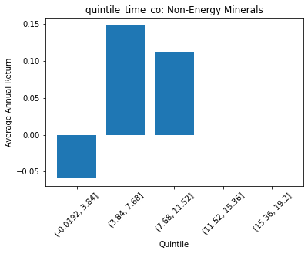
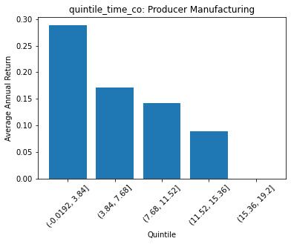
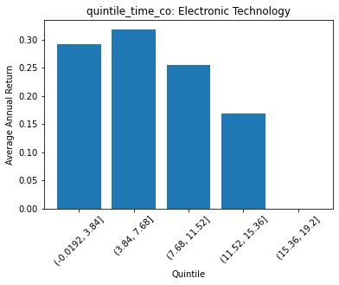
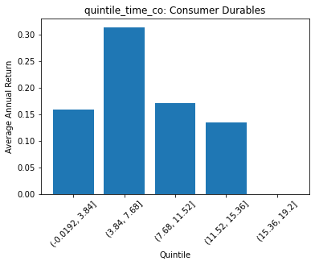
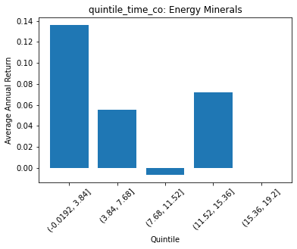
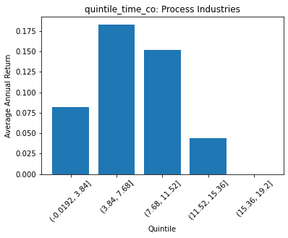
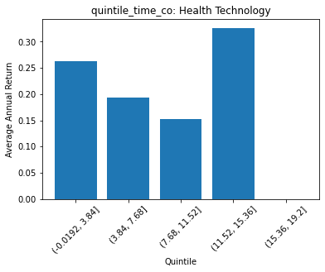
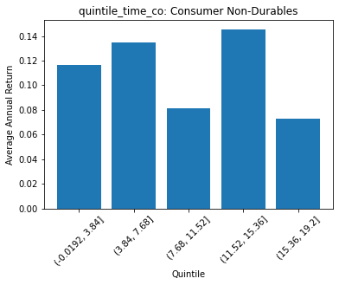
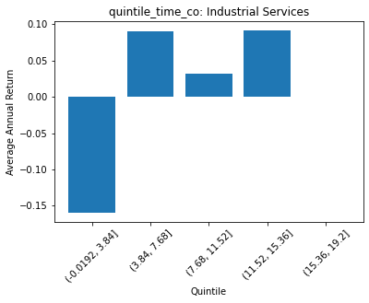
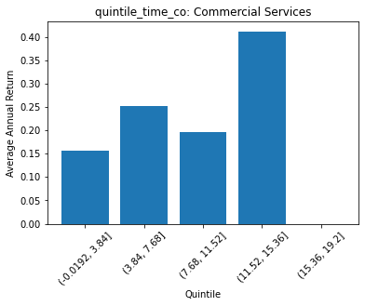
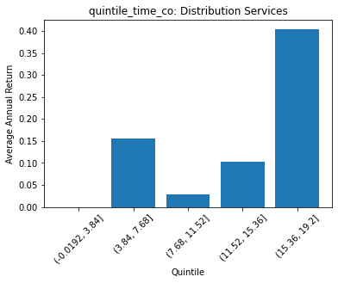
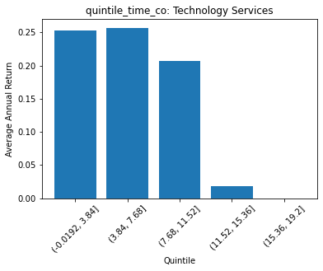
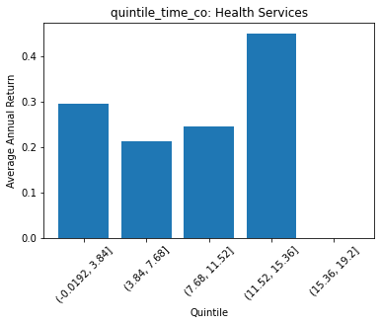
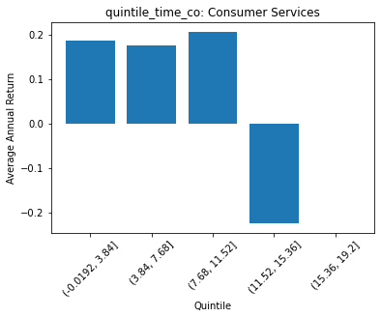
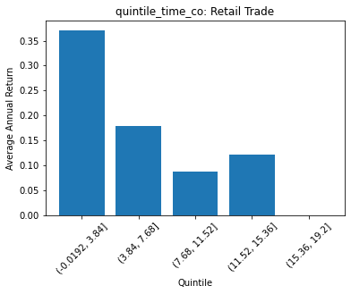
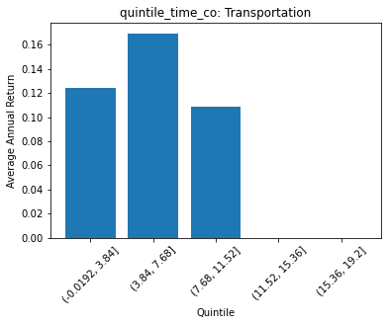
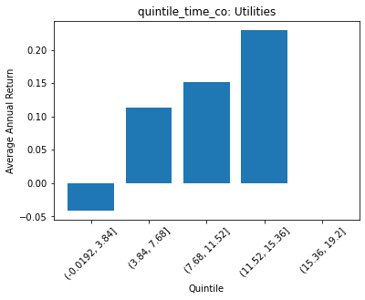
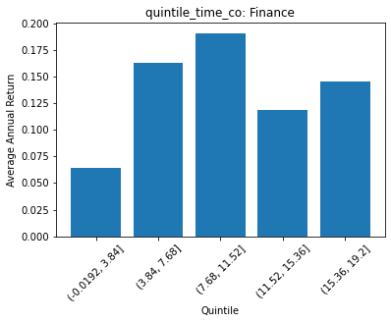
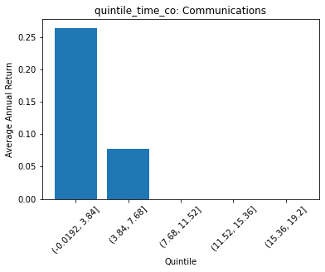
 | FACTSET_SECTOR_DESC | quintile_time_co | count | ANN_RETURN
0 | Non-Energy Minerals | (-0.0192, 3.84] | 8 | -0.058644375683
1 | Non-Energy Minerals | (3.84, 7.68] | 24 | 0.14769039478
2 | Non-Energy Minerals | (7.68, 11.52] | 6 | 0.11222212333
3 | Non-Energy Minerals | (11.52, 15.36] | 0 | 0
4 | Non-Energy Minerals | (15.36, 19.2] | 0 | 0

 | FACTSET_SECTOR_DESC | quintile_time_co | count | ANN_RETURN
0 | Producer Manufacturing | (-0.0192, 3.84] | 52 | 0.28906088917
1 | Producer Manufacturing | (3.84, 7.68] | 102 | 0.17115249405
2 | Producer Manufacturing | (7.68, 11.52] | 67 | 0.14141062409
3 | Producer Manufacturing | (11.52, 15.36] | 18 | 0.088851925022
4 | Producer Manufacturing | (15.36, 19.2] | 0 | 0

 | FACTSET_SECTOR_DESC | quintile_time_co | count | ANN_RETURN
0 | Electronic Technology | (-0.0192, 3.84] | 59 | 0.29168851011
1 | Electronic Technology | (3.84, 7.68] | 90 | 0.31896733747
2 | Electronic Technology | (7.68, 11.52] | 62 | 0.2543811335
3 | Electronic Technology | (11.52, 15.36] | 20 | 0.16812449221
4 | Electronic Technology | (15.36, 19.2] | 0 | 0

 | FACTSET_SECTOR_DESC | quintile_time_co | count | ANN_RETURN
0 | Consumer Durables | (-0.0192, 3.84] | 23 | 0.15909001566
1 | Consumer Durables | (3.84, 7.68] | 52 | 0.31409211026
2 | Consumer Durables | (7.68, 11.52] | 25 | 0.17135293062
3 | Consumer Durables | (11.52, 15.36] | 13 | 0.13453015402
4 | Consumer Durables | (15.36, 19.2] | 0 | 0

 | FACTSET_SECTOR_DESC | quintile_time_co | count | ANN_RETURN
0 | Energy Minerals | (-0.0192, 3.84] | 18 | 0.13615856404
1 | Energy Minerals | (3.84, 7.68] | 27 | 0.055213360591
2 | Energy Minerals | (7.68, 11.52] | 27 | -0.0063745050652
3 | Energy Minerals | (11.52, 15.36] | 10 | 0.072008663604
4 | Energy Minerals | (15.36, 19.2] | 0 | 0

 | FACTSET_SECTOR_DESC | quintile_time_co | count | ANN_RETURN
0 | Process Industries | (-0.0192, 3.84] | 32 | 0.081494366937
1 | Process Industries | (3.84, 7.68] | 63 | 0.18309952365
2 | Process Industries | (7.68, 11.52] | 52 | 0.15132882508
3 | Process Industries | (11.52, 15.36] | 6 | 0.044034393595
4 | Process Industries | (15.36, 19.2] | 0 | 0

 | FACTSET_SECTOR_DESC | quintile_time_co | count | ANN_RETURN
0 | Health Technology | (-0.0192, 3.84] | 54 | 0.26356478877
1 | Health Technology | (3.84, 7.68] | 145 | 0.1930624558
2 | Health Technology | (7.68, 11.52] | 77 | 0.15205197973
3 | Health Technology | (11.52, 15.36] | 10 | 0.3267903409
4 | Health Technology | (15.36, 19.2] | 0 | 0

 | FACTSET_SECTOR_DESC | quintile_time_co | count | ANN_RETURN
0 | Consumer Non-Durables | (-0.0192, 3.84] | 19 | 0.11624755482
1 | Consumer Non-Durables | (3.84, 7.68] | 106 | 0.13474931864
2 | Consumer Non-Durables | (7.68, 11.52] | 90 | 0.081465571781
3 | Consumer Non-Durables | (11.52, 15.36] | 43 | 0.14566539413
4 | Consumer Non-Durables | (15.36, 19.2] | 4 | 0.07288485809

 | FACTSET_SECTOR_DESC | quintile_time_co | count | ANN_RETURN
0 | Industrial Services | (-0.0192, 3.84] | 2 | -0.15921743664
1 | Industrial Services | (3.84, 7.68] | 49 | 0.090530939365
2 | Industrial Services | (7.68, 11.52] | 24 | 0.032272308169
3 | Industrial Services | (11.52, 15.36] | 7 | 0.091399691436
4 | Industrial Services | (15.36, 19.2] | 0 | 0

 | FACTSET_SECTOR_DESC | quintile_time_co | count | ANN_RETURN
0 | Commercial Services | (-0.0192, 3.84] | 35 | 0.15634175212
1 | Commercial Services | (3.84, 7.68] | 37 | 0.25212068472
2 | Commercial Services | (7.68, 11.52] | 9 | 0.19714818652
3 | Commercial Services | (11.52, 15.36] | 4 | 0.41196189489
4 | Commercial Services | (15.36, 19.2] | 0 | 0

 | FACTSET_SECTOR_DESC | quintile_time_co | count | ANN_RETURN
0 | Distribution Services | (-0.0192, 3.84] | 0 | 0
1 | Distribution Services | (3.84, 7.68] | 35 | 0.15514163139
2 | Distribution Services | (7.68, 11.52] | 11 | 0.028269257369
3 | Distribution Services | (11.52, 15.36] | 6 | 0.10365830102
4 | Distribution Services | (15.36, 19.2] | 1 | 0.40514413235

 | FACTSET_SECTOR_DESC | quintile_time_co | count | ANN_RETURN
0 | Technology Services | (-0.0192, 3.84] | 62 | 0.252754221
1 | Technology Services | (3.84, 7.68] | 115 | 0.25737578488
2 | Technology Services | (7.68, 11.52] | 93 | 0.20691250728
3 | Technology Services | (11.52, 15.36] | 2 | 0.018247439178
4 | Technology Services | (15.36, 19.2] | 0 | 0

 | FACTSET_SECTOR_DESC | quintile_time_co | count | ANN_RETURN
0 | Health Services | (-0.0192, 3.84] | 9 | 0.29519860322
1 | Health Services | (3.84, 7.68] | 33 | 0.21307173142
2 | Health Services | (7.68, 11.52] | 12 | 0.2459808628
3 | Health Services | (11.52, 15.36] | 1 | 0.45213224767
4 | Health Services | (15.36, 19.2] | 0 | 0

 | FACTSET_SECTOR_DESC | quintile_time_co | count | ANN_RETURN
0 | Consumer Services | (-0.0192, 3.84] | 60 | 0.18691915984
1 | Consumer Services | (3.84, 7.68] | 70 | 0.17762602078
2 | Consumer Services | (7.68, 11.52] | 37 | 0.20745011629
3 | Consumer Services | (11.52, 15.36] | 4 | -0.22438603845
4 | Consumer Services | (15.36, 19.2] | 0 | 0

 | FACTSET_SECTOR_DESC | quintile_time_co | count | ANN_RETURN
0 | Retail Trade | (-0.0192, 3.84] | 34 | 0.37166144555
1 | Retail Trade | (3.84, 7.68] | 61 | 0.1791219294
2 | Retail Trade | (7.68, 11.52] | 32 | 0.086828580142
3 | Retail Trade | (11.52, 15.36] | 11 | 0.12105292191
4 | Retail Trade | (15.36, 19.2] | 0 | 0

 | FACTSET_SECTOR_DESC | quintile_time_co | count | ANN_RETURN
0 | Transportation | (-0.0192, 3.84] | 7 | 0.12444825194
1 | Transportation | (3.84, 7.68] | 20 | 0.16967628144
2 | Transportation | (7.68, 11.52] | 17 | 0.10896863951
3 | Transportation | (11.52, 15.36] | 0 | 0
4 | Transportation | (15.36, 19.2] | 0 | 0

 | FACTSET_SECTOR_DESC | quintile_time_co | count | ANN_RETURN
0 | Utilities | (-0.0192, 3.84] | 10 | -0.040766877024
1 | Utilities | (3.84, 7.68] | 94 | 0.1134004847
2 | Utilities | (7.68, 11.52] | 8 | 0.15167136896
3 | Utilities | (11.52, 15.36] | 1 | 0.22980229614
4 | Utilities | (15.36, 19.2] | 0 | 0

 | FACTSET_SECTOR_DESC | quintile_time_co | count | ANN_RETURN
0 | Finance | (-0.0192, 3.84] | 74 | 0.064611532931
1 | Finance | (3.84, 7.68] | 235 | 0.16268983947
2 | Finance | (7.68, 11.52] | 84 | 0.19100216885
3 | Finance | (11.52, 15.36] | 30 | 0.11844759887
4 | Finance | (15.36, 19.2] | 15 | 0.145742437

 | FACTSET_SECTOR_DESC | quintile_time_co | count | ANN_RETURN
0 | Communications | (-0.0192, 3.84] | 13 | 0.26439574867
1 | Communications | (3.84, 7.68] | 10 | 0.077067712672
2 | Communications | (7.68, 11.52] | 0 | 0
3 | Communications | (11.52, 15.36] | 0 | 0
4 | Communications | (15.36, 19.2] | 0 | 0

