bdx_roe
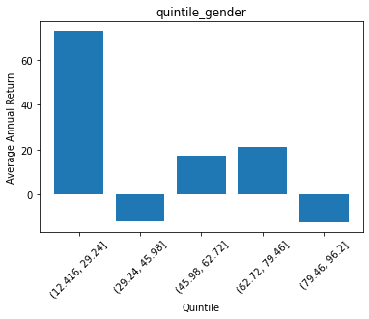
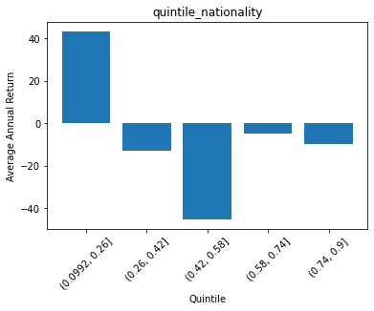
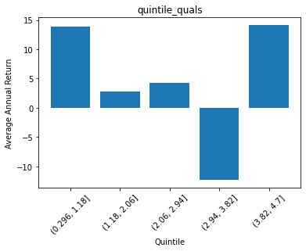
 | quintile_gender | ROE
0 | (12.416, 29.24] | 72.850188978
1 | (29.24, 45.98] | -11.746464755
2 | (45.98, 62.72] | 17.544263875
3 | (62.72, 79.46] | 21.372065028
4 | (79.46, 96.2] | -12.232256023

 | quintile_nationality | ROE
0 | (0.0992, 0.26] | 43.446377518
1 | (0.26, 0.42] | -12.884091279
2 | (0.42, 0.58] | -45.367263612
3 | (0.58, 0.74] | -4.7319612048
4 | (0.74, 0.9] | -9.6908054201

 | quintile_quals | ROE
0 | (0.296, 1.18] | 13.897301533
1 | (1.18, 2.06] | 2.8083385933
2 | (2.06, 2.94] | 4.1977696281
3 | (2.94, 3.82] | -12.27972839
4 | (3.82, 4.7] | 14.117928644

