bdx
 | quintile_gender | ANN_RETURN
0 | (30.735, 43.88] | 0.03894174705
1 | (43.88, 56.96] | 0.2612853685
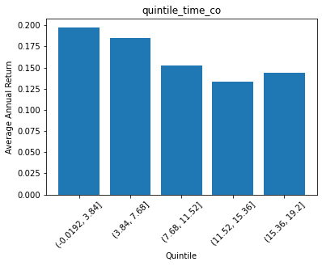
2 | (56.96, 70.04] | 0.18128022952
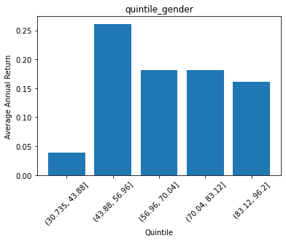
3 | (70.04, 83.12] | 0.18109816649
4 | (83.12, 96.2] | 0.16141259569

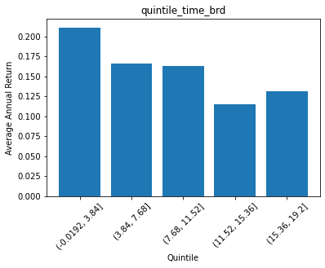
 | quintile_nationality | ANN_RETURN
0 | (0.0992, 0.26] | 0.1619904316
1 | (0.26, 0.42] | 0.186974662
2 | (0.42, 0.58] | 0.18602081862
3 | (0.58, 0.74] | 0.20613573552
4 | (0.74, 0.9] | 0.13607856536

 | quintile_quals | ANN_RETURN
0 | (-0.0035, 0.7] | 0.18952524268
1 | (0.7, 1.4] | 0.17493178576
2 | (1.4, 2.1] | 0.13947376037
3 | (2.1, 2.8] | 0.14601747607
4 | (2.8, 3.5] | 0.10663309136

 | quintile_age | ANN_RETURN
0 | (1.687, 4.32] | 0.17775915531
1 | (4.32, 6.94] | 0.17095716578
2 | (6.94, 9.56] | 0.17565524633
3 | (9.56, 12.18] | 0.22128664523
4 | (12.18, 14.8] | 0.099743372112

 | quintile_time_brd | ANN_RETURN
0 | (-0.0192, 3.84] | 0.21137718894
1 | (3.84, 7.68] | 0.16601346664
2 | (7.68, 11.52] | 0.16324382477
3 | (11.52, 15.36] | 0.11486813487
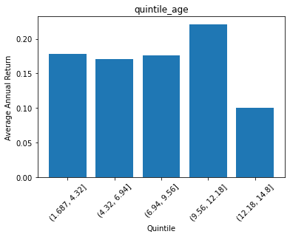
4 | (15.36, 19.2] | 0.13173974

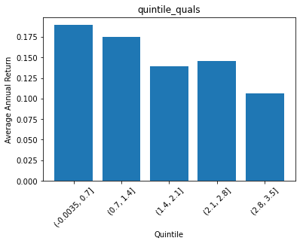
 | quintile_time_co | ANN_RETURN
0 | (-0.0192, 3.84] | 0.19780238389
1 | (3.84, 7.68] | 0.18536968506
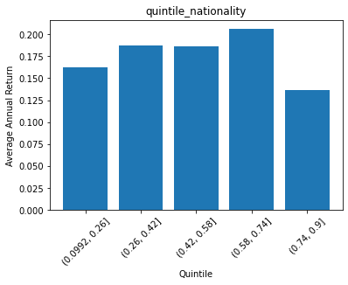
2 | (7.68, 11.52] | 0.15219487391
3 | (11.52, 15.36] | 0.13355922286
4 | (15.36, 19.2] | 0.14414100599

