mcv_roe
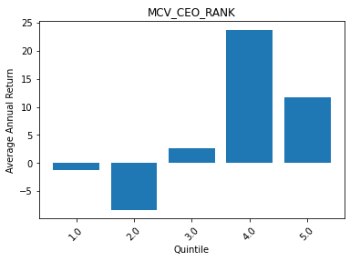
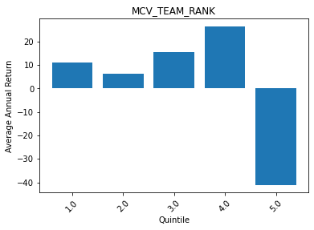
 | MCV_CEO_RANK | ROE
0 | 1 | -1.259876836
1 | 2 | -8.307385313
2 | 3 | 2.642022926
3 | 4 | 23.752653289
4 | 5 | 11.78635676

 | MCV_TEAM_RANK | ROE
0 | 1 | 11.024649437
1 | 2 | 6.2117054286
2 | 3 | 15.652782534
3 | 4 | 26.477776799
4 | 5 | -41.013665126

