List1
Project – Nuclear technology
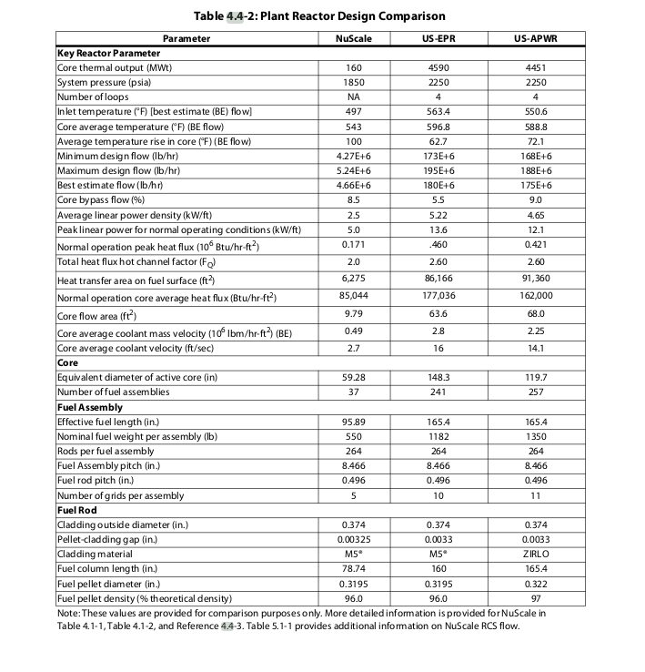
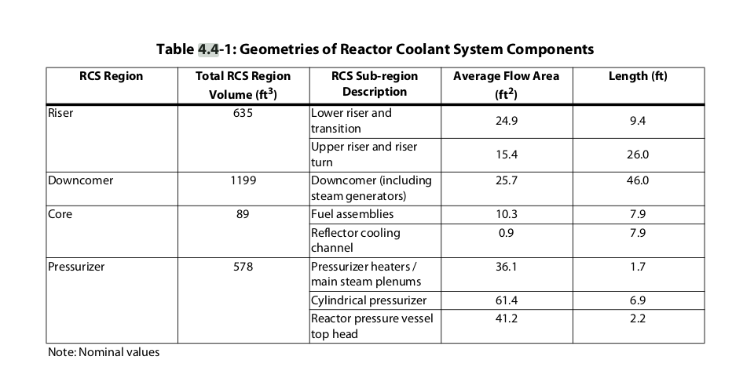
 | NuScale reactor parameters

 | Total core heat output | 160 | MWt
 | Total heat output in fuel pellets | 151.2 | MWt
 | Nominal system pressure | 12.76 | MPa
 | Total core mass flow rate | 587 | kg/s
Zdroj: Dokument NRC | Effective fuel cooling mass flow rate | 557.65 | kg/s
 | Number of fuel assemblies | 37
 | Active fuel height | 200 | cm
 | Lattice pitch | 21.5 | cm
 | Fuel rod pitch | 1259 | cm
 | Number of fuel rods per assembly | 264
 | Outside fuel rod diameter | 0.95 | cm
 | Clad thickness | 61 | cm
 | Fuel pellet diameter | 0.81153 | cm
 | Number of spacers | 5
 | Position | Equidistant
 | Spacer loss coefficient | 0.6
 | Clad roughness | 5.00E-04 | mm

 | Total number of rods per assembly | 269 | (-)
 | Fuel assembly side length
 | Fuel assembly coolant flow | 15.864864865 | k(kg//s)
 | Fuel assembly effective coolant flow | 15.071621622
 | Declared pressure drop(kPa) | 382.8

