Crush
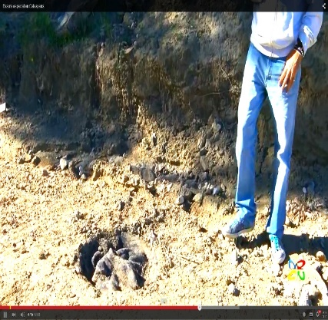
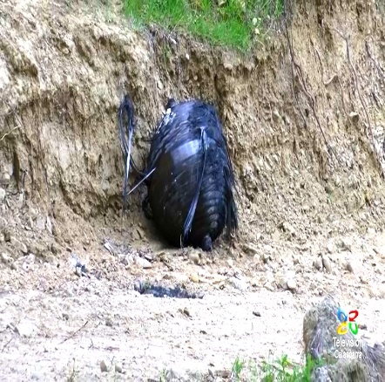
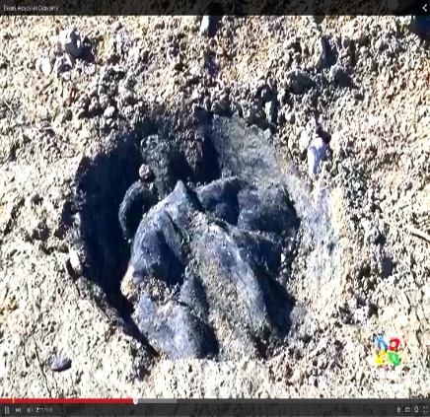
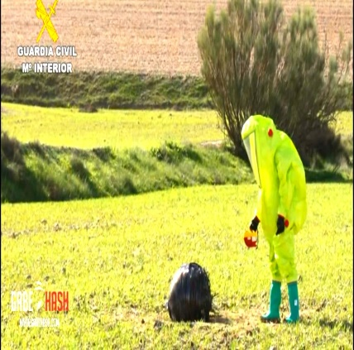
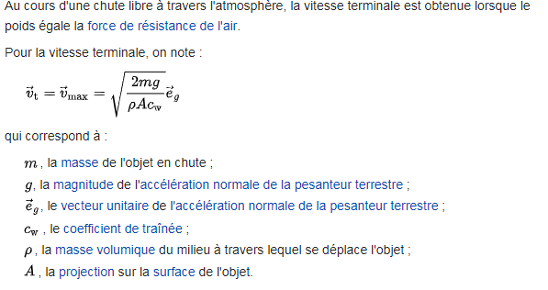
LANDING |  | HAYABUSA | HAYABUSA | HAYABUSA | HAYABUSA | STARDUST | STARDUST | BFS IMPACT |  |  |  |  |  | G_REC | G_REC
Shock |  |  |  | 2xMass | 30%Mass |  | 30%Mass |  |  |  |  |  |  | FAILURE | FAILURE
Mass | Kg | 16.27 | 8.9732682646 | 32.5 | 21.693333333 | 45 | 60 | 25 | 25 | 25 | 25 | 25 | 25 |  | 25
Diameter | m | 0.404 | 0.404 | 0.404 | 4 | 0.8 | 0.8 | 1 | 1 | 1 | 1 | 1 | 1 |  | 1
gO |  | 9.8 | 9.8 | 9.8 | 9.8 | 9.8 | 9.8 | 9.8 | 9.8 | 9.8 | 9.8 | 9.8 | 9.8 |  | 9.8
Air density |  | 1.25 | 1.25 | 1.25 | 1.25 | 1.25 | 1.25 | 1.25 | 1.25 | 1.25 | 1.25 | 1.25 | 1.25 |  | 1.25
Cross Section | m² | 0.128 | 0.128 | 0.128 | 12.566 | 0.503 | 0.503 | 0.785 | 0.785 | 0.785 | 0.785 | 0.785 | 0.785 |  | 0.785
Cx | (-) | 1 | 1 | 1 | 1 | 1 | 1 | 1 | 1 | 1 | 1 | 1 | 1 |  | 0.7
Cb | Kg/m² | 126.921 | 70.000 | 253.531 | 1.726 | 89.525 | 119.366 | 31.831 | 31.831 | 31.831 | 31.831 | 31.831 | 31.831 |  | 45.473
Velocity | m/s | 44.611 | 33.130 | 63.050 | 5.203 | 37.467 | 43.263 | 22.341 | 22.341 | 22.341 | 22.341 | 22.341 | 22.341 |  | 26.702
Fall Dist | m |  |  |  |  |  |  | 1.276 | 1.276 | 1.276 |  |  |  | 5.000 | 8.000 |  | ESM | Ratio |  |  | ORION
Fall Time | s |  |  |  |  |  |  | 0.51020943967 | 0.51020943967 | 0.51020943967 |  |  |  | 1.0101525446 | 1.27775313 |  | 4.0927388535 | 0.82 | 12.8 | 15.7 | 5.02
Velocity | m/s | 44.611 | 33.130 | 63.050 | 5.203 | 37.467 | 43.263 | 5.000 | 5.000 | 5.000 | 5.000 | 5.000 | 5.000 | 9.899 | 12.522
Velocity | Km/h | 160.5990606 | 119.26816843 | 226.98173149 | 18.729825996 | 134.87978318 | 155.74575826 | 18.000189032 | 18.000189032 | 18.000189032 | 18 | 18 | 18 | 35.638181772 | 45.079130426
Damp Dist | m | 0.1 | 0.1 | 0.15 | 0.1 | 0.1 | 0.1 | 0.001 | 0.002 | 0.005 | 0.001 | 0.001 | 0.001 | 0.001 | 0.001 |  |  | 0.77 | 50 | 65
Damp Dist | mm | 100 | 100 | 150 | 100 | 100 | 100 | 1 | 2 | 5 | 1 | 1 | 1 | 1 | 1 |  |  | 0.67 | 30 | 45
Acc° | m/s² | 9951 | 5488 | 13251 | 135 | 7019 | 9358 | 12500 | 6250 | 2500 | 12500 | 12500 | 12500 | 49000 | 78400 | PUNCH Terrain |  | 0.78 | 35 | 45
G-load | G | 1015 | 560 | 1352 | 14 | 716 | 955 | 1,276 | 638 | 255 | 1,276 | 1,276 | 1,276 | 5,000 | 8,000 |  |  | 0.81 | 65 | 80
Damp Time | ms |  |  |  |  |  |  | 0.400 | 0.800 | 2.000 | 0.400 | 0.400 | 0.400 | 0.202 | 0.160
Sampling Rate | Hz |  |  |  |  |  |  | 2,500 | 1,250 | 500 | 2,500 | 2,500 | 2,500 | 4,950 | 6,261

