MOTOR_AC
 | standard efficiency 60/50 Hz |  |  |  |  | [kW] | high efficiency 60/50 Hz |  |  |  |  | [kW] | premium efficiency 60/50 Hz
P | 2 poles |  | 4 poles |  | 6 poles |  | 2 poles |  | 4 poles |  | 6 poles |  | 2 poles |  | 4 poles |  | 6 poles |  | power [kW]:
[kW] | 3600/3000 rpm |  | 1800/1500 rpm |  | 1200/1000 rpm |  | 3600/3000 rpm |  | 1800/1500 rpm |  | 1200/1000 rpm |  | 3600/3000 rpm |  | 1800/1500 rpm |  | 1200/1000 rpm |  | rpm
0.8 | 72.1 | 0.2 | 72.1 | 0.2 | 70.0 | 0.2 | 77.4 | 0.2 | 79.6 | 0.2 | 75.9 | 0.2 | 80.7 | 0.1 | 82.5 | 0.1 | 78.9 | 0.2 | heat [kW]
1.1 | 75.0 | 0.3 | 75.0 | 0.3 | 72.9 | 0.3 | 79.6 | 0.2 | 81.4 | 0.2 | 78.1 | 0.2 | 82.7 | 0.2 | 84.1 | 0.2 | 81.0 | 0.2
1.5 | 77.2 | 0.3 | 77.2 | 0.3 | 75.2 | 0.4 | 81.3 | 0.3 | 82.8 | 0.3 | 79.8 | 0.3 | 84.2 | 0.2 | 85.3 | 0.2 | 82.5 | 0.3
2.2 | 79.7 | 0.4 | 79.7 | 0.4 | 77.7 | 0.5 | 83.2 | 0.4 | 84.3 | 0.3 | 81.8 | 0.4 | 85.9 | 0.3 | 86.7 | 0.3 | 84.3 | 0.3 | PUMP
3.0 | 81.5 | 0.6 | 81.5 | 0.6 | 79.7 | 0.6 | 84.6 | 0.5 | 85.5 | 0.4 | 83.3 | 0.5 | 87.1 | 0.4 | 87.7 | 0.4 | 85.6 | 0.4 | q = | 230 m3/h
4.0 | 83.1 | 0.7 | 83.1 | 0.7 | 81.4 | 0.7 | 85.8 | 0.6 | 86.6 | 0.5 | 84.6 | 0.6 | 88.1 | 0.5 | 88.6 | 0.5 | 86.8 | 0.5 | ρ = | 1000 kg/m3
5.5 | 84.7 | 0.8 | 84.7 | 0.8 | 83.1 | 0.9 | 87.0 | 0.7 | 87.7 | 0.7 | 86.0 | 0.8 | 89.2 | 0.6 | 89.6 | 0.6 | 88.0 | 0.7 | h = | . mH2O | . bar
7.5 | 86.0 | 1.1 | 86.0 | 1.1 | 84.7 | 1.1 | 88.1 | 0.9 | 88.7 | 0.8 | 87.2 | 1.0 | 90.1 | 0.7 | 90.4 | 0.7 | 89.1 | 0.8 |  | 2.86 bar | 29.2 mH2O
11.0 | 87.6 | 1.4 | 87.6 | 1.4 | 86.4 | 1.5 | 89.4 | 1.2 | 89.8 | 1.1 | 88.7 | 1.2 | 91.2 | 1.0 | 91.4 | 0.9 | 90.3 | 1.1 | η = | 0.5279
15.0 | 88.7 | 1.7 | 88.7 | 1.7 | 87.7 | 1.8 | 90.3 | 1.5 | 90.6 | 1.4 | 89.7 | 1.5 | 91.9 | 1.2 | 92.1 | 1.2 | 91.2 | 1.3 | P = | 34.6 kW | 34613 W
18.5 | 89.3 | 2.0 | 89.3 | 2.0 | 88.6 | 2.1 | 90.9 | 1.7 | 91.2 | 1.6 | 90.4 | 1.8 | 92.4 | 1.4 | 92.6 | 1.4 | 91.7 | 1.5
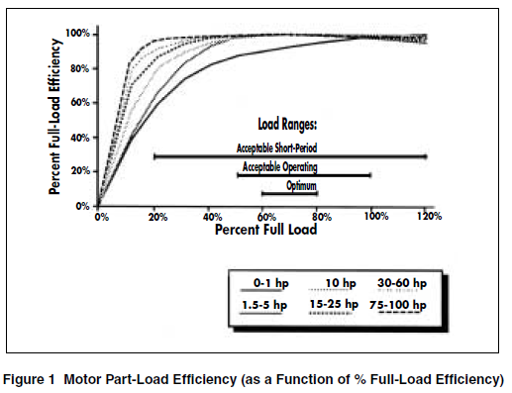
22.0 | 89.9 | 2.2 | 89.9 | 2.2 | 89.2 | 2.4 | 91.3 | 1.9 | 91.6 | 1.8 | 90.9 | 2.0 | 92.7 | 1.6 | 93.0 | 1.5 | 92.2 | 1.7
30.0 | 90.7 | 2.8 | 90.7 | 2.8 | 90.2 | 2.9 | 92.0 | 2.4 | 92.3 | 2.3 | 91.7 | 2.5 | 93.3 | 2.0 | 93.6 | 1.9 | 92.9 | 2.1
37.0 | 91.2 | 3.3 | 91.2 | 3.3 | 90.8 | 3.4 | 92.5 | 2.8 | 92.7 | 2.7 | 92.2 | 2.9 | 93.7 | 2.3 | 93.9 | 2.3 | 93.3 | 2.5
45.0 | 91.7 | 3.7 | 91.7 | 3.7 | 91.4 | 3.9 | 92.9 | 3.2 | 93.1 | 3.1 | 92.7 | 3.3 | 94.0 | 2.7 | 94.2 | 2.6 | 93.7 | 2.8
55.0 | 92.1 | 4.3 | 92.1 | 4.3 | 91.9 | 4.5 | 93.2 | 3.7 | 93.5 | 3.6 | 93.1 | 3.8 | 94.3 | 3.1 | 94.6 | 3.0 | 94.1 | 3.2
75.0 | 92.7 | 5.5 | 92.7 | 5.5 | 92.6 | 5.6 | 93.8 | 4.7 | 94.0 | 4.5 | 93.7 | 4.7 | 94.7 | 4.0 | 95.0 | 3.8 | 94.6 | 4.1
90.0 | 93.0 | 6.3 | 93.0 | 6.3 | 92.9 | 6.4 | 94.1 | 5.3 | 94.2 | 5.2 | 94.0 | 5.4 | 95.0 | 4.5 | 95.2 | 4.3 | 94.9 | 4.6
110.0 | 93.3 | 7.4 | 93.3 | 7.4 | 93.3 | 7.4 | 94.3 | 6.3 | 94.5 | 6.1 | 94.3 | 6.3 | 95.2 | 5.3 | 95.4 | 5.1 | 95.1 | 5.4
132.0 | 93.5 | 8.6 | 93.5 | 8.6 | 93.5 | 8.6 | 94.6 | 7.1 | 94.7 | 7.0 | 94.6 | 7.1 | 95.4 | 6.1 | 95.6 | 5.8 | 95.4 | 6.1
160.0 | 93.7 | 10.1 | 93.8 | 9.9 | 93.8 | 9.9 | 94.8 | 8.3 | 94.9 | 8.2 | 94.8 | 8.3 | 95.6 | 7.0 | 95.8 | 6.7 | 95.6 | 7.0
200.0 | 94.0 | 12.0 | 94.0 | 12.0 | 94.0 | 12.0 | 95.0 | 10.0 | 95.1 | 9.8 | 95.0 | 10.0 | 95.8 | 8.4 | 96.0 | 8.0 | 95.8 | 8.4
250.0 | 94.0 | 15.0 | 94.0 | 15.0 | 94.0 | 15.0 | 95.0 | 12.5 | 95.1 | 12.3 | 95.0 | 12.5 | 95.8 | 10.5 | 96.0 | 10.0 | 95.8 | 10.5
315.0 | 94.0 | 18.9 | 94.0 | 18.9 | 94.0 | 18.9 | 95.0 | 15.8 | 95.1 | 15.4 | 95.0 | 15.8 | 95.8 | 13.2 | 96.0 | 12.6 | 95.8 | 13.2
355.0 | 94.0 | 21.3 | 94.0 | 21.3 | 94.0 | 21.3 | 95.0 | 17.8 | 95.1 | 17.4 | 95.0 | 17.8 | 95.8 | 14.9 | 96.0 | 14.2 | 95.8 | 14.9
375.0 | 94.0 | 22.5 | 94.0 | 22.5 | 94.0 | 22.5 | 95.0 | 18.8 | 95.1 | 18.4 | 95.0 | 18.8 | 95.8 | 15.8 | 96.0 | 15.0 | 95.8 | 15.8

 |  |  |  |  | MSC.1/Circular.1314

MOTOR_WC
 | to air
1600 | 3.8
2100 | 4.4
2200 | 4.3
1200 | 1.7
type | power | voltage | freqencey | to water | to air | percentage
[-] | P [kW] | [V] | [Hz] | Q [kW] | H [kW] | [%]
HHI HRN3 509-88Y | 1600 | 630 | 60 | 80 | 3.8 | 4.8
HHI HRN3 569-88Y | 2100 | 630 | 50 | 92 | 4.4 | 4.8
HHI HRN3 635-88Y | 2200 | 630 | 40 | 92 | 4.3 | 4.7
Marelli B5J 500 LB6 | 1200 | 690 | 50 | 31.6 | 1.7 | 5.4

Estimation | 1515 |  |  |  | 3.0040304292

TRFO
NEMA Class I efficiency levels for 3-phase, dry-type, low-voltage transformers
kVA | Efficiency
15 | 97.0
30 | 97.5
45 | 97.7
75 | 98.0
112.5 | 98.2
150 | 98.3
225 | 98.5
300 | 98.6
500 | 98.7
750 | 98.8
1000 | 98.9

estimate
750 | 98.912689911

loss: | 8.2

MOONPOOL
 | moonpool |  |  | displacement |  |  |  | 2.0811290126 | -0.25132741229 | -0.48
 | A [m2] = | 111.7 |  | V [m3] = | 618.818 |  |  | 2.2509537586 | -0.18849555922 | -0.36 | 2.7028447792 | 1.415206217
 | H [m] = | 13.5 |  | M [T] = | 618.818 |  |  | 2.422826943 | -0.12566370614 | -0.24 | 2.7354466887 | 1.4322765369
 |  |  |  |  |  |  |  | 2.5960702609 | -0.062831853072 | -0.12 | 2.7572530398 | 1.4436943156
 |  | cond 1 | cond 2 | cond 3 | cond 4 | cond 5 | cond 6 | 2.77 | 0 | 0 | 2.7681777728 | 1.4494144925
 | load condition = | LC1 | LC2 |  |  |  |  | 2.9439297391 | 0.062831853072 | 0.12 | 2.7681777728 | 1.4494144925
 | moonpool condition = | open | closed | open |  |  |  | 3.117173057 | 0.12566370614 | 0.24 | 2.7572530398 | 1.4436943156
 | µ [°] = | 180 | 180 | 180 |  |  |  | 3.2890462414 | 0.18849555922 | 0.36 | 2.7354466887 | 1.4322765369
 | Vs [kn] = | 4 | 8 | 0 |  |  |  | 3.4588709874 | 0.25132741229 | 0.48 | 2.7028447792 | 1.415206217
 | RMS = | 1.4 | 0.73 | 1.15 |  |  |  | 3.6259770744 | 0.31415926536 | 0.6 | 2.6595759762 | 1.3925507248
 | significant wave height Hs [m] = | 6.5 | 4.5 | 6.5 |  |  |  | 3.7897050109 | 0.37699111843 | 0.72 | 2.6058110419 | 1.364399471
 | Ts[s] = | 12 | 10.5 | 12 |  |  |  | 3.9494086376 | 0.4398229715 | 0.84 | 2.5417621619 | 1.3308635558
 | relative elevation in moonpool [m] = | 5.5 | 2.3 | 4.2 | 0.0 | 0.0 | 0.0 | 4.1044576773 | 0.50265482457 | 0.96 | 2.4676821078 | 1.2920753302
 |  |  |  |  |  |  |  | 4.2542402221 | 0.56548667765 | 1.08 | 2.3838632399 | 1.2481878736
 | linear approach |  |  | sinusoidal approach |  |  |  | 4.3981651489 | 0.62831853072 | 1.2 | 2.2906363528 | 1.1993743897
 | V max [m/s] = | 0.92 |  | V max [m/s] = | 1.45 |  | 0.6370388444 | 4.5356644516 | 0.69115038379 | 1.32 | 2.1883693705 | 1.1458275229
 | Q [m3/s] = | 103.14 |  | Q [m3/s] = | 161.90 |  |  | 4.6661954834 | 0.75398223686 | 1.44 | 2.0774658941 | 1.0877585985
 |  |  |  |  |  |  |  | 4.789243098 | 0.81681408993 | 1.56 | 1.9583636089 | 1.0253967878
 | ventilation |  |  | ventilation |  |  |  | 4.9043216825 | 0.87964594301 | 1.68 | 1.8315325572 | 0.95898820443
 |  |  |  |  |  |  |  | 5.0109770744 | 0.94247779608 | 1.8 | 1.6974732833 | 0.88879493275
 | 7 | n [pcs] |  | 7 | n [pcs] |  |  | 5.1087883536 | 1.0053096491 | 1.92 | 1.5567148578 | 0.81509399352
 | 450 | DN [mm] |  | 450 | DN [mm] |  |  | 5.1973695037 | 1.0681415022 | 2.04 | 1.40981279 | 0.73817625067
 |  |  |  |  |  |  |  | 5.2763709353 | 1.1309733553 | 2.16 | 1.2573468352 | 0.65834526341
53041.542857 | 371291 | 92.6 |  | 582839 | 145.4 |  |  | 5.3454808659 | 1.1938052084 | 2.28 | 1.0999187068 | 0.57591608816
 | [m3/h] | [m/s] |  | [m3/h] | [m/s] |  |  | 5.4044265501 | 1.2566370614 | 2.4 | 0.93814970187 | 0.49121403523
 |  |  |  |  |  |  |  | 5.4529753563 | 1.3194689145 | 2.52 | 0.77267824861 | 0.40457338491
 |  |  |  |  |  |  |  | 5.4909356845 | 1.3823007676 | 2.64 | 0.60415738732 | 0.31633606827
 |  |  |  |  |  |  |  | 5.5181577226 | 1.4451326207 | 2.76 | 0.43325219283 | 0.22685031769
 |  |  |  |  |  |  |  | 5.5345340377 | 1.5079644737 | 2.88 | 0.26063714986 | 0.13646929254
 |  |  |  |  |  |  |  | 5.54 | 1.5707963268 | 3 | 0.086993491143 | 0.045549685447
 |  |  |  |  |  |  |  | 5.5345340377 | 1.6336281799 | 3.12 | -0.086993491143 | -0.045549685447
 |  |  |  |  |  |  |  | 5.5181577226 | 1.6964600329 | 3.24 | -0.26063714986 | -0.13646929254
 |  |  |  |  |  |  |  | 5.4909356845 | 1.759291886 | 3.36 | -0.43325219283 | -0.22685031769
 |  |  |  |  |  |  |  | 5.4529753563 | 1.8221237391 | 3.48 | -0.60415738732 | -0.31633606827
 |  |  |  |  |  |  |  | 5.4044265501 | 1.8849555922 | 3.6 | -0.77267824861 | -0.40457338491
 |  |  |  |  |  |  |  | 5.3454808659 | 1.9477874452 | 3.72 | -0.93814970187 | -0.49121403523
 |  |  |  |  |  |  |  | 5.2763709353 | 2.0106192983 | 3.84 | -1.0999187068 | -0.57591608816
 |  |  |  |  |  |  |  | 5.1973695037 | 2.0734511514 | 3.96 | -1.2573468352 | -0.65834526341
 |  |  |  |  |  |  |  | 5.1087883536 | 2.1362830044 | 4.08 | -1.40981279 | -0.73817625067
 |  |  |  |  |  |  |  | 5.0109770744 | 2.1991148575 | 4.2 | -1.5567148578 | -0.81509399352
 |  |  |  |  |  |  |  | 4.9043216825 | 2.2619467106 | 4.32 | -1.6974732833 | -0.88879493275
 |  |  |  |  |  |  |  | 4.789243098 | 2.3247785637 | 4.44 | -1.8315325572 | -0.95898820443
 |  |  |  |  |  |  |  | 4.6661954834 | 2.3876104167 | 4.56 | -1.9583636089 | -1.0253967878
 |  |  |  |  |  |  |  | 4.5356644516 | 2.4504422698 | 4.68 | -2.0774658941 | -1.0877585985
 |  |  |  |  |  |  |  | 4.3981651489 | 2.5132741229 | 4.8 | -2.1883693705 | -1.1458275229
 |  |  |  |  |  |  |  | 4.2542402221 | 2.5761059759 | 4.92 | -2.2906363528 | -1.1993743897
 |  |  |  |  |  |  |  | 4.1044576773 | 2.638937829 | 5.04 | -2.3838632399 | -1.2481878736
 |  |  |  |  |  |  |  | 3.9494086376 | 2.7017696821 | 5.16 | -2.4676821078 | -1.2920753302
 |  |  |  |  |  |  |  | 3.7897050109 | 2.7646015352 | 5.28 | -2.5417621619 | -1.3308635558
 |  |  |  |  |  |  |  | 3.6259770744 | 2.8274333882 | 5.4 | -2.6058110419 | -1.364399471
 |  |  |  |  |  |  |  | 3.4588709874 | 2.8902652413 | 5.52 | -2.6595759762 | -1.3925507248
 |  |  |  |  |  |  |  | 3.2890462414 | 2.9530970944 | 5.64 | -2.7028447792 | -1.415206217
 |  |  |  |  |  |  |  | 3.117173057 | 3.0159289474 | 5.76 | -2.7354466887 | -1.4322765369
 |  |  |  |  |  |  |  | 2.9439297391 | 3.0787608005 | 5.88 | -2.7572530398 | -1.4436943156
 |  |  |  |  |  |  |  | 2.77 | 3.1415926536 | 6 | -2.7681777728 | -1.4494144925
 |  |  |  |  |  |  |  | 2.5960702609 | 3.2044245067 | 6.12 | -2.7681777728 | -1.4494144925
 |  |  |  |  |  |  |  | 2.422826943 | 3.2672563597 | 6.24 | -2.7572530398 | -1.4436943156
 |  |  |  |  |  |  |  | 2.2509537586 | 3.3300882128 | 6.36 | -2.7354466887 | -1.4322765369
 |  |  |  |  |  |  |  | 2.0811290126 | 3.3929200659 | 6.48 | -2.7028447792 | -1.415206217
 |  |  |  |  |  |  |  | 1.9140229256 | 3.4557519189 | 6.6 | -2.6595759762 | -1.3925507248
 |  |  |  |  |  |  |  | 1.7502949891 | 3.518583772 | 6.72 | -2.6058110419 | -1.364399471
 |  |  |  |  |  |  |  | 1.5905913624 | 3.5814156251 | 6.84 | -2.5417621619 | -1.3308635558
 |  |  |  |  |  |  |  | 1.4355423227 | 3.6442474782 | 6.96 | -2.4676821078 | -1.2920753302
 |  |  |  |  |  |  |  | 1.2857597779 | 3.7070793312 | 7.08 | -2.3838632399 | -1.2481878736
 |  |  |  |  |  |  |  | 1.1418348511 | 3.7699111843 | 7.2 | -2.2906363528 | -1.1993743897
 |  |  |  |  |  |  |  | 1.0043355484 | 3.8327430374 | 7.32 | -2.1883693705 | -1.1458275229
 |  |  |  |  |  |  |  | 0.87380451658 | 3.8955748905 | 7.44 | -2.0774658941 | -1.0877585985
 |  |  |  |  |  |  |  | 0.75075690204 | 3.9584067435 | 7.56 | -1.9583636089 | -1.0253967878
 |  |  |  |  |  |  |  | 0.63567831751 | 4.0212385966 | 7.68 | -1.8315325572 | -0.95898820443
 |  |  |  |  |  |  |  | 0.52902292558 | 4.0840704497 | 7.8 | -1.6974732833 | -0.88879493275
 |  |  |  |  |  |  |  | 0.43121164636 | 4.1469023027 | 7.92 | -1.5567148578 | -0.81509399352
 |  |  |  |  |  |  |  | 0.34263049628 | 4.2097341558 | 8.04 | -1.40981279 | -0.73817625067
 |  |  |  |  |  |  |  | 0.26362906467 | 4.2725660089 | 8.16 | -1.2573468352 | -0.65834526341
 |  |  |  |  |  |  |  | 0.19451913409 | 4.335397862 | 8.28 | -1.0999187068 | -0.57591608816
 |  |  |  |  |  |  |  | 0.13557344986 | 4.398229715 | 8.4 | -0.93814970187 | -0.49121403523
 |  |  |  |  |  |  |  | 0.087024643674 | 4.4610615681 | 8.52 | -0.77267824861 | -0.40457338491
 |  |  |  |  |  |  |  | 0.049064315482 | 4.5238934212 | 8.64 | -0.60415738732 | -0.31633606827
 |  |  |  |  |  |  |  | 0.021842277359 | 4.5867252742 | 8.76 | -0.43325219283 | -0.22685031769
 |  |  |  |  |  |  |  | 0.0054659622537 | 4.6495571273 | 8.88 | -0.26063714986 | -0.13646929254
 |  |  |  |  |  |  |  | 0 | 4.7123889804 | 9 | -0.086993491143 | -0.045549685447
 |  |  |  |  |  |  |  | 0.0054659622537 | 4.7752208335 | 9.12 | 0.086993491143 | 0.045549685447
 |  |  |  |  |  |  |  | 0.021842277359 | 4.8380526865 | 9.24 | 0.26063714986 | 0.13646929254
 |  |  |  |  |  |  |  | 0.049064315482 | 4.9008845396 | 9.36 | 0.43325219283 | 0.22685031769
 |  |  |  |  |  |  |  | 0.087024643674 | 4.9637163927 | 9.48 | 0.60415738732 | 0.31633606827
 |  |  |  |  |  |  |  | 0.13557344986 | 5.0265482457 | 9.6 | 0.77267824861 | 0.40457338491
 |  |  |  |  |  |  |  | 0.19451913409 | 5.0893800988 | 9.72 | 0.93814970187 | 0.49121403523
 |  |  |  |  |  |  |  | 0.26362906467 | 5.1522119519 | 9.84 | 1.0999187068 | 0.57591608816
 |  |  |  |  |  |  |  | 0.34263049628 | 5.215043805 | 9.96 | 1.2573468352 | 0.65834526341
 |  |  |  |  |  |  |  | 0.43121164636 | 5.277875658 | 10.08 | 1.40981279 | 0.73817625067
 |  |  |  |  |  |  |  | 0.52902292558 | 5.3407075111 | 10.2 | 1.5567148578 | 0.81509399352
 |  |  |  |  |  |  |  | 0.63567831751 | 5.4035393642 | 10.32 | 1.6974732833 | 0.88879493275
 |  |  |  |  |  |  |  | 0.75075690204 | 5.4663712172 | 10.44 | 1.8315325572 | 0.95898820443
 |  |  |  |  |  |  |  | 0.87380451658 | 5.5292030703 | 10.56 | 1.9583636089 | 1.0253967878
 |  |  |  |  |  |  |  | 1.0043355484 | 5.5920349234 | 10.68 | 2.0774658941 | 1.0877585985
 |  |  |  |  |  |  |  | 1.1418348511 | 5.6548667765 | 10.8 | 2.1883693705 | 1.1458275229
 |  |  |  |  |  |  |  | 1.2857597779 | 5.7176986295 | 10.92 | 2.2906363528 | 1.1993743897
 |  |  |  |  |  |  |  | 1.4355423227 | 5.7805304826 | 11.04 | 2.3838632399 | 1.2481878736
 |  |  |  |  |  |  |  | 1.5905913624 | 5.8433623357 | 11.16 | 2.4676821078 | 1.2920753302
 |  |  |  |  |  |  |  | 1.7502949891 | 5.9061941887 | 11.28 | 2.5417621619 | 1.3308635558
 |  |  |  |  |  |  |  | 1.9140229256 | 5.9690260418 | 11.4 | 2.6058110419 | 1.364399471
 |  |  |  |  |  |  |  | 2.0811290126 | 6.0318578949 | 11.52 | 2.6595759762 | 1.3925507248
 |  |  |  |  |  |  |  | 2.2509537586 | 6.094689748 | 11.64 | 2.7028447792 | 1.415206217
 |  |  |  |  |  |  |  | 2.422826943 | 6.157521601 | 11.76 | 2.7354466887 | 1.4322765369
 |  |  |  |  |  |  |  | 2.5960702609 | 6.2203534541 | 11.88 | 2.7572530398 | 1.4436943156
 |  |  |  |  |  |  |  | 2.77 | 6.2831853072 | 12 | 2.7681777728 | 1.4494144925
 |  |  |  |  |  |  |  | 2.9439297391 | 6.3460171603 | 12.12 | 2.7681777728 | 1.4494144925
 |  |  |  |  |  |  |  | 3.117173057 | 6.4088490133 | 12.24 | 2.7572530398 | 1.4436943156
 |  |  |  |  |  |  |  | 3.2890462414 | 6.4716808664 | 12.36 | 2.7354466887 | 1.4322765369
 |  |  |  |  |  |  |  | 3.4588709874 | 6.5345127195 | 12.48 | 2.7028447792 | 1.415206217

AIR_TABLES
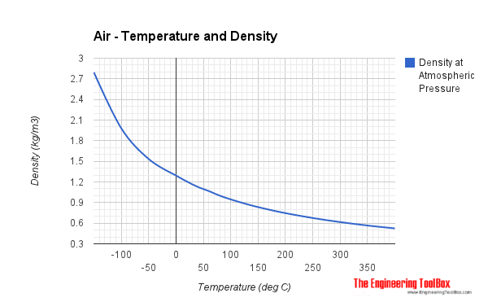
Temperature | Temperature | Specific Heat Capacity |  | Ratio of Specific Heats | Dynamic Viscosity | Thermal Conductivity | Prandtl Number | Kinematic Viscosity1) | Density1) | Diffusivity | Expansion coeff.
T | T | - cp - | - cv - | - k - | - μ - |  | Pr | - ν - | - ρ - | - α - | b
(°C) | (K) | (kJ/kgK) | (kJ/kgK) | (cp/cv) | (10-5 kg/m s) | (10-5 kW/m K) | (-) | 10-5 (m2/s) | (kg/m3) | (10-6 m2/s) | (1/K)
-23 | 250 | 1.0031 | 0.716 | 1.401 | 1.599 | 2.227 | 0.72 | 1.132 | 1.412 | 15.67
2 | 275 | 1.0038 | 0.7167 | 1.401 | 1.725 | 2.428 | 0.713 | 1.343 | 1.284
27 | 300 | 1.0049 | 0.7178 | 1.4 | 1.846 | 2.624 | 0.707 | 1.568 | 1.177 | 22.07
52 | 325 | 1.0063 | 0.7192 | 1.4 | 1.962 | 2.816 | 0.701 | 1.807 | 1.086
77 | 350 | 1.0082 | 0.7211 | 1.398 | 2.075 | 3.003 | 0.697 | 2.056 | 1.009 | 29.18
102 | 375 | 1.0106 | 0.7235 | 1.397 | 2.181 | 3.186 | 0.692 | 2.317 | 0.9413
127 | 400 | 1.0135 | 0.7264 | 1.395 | 2.286 | 3.365 | 0.688 | 2.591 | 0.8824 | 36.94

-150 | 123 | 1.026 |  |  | 0.86 | 0.0116 | 0.76 | 0.308 | 2.793 |  | 8.21
-100 | 173 | 1.009 |  |  | 1.18 | 0.016 | 0.74 | 0.595 | 1.98 |  | 5.82
-50 | 223 | 1.005 |  |  | 1.46 | 0.0204 | 0.725 | 0.955 | 1.534 |  | 4.51
0 | 273 | 1.005 |  |  | 1.72 | 0.0243 | 0.715 | 1.33 | 1.293 |  | 3.67
20 | 293 | 1.005 |  |  | 1.82 | 0.0257 | 0.713 | 1.511 | 1.205 |  | 3.43
40 | 313 | 1.005 |  |  | 1.91 | 0.0271 | 0.711 | 1.697 | 1.127 |  | 3.2
60 | 333 | 1.009 |  |  | 2.02 | 0.0285 | 0.709 | 1.89 | 1.067 |  | 3
80 | 353 | 1.009 |  |  | 2.09 | 0.0299 | 0.708 | 2.094 | 1 |  | 2.83
100 | 373 | 1.009 |  |  | 2.18 | 0.0314 | 0.703 | 2.306 | 0.946 |  | 2.68
120 | 393 | 1.013 |  |  | 2.27 | 0.0328 | 0.7 | 2.523 | 0.898 |  | 2.55
140 | 413 | 1.013 |  |  | 2.35 | 0.0343 | 0.695 | 2.755 | 0.854 |  | 2.43
160 | 433 | 1.017 |  |  | 2.43 | 0.0358 | 0.69 | 2.985 | 0.815 |  | 2.32
180 | 453 | 1.022 |  |  | 2.52 | 0.0372 | 0.69 | 3.229 | 0.779 |  | 2.21
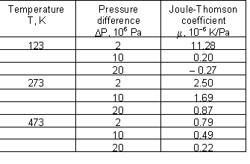
200 | 473 | 1.026 |  |  | 2.58 | 0.0386 | 0.685 | 3.463 | 0.746 |  | 2.11
250 | 523 | 1.034 |  |  | 2.78 | 0.0421 | 0.68 | 4.117 | 0.675 |  | 1.91
300 | 573 | 1.047 |  |  | 2.95 | 0.0454 | 0.68 | 4.785 | 0.616 |  | 1.75
350 | 623 | 1.055 |  |  | 3.12 | 0.0485 | 0.68 | 5.505 | 0.566 |  | 1.61
400 | 673 | 1.068 |  |  | 3.28 | 0.0515 | 0.68 | 6.253 | 0.524 |  | 1.49

LOUVER
 |  |  | intake
Name | Width | Height | 1 | 2 | 3 | 4 | 5 | 6 | 7 | 8
 |  |  | [m/s] | [m/s] | [m/s] | [m/s] | [m/s] | [m/s] | [m/s] | [m/s]
Halton PAL
Halton USL (i) | - | - | 11.5 | 45 | 100 | 160 | 270
Halton USS (i) | - | - | 5 | 22 | 50 | 90 | 140 | 220 | 330
Halton USS (e) | - | - | 5 | 13 | 30 | 52 | 82 | 125 | 190 | 280
SSVent- FS + damper (i/e) | - | - | 2 | 8 | 18 | 32 | 50 | 72 | 96 | 124
SSVent- FS (i/e) | - | - | 2 | 7 | 15 | 26 | 40 | 58 | 80 | 108
SSVent- SR-F/SR-G (i/e) | - | - | 2 | 6 | 15 | 26 | 41 | 58 | 80 | 103
Unknown | - | - | 7.5 | 17.5 | 32 | 50 | 75 | 100 | 140 | 200
TTS assume (i) |  |  | 5 | 22 | 50 | 90 | 140 | 220 | 330
TTS assume (e) |  |  | 5 | 17.5 | 40 | 71 | 111 | 172.5 | 260
middle |  |  | 5 | 16.928571429 | 37.142857143 | 62.285714286 | 99.714285714 | 105.5 | 152.66666667 | 163

 | Halton USL (i) | Halton USS (i) | Halton USS (e) | SSVent- FS + damper (i/e) | SSVent- FS (i/e) | SSVent- SR-F/SR-G (i/e) | Unknown | TTS assume (i)
1 | 11.5 | 5 | 5 | 2 | 2 | 2 | 7.5 | 5
2 | 45 | 22 | 13 | 8 | 7 | 6 | 17.5 | 22
3 | 100 | 50 | 30 | 18 | 15 | 15 | 32 | 50
4 | 160 | 90 | 52 | 32 | 26 | 26 | 50 | 90
5 | 270 | 140 | 82 | 50 | 40 | 41 | 75 | 140
6 |  | 220 | 125 | 72 | 58 | 58 | 100 | 220
7 |  | 330 | 190 | 96 | 80 | 80 | 140 | 330
8 |  |  | 280 | 124 | 108 | 103 | 200

Pressure_drop
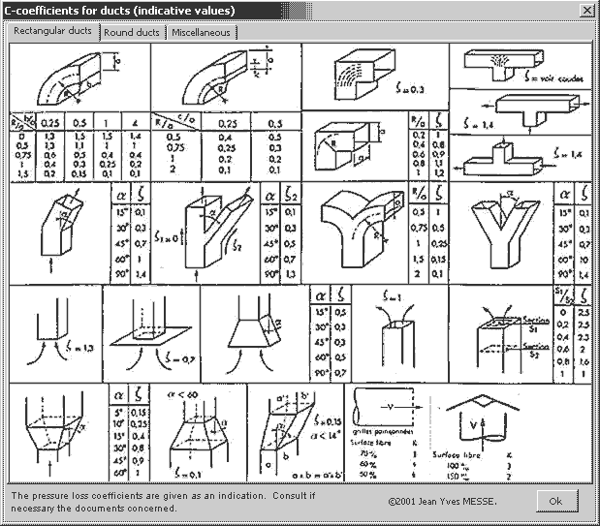
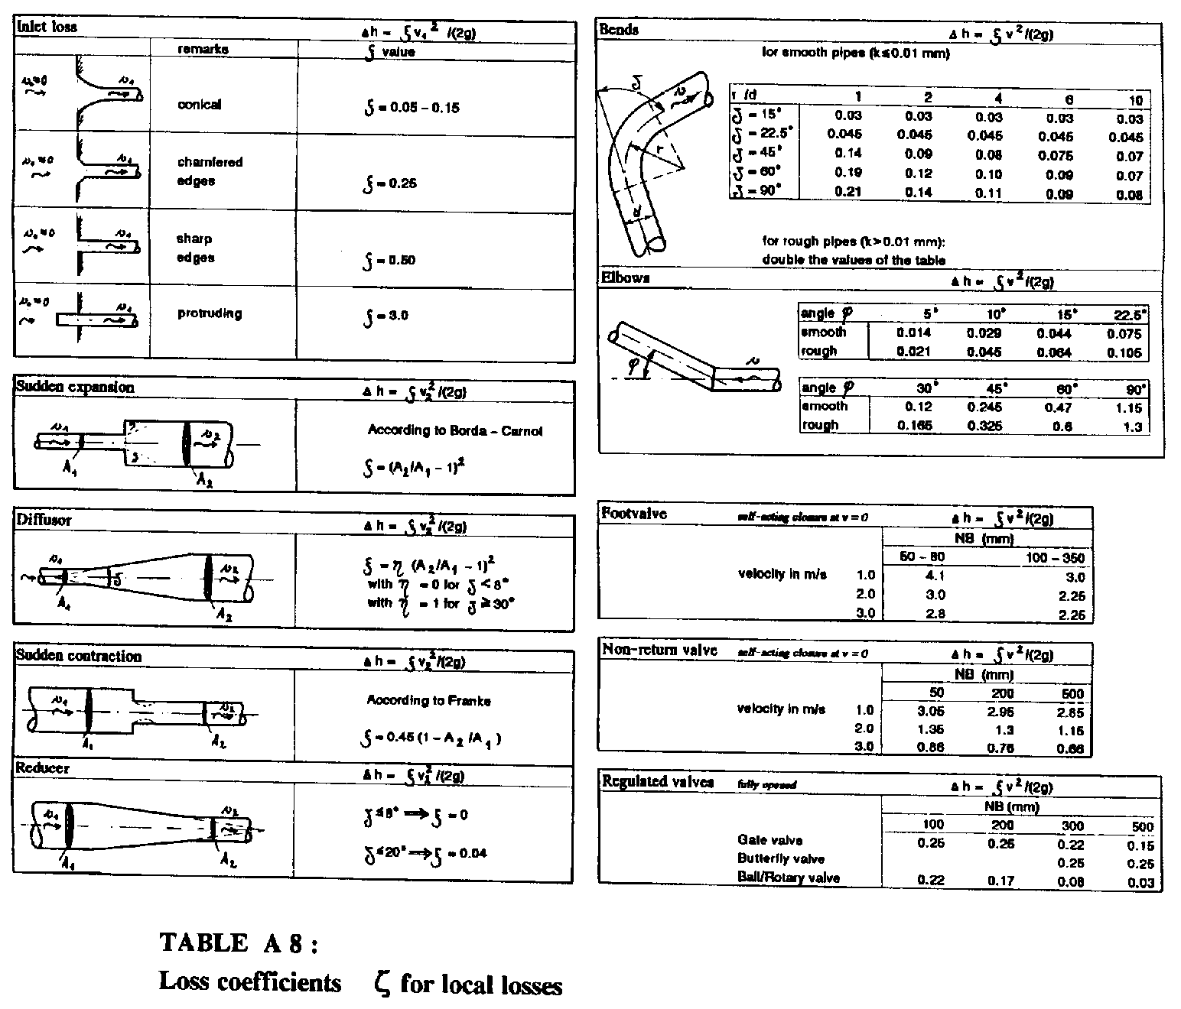
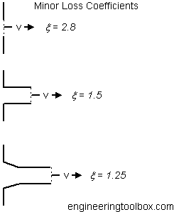
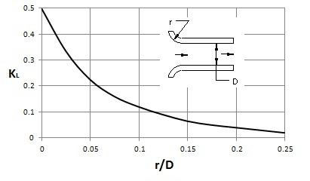
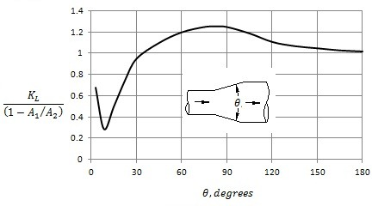
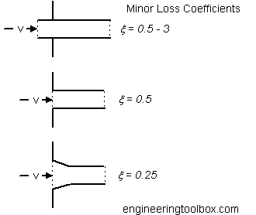
Pressure Drop (Pa)
Component Type |  | Air Velocity (m/s)
 |  | 2.0 | 2.25 | 2.5 | 2.75 | 3.0
Intake damper |  | 5 | 5 | 5 | 5 | 5
Mixing chamber | straight | 35 | 45 | 55 | 70 | 85
 | 90o | 40 | 55 | 70 | 85 | 100
Filter | short EU2 | 70 | 75 | 80 | 90 | 95
 | short EU3 |  | 110 | 120 | 135 | 145
 | long EU3 |  | 75 | 80 | 80 | 85
 | long EU5 |  | 125 | 140 | 150 | 165
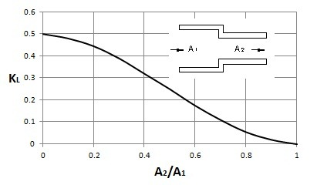
 | long EU7 |  | 150 | 165 | 175 | 185
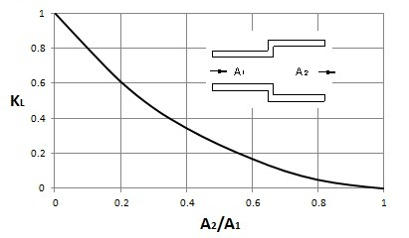
 | long EU9 |  | 175 | 190 | 210 | 230
Heater | water, size 1 |  | 5 | 10 | 10 | 10
 | water, size 2 |  | 15 | 15 | 20 | 20
 | water, size 3 |  | 25 | 30 | 30 | 35
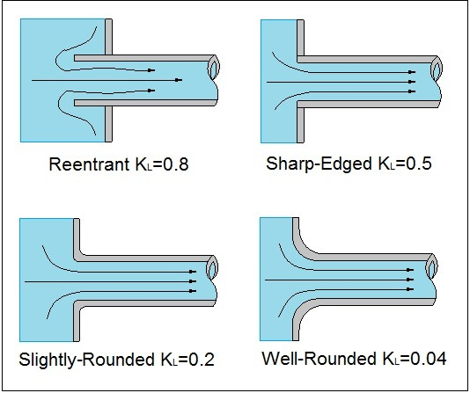
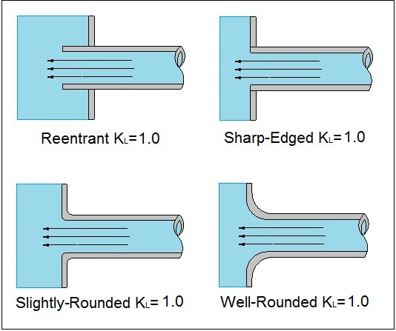
 | electrical, size 1 |  | 10 | 15 | 15 | 20
 | electrical, size 2 |  | 20 | 30 | 35 | 40
 | electrical, size 3 |  | 45 | 55 | 70 | 85
Cooler | size 1 |  | 25 | 30 | 35 | 40
 | size 2 |  | 35 | 40 | 45 | 55
 | size 3 |  | 45 | 50 | 60 | 70
 | drop separator |  |  |  | 45 | 50
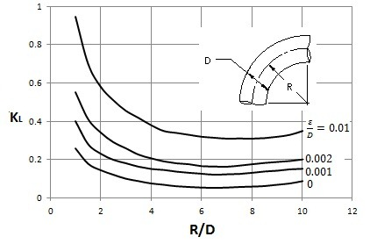
Humidifier | 60% |  | 60 | 75 | 90 | 110
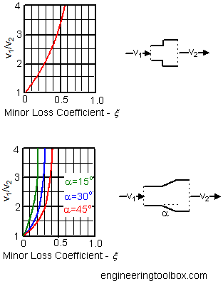
 | 90% |  | 100 | 120 | 160 | 180
Noise damper | 750 mm |  | 10 | 10 | 15 | 15
 | 1425 mm |  | 15 | 15 | 20 | 25
Rotating heat exchanger | big rotor |  | 140 | 160 | 180 | 195
 | little rotor |  | 170 | 195 | 220 | 245
Air-fluid-air exchanger | lamella 2 mm, size 1 |  | 60 | 75 | 90 | 105
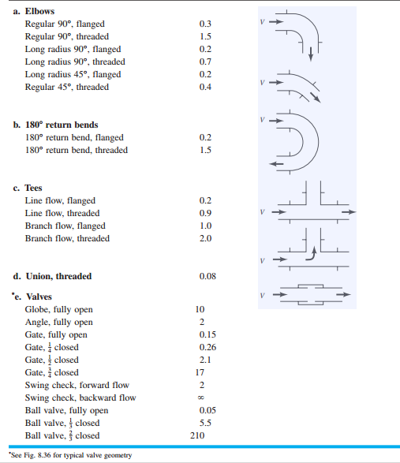
 | lamella 2 mm, size 2 |  | 90 | 110 | 130 | 155
 | lamella 2 mm, size 3 |  | 120 | 145 | 175 | 205
 | lamella 4 mm, size 1 |  | 35 | 45 | 55 | 65
 | lamella 4 mm, size 2 |  | 55 | 65 | 80 | 90
 | lamella 4 mm, size 3 |  | 70 | 85 | 100 | 120
 | drop separator |  |  |  | 45 | 50
Plate exchanger |  | 65 | 80 | 105 | 125 | 150
 | with drop separator |  |  |  |  | 200

SOLAS
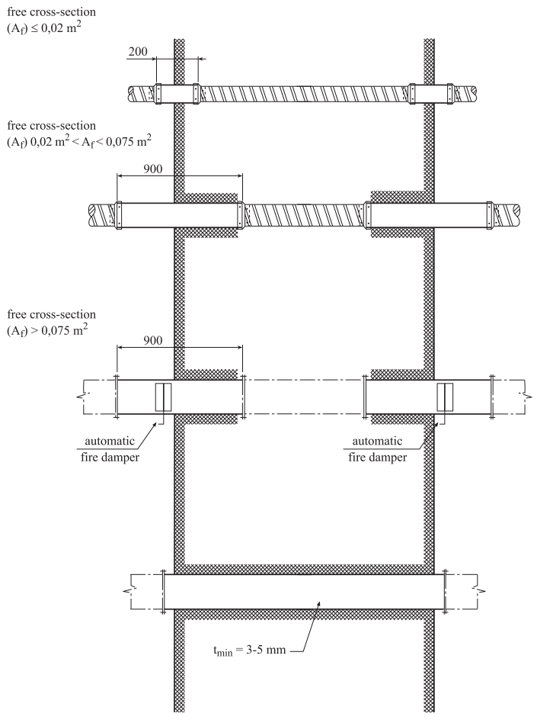
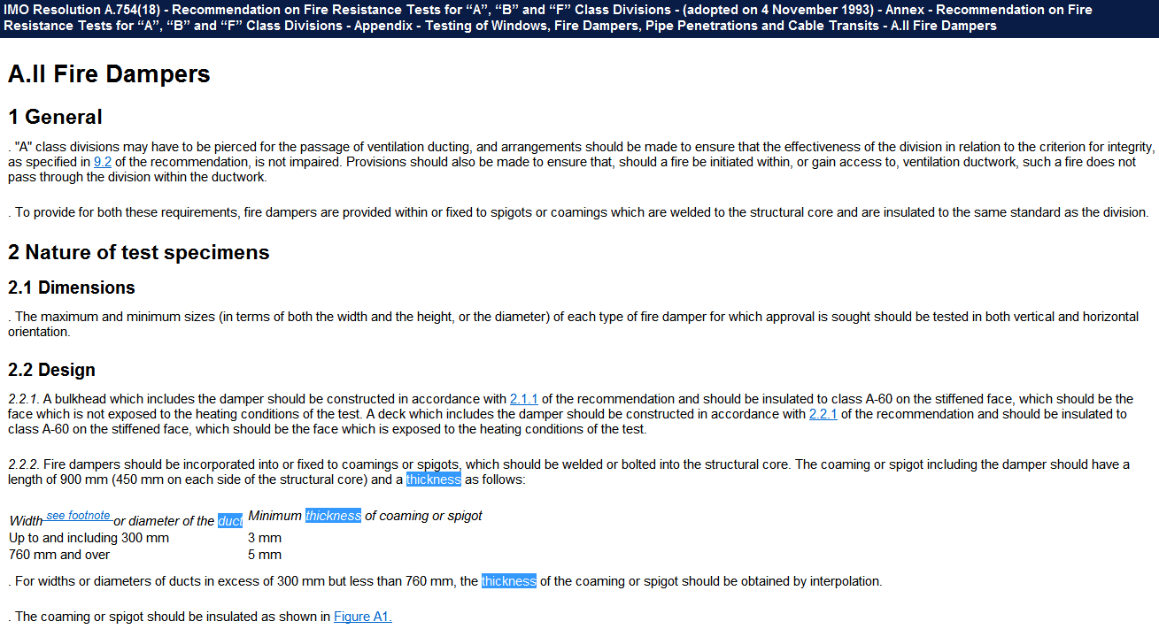
when penetrating A class division:
PENETRATION

 |  | from | to | duct
 | A [m2] | 0 | 0.02 | 150 |  | DN
 | t [mm] | 3 |  | 200 | 100 | WxH

 |  | from | to | actual | duct
 | A [m2] | 0.02 | 0.075 | 0.031 | 200 |  | DN
 | t [mm] | 3 | 5 | 3.4 |  |  | WxH

 |  | from | to | duct
 | A [m2] | 0.075 | inf |  |  | DN
 | t [mm] | 5 |  |  |  | WxH

ducts not routed through, unless:
ROUTING

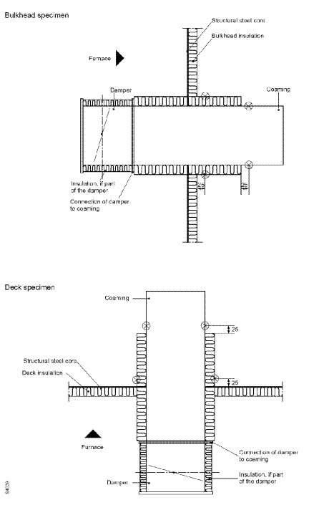
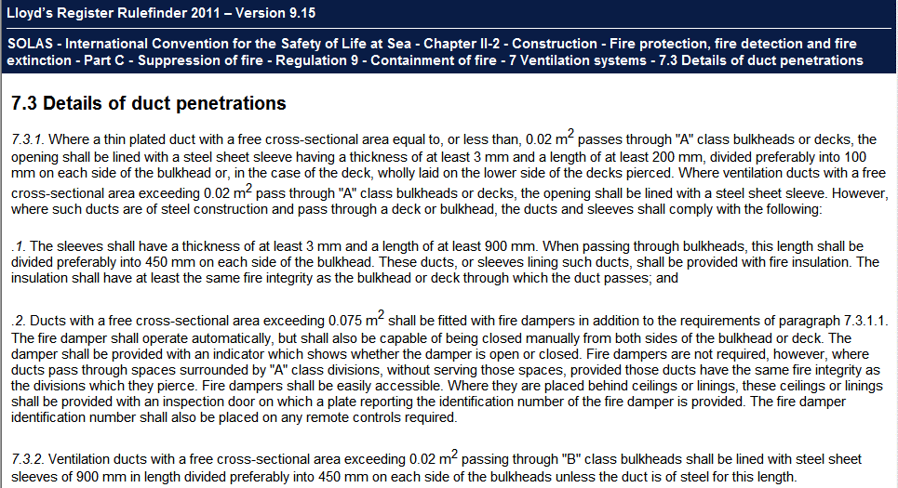
 |  | from | to | duct
 | A [m2] | 0 | 0.071 | 300 |  | DN
 | t [mm] | 3 |  | 300 | 200 | WxH

 |  | from | to | actual | duct
 | A [m2] | 0.071 | 0.453 | 0.125 |  |  | DN
 | t [mm] | 3 | 5 | 3.3 | 500 | 250 | WxH

 |  | from | to | duct
 | A [m2] | 0.453 | inf | 760 |  | DN
 | t [mm] | 5 |  | 800 | 550 | WxH

 |  |  | Jeżeli mam fire damper na linii przed daną peentracją, przejmuję się tlyko penetracją. Bez fire dampera trzeba patrzeć także na routing przez high fire risk space.

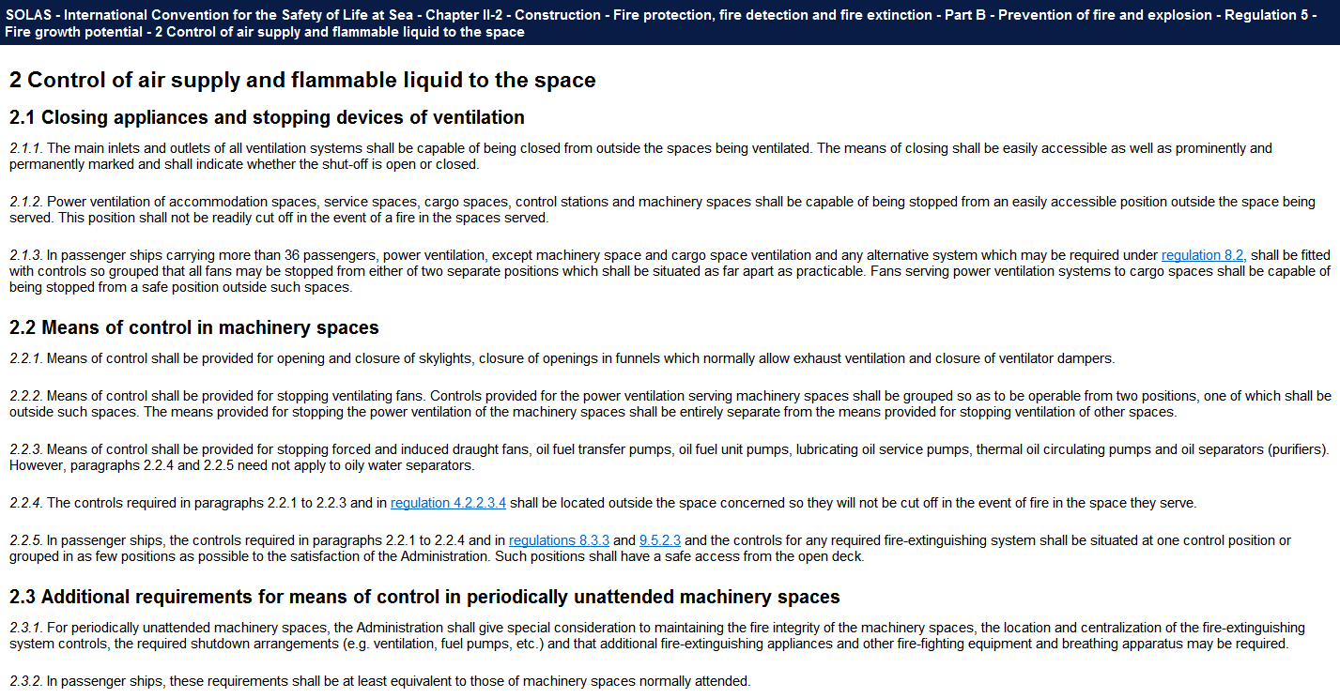

 |  |  |  |  |  |  |  | g

ICLL
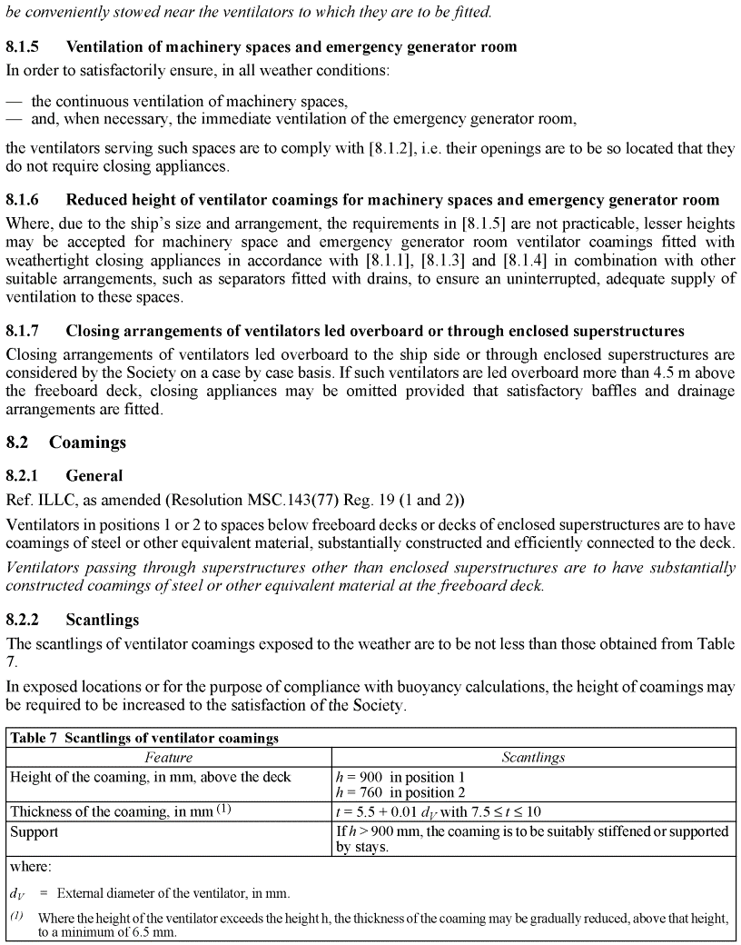
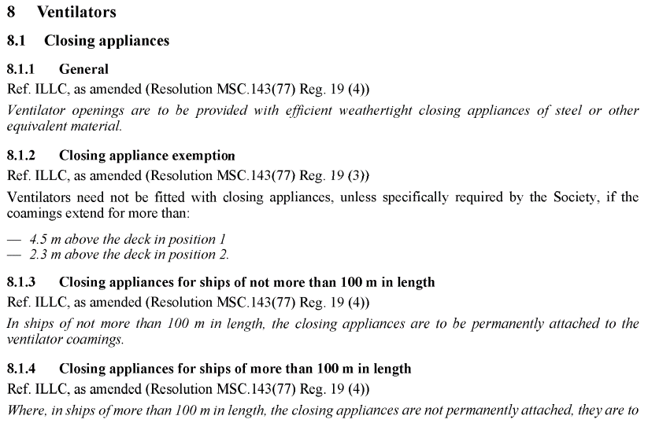
Bulk carriers, but applicable!

Engine_pressure
flow | pressure
[m3/h] | [Pa]
0 | 0
22 | 1000
88 | 8200

battery
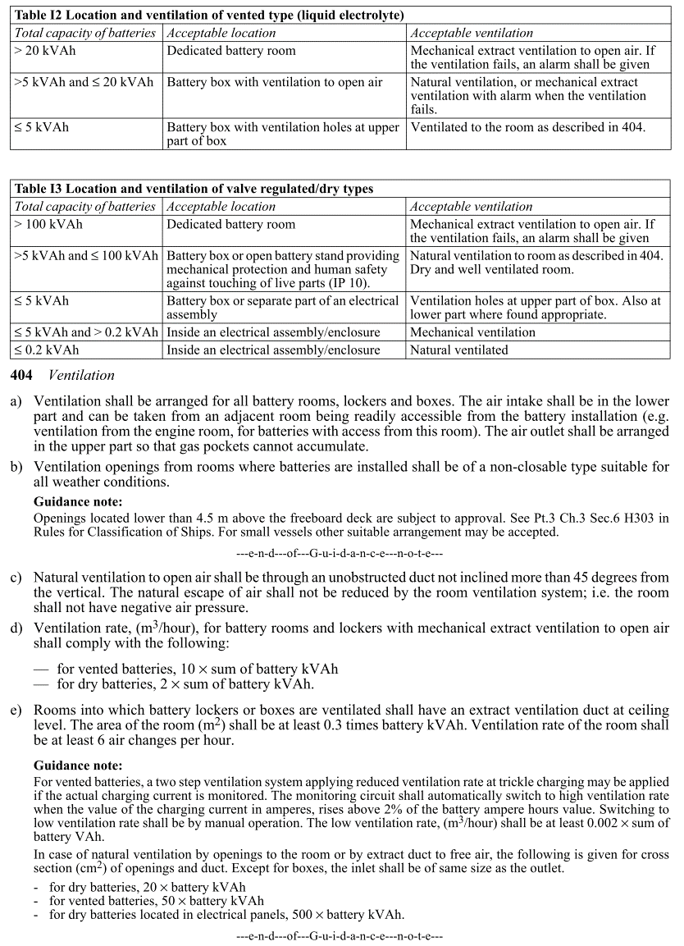
Location | Battery purpose | Cap. | pcs. | Total cap. | Charger current | Voltage | Battery Total Cap
 |  | Ah | - | Ah | A | V | kVAh | kW
Bridge | Distr. B1 |  | 2 | 200 | 50 | 24 | 9.6
Trafo room | Distr. B2 |  | 2 | 360 | 125 | 24 | 17.28 | 6000
Bow wkshp | Distr. B3 |  | 2 | 25 | 20 | 24 | 1.2 | 960
Bridge | Distr. B4 |  | 1 | 40 | 30 | 24 | 0.96 | 720
Trafo room | Distr. B5 |  | 1 | 96 | 12 | 24 | 2.304 | 288
Emergency gen. | Distr. B6 |  | 2 | 140 | 15 | 24 | 6.72 | 720

Bridge | 10.56

