Sheet1
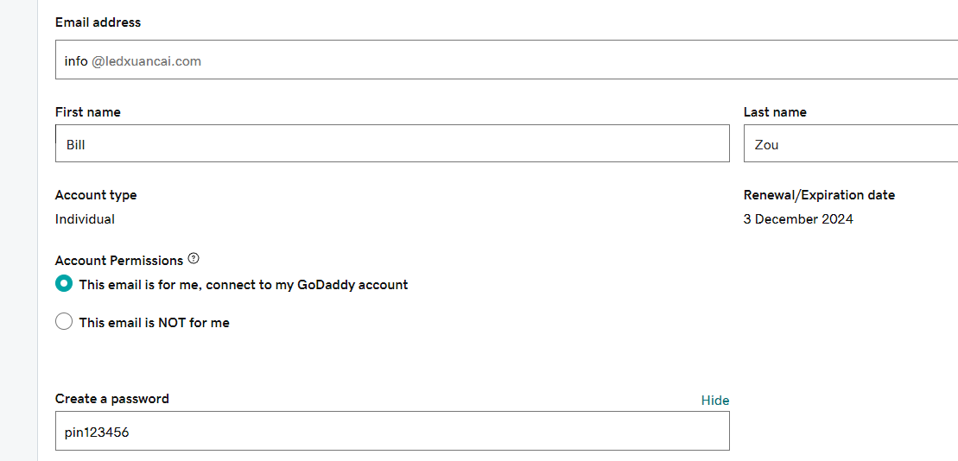
https://xcledchip.com/ |  | https://xcledchip.com/wp-login.php?redirect_to=https%3A%2F%2Fwww.xcledchip.com%2Fwp-admin%2F&reauth=1
http://www.xcled.com/
http://www.hcdhled.com/
https://www.oconaled.com/ | 1

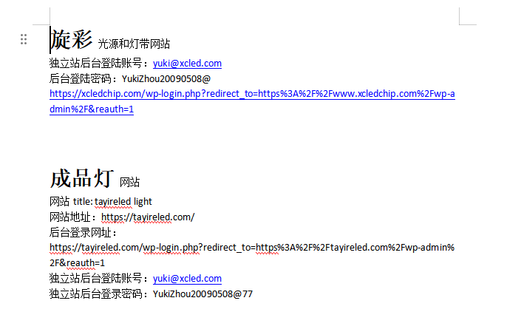

 |  | 独立站
 |  | https://accounts.funpinpin.cn/login
 |  | 13714218142@139.com
 |  | pin123456

 |  | google

 |  | oconaled@gmail.com |  | pin@123456
 |  | https://ads.google.com/aw/keywords?ocid=281791645&euid=575230032&__u=9514057168&uscid=281791645&__c=8182831605&authuser=0

 |  | pythonanywhere
 |  | 账号 hanchen, email: 13714218142@139.com, 密码 pin123456

 |  | https://sso.godaddy.com/login?app=email&realm=pass | sales@ledxuancai.com | 密码pin123456
 |  | 域名注册网站 https://account.godaddy.com/ ID： hanchen2023 | pin123456

Sheet6


