Sheet1
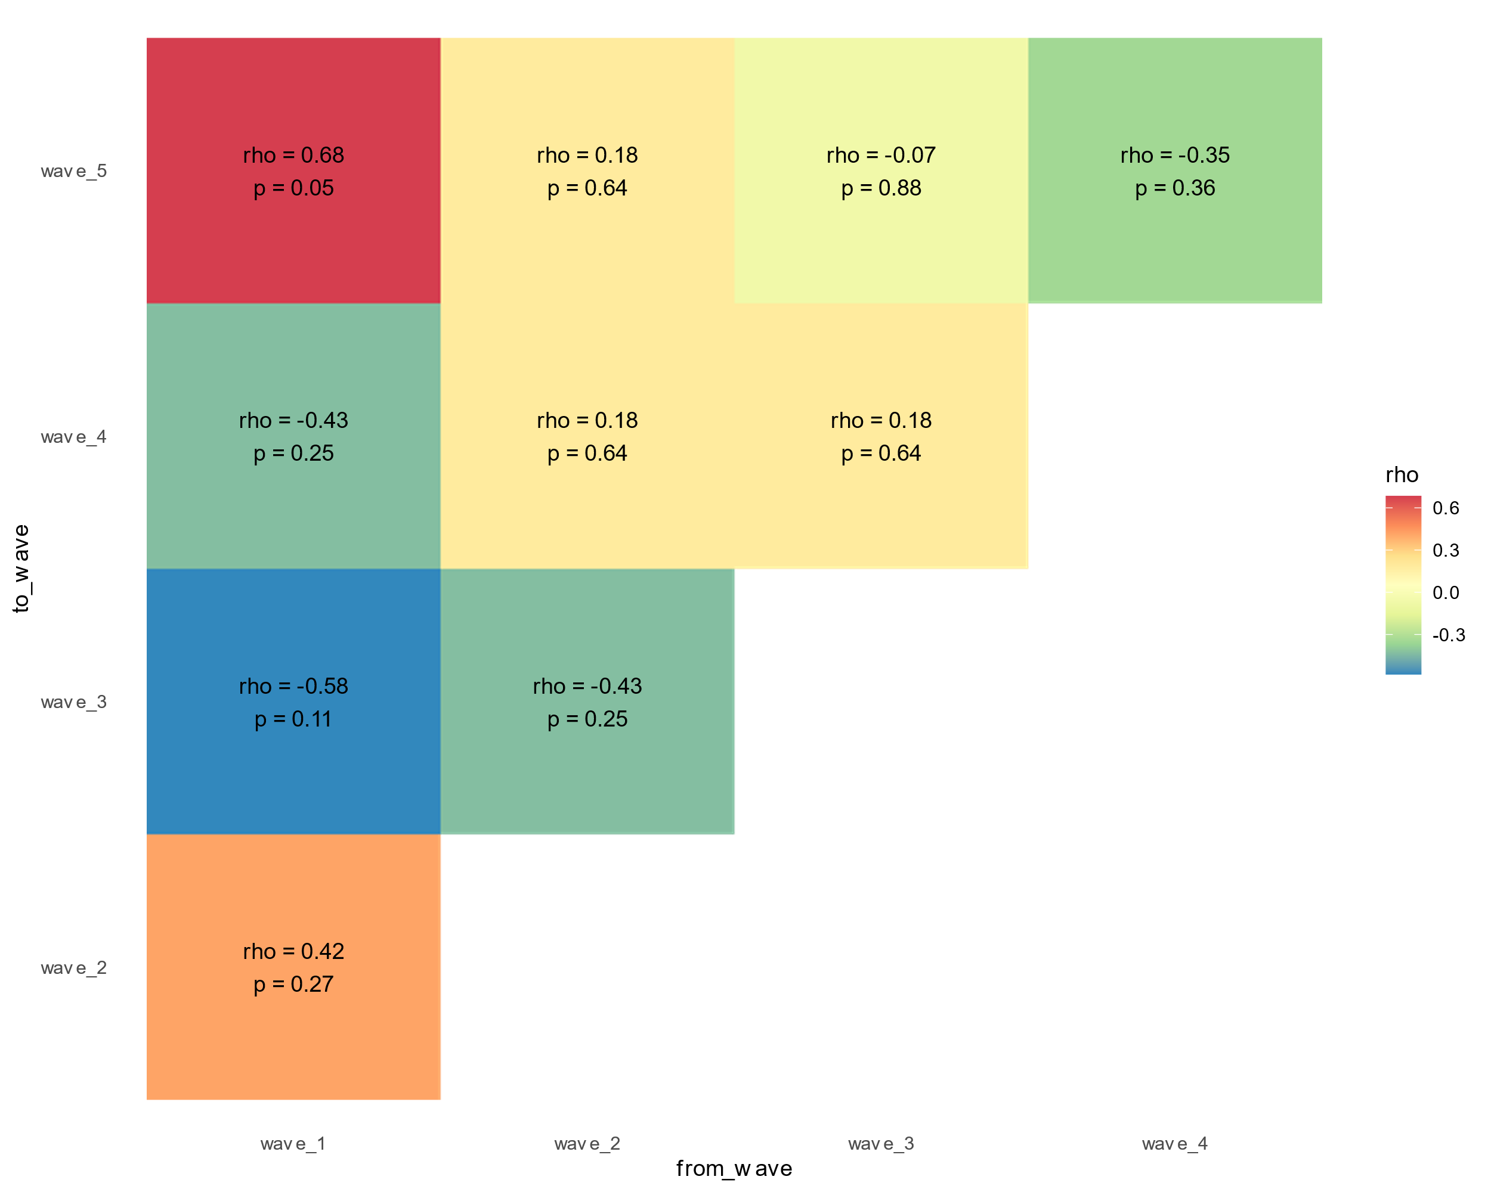
wave_n | region | start_date | rank | wave_n | region | start_date | rank
1 | KwaZulu-Natal | 2020-03-12 | 1 | 2 | Eastern Cape | 2020-09-28 | 1
1 | Eastern Cape | 2020-03-27 | 2 | 2 | Gauteng | 2020-09-28 | 2
1 | Gauteng | 2020-04-01 | 3 | 2 | Mpumalanga | 2020-09-28 | 3
1 | Western Cape | 2020-04-01 | 4 | 2 | North West | 2020-09-28 | 4
1 | Free State | 2020-04-07 | 5 | 2 | Western Cape | 2020-09-28 | 5
1 | Mpumalanga | 2020-04-12 | 6 | 2 | KwaZulu-Natal | 2020-10-01 | 6
1 | Limpopo | 2020-04-14 | 7 | 2 | Limpopo | 2020-11-17 | 7
1 | North West | 2020-04-14 | 8 | 2 | Northern Cape | 2020-11-19 | 8
1 | Northern Cape | 2020-04-15 | 9 | 2 | Free State | 2020-11-20 | 9

wave_n | region | start_date | rank | wave_n | region | start_date | rank
3 | Free State | 2021-03-28 | 1 | 4 | Gauteng | 2021-10-31 | 1
3 | North West | 2021-03-29 | 2 | 4 | Limpopo | 2021-10-31 | 2
3 | Northern Cape | 2021-03-29 | 3 | 4 | North West | 2021-11-01 | 3
3 | Gauteng | 2021-03-30 | 4 | 4 | Northern Cape | 2021-11-01 | 4
3 | Limpopo | 2021-03-31 | 5 | 4 | Mpumalanga | 2021-11-07 | 5
3 | Western Cape | 2021-04-20 | 6 | 4 | Western Cape | 2021-11-10 | 6
3 | Eastern Cape | 2021-04-21 | 7 | 4 | KwaZulu-Natal | 2021-11-12 | 7
3 | Mpumalanga | 2021-04-22 | 8 | 4 | Eastern Cape | 2021-11-13 | 8
3 | KwaZulu-Natal | 2021-04-23 | 9 | 4 | Free State | 2021-11-14 | 9

wave_n | region | start_date | rank |  | Params
5 | KwaZulu-Natal | 2022-03-11 | 1 |  | estimate_type_filter | "Cori_slidingWindow"
5 | Eastern Cape | 2022-03-12 | 2 |  | data_type_filter | "Confirmed cases"
5 | Gauteng | 2022-03-16 | 3
5 | Free State | 2022-04-05 | 4 |  | Start date rule:
5 | North West | 2022-04-05 | 5 |  | window_size | 10
5 | Northern Cape | 2022-04-05 | 6 |  | column_name | median_R_mean
5 | Western Cape | 2022-04-06 | 7 |  | critical_value | 1
5 | Limpopo | 2022-04-07 | 8
5 | Mpumalanga | 2022-04-07 | 9

