Sheet1
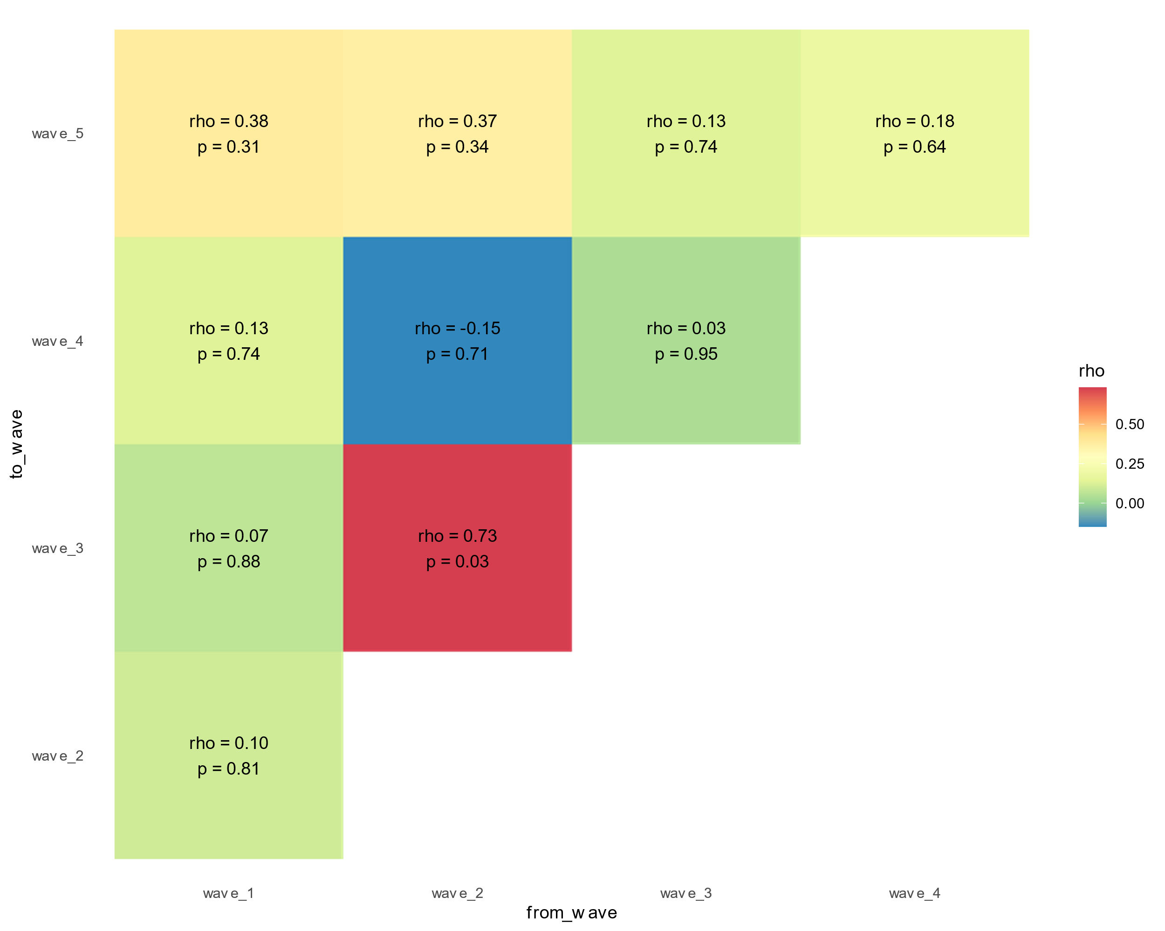
wave_n | region | start_date | rank | wave_n | region | start_date | rank
1 | Western Cape | 2020-04-04 | 1 | 2 | North West | 2020-09-28 | 1
1 | Eastern Cape | 2020-04-24 | 2 | 2 | Eastern Cape | 2020-10-09 | 2
1 | KwaZulu-Natal | 2020-05-04 | 3 | 2 | Northern Cape | 2020-10-09 | 3
1 | Gauteng | 2020-05-10 | 4 | 2 | Free State | 2020-10-17 | 4
1 | Free State | 2020-06-06 | 5 | 2 | Western Cape | 2020-10-19 | 5
1 | Northern Cape | 2020-06-30 | 6 | 2 | Limpopo | 2020-10-31 | 6
1 | Limpopo | 2020-07-01 | 7 | 2 | KwaZulu-Natal | 2020-11-05 | 7
1 | North West | 2020-07-03 | 8 | 2 | Gauteng | 2020-11-16 | 8
1 | Mpumalanga | NA | 9 | 2 | Mpumalanga | 2020-11-24 | 9

wave_n | region | start_date | rank | wave_n | region | start_date | rank
3 | Eastern Cape | 2021-03-21 | 1 | 4 | Gauteng | 2021-10-31 | 1
3 | North West | 2021-03-21 | 2 | 4 | North West | 2021-10-31 | 2
3 | Northern Cape | 2021-03-21 | 3 | 4 | Western Cape | 2021-10-31 | 3
3 | Western Cape | 2021-03-21 | 4 | 4 | KwaZulu-Natal | 2021-11-06 | 4
3 | Limpopo | 2021-03-28 | 5 | 4 | Mpumalanga | 2021-11-07 | 5
3 | Gauteng | 2021-04-12 | 6 | 4 | Northern Cape | 2021-11-07 | 6
3 | Mpumalanga | 2021-04-15 | 7 | 4 | Eastern Cape | 2021-11-15 | 7
3 | Free State | 2021-04-16 | 8 | 4 | Free State | 2021-11-16 | 8
3 | KwaZulu-Natal | 2021-05-18 | 9 | 4 | Limpopo | 2021-11-26 | 9

wave_n | region | start_date | rank |  | Params
5 | KwaZulu-Natal | 2022-03-15 | 1 |  | estimate_type_filter | "Cori_slidingWindow"
5 | Western Cape | 2022-03-17 | 2 |  | data_type_filter | "Deaths"
5 | North West | 2022-03-22 | 3
5 | Northern Cape | 2022-03-23 | 4 |  | Start date rule:
5 | Limpopo | 2022-03-26 | 5 |  | window_size | 10
5 | Eastern Cape | 2022-03-27 | 6 |  | column_name | median_R_mean
5 | Free State | 2022-03-27 | 7 |  | critical_value | 1
5 | Gauteng | 2022-03-28 | 8
5 | Mpumalanga | 2022-05-04 | 9

