Sheet1
 | NAME | SMILES
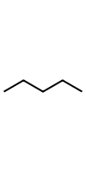 | A | CCCCC
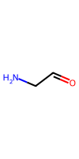 | B | C(=O)CN
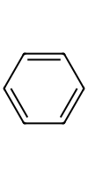 | C | c1ccccc1

