Welcome
Welcome to Poomsae ScoreSheet
Developed by Matt Vale, this tool been battle tested in large competitions and free for anyone to use. Any updates will be released via githib - https://github.com/mattdvale/PoomsaeScoreBoard
This tool is not for sale, and not for resale. It is supplied "AS IS" with no warranty or support agreement. I might update it if asked nicely and I have time.
The purpose of this Excel Workbook is to
1. Create a simple and easy to use system which runs a Poomsae Scoreboard - i.e a large TV connected to your PC which faces the athletes and spectators
2. Involve and inform competitors and spectators with division and competitor information
3. Show individual and combined scores for each competitor, and show final division results

Setup Instructions:
1) Create Division(s)
Click on "The Draw" tab, follow the instructions and the example to create one or more divisions

2) Setup your second screen (which will face the competitors / spectators) - Instructions here are for Windows Users
Connect your second screen to your laptop / PC
Right Click on the Desktop and choose "Display settings"
- Another way is to cilck the windows button and start typing "display settings"
Click on Display 2
Set the display mode to "Extend these displays"
Set the Display Resolution to 1920 x 1080
Set the Scaling to 125%

3) On The Draw tab - Click "Show Scoreboards"
Drag the large scoreboard (black window) to the second screen
Keep the small black window facing you - it shows you (the scoring system operator) what the scoreboard is showing

That’s it. You are ready to go

To Start Scoring a Division
Click on The Draw tab
Double Click anywhere in Column A on a Division which you will be scoring next
This will take you to the ScoreSheet - here's a screenshot of the ScoreSheet with some explanaions
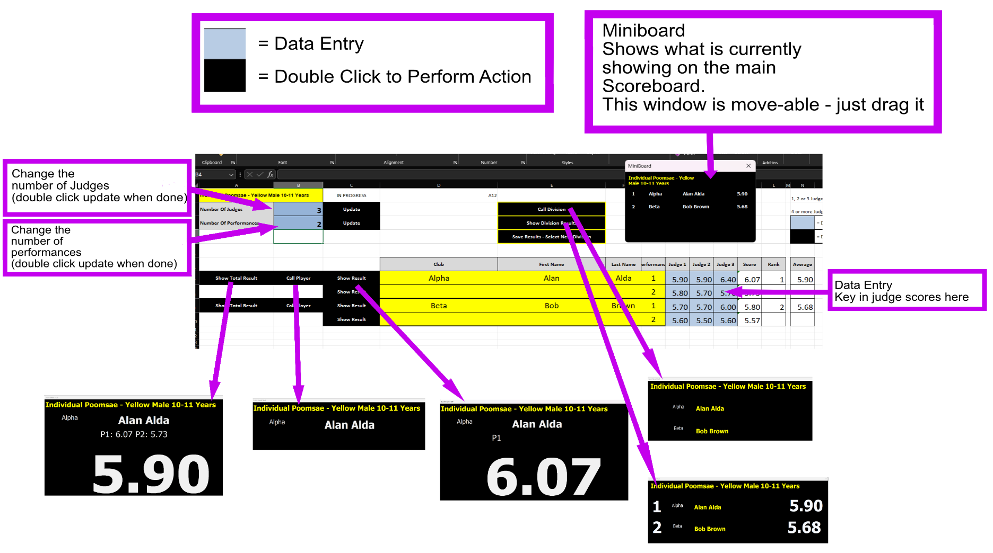
All of the black buttons are action buttons which are activated with a double click

When a division is complete - Click "Save Results - Select Next Division"
This will populate the scores on "The Draw"
The division will go red meaning "Complete"
You can select a new division to start scoring

Draw changes are simple
Just add / modify / remove rows from "The Draw" sheet

