Welcome
Version History
1 | Fully operational poomsae scoreboard - Create Draw -> Score Divisions -> Save Results
1.1 | Add "Poomsae Selector" - Randomly select and display poomsae from user defined list - see below for a description and instructions

Welcome to Poomsae ScoreSheet
Developed by Matt Vale, this tool been battle tested in large competitions and free for anyone to use. Any updates will be released via githib - https://github.com/mattdvale/PoomsaeScoreBoard
This tool is not for sale, and not for resale. It is supplied "AS IS" with no warranty or support agreement. I might update it if asked nicely and I have time.
The purpose of this Excel Workbook is to
1. Create a simple and easy to use system which runs a Poomsae Scoreboard - i.e a large TV connected to your PC which faces the athletes and spectators
2. Involve and inform competitors and spectators with division and competitor information
3. Show individual and combined scores for each competitor, and show final division results
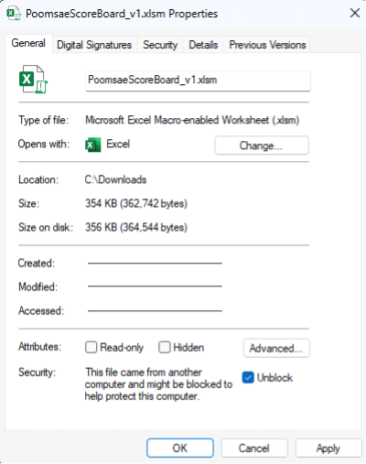
Setup Instructions:
1) Create Division(s)
Click on "The Draw" tab, follow the instructions and the example to create one or more divisions

2) Setup your second screen (which will face the competitors / spectators) - Instructions here are for Windows Users
Connect your second screen to your laptop / PC
Right Click on the Desktop and choose "Display settings" |  | Windows Users - How to "unblock" the file so that it runs correctly
- Another way is to cilck the windows button and start typing "display settings" |  | Find the file in Windows Explorer
Click on Display 2 |  | Right click on the file and select "Properties"
Set the display mode to "Extend these displays" |  | This dialog box will appear, click the "Unblock" button
Set the Display Resolution to 1920 x 1080
Set the Scaling to 125%

3) On The Draw tab - Click "Show Scoreboards"
Drag the large scoreboard (black window) to the second screen
Keep the small black window facing you - it shows you (the scoring system operator) what the scoreboard is showing

That’s it. You are ready to go

To Start Scoring a Division
Click on The Draw tab
Double Click anywhere in Column A on a Division which you will be scoring next
This will take you to the ScoreSheet - here's a screenshot of the ScoreSheet with some explanaions
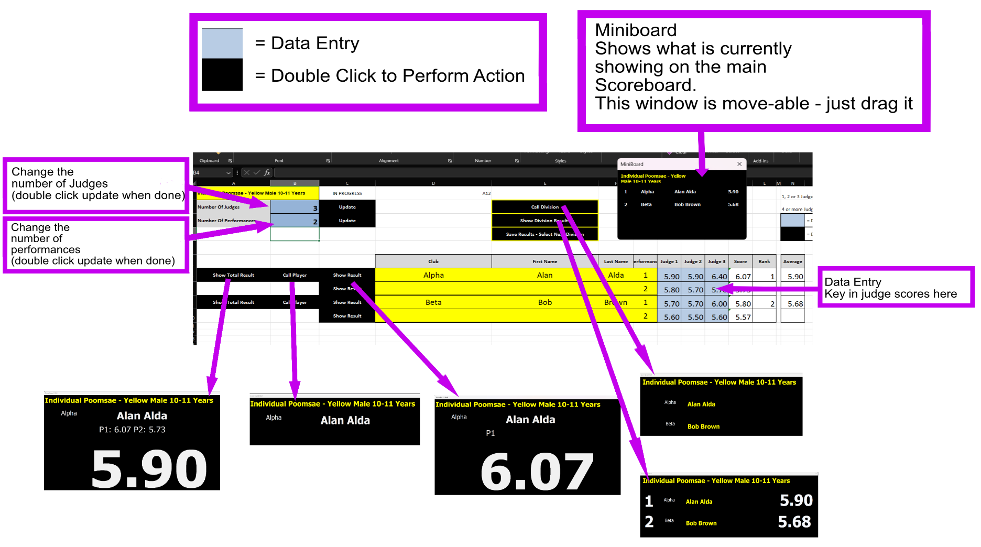
All of the black buttons are action buttons which are activated with a double click

When a division is complete - Click "Save Results - Select Next Division"
This will populate the scores on "The Draw"
The division will go red meaning "Complete"
You can select a new division to start scoring

Draw changes are simple
Just add / modify / remove rows from "The Draw" sheet

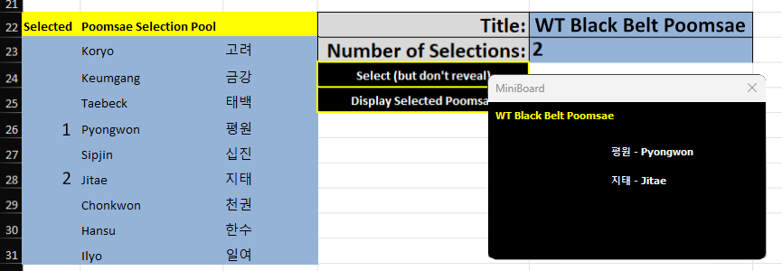
Poomsae Selector
What is it?

For some events, the Poomsae to be performed are selected "live" from a published list
The Poomsae selector can make the selections (you can select manually if you like, and you can override the automated selections if you want to)
Once finalised, the Poomsae selector shows the selected Poomsae on the scoreboard
You have full control of the contents of each selection pool, you could use it to randomly choose ingredients from a list of shopping items (if you wanted to)
The number of selection pools is unlimited - they can all be set up ahead of time
The Poomsae selector does not impact on the draw or scoring, it’s a separate thing

Poomsae Selector - Setup
There are 3 pools setup as examples, and you can create more simply by copying and pasting an existing example to a lower position in the sheet, just leave at least a one line gap in between
You can also delete pools to reduce clutter if that is helpful - just delete the all rows for the pool you want to remove
Enter a title for the selection pool and enter how many poomsae will be selected from the pool
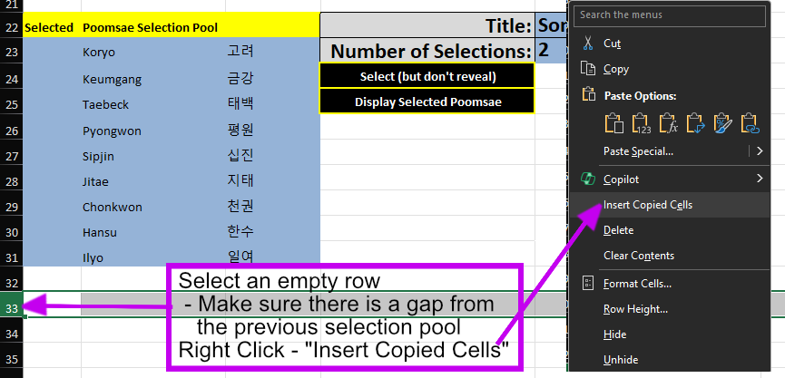
Make sure you have the poomsae names in Column B - Insert, Update or Delete as required
Korean names have been put in column C - this is optional. If you have column C populated the Selected poomsae will show as Column C - Column B for example 고려 - Koryo
If you only have column B populated - this will be the only text shown for the selected poomsae

Poomsae Selector - OK let's run it
Double click the "Select (but don’t reveal)" button
You will notice that column A will be populated with numbers, indicating the random selections that have been made
You can change the selection, update or replace the integers in column A with your own selection, starting with 1 and counting up
You can double click the select button multiple times for more random selections
You can optionally ignore the "Select" button and just type your selections (as integers starting from 1 and counting up) into column A
Once finalised - double click the "Display Selected Poomsae" button - and the ScoreBoard and Miniboard (the board facing you) will be updated with the title, and the selected Poomsae

