Sheet1
 | comRMSD | N_hits | ∆∆G | N_diff_atoms | LE | N_constrained_atoms | %Rank | name | original SMILES | regarded | disregarded | method
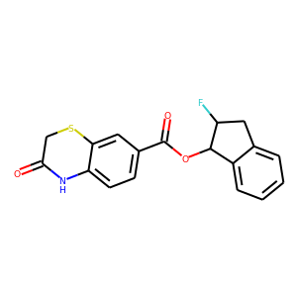 | 0.2567963687437966 | 2.0 | -9.023928517525322 | 2.0 | -0.3759970215635551 | 24.0 | 5.555555555555555 | s-11-11560436-10336618 | O=C1CSC2=CC(C(=O)OC3C4=CC=CC=C4CC3F)=CC=C2N1 | mac-x0213,mac-x0380 |  | nan
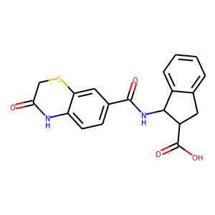 | 0.23898978092089074 | 2.0 | -8.280124917397782 | 0.0 | -0.31846634297683774 | 26.0 | 11.11111111111111 | m-272610-18205366-17773864 | O=C1CSC2=CC(C(=O)NC3C4=CC=CC=C4CC3C(=O)O)=CC=C2N1 | mac-x0213,mac-x0380 |  | nan
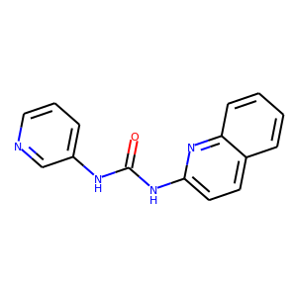 | 0.35276879316142956 | 2.0 | -6.805870090606924 | 7.0 | -0.32408905193366305 | 21.0 | 16.666666666666664 | s-487-210243-12883856 | O=C(NC1=CC=CN=C1)NC2=CC=C3C=CC=CC3=N2 | mac-x0341,diamond-x0128_0_A |  | nan
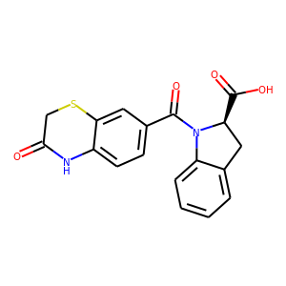 | 0.5267832717395411 | 2.0 | -7.6858563378019 | 1.0 | -0.307434253512076 | 25.0 | 22.22222222222222 | m-272610-18205442-17773864 | O=C1CSC2=CC(C(=O)N3C4=CC=CC=C4C[C@@H]3C(=O)O)=CC=C2N1 | mac-x0213,mac-x0380 |  | nan
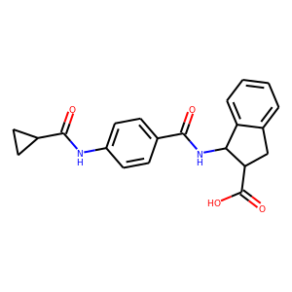 | 0.218117838115886 | 2.0 | -10.862739604544958 | -5.0 | -0.38795498587660565 | 23.0 | 27.77777777777778 | m-272610-18205366-17768894 | O=C(NC1C2=CC=CC=C2CC1C(=O)O)C1=CC=C(NC(=O)C2CC2)C=C1 | mac-x0213,mac-x0398 |  | nan
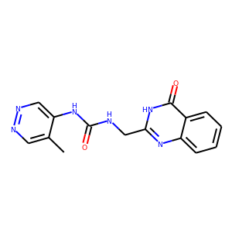 | 0.5416381567588668 | 2.0 | -8.923281899936448 | 5.0 | -0.38796877825810644 | 21.0 | 33.33333333333333 | m-2430-8961378-14047914 | CC1=CN=NC=C1NC(=O)NCC2=NC3=CC=CC=C3C(=O)[NH]2 | mac-x0341,diamond-x0128_0_A |  | nan
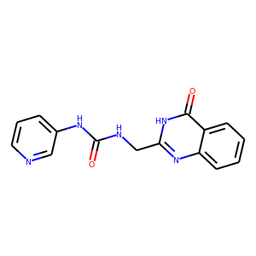 | 0.6017645481652864 | 2.0 | -5.206435311891445 | 6.0 | -0.23665615054052022 | 21.0 | 38.88888888888889 | s-487-14047900-150243 | O=C(NCC1=NC2=CC=CC=C2C(=O)[NH]1)NC3=CC=CN=C3 | mac-x0341,diamond-x0128_0_A |  | nan
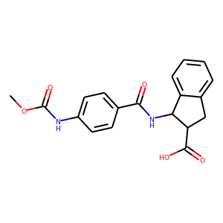 | 0.48469744036424633 | 2.0 | -7.678302020392907 | -4.0 | -0.28438155631084844 | 23.0 | 44.44444444444444 | m-272610-18205366-17770920 | COC(=O)NC1=CC=C(C(=O)NC2C3=CC=CC=C3CC2C(=O)O)C=C1 | mac-x0213,mac-x0398 |  | nan
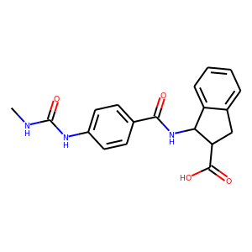 | 0.5134190592827487 | 2.0 | -9.906482592195 | -5.0 | -0.35380294972125 | 23.0 | 50.0 | m-272610-18205366-18219660 | CNC(=O)NC1=CC=C(C(=O)NC2C3=CC=CC=C3CC2C(=O)O)C=C1 | mac-x0213,mac-x0398 |  | nan
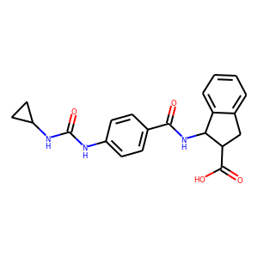 | 0.504558739632097 | 2.0 | -8.254410048311911 | -6.0 | -0.28463482925213485 | 23.0 | 55.55555555555556 | m-272610-18205366-18208686 | O=C(NC1=CC=C(C(=O)NC2C3=CC=CC=C3CC2C(=O)O)C=C1)NC1CC1 | mac-x0213,mac-x0398 |  | nan
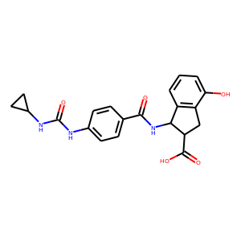 | 0.5046091470676565 | 2.0 | -8.149351266258046 | -8.0 | -0.26288229891154985 | 23.0 | 61.111111111111114 | s-188690-16712282-7316554 | O=C(NC1=CC=C(C(=O)NC2C3=C(CC2C(=O)O)C(O)=CC=C3)C=C1)NC1CC1 | mac-x0213,mac-x0398 |  | nan
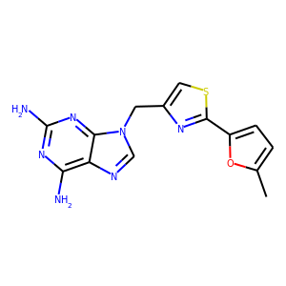 | 1.0621444313761892 | 2.0 | -4.585113076127867 | 5.0 | -0.1834045230451147 | 19.0 | 66.66666666666666 | s-34-13231222-1282712- | CC1=CC=C(C2=NC(CN3C=NC4=C(N)N=C(N)N=C43)=CS2)O1 | mac-x0138,mac-x0161 |  | nan
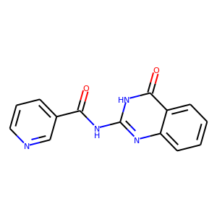 | 1.3412346780256101 | 2.0 | -1.5026306963677205 | 4.0 | -0.06260961234865502 | 19.0 | 72.22222222222221 | s-11-2990918-53482 | O=C(NC1=NC2=CC=CC=C2C(=O)[NH]1)C3=CC=CN=C3 | diamond-x0128_0_A,mac-x0341 |  | nan
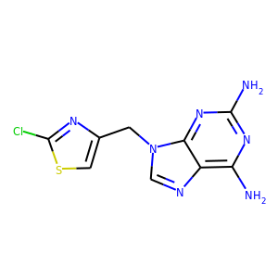 | 1.7796259906695753 | 2.0 | -4.370858239090608 | 4.0 | -0.19867537450411854 | 18.0 | 77.77777777777779 | s-34-13231222-10902660 | NC1=NC(N)=C2N=CN(CC3=CSC(Cl)=N3)C2=N1 | mac-x0213,mac-x0380 |  | nan
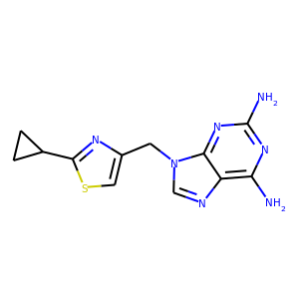 | 1.6426282124828018 | 2.0 | -5.612434660174012 | 4.0 | -0.255110666371546 | 17.0 | 83.33333333333334 | s-34-13231222-7874778 | NC1=NC(N)=C2N=CN(CC3=CSC(C4CC4)=N3)C2=N1 | mac-x0213,mac-x0380 |  | nan
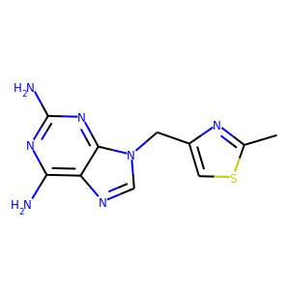 | 2.0860609877097183 | 2.0 | -5.738431669608091 | 5.0 | -0.2732586509337186 | 18.0 | 88.88888888888889 | s-34-13231222-13910464 | CC1=NC(CN2C=NC3=C(N)N=C(N)N=C32)=CS1 | mac-x0213,mac-x0380 |  | nan
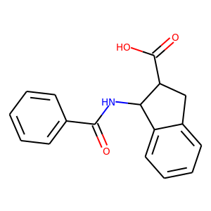 | 2.735909451976027 | 2.0 | -1.954573078152455 | -3.0 | -0.07517588762124827 | 16.0 | 94.44444444444444 | m-272610-18205366-9959790 | O=C(NC1C2=CC=CC=C2CC1C(=O)O)C3=CC=CC=C3 | mac-x0213,mac-x0398 |  | nan
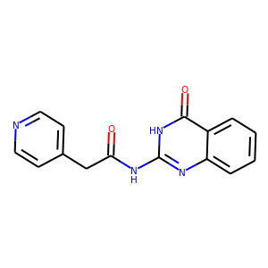 | 2.065304552538642 | 2.0 | -4.326511482482654 | 4.0 | -0.18027131177011058 | 12.0 | 100.0 | s-22-17541880-294410 | O=C(CC1=CC=NC=C1)NC2=NC3=CC=CC=C3C(=O)[NH]2 | mac-x0341,diamond-x0128_0_A |  | nan

