Sheet1
ΔV Budget Breakdown Table |  |  |  |  |  |  |  |  |  |  |  | ?
Main orbit Maneuvers | Burn ID | RE: Estimated ΔV [m/s] | RE: Total maneuver cost [m/s] | Margin Type | RE: Allocated ΔV [m/s] | Rationale | RE Methods / Models used | MAVEN: Nominal Maneuver cost [m/s] | MAVEN: Real Maneuver cost [m/s] |  | MAVEN: Nominal Maneuver cost [m/s] | RE & MAVEN Nominal Data for the Maneuver (e.g. epoch) | Notes | Links
Cruise Phase | TCM-1 | 5.66 | 16.45 | 10 m/s | 26.45 | Adjustments of the initial trajectory | B-Plane targeting through bias removal (MC: 2000 samples) | 20 | 4.842 |  | 20
 | TCM-2 | 3.83 |  |  |  |  |  | 10 | 0.671 |  | 10
 | TCM-3 | 2.64 |  |  |  |  |  | 10 | Designed but not needed during the mission |  | 10
 | TCM-4 | 4.32 |  |  |  |  |  | 10 |  |  | 10
 | TCM-5 | ~ | TCM-5 excluded from nominal ΔV: stochastic contingency, budgeted at 10 m/s |  |  | Non-Nominal Design |  | 10 |  |  | 10
Mars orbit insertion | MOI | 1142.4 | 1142.4 | 10 m/s | 1,152.4 | MOI Restart Capability and non-nominal design | single impulse @ nominal periapsis altitude of 380km w/ Lambert V_inf_hyp_incoming = 3,183192 km/s | 1215 | 1230.4 |  | 1215 | periapsis of 380±50 km
Transition to science orbit | PRM-1 | 449.2 | 549.7 | 100% | 1099.4 | lowering periapsis altitude from 380±50km to 200km | retrograde single impulse @ current apoapsis altitude | 544 | 455 |  | 544 | lowering perapsis from 380 km to 200 km | MENU of default trim maneuvres (mavenNav2016jsr)
 | PRM-2 | 85.4 |  |  |  | pitchover maneuver |  |  | 79.2
 | PLM-1 | 8.1 |  |  |  |  |  | 17 | 10 |  | 17
 | PLM-2 | 5.1 |  |  |  | not periapsis driven (density corridor driven) |  |  | 2.6 |  |  |  |  | DENSITY MODEL: https://www.grc.nasa.gov/www/k-12/airplane/atmosmrm.html
 | PLM-3 | 1.9 |  |  |  |  |  |  | 2.7 |  |  |  | MENU of default trim maneuvres (mavenNav2016jsr) | DENSITY MODEL: https://www.grc.nasa.gov/www/k-12/airplane/atmosmrm.html
Deep-Dip campaign | DDM-1 | 8.03 | 40.15 | [7] 100% | 80.3 | not periapsis driven (density corridor driven) | two single impulses @ nominal apoapsis altitude of 6200km for PLM & RPM (energy balance unperturbed) | 10.4 | 9.2 |  | 10.4 |  | extreme drag variability & chosen density corridors
 | DDM-2 | 8.03 |  |  |  |  |  | 10.4 | 12.1 |  | 10.4 |  | extreme drag variability & chosen density corridors
 | DDM-3 | 8.03 |  |  |  |  |  | 10.4 | 8.2 |  | 10.4 |  | extreme drag variability & chosen density corridors
 | DDM-4 | 8.03 |  |  |  |  |  | 10.4 | 7.2 |  | 10.4 |  | extreme drag variability & chosen density corridors
 | DDM-5 | 8.03 |  |  |  |  |  | 10.4 | 9 |  | 10.4 |  | extreme drag variability & chosen density corridors
Orbit Trim Maneuvers | OTMs | 23.1 | 23.1 | 100% | 46.2 | During and post Deep Dip maneuvers | 2BP perturbed and monthly SK correction maneuvers | 21 | 22.2 |  | 21 |  | MENU of default trim maneuvres (mavenNav2016jsr)

[2] The fifth designed deep-dip was already part of the initial overall mission design, although it belonged to the "estended phase" of the mission, which revelead to be such a success that not only was this maneuver performed, but an additional, unplanned yet succesful DDM-6 was added to observe an additional region of the planet
[1] It is important to notice that each deep-dip occurred at different times, loactions and Martian seasons [reference], although all of them consisted in lowering the spacecraft to ~125 km,
[3] The last column has been filled with values extracted from the following literature: [references]
[4] At least 2 more TCM maneuvers have been statistically designed to adjust the orbit and avoid collisions, which later ended up being unnecessary
[5] |  |  | possono comunque essere utilizzati come valori di riferimento da confrontare con quelli ottenuti, dal momento che si tratta di valori relativi alla fase di design, comprensivi di margine e manovre aggiuntive
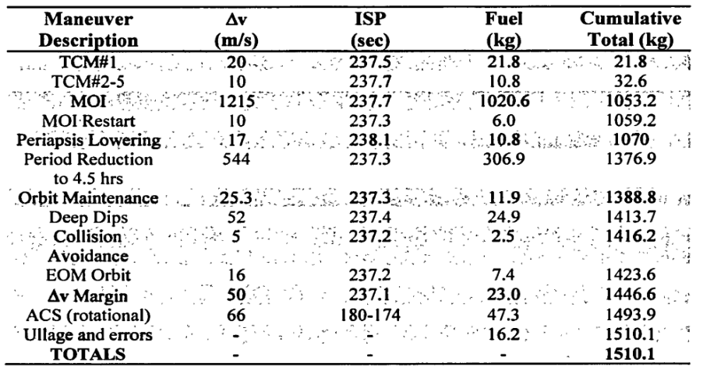

 |  |  |  |  | RE: Reverse Engineering
 |  |  |  |  | LPM: Lowering Periapsis Maneuvre
 |  |  |  |  | RPM: Raising Periapsis Maneuvre
 |  |  |  |  | PRM: Period Reduction Maneuvre (phasing)

[6][MAVENNAV2016SFM] The orbit is unique for the primary phase of a Mars spacecraft, so experience from prior missions does not present a complete picture of the atmospheric conditions Maven experiences. This, coupled with the objective of maintaining a density corridor (as opposed to ephemeris targets), presents some unique challenges for navigation. The first challenge is that Maven’s orbit at Mars must be maintained to collect science data while repeatedly passing through Mars’ atmosphere. Maven’s nominal orbital phase at Mars is similar in some respects to previous missions, but this similarity holds only when considering the aerobraking phases of the prior missions. In fact, Maven’s nominal science orbit can be considered “light aerobraking”, and, unlike previous missions, Maven must meet stringent navigation requirements during this phase to satisfy its scientific objectives.

[7] [maven2016SFM] Maven’s orbit presents a challenge for accurately estimating the atmospheric density at periapsis, with an assumed 100% orbit to orbit variation. Finally, the compressed timeline for Maven’s deep dips requires accelerated analyses by the navigation analysts.
[8][slide della lavagna] allocazione dei margini
[9][maven2016jsr] OTMs were performed during the deep-dip campaigns, to countercat the changes resulting from Mars's atmosphere and gravitational field

ΔV Budget Breakdown Table
Main orbit Maneuvers | Burn ID | RE: Estimated ΔV [m/s] | RE: Total maneuver cost [m/s] | Margin Type | RE: Allocated deltaV | MAVEN: Nominal Maneuver cost [m/s] |  | Rationale | MAVEN: Real Maneuver cost [m/s]
Cruise Phase | TCM-1 | 5.66 | 16.45 | 10 m/s | 26.45 | 20 |  | Adjustments of the initial trajectory | 4.842
 | TCM-2 | 3.83 |  |  |  | 10 |  |  | 0.671
 | TCM-3 | 2.64 |  |  |  | 10 |  |  | Designed but not needed during the mission
 | TCM-4 | 4.32 |  |  |  | 10
 | TCM-5 | ~ | TCM-5 excluded from nominal ΔV: stochastic contingency, budgeted at 10 m/s |  |  | 10 |  | Non-Nominal Design
Mars orbit insertion | MOI | 1142.4 | 1142.4 | 10 m/s | 1,152.4 | 1215 |  | MOI Restart Capability and non-nominal design | 1230.4
Transfer to science orbit | PRM-1 | 449.2 | 549.7 | 100% | 1099.4 | 544 |  | lowering periapsis altitude from 380±50km to 200km | 455
 | PRM-2 | 85.4 |  |  |  |  |  | pitchover maneuvre | 79.2
 | PLM-1 | 8.1 |  |  |  | 17 |  |  | 10
 | PLM-2 | 5.1 |  |  |  |  |  | not periapsis driven (density corridor driven) | 2.6
 | PLM-3 | 1.9 |  |  |  |  |  |  | 2.7
Deep-Dip campaign | DDM-1 | 8.03 | 40.15 | [7] 100% | 80.3 | 10.4 |  | not periapsis driven (density corridor driven) | 9.2
 | DDM-2 | 8.03 |  |  |  | 10.4 |  |  | 12.1
 | DDM-3 | 8.03 |  |  |  | 10.4 |  |  | 8.2
 | DDM-4 | 8.03 |  |  |  | 10.4 |  |  | 7.2
 | DDM-5 | 8.03 |  |  |  | 10.4 |  |  | 9
 | DDM-6 | - | - | - | - | - |  |  | 11.3
Orbit Trim Maneuvers | OTMs | 24.1 | 24.1 | 100% | 48.2 | 21 |  | During and post Deep Dip maneuvers | 22.2

 |  |  |  |  |  |  |  | MAVEN: Real Maneuver cost [m/s] |  | MAVEN: Real Maneuver cost [m/s]
 |  |  |  |  |  |  |  | 4.842 |  | 4.842
 |  |  |  |  |  |  |  | 0.671 |  | 0.671
 |  |  |  |  |  |  |  | Designed but not needed during the mission |  | Designed but not needed during the mission

 |  |  |  |  |  |  |  | 1230.4 |  | 1230.4
 |  |  |  |  |  |  |  | 455 |  | 455
 |  |  |  |  |  |  |  | 79.2 |  | 79.2
 |  |  |  |  |  |  |  | 10 |  | 10
 |  |  |  |  |  |  |  | 2.6 |  | 2.6
 |  |  |  |  |  |  |  | 2.7 |  | 2.7
 |  |  |  |  |  |  |  | 9.2 |  | 9.2
 |  |  |  |  |  |  |  | 12.1 |  | 12.1
 |  |  |  |  |  |  |  | 8.2 |  | 8.2
 |  |  |  |  |  |  |  | 7.2 |  | 7.2
 |  |  |  |  |  |  |  | 9 |  | 9
 |  |  |  |  |  |  |  | 11.3 |  | 11.3
 |  |  |  |  |  |  |  | 22.2 |  | 22.2

