Task 2.4 (a)
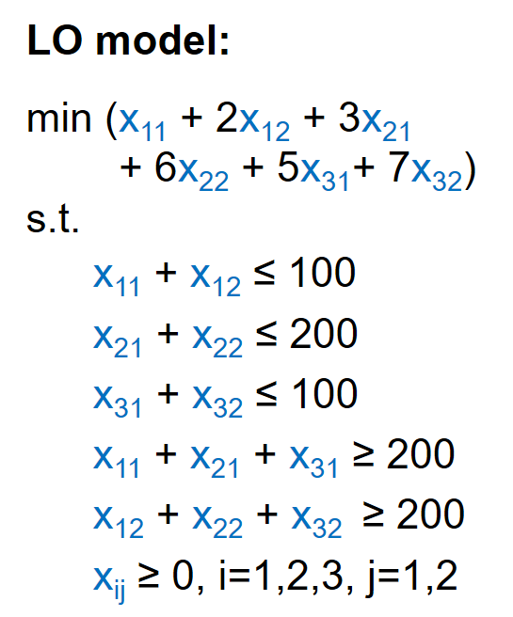
Source\destination | D1 | D2 | D3 | D4 | Supply at source
1 | 10 | 0 | 20 | 11 | 20
2 | 12 | 7 | 9 | 20 | 25
3 | 0 | 14 | 16 | 18 | 15
Demand | 10 | 15 | 15 | 20

Decision variables x_{ij}
Source i\destination j | 1 | 2 | 3 | 4 | Outflow
1 | 0 | 5 | 0 | 15 | 20
2 | 0 | 10 | 15 | 0 | 25
3 | 10 | 0 | 0 | 5 | 15
Inflow | 10 | 15 | 15 | 20

Objective | 460

Color coding: | PARAMETERS
 | FORMULAS
 | DECISION VARIABLES
 | OBJECTIVE

