Gas
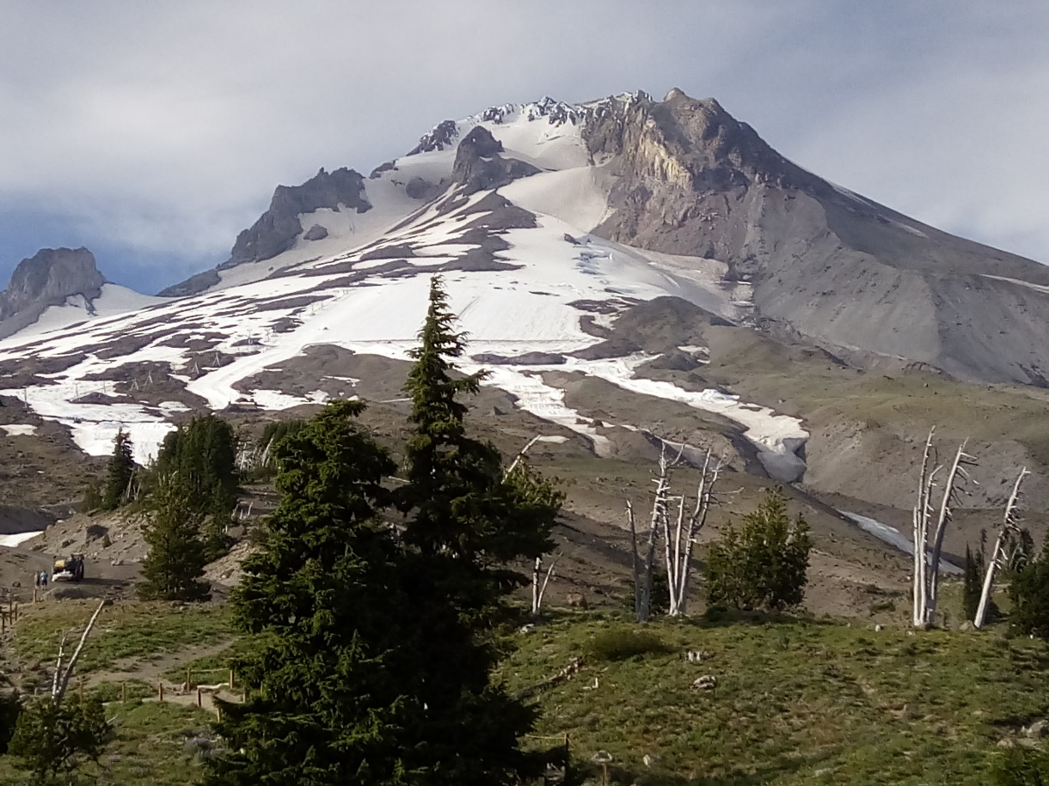
Gas Price (Est.) | $4.43
Miles per Gallon | 19
Distance (miles) | 1300

Gas Cost

