POP
STEPS and APS

IEA WEO 2021 |  | Population Assumptions

Source: | IEA World Energy Model Population Assumptions for IEA WEO-2021
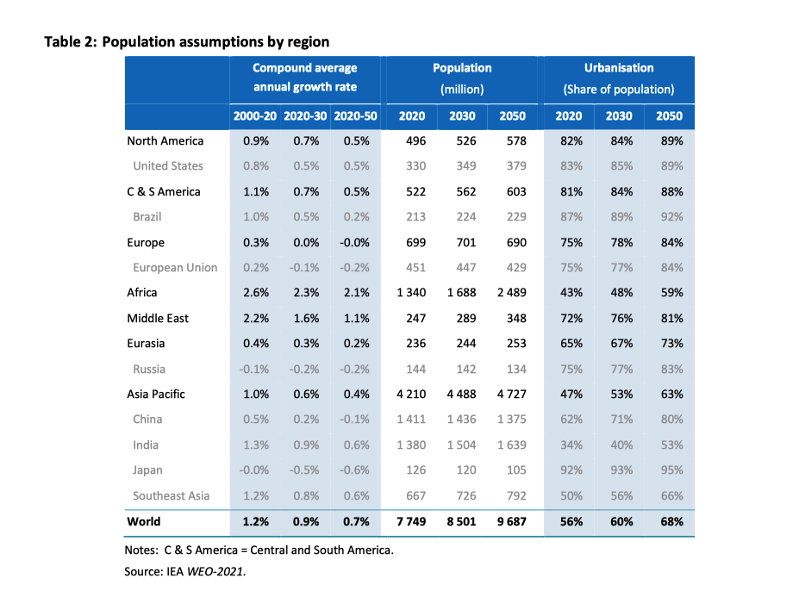
Table 2 | Population assumptions by region

 | Compound average annual growth rate |  |  | Population (million)
 | 2000-2020 | 2020-30 | 2020-50 | 2020 | 2030 | 2050
North America | 0.90% | 0.70% | 0.50% | 496 | 526 | 578
United States | 0.80% | 0.50% | 0.50% | 330 | 349 | 379
C&S America | 1.10% | 0.70% | 0.50% | 522 | 562 | 603
Brazil | 1.00% | 0.50% | 0.20% | 213 | 224 | 229

Europe | 0.30% | 0.00% | 0.00% | 699 | 701 | 690
European Union | 0.20% | -0.10% | -0.20% | 451 | 447 | 429
Africa | 2.60% | 2.30% | 2.10% | 1340 | 1688 | 2489
Middle East | 2.20% | 1.60% | 1.10% | 247 | 289 | 348
Eurasia | 0.40% | 0.30% | 0.20% | 236 | 244 | 253
Russia | -0.10% | -0.20% | -0.20% | 144 | 142 | 134

Asia Pacific | 1.00% | 0.60% | 0.40% | 4210 | 4488 | 4727
China | 0.50% | 0.20% | -0.10% | 1411 | 1436 | 1375

India | 1.30% | 0.90% | 0.60% | 1380 | 1504 | 1639

Japan | 0.00% | -0.50% | -0.60% | 126 | 120 | 105
Southeast Asia | 1.20% | 0.80% | 0.60% | 667 | 726 | 792

World | 1.20% | 0.90% | 0.70% | 7749 | 8501 | 9687

Population growth 2020-2050 continuous |  |  | 0.74406992554

WEM Documentation - Table 2

GDP
STEPS and APS

IEA WEO 2021 |  | Macroeconomic assumptions

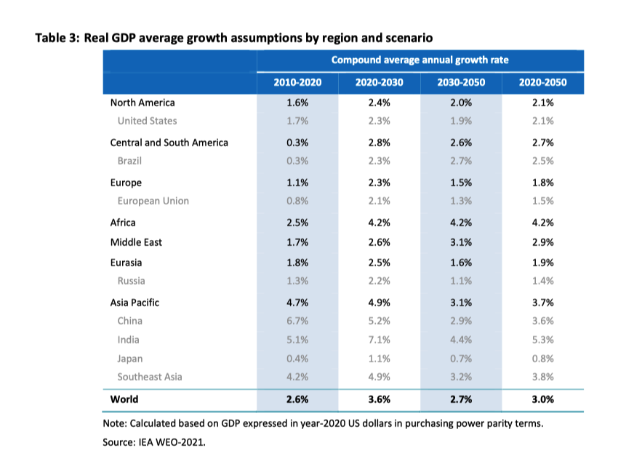
Source: | IEA World Energy Model Real GDP average growth assumptions by region and scenario for IEA WEO-2021

Table 3 | Real GDP average growth assumptions by region and scenario

 | 2010-2020 | 2020-2030 | 2030-2050 | 2020-2050
North America | 1.6% | 2.4% | 2.0% | 2.1%
United States | 1.7% | 2.3% | 1.9% | 2.1%
Central and South America | 0.3% | 2.8% | 2.6% | 2.7%
Brazil | 0.3% | 2.3% | 2.7% | 2.5%
Europe | 1.1% | 2.3% | 1.5% | 1.8%
European Union | 0.8% | 2.1% | 1.3% | 1.5%
Africa | 2.5% | 4.2% | 4.2% | 4.2%
Middle East | 1.7% | 2.3% | 3.1% | 2.9%
Eurasia | 1.8% | 2.5% | 1.6% | 1.9%
Russia | 1.3% | 2.2% | 1.1% | 1.4%
Asia Pacific | 4.7% | 4.9% | 3.1% | 3.7%
China | 6.7% | 5.2% | 2.9% | 3.6%
India | 5.1% | 7.0% | 4.4% | 5.3%
Japan | 0.4% | 1.1% | 0.7% | 0.8%
Southeast Asia | 4.2% | 4.9% | 3.2% | 3.8%
World | 2.6% | 3.6% | 2.7% | 3.0%
World - continuous | 2.9558802242

WEM Documentation - Table 3

STEPS-Energy
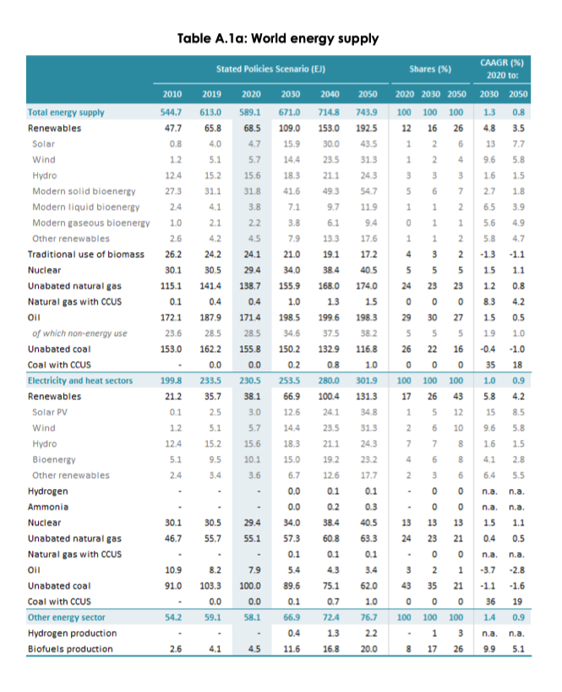
STEPS

IEA WEO 2021 |  | Table A.1a: World Energy Supply

Source: | IEA WEO 2021

Stated Policies Scenario
 | Energy Demand (EJ)
 | 2010 | 2019 | 2020 | 2030 | 2040 | 2050
Total primary demand | 545 | 613 | 589 | 671 | 715 | 743.9
Coal | 153 | 162 | 156 | 150 | 133 | 116.8
Oil | 172 | 188 | 171 | 199 | 200 | 198.3
Natural gas | 115 | 141 | 139 | 156 | 168 | 174

2020-2050 continuous growth rate |  | 0.78

Coal per capita (GJ/y) |  |  | 20.11 | 17.67 |  | 12.057396511

STEPS-CO2
STEPS
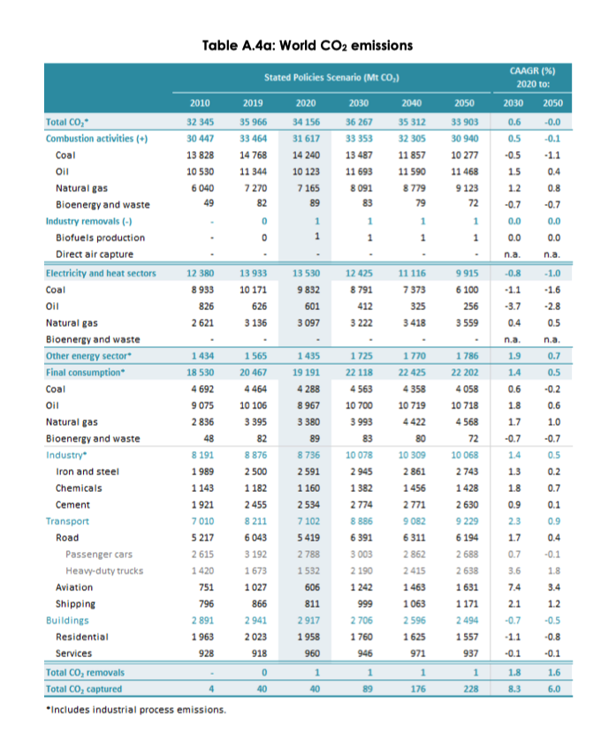

IEA WEO 2021 |  | Table A.4a: World CO2 emissions

Source: | IEA WEO 2021

Stated Policies Scenario
 | CO2 emissions (Mt)
 | 2010 | 2019 | 2020 | 2030 | 2040 | 2050
Total CO2 | 32,345 | 35,966 | 34,156 | 36,267 | 35,312 | 33,903
Combustion Activities | 30,447 | 33,464 | 31,617 | 33,353 | 32,305 | 30,940
Coal | 13,828 | 14,768 | 14,240 | 13,487 | 11,857 | 10,277
Oil | 10,530 | 11,344 | 10,123 | 11,693 | 11,590 | 11,468
Natural gas | 6,040 | 7,270 | 7,165 | 8,091 | 8,779 | 9,123

 | 6.2% | 7.5% | 8.0% | 8.7% | 9.3% | 9.6%

2020-2050 average FFI growth |  | (0.02)

APS-Energy
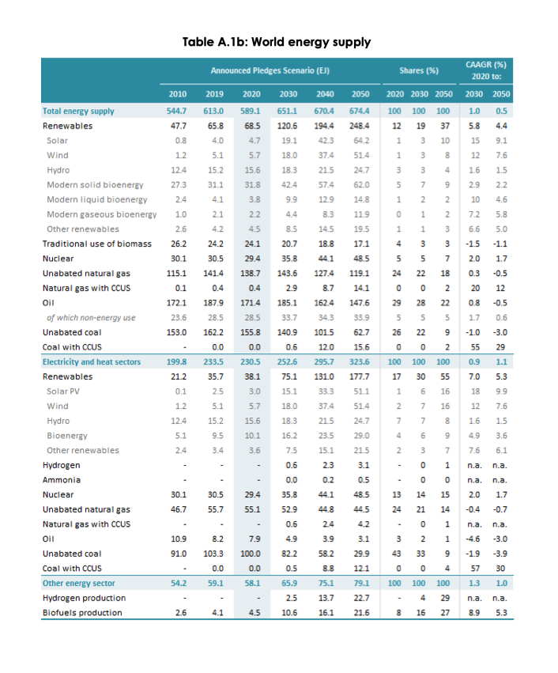
APS

IEA WEO 2021 - APS |  | Table A.1b: World Energy Supply

Source: | IEA WEO 2021

Announced Pledges Scenario
 | Energy Demand (EJ)
 | 2010 | 2019 | 2020 | 2030 | 2040 | 2050
Total primary demand | 545 | 613 | 589 | 671 | 670 | 674.4
Coal | 153 | 162 | 156 | 141 | 114 | 78.3
Oil | 172 | 188 | 171 | 185 | 162 | 147.6
Natural gas | 115 | 141 | 139 | 144 | 136 | 133.2

2020-2050 continuous growth |  | 0.45075819387

APS-CO2
APS

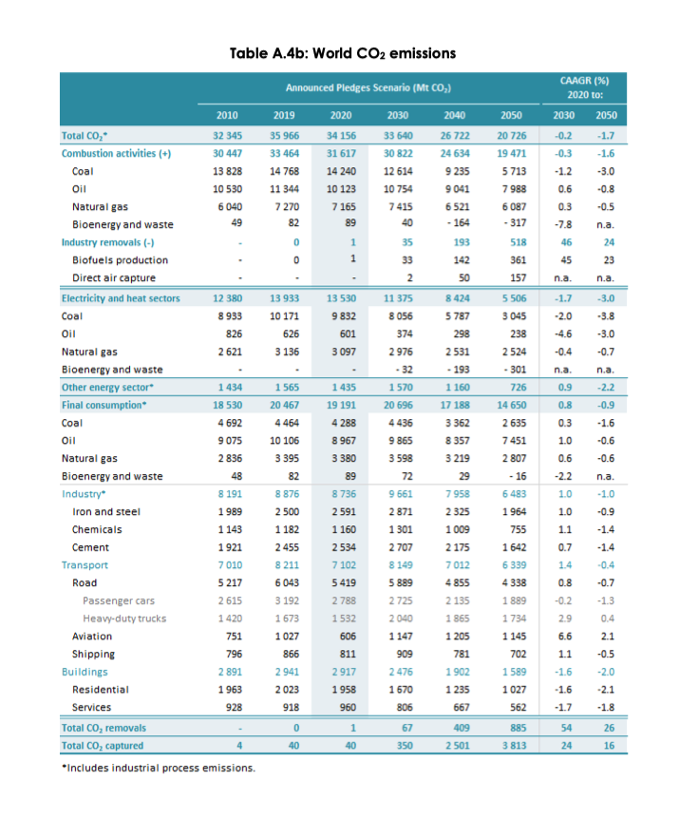
IEA WEO 2021 - APS |  | Table A.4b: World CO2 emissions

Source: | IEA WEO 2021

Announced Pledges Scenario
 | CO2 emissions (Mt)
 | 2010 | 2019 | 2020 | 2030 | 2040 | 2050
Total CO2 | 32,345 | 35,966 | 34,156 | 33,640 | 26,722 | 20,726
Combustion Activities | 30,447 | 33,464 | 31,617 | 30,822 | 24,634 | 19,471
Coal | 13,828 | 14,768 | 14,240 | 12,614 | 9,235 | 5,713
Oil | 10,530 | 11,344 | 10,123 | 10,754 | 9,041 | 7,988
Natural gas | 6,040 | 7,270 | 7,165 | 7,415 | 6,521 | 6,087

2020-2050 continuous growth rate |  | -1.6651741434

