Disclaimer


Alberta Energy Outlook ST98: 2023
Release Date: June 2023
Natural Gas – Statistics and Data

Copyright and Permission to Reproduce
Information on this file was produced and/or compiled by the Alberta Energy Regulator (AER) for the purpose of providing access to information regarding the energy resources of the province of Alberta.
Noncommercial or Educational Reproduction
Information on this file has been posted with the intent that it be readily available for personal and public noncommercial (educational) use. The information may be reproduced, in whole or in part and by any means, without charge or further permission from the AER. We ask only that users exercise due diligence to ensure the accuracy of the materials reproduced; the AER be identified as the source of the materials; and the reproduction not be presented as an official version of the AER material, or as having been made in affiliation with or with the endorsement of the AER.
Commercial Reproduction
Reproduction of multiple copies of materials on this file, in whole or in part, for the purposes of commercial redistribution is prohibited except with prior written permission from the AER. To obtain permission to reproduce materials on this file for commercial purposes please contact
AER Communications, Web Services:
Suite 1000, 250 – 5 Street SW
Calgary, Alberta T2P 0R4
Canada
Inquiries: 1-855-297-8311
Inquiries@aer.ca
Disclaimer
The information presented in this document is for general information purposes. It is believed to represent the best data available to the AER at this time but its accuracy is not guaranteed. The AER makes no representations, warranties, or guarantees, expressed or implied as to the accuracy, reliability, or currency of the information contained herein or that it will be suitable for any use. The AER accepts no responsibility whatsoever for any inaccuracy, error, or omissions in the information. The AER shall not be responsible for any losses or costs incurred by you or anyone else as a result of the use, conversion, publication, transmission, installation, or improvement of the information, even if such losses or costs are foreseeable. Any user intending to rely upon this information is advised to confirm both the accuracy of the information and whether a more recent version of the information is available.

Figures
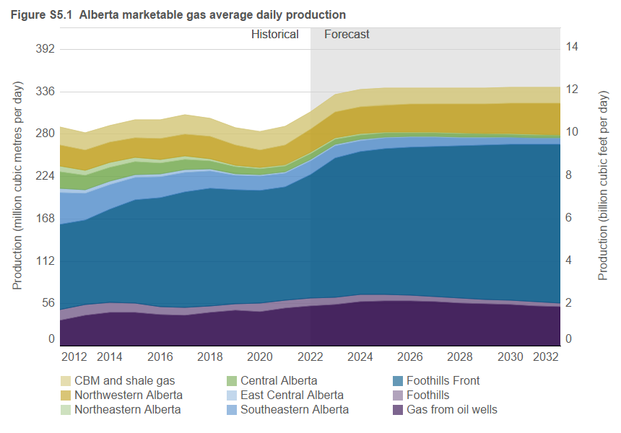
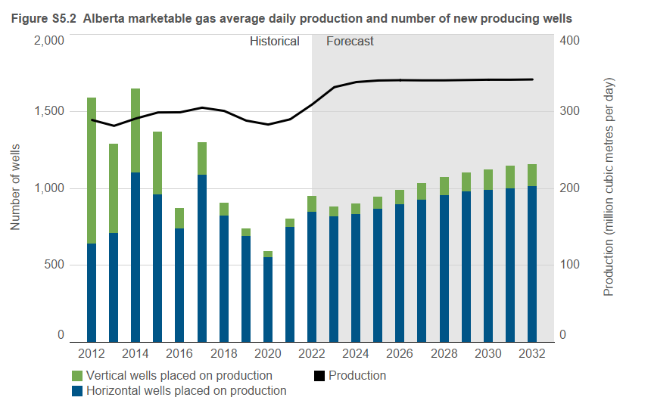
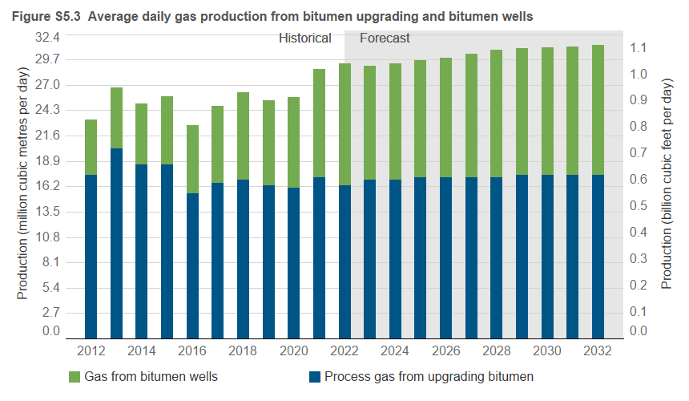
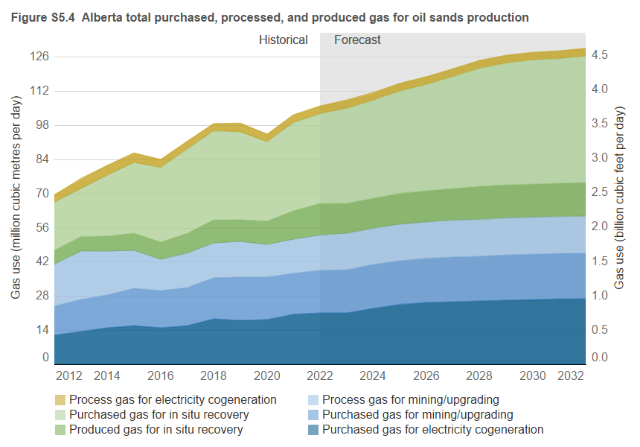
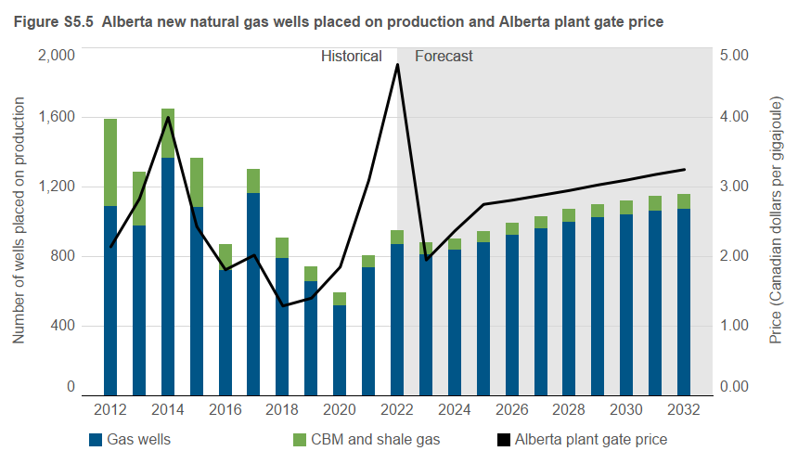
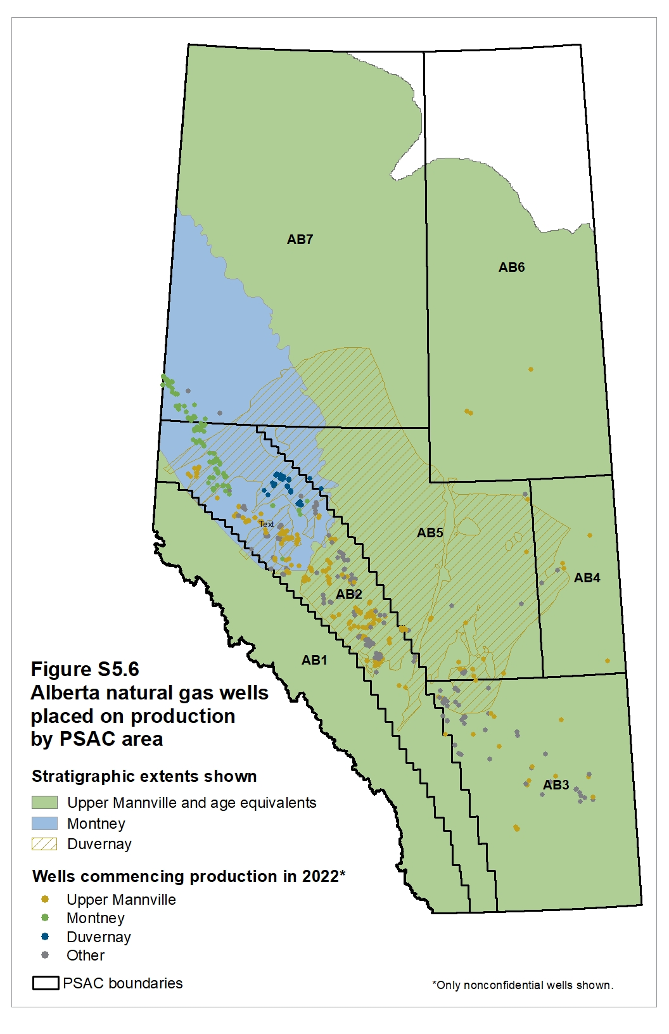
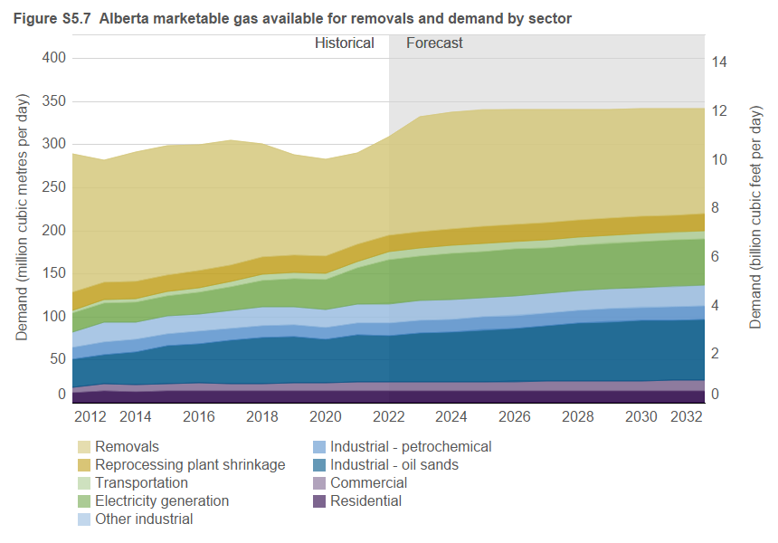
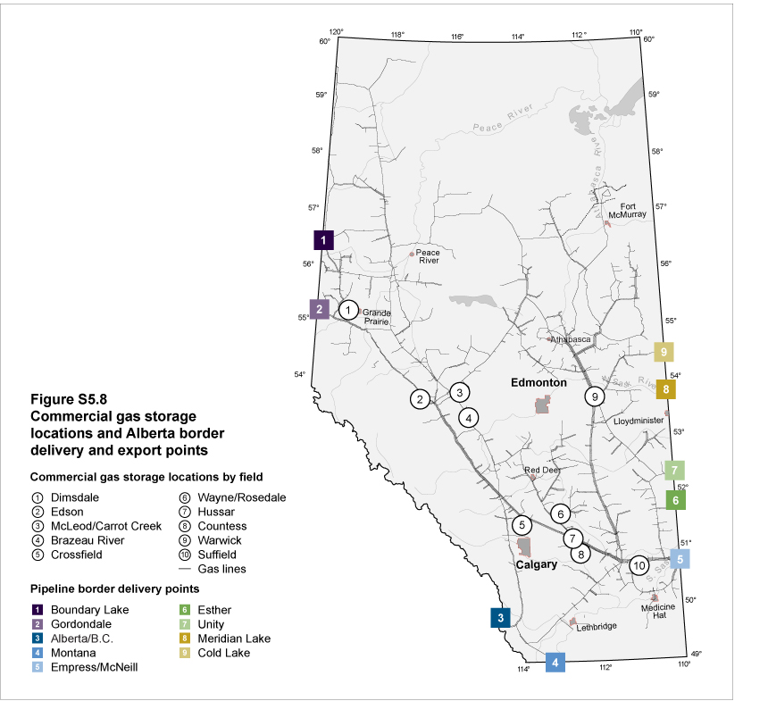
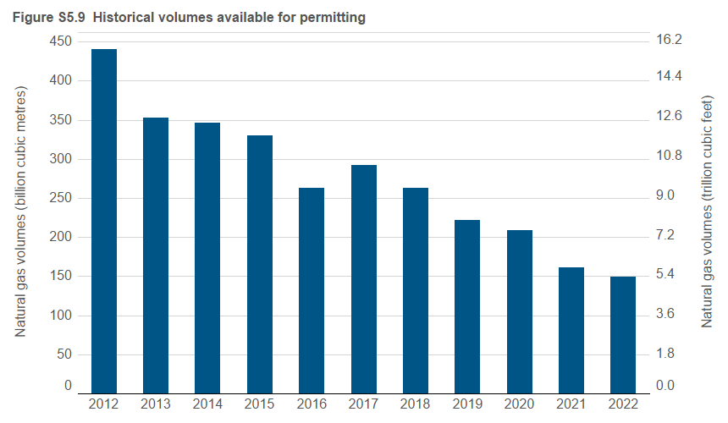
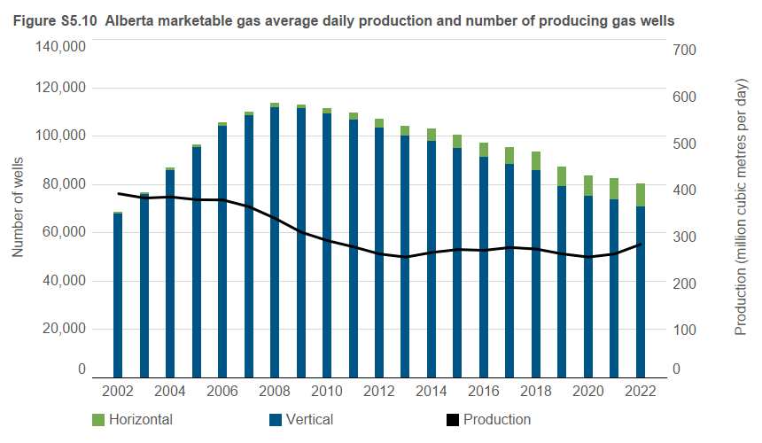

 |  |  |  |  |  |  |  |  |  |  |  |  |  |  |  |  |  |  |  |  |  |  |  |  |  |  |  |  |  |  |  |  |  |  |  |  |  |  |  |  |  |  |  |  |  |  |  |  |  |  |  |  |  |  |  |  |  |  |  |  | Residential

Fig S5.14: Alberta conventional gas storage monthly injection/withdrawal volumes
 | 1 | 1 | 1 | 1 | 1 | 1
Figure S5.1 |  |  |  |  |  |  |  |  |  |  |  |  |  |  |  |  |  |  |  |  | Figure S5.2 |  |  |  |  | Figures S5.3 |  |  |  |  | Figure S5.4 |  |  |  |  |  |  |  |  |  |  |  |  | Figure S5.5 |  |  |  | Figure S5.7 |  |  |  |  |  |  |  |  |  |  |  |  |  |  |  |  |  |  | Figure S5.9 |  |  | Figure S5.10
Year |  |  |  |  |  |  |  |  |  |  |  |  |  |  |  |  |  |  |  |  |  |  |  |  |  | Year |  |  |  |  |  |  |  |  |  |  |  |  |  |  |  |  |  |  |  |  |  |  |  |  |  |  |  |  |  |  |  |  |  |  |  |  |  |  |  |  | Year | Available for permitting | Available for permitting | Year | Production | Vertical | Horizontal | Total
 | Gas from oil wells | PSAC 1 | PSAC 2 | PSAC 3 | PSAC 4 | PSAC 5 | PSAC 6 | PSAC 7 | Shale gas | CBM | Gas from oil wells | PSAC 1 | PSAC 2 | PSAC 3 | PSAC 4 | PSAC 5 | PSAC 6 | PSAC 7 | Shale gas | CBM | Year | Wells placed on production |  | Marketable production |  |  | Process gas from upgrading bitumen | Produced gas from bitumen wells | Process gas from upgrading bitumen | Produced gas from bitumen wells | Year | Purchased gas for mining/upgrading | Process gas for mining/upgrading | Produced gas for in situ recovery | Purchased gas for in situ recovery | Purchase gas for electricity cogeneration | Process gas for electricity cogeneration | Purchased gas for mining/upgrading | Process gas for mining/upgrading | Produced gas for in situ recovery | Purchased gas for in situ recovery | Purchase gas for electricity cogeneration | Process gas for electricity cogeneration | Year | Gas wellsa | CBM and shale wells | Alberta plant gate price | Year | Residential | Commercial | Industrial - oil sands | Industrial - petrochemical | Other - industrial | Electricity -generation | Transportation | Reprocessing plant shrinkage | Removalsa | Residential | Commercial | Industrial - oil sands | Industrial - petrochemical | Other - industrial | Electricity -generation | Transportation | Reprocessing plant shrinkage | Removalsa |  | (109 m3) | (Tcf) |  | (106 m3/d) | wells | wells | producing wells
 | (106 m3/d) |  |  |  |  |  |  |  |  |  | (Bcf/d) |  |  |  |  |  |  |  |  |  |  | Horizontal | Vertical | (106 m3/d) | Bcf/d |  | (106 m3/d) | (106 m3/d) | (Bcf/d) | (Bcf/d) |  | (106 m3/d) |  |  |  |  |  | (Bcf/d) |  |  |  |  |  |  | (number of wells) |  | (Cdn$/GJ) |  | (106 m3/d) |  |  |  |  |  |  |  |  | (Bcf/d) |  |  |  |  |  |  |  |  | 2000 | 132 | 4.7 | 1990 | 238.4 | 31,498 | 8 | 31,506
2002 | 39.5 | 20.0 | 111.2 | 73.7 | 14.5 | 44.7 | 34.5 | 56.4 | 0.0 | 3.7 | 1.40 | 0.71 | 3.95 | 2.62 | 0.51 | 1.59 | 1.22 | 2.00 | 0.00 | 0.13 | 2004 | 151 | 14,471 | 394.6 | 14.0 | 2000 | 6.5 | 2.9 | 0.23 | 0.10 | 2000 | 3.7 | 3.1 | 2.9 | 4.4 | 0.9 | 3.4 | 0.13 | 0.11 | 0.10 | 0.16 | 0.03 | 0.12 | 2000 | 8,302 | 434 | 4.27 | 2000 | 11.8 | 6.6 | 8.8 | 16.1 | 15.9 | 10.8 | 4.9 | 24.6 | 301.5 | 0.42 | 0.23 | 0.31 | 0.57 | 0.56 | 0.38 | 0.17 | 0.87 | 10.70 | 2001 | 225 | 8.0 | 1991 | 269.0 | 31,871 | 12 | 31,883
2003 | 38.4 | 21.4 | 111.2 | 74.0 | 15.1 | 40.5 | 31.2 | 53.4 | 0.0 | 4.2 | 1.36 | 0.76 | 3.95 | 2.63 | 0.54 | 1.44 | 1.11 | 1.90 | 0.00 | 0.15 | 2005 | 213 | 15,110 | 393.5 | 14.0 | 2001 | 7.1 | 3.9 | 0.25 | 0.14 | 2001 | 4.3 | 3.8 | 3.4 | 5.0 | 2.5 | 3.3 | 0.15 | 0.13 | 0.12 | 0.18 | 0.09 | 0.12 | 2001 | 9,613 | 284 | 5.12 | 2001 | 10.9 | 6.7 | 9.3 | 14.4 | 16.3 | 11.5 | 4.2 | 22.2 | 311.5 | 0.39 | 0.24 | 0.33 | 0.51 | 0.58 | 0.41 | 0.15 | 0.79 | 11.06 | 2002 | 279 | 9.9 | 1992 | 288.5 | 31,930 | 15 | 31,945
2004 | 39.6 | 23.2 | 113.4 | 79.0 | 14.8 | 40.2 | 27.0 | 50.3 | 0.0 | 7.1 | 1.41 | 0.82 | 4.02 | 2.80 | 0.53 | 1.43 | 0.96 | 1.79 | 0.00 | 0.25 | 2006 | 605 | 15,552 | 400.4 | 14.2 | 2002 | 8.6 | 3.8 | 0.31 | 0.13 | 2002 | 6.4 | 4.9 | 3.3 | 6.1 | 1.9 | 3.8 | 0.23 | 0.17 | 0.12 | 0.22 | 0.07 | 0.13 | 2002 | 8,080 | 205 | 3.65 | 2002 | 11.6 | 7.3 | 12.4 | 13.3 | 17.0 | 9.3 | 4.2 | 25.0 | 298.0 | 0.41 | 0.26 | 0.44 | 0.47 | 0.60 | 0.33 | 0.15 | 0.89 | 10.58 | 2003 | 189 | 6.7 | 1993 | 317.0 | 33,537 | 18 | 33,555
2005 | 38.6 | 22.2 | 115.9 | 79.7 | 14.2 | 39.5 | 23.0 | 48.5 | 0.0 | 11.9 | 1.37 | 0.79 | 4.11 | 2.83 | 0.50 | 1.40 | 0.82 | 1.72 | 0.00 | 0.42 | 2007 | 344 | 11,753 | 390.9 | 13.9 | 2003 | 10.0 | 3.6 | 0.35 | 0.13 | 2003 | 7.7 | 6.3 | 3.2 | 4.8 | 4.4 | 3.7 | 0.27 | 0.22 | 0.11 | 0.17 | 0.16 | 0.13 | 2003 | 10,166 | 891 | 5.80 | 2003 | 11.8 | 8.6 | 12.5 | 13.5 | 15.6 | 11.9 | 3.2 | 24.2 | 287.0 | 0.42 | 0.31 | 0.44 | 0.48 | 0.55 | 0.42 | 0.11 | 0.86 | 10.19 | 2004 | 214 | 7.6 | 1994 | 336.2 | 36,730 | 35 | 36,765
2006 | 38.1 | 23.8 | 121.1 | 77.0 | 14.0 | 39.5 | 20.8 | 46.8 | 0.0 | 19.3 | 1.35 | 0.84 | 4.30 | 2.73 | 0.50 | 1.40 | 0.74 | 1.66 | 0.00 | 0.69 | 2008 | 500 | 9,229 | 368.4 | 13.1 | 2004 | 12.3 | 3.5 | 0.44 | 0.12 | 2004 | 7.4 | 9.0 | 3.2 | 5.6 | 6.3 | 3.3 | 0.26 | 0.32 | 0.11 | 0.20 | 0.22 | 0.12 | 2004 | 12,719 | 1,903 | 5.98 | 2004 | 11.7 | 8.0 | 14.3 | 16.1 | 12.5 | 13.4 | 3.2 | 25.5 | 289.9 | 0.42 | 0.28 | 0.51 | 0.57 | 0.44 | 0.48 | 0.11 | 0.91 | 10.29 | 2005 | 265 | 9.4 | 1995 | 357.8 | 38,126 | 63 | 38,189
2007 | 34.2 | 22.7 | 124.9 | 75.1 | 12.3 | 36.7 | 18.4 | 42.2 | 0.0 | 24.4 | 1.21 | 0.81 | 4.43 | 2.67 | 0.44 | 1.30 | 0.65 | 1.50 | 0.00 | 0.87 | 2009 | 398 | 5,405 | 339.9 | 12.1 | 2005 | 11.5 | 3.6 | 0.41 | 0.13 | 2005 | 6.5 | 9.0 | 3.2 | 6.2 | 7.9 | 2.4 | 0.23 | 0.32 | 0.11 | 0.22 | 0.28 | 0.09 | 2005 | 12,308 | 3,015 | 7.87 | 2005 | 12.2 | 8.0 | 13.9 | 14.8 | 15.0 | 13.8 | 3.3 | 24.9 | 287.6 | 0.43 | 0.28 | 0.49 | 0.53 | 0.53 | 0.49 | 0.12 | 0.88 | 10.21 | 2006 | 243 | 8.6 | 1996 | 373.2 | 39,715 | 115 | 39,830
2008 | 30.3 | 20.2 | 121.3 | 70.8 | 11.2 | 33.9 | 15.8 | 38.0 | 0.1 | 26.8 | 1.08 | 0.72 | 4.31 | 2.51 | 0.40 | 1.20 | 0.56 | 1.35 | 0.00 | 0.95 | 2010 | 510 | 3,743 | 320.5 | 11.4 | 2006 | 13.1 | 3.7 | 0.46 | 0.13 | 2006 | 8.8 | 9.6 | 3.3 | 10.1 | 8.2 | 2.9 | 0.31 | 0.34 | 0.12 | 0.36 | 0.29 | 0.10 | 2006 | 12,341 | 3,816 | 6.22 | 2006 | 13.6 | 7.8 | 18.9 | 14.6 | 10.8 | 14.7 | 3.9 | 26.8 | 289.3 | 0.48 | 0.28 | 0.67 | 0.52 | 0.38 | 0.52 | 0.14 | 0.95 | 10.27 | 2007 | 205 | 7.3 | 1997 | 379.2 | 42,365 | 246 | 42,611
2009 | 27.9 | 18.6 | 114.5 | 65.5 | 9.3 | 28.5 | 13.4 | 34.2 | 0.1 | 27.9 | 0.99 | 0.66 | 4.06 | 2.32 | 0.33 | 1.01 | 0.48 | 1.21 | 0.00 | 0.99 | 2011 | 744 | 2,708 | 306.0 | 10.9 | 2007 | 13.4 | 3.8 | 0.48 | 0.13 | 2007 | 8.4 | 9.3 | 3.5 | 11.0 | 9.0 | 3.4 | 0.30 | 0.33 | 0.12 | 0.39 | 0.32 | 0.12 | 2007 | 9,310 | 2,787 | 5.88 | 2007 | 13.5 | 7.9 | 19.4 | 12.7 | 15.7 | 15.1 | 4.1 | 27.4 | 275.1 | 0.48 | 0.28 | 0.69 | 0.45 | 0.56 | 0.54 | 0.15 | 0.97 | 9.76 | 2008 | 297 | 10.5 | 1998 | 390.7 | 45,847 | 373 | 46,220
2010 | 27.1 | 18.4 | 112.3 | 58.6 | 8.2 | 26.3 | 11.0 | 32.1 | 0.1 | 26.4 | 0.96 | 0.65 | 3.99 | 2.08 | 0.29 | 0.93 | 0.39 | 1.14 | 0.00 | 0.94 | 2012 | 639 | 949 | 288.8 | 10.3 | 2008 | 11.8 | 4.5 | 0.42 | 0.16 | 2008 | 8.9 | 8.0 | 4.1 | 13.3 | 9.2 | 3.2 | 0.32 | 0.28 | 0.15 | 0.47 | 0.33 | 0.11 | 2008 | 7,395 | 2,334 | 7.47 | 2008 | 13.0 | 7.9 | 22.2 | 12.5 | 20.3 | 16.8 | 3.6 | 24.3 | 247.8 | 0.46 | 0.28 | 0.79 | 0.44 | 0.72 | 0.60 | 0.13 | 0.86 | 8.80 | 2009 | 557 | 19.8 | 1999 | 399.7 | 49,428 | 504 | 49,932
2011 | 29.9 | 18.0 | 113.4 | 45.8 | 7.3 | 25.0 | 9.8 | 31.4 | 0.1 | 25.3 | 1.06 | 0.64 | 4.02 | 1.63 | 0.26 | 0.89 | 0.35 | 1.11 | 0.00 | 0.90 | 2013 | 706 | 582 | 281.2 | 10.0 | 2009 | 14.3 | 4.7 | 0.51 | 0.17 | 2009 | 11.0 | 12.4 | 4.2 | 13.9 | 10.6 | 2.8 | 0.39 | 0.44 | 0.15 | 0.49 | 0.38 | 0.10 | 2009 | 3,838 | 1,965 | 3.65 | 2009 | 12.5 | 7.6 | 24.8 | 11.9 | 19.7 | 17.5 | 3.4 | 23.4 | 219.1 | 0.44 | 0.27 | 0.88 | 0.42 | 0.70 | 0.62 | 0.12 | 0.83 | 7.78 | 2010 | 505 | 17.9 | 2000 | 398.9 | 55,563 | 645 | 56,208
2012 | 33.0 | 14.7 | 112.1 | 42.6 | 5.6 | 22.2 | 7.5 | 27.6 | 0.3 | 23.2 | 1.17 | 0.52 | 3.98 | 1.51 | 0.20 | 0.79 | 0.27 | 0.98 | 0.01 | 0.82 | 2014 | 1,103 | 544 | 290.8 | 10.3 | 2010 | 15.8 | 5.0 | 0.56 | 0.18 | 2010 | 10.8 | 12.6 | 4.4 | 16.0 | 10.6 | 3.5 | 0.38 | 0.45 | 0.16 | 0.57 | 0.38 | 0.12 | 2010 | 3,109 | 1,144 | 3.57 | 2010 | 12.6 | 7.5 | 26.8 | 12.4 | 17.9 | 18.4 | 4.8 | 22.0 | 198.1 | 0.45 | 0.27 | 0.95 | 0.44 | 0.64 | 0.65 | 0.17 | 0.78 | 7.03 | 2011 | 454 | 16.1 | 2001 | 404.7 | 62,918 | 822 | 63,740
2013 | 39.9 | 14.3 | 111.9 | 34.9 | 4.9 | 18.8 | 6.5 | 27.5 | 0.9 | 21.6 | 1.42 | 0.51 | 3.97 | 1.24 | 0.17 | 0.67 | 0.23 | 0.98 | 0.03 | 0.77 | 2015 | 959 | 406 | 298.6 | 10.6 | 2011 | 16.4 | 5.4 | 0.58 | 0.19 | 2011 | 10.4 | 13.9 | 5.0 | 16.6 | 11.2 | 3.3 | 0.37 | 0.49 | 0.18 | 0.59 | 0.40 | 0.12 | 2011 | 2,217 | 1,235 | 3.28 | 2011 | 12.5 | 7.4 | 27.1 | 13.9 | 21.0 | 19.7 | 3.5 | 22.0 | 178.9 | 0.44 | 0.26 | 0.96 | 0.49 | 0.75 | 0.70 | 0.12 | 0.78 | 6.35 | 2012 | 440 | 15.6 | 2002 | 394.5 | 67,771 | 908 | 68,679
2014 | 44.2 | 12.9 | 123.4 | 32.4 | 4.6 | 18.3 | 6.1 | 26.7 | 2.4 | 19.8 | 1.57 | 0.46 | 4.38 | 1.15 | 0.16 | 0.65 | 0.22 | 0.95 | 0.09 | 0.70 | 2016 | 735 | 134 | 298.8 | 10.6 | 2012 | 17.4 | 5.9 | 0.62 | 0.21 | 2012 | 12.0 | 17.1 | 5.6 | 19.8 | 11.9 | 3.0 | 0.43 | 0.61 | 0.20 | 0.70 | 0.42 | 0.11 | 2012 | 1,087 | 501 | 2.14 | 2012 | 11.4 | 6.6 | 32.0 | 14.4 | 17.6 | 21.6 | 3.7 | 21.3 | 160.2 | 0.40 | 0.23 | 1.14 | 0.51 | 0.62 | 0.77 | 0.13 | 0.76 | 5.69 | 2013 | 353 | 12.5 | 2003 | 385.2 | 75,703 | 1,039 | 76,742
2015 | 44.0 | 12.1 | 136.8 | 29.3 | 4.2 | 16.7 | 5.3 | 26.5 | 4.7 | 19.0 | 1.56 | 0.43 | 4.86 | 1.04 | 0.15 | 0.59 | 0.19 | 0.94 | 0.17 | 0.67 | 2017 | 1,085 | 214 | 304.8 | 10.8 | 2013 | 20.3 | 6.4 | 0.72 | 0.23 | 2013 | 13.1 | 20.1 | 5.7 | 20.1 | 13.5 | 3.8 | 0.46 | 0.71 | 0.20 | 0.71 | 0.48 | 0.13 | 2013 | 977 | 311 | 2.83 | 2013 | 14.0 | 8.2 | 33.7 | 14.2 | 23.3 | 22.3 | 4.3 | 20.0 | 141.2 | 0.50 | 0.29 | 1.20 | 0.50 | 0.83 | 0.79 | 0.15 | 0.71 | 5.01 | 2014 | 346 | 12.3 | 2004 | 387.5 | 85,779 | 1,102 | 86,881
2016 | 40.8 | 11.0 | 143.9 | 27.2 | 3.8 | 14.2 | 5.1 | 27.2 | 7.8 | 17.8 | 1.45 | 0.39 | 5.11 | 0.97 | 0.13 | 0.50 | 0.18 | 0.97 | 0.28 | 0.63 | 2018 | 820 | 86 | 300.6 | 10.7 | 2014 | 18.5 | 6.5 | 0.66 | 0.23 | 2014 | 13.5 | 18.1 | 6.0 | 25.1 | 14.9 | 4.0 | 0.48 | 0.64 | 0.21 | 0.89 | 0.53 | 0.14 | 2014 | 1,363 | 284 | 4.00 | 2014 | 12.5 | 8.0 | 38.6 | 14.3 | 19.9 | 22.8 | 4.7 | 20.1 | 149.9 | 0.44 | 0.28 | 1.37 | 0.51 | 0.71 | 0.81 | 0.17 | 0.71 | 5.32 | 2015 | 330 | 11.7 | 2005 | 381.6 | 95,111 | 1,178 | 96,289
2017 | 39.8 | 10.3 | 152.9 | 26.1 | 3.4 | 13.3 | 4.5 | 29.0 | 8.5 | 17.0 | 1.41 | 0.37 | 5.43 | 0.93 | 0.12 | 0.47 | 0.16 | 1.03 | 0.30 | 0.60 | 2019 | 689 | 50 | 288.0 | 10.2 | 2015 | 18.7 | 7.1 | 0.66 | 0.25 | 2015 | 15.3 | 15.7 | 7.1 | 29.0 | 15.6 | 3.8 | 0.54 | 0.56 | 0.25 | 1.03 | 0.55 | 0.13 | 2015 | 1,082 | 283 | 2.43 | 2015 | 13.6 | 8.1 | 44.2 | 14.3 | 20.2 | 23.3 | 5.2 | 19.2 | 150.5 | 0.48 | 0.29 | 1.57 | 0.51 | 0.72 | 0.83 | 0.18 | 0.68 | 5.34 | 2016 | 263 | 9.3 | 2006 | 381.1 | 104,189 | 1,322 | 105,511
2018 | 43.5 | 9.3 | 155.5 | 22.6 | 2.7 | 10.5 | 3.2 | 28.7 | 9.3 | 15.3 | 1.54 | 0.33 | 5.52 | 0.80 | 0.10 | 0.37 | 0.11 | 1.02 | 0.33 | 0.54 | 2020 | 552 | 39 | 282.9 | 10.0 | 2016 | 15.6 | 7.1 | 0.55 | 0.25 | 2016 | 15.1 | 13.0 | 7.1 | 30.6 | 14.9 | 3.2 | 0.54 | 0.46 | 0.25 | 1.09 | 0.53 | 0.11 | 2016 | 721 | 148 | 1.81 | 2016 | 14.1 | 8.6 | 45.6 | 14.2 | 20.1 | 25.5 | 5.1 | 19.7 | 145.9 | 0.50 | 0.31 | 1.62 | 0.50 | 0.71 | 0.91 | 0.18 | 0.70 | 5.18 | 2017 | 292 | 10.4 | 2007 | 366.5 | 108,588 | 1,418 | 110,006
2019 | 46.7 | 8.4 | 150.6 | 19.8 | 2.1 | 8.9 | 2.2 | 26.8 | 9.8 | 12.7 | 1.66 | 0.30 | 5.34 | 0.70 | 0.07 | 0.32 | 0.08 | 0.95 | 0.35 | 0.45 | 2021 | 746 | 57 | 289.7 | 10.3 | 2017 | 16.6 | 8.1 | 0.59 | 0.29 | 2017 | 15.7 | 14.1 | 8.1 | 34.7 | 15.7 | 3.1 | 0.56 | 0.50 | 0.29 | 1.23 | 0.56 | 0.11 | 2017 | 1,162 | 137 | 2.02 | 2017 | 13.6 | 8.7 | 50.3 | 14.0 | 20.7 | 27.8 | 5.6 | 19.3 | 144.8 | 0.48 | 0.31 | 1.79 | 0.50 | 0.73 | 0.99 | 0.20 | 0.69 | 5.14 | 2018 | 263 | 9.3 | 2008 | 341.5 | 111,934 | 1,594 | 113,528
2020 | 44.9 | 11.0 | 149.3 | 19.0 | 2.0 | 7.6 | 2.0 | 23.0 | 11.3 | 12.8 | 1.59 | 0.39 | 5.30 | 0.67 | 0.07 | 0.27 | 0.07 | 0.82 | 0.40 | 0.45 | 2022 | 845 | 105 | 309.1 | 11.0 | 2018 | 17.0 | 9.2 | 0.60 | 0.33 | 2018 | 16.9 | 14.3 | 9.2 | 36.6 | 18.6 | 2.9 | 0.60 | 0.51 | 0.33 | 1.30 | 0.66 | 0.10 | 2018 | 791 | 115 | 1.29 | 2018 | 13.2 | 8.9 | 53.5 | 14.2 | 21.1 | 30.5 | 7.1 | 20.4 | 131.7 | 0.47 | 0.32 | 1.90 | 0.50 | 0.75 | 1.08 | 0.25 | 0.72 | 4.67 | 2019 | 222 | 7.9 | 2009 | 311.9 | 111,243 | 1,795 | 113,038
2021 | 49.6 | 10.2 | 149.9 | 18.0 | 1.9 | 7.2 | 1.8 | 26.6 | 11.7 | 12.7 | 1.76 | 0.36 | 5.32 | 0.64 | 0.07 | 0.26 | 0.07 | 0.94 | 0.41 | 0.45 | 2023 | 815 | 65 | 331.5 | 11.8 | 2019 | 16.5 | 8.9 | 0.58 | 0.31 | 2019 | 17.8 | 14.6 | 8.9 | 36.2 | 18.1 | 3.5 | 0.63 | 0.52 | 0.31 | 1.28 | 0.64 | 0.12 | 2019 | 656 | 83 | 1.40 | 2019 | 13.3 | 10.2 | 52.7 | 13.8 | 21.4 | 32.8 | 7.3 | 20.2 | 116.4 | 0.47 | 0.36 | 1.87 | 0.49 | 0.76 | 1.16 | 0.26 | 0.72 | 4.13 | 2020 | 209 | 7.4 | 2010 | 294.0 | 109,215 | 2,185 | 111,400
2022 | 52.3 | 10.2 | 163.7 | 17.8 | 1.9 | 7.5 | 1.8 | 30.9 | 10.9 | 12.1 | 1.86 | 0.36 | 5.81 | 0.63 | 0.07 | 0.27 | 0.06 | 1.10 | 0.39 | 0.43 | 2024 | 830 | 70 | 338.1 | 12.0 | 2020 | 16.0 | 9.7 | 0.57 | 0.34 | 2020 | 17.4 | 13.4 | 9.7 | 32.7 | 18.3 | 3.1 | 0.62 | 0.47 | 0.34 | 1.16 | 0.65 | 0.11 | 2020 | 517 | 74 | 1.85 | 2020 | 13.5 | 9.9 | 50.6 | 13.3 | 21.4 | 34.7 | 7.3 | 19.9 | 112.4 | 0.48 | 0.35 | 1.79 | 0.47 | 0.76 | 1.23 | 0.26 | 0.71 | 3.99 | 2021 | 161 | 5.7 | 2011 | 280.6 | 106,806 | 2,804 | 109,610
2023 | 54.6 | 9.5 | 183.8 | 16.4 | 1.6 | 6.8 | 1.6 | 34.1 | 11.7 | 11.5 | 1.94 | 0.34 | 6.52 | 0.58 | 0.06 | 0.24 | 0.06 | 1.21 | 0.41 | 0.41 | 2025 | 865 | 80 | 340.1 | 12.1 | 2021 | 17.1 | 11.5 | 0.61 | 0.41 | 2021 | 16.7 | 14.0 | 11.5 | 36.3 | 20.6 | 3.0 | 0.59 | 0.50 | 0.41 | 1.29 | 0.73 | 0.11 | 2021 | 735 | 68 | 3.10 | 2021 | 13.5 | 11.0 | 54.1 | 13.9 | 22.4 | 41.4 | 7.9 | 19.2 | 106.5 | 0.48 | 0.39 | 1.92 | 0.49 | 0.80 | 1.47 | 0.28 | 0.68 | 3.78 | 2022 | 149 | 5.3 | 2012 | 265.3 | 103,531 | 3,302 | 106,833
2024 | 58.6 | 8.8 | 188.9 | 15.1 | 1.4 | 6.2 | 1.3 | 35.2 | 11.8 | 10.9 | 2.08 | 0.31 | 6.70 | 0.53 | 0.05 | 0.22 | 0.05 | 1.25 | 0.42 | 0.39 | 2026 | 895 | 95 | 340.5 | 12.1 | 2022 | 16.4 | 12.9 | 0.58 | 0.46 | 2022 | 17.4 | 14.4 | 12.9 | 36.9 | 21.0 | 3.1 | 0.62 | 0.51 | 0.46 | 1.31 | 0.75 | 0.11 | 2022 | 867 | 83 | 4.76 | 2022 | 13.3 | 10.5 | 54.3 | 14.4 | 22.6 | 51.3 | 9.0 | 19.4 | 114.4 | 0.47 | 0.37 | 1.93 | 0.51 | 0.80 | 1.82 | 0.32 | 0.69 | 4.06 | (109 m3) billion cubic metres. |  |  | 2013 | 258.7 | 100,208 | 3,868 | 104,076
2025 | 59.6 | 8.1 | 192.6 | 13.9 | 1.3 | 5.6 | 1.1 | 35.8 | 11.8 | 10.4 | 2.11 | 0.29 | 6.84 | 0.49 | 0.04 | 0.20 | 0.04 | 1.27 | 0.42 | 0.37 | 2027 | 925 | 105 | 340.3 | 12.1 | 2023 | 16.9 | 12.1 | 0.60 | 0.43 | 2023 | 17.9 | 14.9 | 12.1 | 39.1 | 21.1 | 3.0 | 0.63 | 0.53 | 0.43 | 1.39 | 0.75 | 0.11 | 2023 | 810 | 70 | 1.95 | 2023 | 13.4 | 10.6 | 56.9 | 14.6 | 22.6 | 52.2 | 9.1 | 19.4 | 132.7 | 0.48 | 0.38 | 2.02 | 0.52 | 0.80 | 1.85 | 0.32 | 0.69 | 4.71 | (Tcf) = trillion cubic feet. |  |  | 2014 | 268.6 | 98,022 | 4,808 | 102,830
2026 | 59.1 | 7.6 | 195.7 | 12.8 | 1.1 | 5.2 | 0.9 | 36.5 | 11.8 | 9.9 | 2.10 | 0.27 | 6.95 | 0.45 | 0.04 | 0.18 | 0.03 | 1.30 | 0.42 | 0.35 | 2028 | 955 | 115 | 340.3 | 12.1 | 2024 | 17.0 | 12.3 | 0.60 | 0.44 | 2024 | 17.9 | 14.9 | 12.3 | 40.1 | 22.8 | 3.0 | 0.64 | 0.53 | 0.44 | 1.42 | 0.81 | 0.11 | 2024 | 835 | 65 | 2.37 | 2024 | 13.5 | 10.8 | 58.0 | 14.7 | 22.7 | 53.4 | 9.1 | 19.4 | 135.8 | 0.48 | 0.38 | 2.06 | 0.52 | 0.81 | 1.90 | 0.32 | 0.69 | 4.82 |  |  |  | 2015 | 274.9 | 94,931 | 5,568 | 100,499
2027 | 58.0 | 7.0 | 198.3 | 11.8 | 1.0 | 4.8 | 0.8 | 37.4 | 11.9 | 9.4 | 2.06 | 0.25 | 7.04 | 0.42 | 0.03 | 0.17 | 0.03 | 1.33 | 0.42 | 0.33 | 2029 | 980 | 120 | 340.7 | 12.1 | 2025 | 17.1 | 12.5 | 0.61 | 0.44 | 2025 | 18.0 | 15.0 | 12.5 | 42.1 | 24.6 | 3.0 | 0.64 | 0.53 | 0.44 | 1.49 | 0.87 | 0.11 | 2025 | 880 | 65 | 2.75 | 2025 | 13.5 | 10.9 | 60.1 | 14.8 | 22.8 | 53.4 | 9.2 | 19.4 | 135.3 | 0.48 | 0.39 | 2.13 | 0.53 | 0.81 | 1.90 | 0.33 | 0.69 | 4.80 |  |  |  | 2016 | 273.2 | 91,131 | 6,056 | 97,187
2028 | 56.6 | 6.5 | 201.0 | 10.9 | 0.8 | 4.5 | 0.7 | 38.3 | 12.1 | 8.9 | 2.01 | 0.23 | 7.13 | 0.39 | 0.03 | 0.16 | 0.02 | 1.36 | 0.43 | 0.32 | 2030 | 990 | 130 | 341.1 | 12.1 | 2026 | 17.2 | 12.7 | 0.61 | 0.45 | 2026 | 18.1 | 15.0 | 12.7 | 43.6 | 25.5 | 3.0 | 0.64 | 0.53 | 0.45 | 1.55 | 0.90 | 0.11 | 2026 | 925 | 65 | 2.81 | 2026 | 13.6 | 11.1 | 61.7 | 15.0 | 22.9 | 54.0 | 9.2 | 19.4 | 133.6 | 0.48 | 0.39 | 2.19 | 0.53 | 0.81 | 1.92 | 0.33 | 0.69 | 4.74 |  |  |  | 2017 | 279.3 | 88,160 | 6,977 | 95,137
2029 | 55.3 | 6.0 | 203.8 | 10.0 | 0.7 | 4.2 | 0.6 | 39.2 | 12.4 | 8.5 | 1.96 | 0.21 | 7.23 | 0.36 | 0.03 | 0.15 | 0.02 | 1.39 | 0.44 | 0.30 | 2031 | 1,000 | 145 | 341.1 | 12.1 | 2027 | 17.3 | 13.1 | 0.61 | 0.46 | 2027 | 18.2 | 15.1 | 13.1 | 45.9 | 25.7 | 3.0 | 0.65 | 0.54 | 0.46 | 1.63 | 0.91 | 0.11 | 2027 | 960 | 70 | 2.88 | 2027 | 13.7 | 11.3 | 64.1 | 15.1 | 23.0 | 52.9 | 9.3 | 19.5 | 131.6 | 0.49 | 0.40 | 2.27 | 0.54 | 0.81 | 1.88 | 0.33 | 0.69 | 4.67 |  |  |  | 2018 | 276.0 | 85,860 | 7,593 | 93,453
2030 | 54.0 | 5.6 | 206.2 | 9.3 | 0.7 | 4.0 | 0.5 | 40.0 | 12.8 | 8.1 | 1.92 | 0.20 | 7.32 | 0.33 | 0.02 | 0.14 | 0.02 | 1.42 | 0.45 | 0.29 | 2032 | 1,010 | 145 | 341.5 | 12.1 | 2028 | 17.3 | 13.5 | 0.61 | 0.48 | 2028 | 18.3 | 15.1 | 13.5 | 48.5 | 25.9 | 3.0 | 0.65 | 0.54 | 0.48 | 1.72 | 0.92 | 0.11 | 2028 | 995 | 75 | 2.95 | 2028 | 13.7 | 11.4 | 66.8 | 15.3 | 23.1 | 52.4 | 9.3 | 19.5 | 128.8 | 0.49 | 0.41 | 2.37 | 0.54 | 0.82 | 1.86 | 0.33 | 0.69 | 4.57 |  |  |  | 2019 | 265.5 | 79,177 | 8,000 | 87,177
2031 | 52.6 | 5.2 | 208.0 | 8.6 | 0.6 | 3.9 | 0.5 | 40.8 | 13.3 | 7.7 | 1.87 | 0.18 | 7.38 | 0.30 | 0.02 | 0.14 | 0.02 | 1.45 | 0.47 | 0.27 | Any discrepancies are due to rounding. |  |  |  |  | 2029 | 17.4 | 13.6 | 0.62 | 0.48 | 2029 | 18.5 | 15.2 | 13.6 | 50.1 | 26.1 | 3.0 | 0.66 | 0.54 | 0.48 | 1.78 | 0.93 | 0.11 | 2029 | 1,025 | 75 | 3.03 | 2029 | 13.8 | 11.6 | 68.6 | 15.4 | 23.1 | 52.8 | 9.3 | 19.5 | 126.5 | 0.49 | 0.41 | 2.43 | 0.55 | 0.82 | 1.87 | 0.33 | 0.69 | 4.49 |  |  |  | 2020 | 258.8 | 75,312 | 8,422 | 83,734
2032 | 51.8 | 4.8 | 209.5 | 8.0 | 0.5 | 3.7 | 0.4 | 41.6 | 13.8 | 7.3 | 1.84 | 0.17 | 7.44 | 0.28 | 0.02 | 0.13 | 0.01 | 1.48 | 0.49 | 0.26 | (106 m3/d) = million cubic metres per day. |  |  |  |  | 2030 | 17.4 | 13.6 | 0.62 | 0.48 | 2030 | 18.5 | 15.2 | 13.6 | 51.1 | 26.4 | 3.0 | 0.66 | 0.54 | 0.48 | 1.81 | 0.94 | 0.11 | 2030 | 1,040 | 80 | 3.10 | 2030 | 13.9 | 11.8 | 69.6 | 15.6 | 23.2 | 53.2 | 9.4 | 19.5 | 125.0 | 0.49 | 0.42 | 2.47 | 0.55 | 0.82 | 1.89 | 0.33 | 0.69 | 4.44 |  |  |  | 2021 | 265.3 | 73,647 | 8,815 | 82,462
Any discrepancies are due to rounding. |  |  |  |  |  |  |  |  |  |  |  |  |  |  |  |  |  |  |  |  | (Bcf/d) = billion cubic feet per day. |  |  |  |  | 2031 | 17.5 | 13.6 | 0.62 | 0.48 | 2031 | 18.6 | 15.3 | 13.6 | 51.2 | 26.7 | 3.0 | 0.66 | 0.54 | 0.48 | 1.82 | 0.95 | 0.11 | 2031 | 1,060 | 85 | 3.18 | 2031 | 14.0 | 12.0 | 69.8 | 15.8 | 23.3 | 53.6 | 9.4 | 19.5 | 123.8 | 0.50 | 0.42 | 2.48 | 0.56 | 0.83 | 1.90 | 0.34 | 0.69 | 4.39 |  |  |  | 2022 | 286.1 | 70,854 | 9,559 | 80,413
Note: Coalbed methane (CBM) and Petroleum Services Association of Canada (PSAC). |  |  |  |  |  |  |  |  |  |  |  |  |  |  |  |  |  |  |  |  |  |  |  |  |  | 2032 | 17.5 | 13.7 | 0.62 | 0.49 | 2032 | 18.7 | 15.3 | 13.7 | 51.9 | 26.8 | 3.0 | 0.66 | 0.54 | 0.49 | 1.84 | 0.95 | 0.11 | 2032 | 1,070 | 85 | 3.25 | 2032 | 14.0 | 12.1 | 70.6 | 15.9 | 23.4 | 54.1 | 9.5 | 19.6 | 122.4 | 0.50 | 0.43 | 2.51 | 0.56 | 0.83 | 1.92 | 0.34 | 0.69 | 4.34 |  |  |  | Note: Production does not include CBM and shale wells.
(106 m3/d) = million cubic metres per day. |  |  |  |  |  |  |  |  |  |  |  |  |  |  |  |  |  |  |  |  |  |  |  |  |  | Any discrepancies are due to rounding. |  |  |  |  | Any discrepancies are due to rounding. |  |  |  |  |  |  |  |  |  |  |  |  | a This includes conventional and tight gas. |  |  |  | Any discrepancies are due to rounding. |  |  |  |  |  |  |  |  |  |  |  |  |  |  |  |  |  |  |  |  |  | (106 m3/d) = million cubic metres per day.
(Bcf/d) = billion cubic feet per day. |  |  |  |  |  |  |  |  |  |  |  |  |  |  |  |  |  |  |  |  |  |  |  |  |  | (106 m3/d) = million cubic metres per day. |  |  |  |  | (106 m3/d) = million cubic metres per day. |  |  |  |  |  |  |  |  |  |  |  |  |  |  |  |  | a Removals is calculated as residual.
 |  |  |  |  |  |  |  |  |  |  |  |  |  |  |  |  |  |  |  |  |  |  |  |  |  | (Bcf/d) = billion cubic feet per day. |  |  |  |  | (Bcf/d) = billion cubic feet per day. |  |  |  |  |  |  |  |  |  |  |  |  |  |  |  |  | (106 m3/d) = million cubic metres per day.
 |  |  |  |  |  |  |  |  |  |  |  |  |  |  |  |  |  |  |  |  |  |  |  |  |  |  |  |  |  |  |  |  |  |  |  |  |  |  |  |  |  |  |  |  |  |  |  | (Bcf/d) = billion cubic feet per day.

