gearset 1
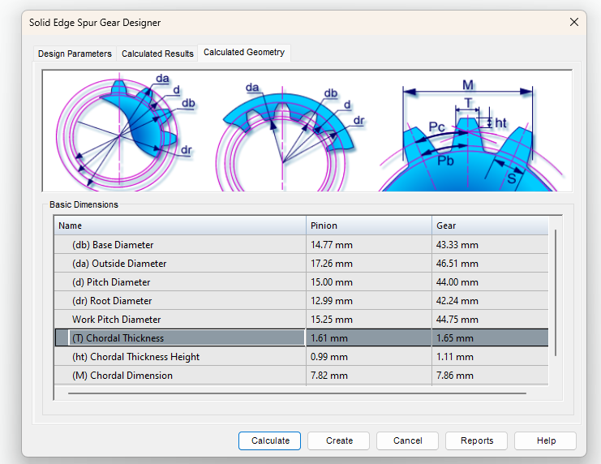
Parameter | Pinion (mm) | Gear (mm) | In case of strength errors during calculation, go to "Material" and change stress values to high numbers (9,999)
Hole width | 4 | 8
Face Width | 4 | 4
Center Distance | 30
Ratio | 3
Pressure Angle | 10

