Sheet1
 |  |  |  | Date Raised*
 |  |  |  | Contact Name *
SONY AUSTRALIA Return Request Form (WF43) |  |  |  | Phone No* |  |  |  | SONY AUSTRALIA Return Request Form (WF43)
 |  |  |  | Store No*
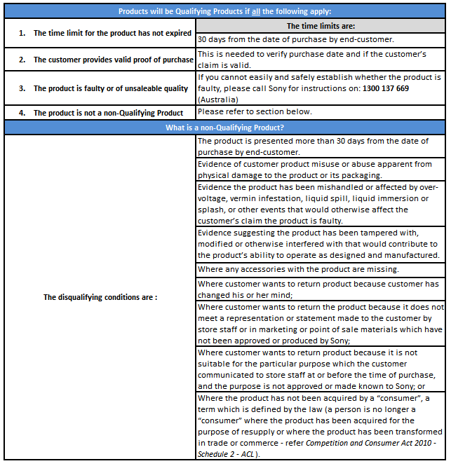
Sony Contact Details |  |  |  | Claim no*
Returns Enquiries: 1300 30 27 27 |  |  |  | Email address
Email: sonyreturns.au@ap.sony.com |  |  |  | Company Name *
Fax: 02 9887 1345 |  |  |  | Store address

Valid as of 03/11/2014
 |  |  |  | Please be advised all fields with * MUST be completed
Sony Product code | Quantity | Reason for return | Summary of fault | Serial Number | Date of end user purchase (Required for return reason U07) | Sony Invoice no. (Required only for return reasons U01/U03/U06) | Supporting comments
 |  | PLEASE SELECT | PLEASE SELECT
 |  | PLEASE SELECT | PLEASE SELECT
 |  | PLEASE SELECT | PLEASE SELECT
 |  | PLEASE SELECT | PLEASE SELECT
 |  | PLEASE SELECT | PLEASE SELECT
 |  | PLEASE SELECT | PLEASE SELECT
 |  | PLEASE SELECT | PLEASE SELECT
 |  | PLEASE SELECT | PLEASE SELECT
 |  | PLEASE SELECT | PLEASE SELECT
 |  | PLEASE SELECT | PLEASE SELECT
Number of consolidated boxes to be returned *this will determine number of labels sent for this return.

Please refer over for Return Guidelines, reason and fault codes
For Bravia Cracked Screens - Please contact Sony Returns on 1300 30 27 27 prior to raising claim

