1. Category Overview
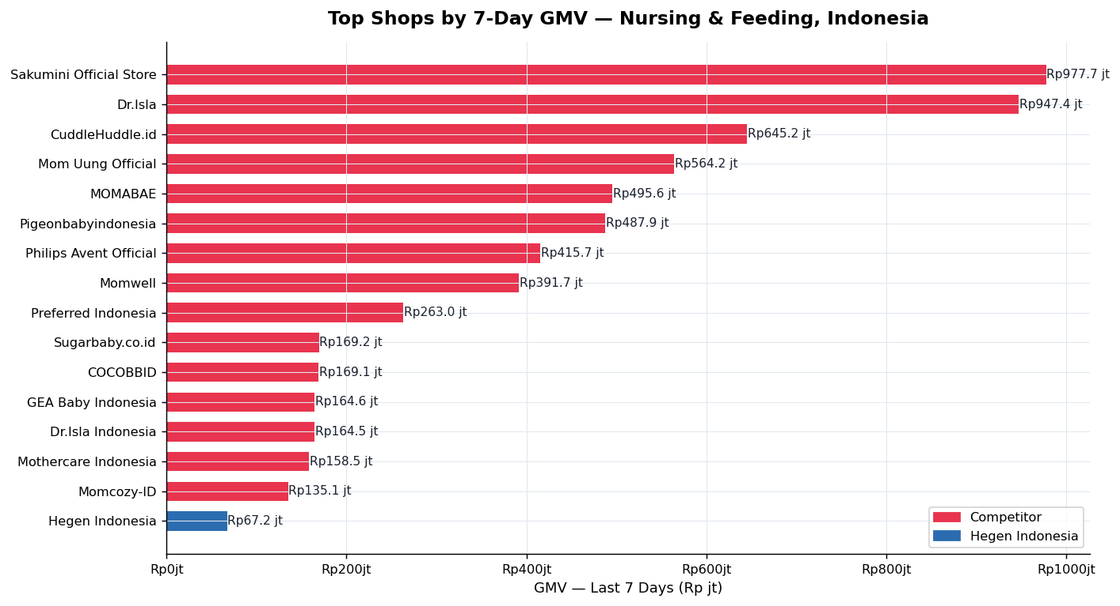
TikTok Shop Indonesia — Nursing & Feeding Category Analysis | Data: FastMoss | March 2026
Brand Spotlight: Hegen Indonesia

CATEGORY SNAPSHOT — NURSING & FEEDING (TOP 300 SHOPS)
Total Shops Tracked |  | Top Shop GMV (7d) |  | Median Commission |  | Avg Affiliates / Product |  | Live Share of Creator GMV
300 |  | Rp977.7 jt |  | 7% |  | 269 |  | 18%

TOP 15 SHOPS BY 7-DAY GMV
Rank | Shop Name | Positioning | 7d GMV | 7d Units | MoM GMV | Total GMV | Total Units | Influencers | Active Prods | Rating
1 | Sakumini Official Store | Brand | Rp977.7 jt | 22.2k | -21.3% | Rp68.9 M | 1.2m | 30.6k | 58 | 4.7
2 | Dr.Isla | Brand | Rp947.4 jt | 9.7k | -9.1% | Rp84.9 M | 926.9k | 14.9k | 77 | 4.9
3 | CuddleHuddle.id | Retailer | Rp645.2 jt | 3.2k | -16.0% | Rp18.1 M | 130.0k | 1.4k | 34 | 4.8
4 | Mom Uung Official | Brand | Rp564.2 jt | 3.2k | 250.8% | Rp60.3 M | 250.9k | 48.0k | 30 | 5
5 | MOMABAE | Brand | Rp495.6 jt | 671 | -44.5% | Rp20.6 M | 40.8k | 2.1k | 30 | 4.9
6 | Pigeonbabyindonesia | Brand | Rp487.9 jt | 5.6k | -32.6% | Rp21.6 M | 238.8k | 7.6k | 92 | 4.8
7 | Philips Avent Official | Brand | Rp415.7 jt | 2.3k | 15.5% | Rp40.2 M | 255.5k | 5.0k | 62 | 4.7
8 | Momwell | Brand | Rp391.7 jt | 6.4k | 15.2% | Rp17.8 M | 329.1k | 10.3k | 24 | 4.6
9 | Preferred Indonesia | Retailer | Rp263.0 jt | 3.6k | -32.2% | Rp3.4 M | 41.4k | 1.4k | 16 | 4.6
10 | Sugarbaby.co.id | Brand | Rp169.2 jt | 2.9k | 28.6% | Rp11.1 M | 174.3k | 19.1k | 36 | 4.9
11 | COCOBBID | Brand | Rp169.1 jt | 329 | - | Rp911.9 jt | 2.7k | 215 | 3 | 4.1
12 | GEA Baby Indonesia | Brand | Rp164.6 jt | 603 | -31.2% | Rp15.3 M | 76.8k | 1.4k | 34 | 4.9
13 | Dr.Isla Indonesia | Brand | Rp164.5 jt | 1.5k | -67.8% | Rp5.7 M | 66.0k | 3.1k | 40 | 4.9
14 | Mothercare Indonesia | Brand | Rp158.5 jt | 169 | -93.9% | Rp6.1 M | 13.2k | 719 | 12 | 3.1
15 | Momcozy-ID | Brand | Rp135.1 jt | 366 | 3153704900.0% | Rp5.4 M | 5.9k | 479 | 8 | 3.5

2. Product Analysis
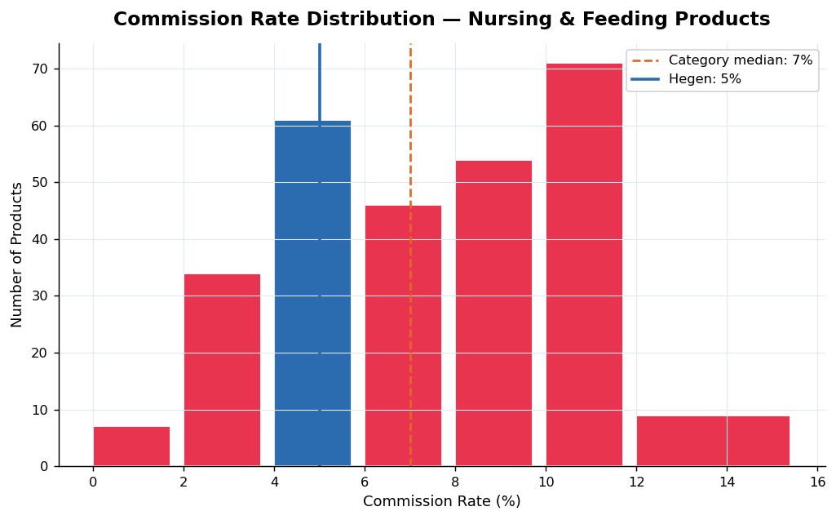
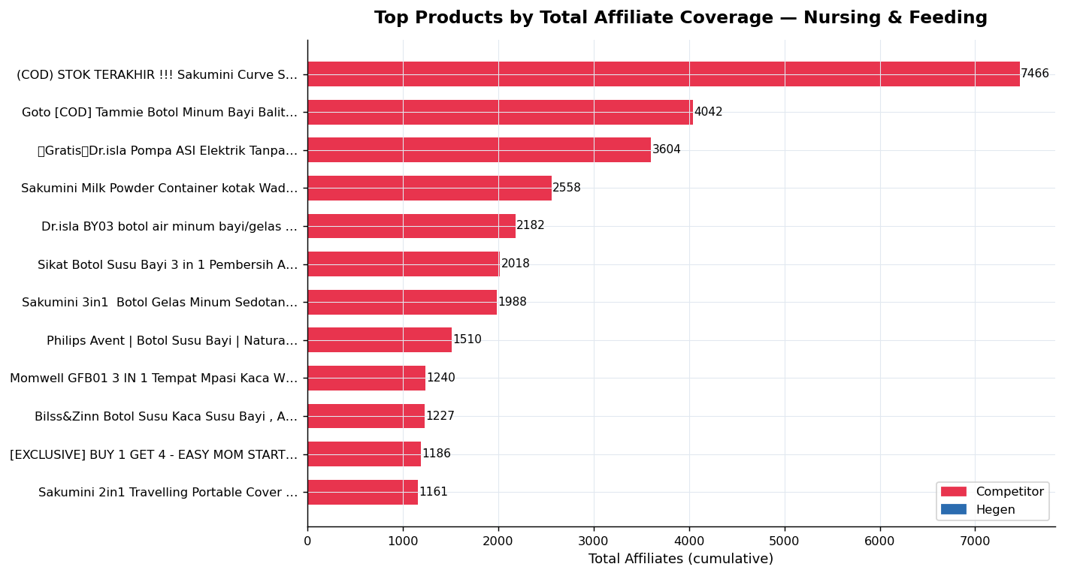
TOP PRODUCTS — NURSING & FEEDING | Subcategory, Commission & Affiliate Coverage

COMMISSION RATE SUMMARY — MOST PROMOTED PRODUCTS
Min | 1.0% | 25th pct | 5.0% | Median | 7.0% | 75th pct | 10.0% | Max | 15.0% | Hegen | 5.0%

TOP 20 MOST PROMOTED PRODUCTS — BY TOTAL AFFILIATES
Rank | Product Name | Shop | Subcategory | Price | Commission | Units Sold | Revenue (IDR) | Active Aff. | Total Aff. | Status
1 | (COD) STOK TERAKHIR !!! Sakumini Curve Straw Training C | Sakumini Official Stor | Baby Bottles & Accessories | Rp38,706 | 5% | 102 | Rp4.1 jt | 8 | 7466 | Available
2 | Goto [COD] Tammie Botol Minum Bayi Balita Tempat Air Bo | Goto Living | Baby Bottles & Accessories | Rp34,500 | 3% | 431 | Rp14.7 jt | 3 | 4042 | Available
3 | 【Gratis】Dr.isla Pompa ASI Elektrik Tanpa Kabel otomatis | Dr.Isla | Breast Pumps & Accessories | Rp179,000 | 7% | 119 | Rp21.3 jt | 5 | 3604 | Available
4 | Sakumini Milk Powder Container kotak Wadah Tempat Susu | Sakumini Official Stor | Formula & Milk Storage & Org | Rp36,000 | 5% | 216 | Rp7.2 jt | 2 | 2558 | Available
5 | Dr.isla BY03 botol air minum bayi/gelas bayi/botol air | Dr.Isla | Baby Bottles & Accessories | Rp49,000 | 7% | 100 | Rp4.9 jt | 1 | 2182 | Available
6 | Sikat Botol Susu Bayi 3 in 1 Pembersih Alat Dot Balita | Hansa_com | Baby Bottle Cleaners | Rp26,730 | 8% | 1 | Rp25 rb | 2 | 2018 | Available
7 | Sakumini 3in1 Botol Gelas Minum Sedotan Viral Anak-Ana | Sakumini Official Stor | Baby Bottles & Accessories | Rp42,000 | 5% | 409 | Rp18.6 jt | 10 | 1988 | Available
8 | Philips Avent | Botol Susu Bayi | Natural Response | Do | Philips Avent Official | Baby Bottles & Accessories | Rp122,100 | 10% | 178 | Rp24.8 jt | 9 | 1510 | Available
9 | Momwell GFB01 3 IN 1 Tempat Mpasi Kaca Wadah Mpasi Kaca | Momwell | Baby Utensils | Rp17,266 - 54,800 | 6% | 308 | Rp5.3 jt | 2 | 1240 | Available
10 | Bilss&Zinn Botol Susu Kaca Susu Bayi , Anti Kembung, Ti | Bilss&ZinnKIDS | Baby Bottles & Accessories | Rp65,550 | 9% | 9 | Rp590 rb | 12 | 1227 | Available
11 | [EXCLUSIVE] BUY 1 GET 4 - EASY MOM STARTER PACK - Mom U | Mom Uung Official | Breast Pumps & Accessories | Rp691,309 | 5% | 38 | Rp26.3 jt | 2 | 1186 | Available
12 | Sakumini 2in1 Travelling Portable Cover Straw Dino Tutu | Sakumini Official Stor | Baby Utensils | Rp26,000 | 5% | 100 | Rp2.6 jt | 4 | 1161 | Available
13 | Goto [COD] Quiny Botol Minum Bayi Bottle Air Anak Sedot | Goto Living | Baby Bottles & Accessories | Rp29,600 | 4% | 84 | Rp2.5 jt | 1 | 1152 | Available
14 | Sugar Baby Premium Glass Jar Baby Food Container BPA FR | Sugarbaby.co.id | Baby Utensils | Rp88,999 | 5% | 100 | Rp8.3 jt | 4 | 1146 | Available
15 | Sakumini 3in1 Training Cup Duckbill Straw Gelas Minum S | Sakumini Official Stor | Baby Bottles & Accessories | Rp56,000 | 5% | 33 | Rp1.8 jt | 1 | 1121 | Available
16 | Sleek Baby Bottle Nipple & Accessories Cleanser Botol 1 | Sleek Baby Store | Baby Bottle Cleaners | Rp16,500 | 8% | 6 | Rp99 rb | 4 | 1065 | Available
17 | Eatkit 170ml Bayi Safe Baby Food Container Tempat Penyi | eatkit.id | Baby Utensils | Rp14,800 | 6% | 2 | Rp30 rb | 1 | 996 | Available
18 | [BELI BANYAK LEBIH HEMAT] ANGOLA Sikat Pembersih Botol/ | Angola Indonesia | Baby Bottle Cleaners | Rp4,900 | 5% | 100 | Rp530 rb | 2 | 921 | Available
19 | LAKOE 3PCS/set Wadah Mpasi Kaca/Food Container Mpasi Ka | lakoeindonesia | Baby Utensils | Rp52,999 | 5% | 3 | Rp226 rb | 1 | 898 | Available
20 | Dr.Isla Pompa ASI manual flanel pompa ASI / pompa ASI / | Dr.Isla | Breast Pumps & Accessories | Rp69,000 | 5% | 13 | Rp831 rb | 1 | 862 | Available
21 | Hegen Ocean Odyssey Feeding Bottle PPSU | Hegen Indonesia | Baby Bottles & Accessories | Rp371,070 | 5% | 1 | Rp371 rb | 2 | 9 | Available | ← HEGEN

3. Creator Intelligence
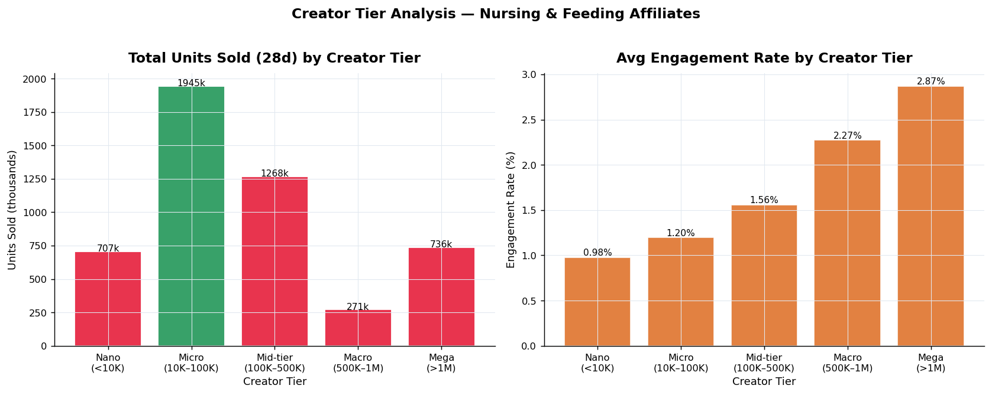
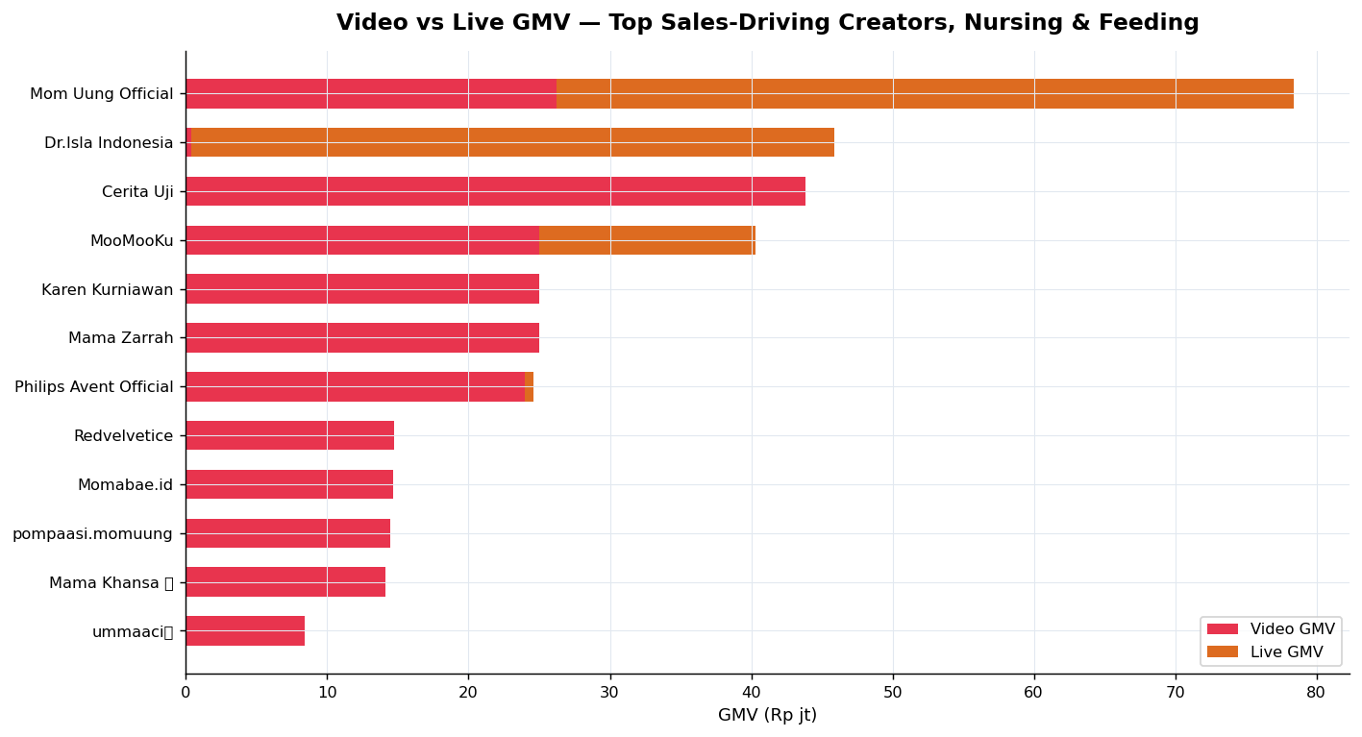
CREATOR INTELLIGENCE — Nursing & Feeding Affiliate Ecosystem

CREATOR TIER BREAKDOWN — Units Sold (28 days)
Tier | Creators | Total Units (28d) | Avg Units/Creator | Avg Engagement
Nano (<10K) | 56 | 707.3k | 12.6k | 0.98%
Micro (10K–100K) | 150 | 1.9m | 13.0k | 1.20% | ← Best performing tier
Mid-tier (100K–500K) | 63 | 1.3m | 20.1k | 1.56%
Macro (500K–1M) | 10 | 271.2k | 27.1k | 2.27%
Mega (>1M) | 21 | 736.3k | 35.1k | 2.87%

TOP 15 SALES-DRIVING CREATORS — Nursing & Feeding
Rank | Creator | Region | Category | Followers | Products | Video GMV | Live GMV | Total GMV | Live %
1 | Mom Uung Official | Indonesia | Baby | 1.2m | 30 | Rp26.2 jt | Rp52.2 jt | Rp78.4 jt | 67%
2 | Dr.Isla Indonesia | Indonesia | Other | 60.7k | 37 | Rp358 rb | Rp45.5 jt | Rp45.9 jt | 99%
3 | Cerita Uji | Indonesia | Clothing & Accessori | 339.0k | 3 | Rp43.9 jt | Rp0 | Rp43.9 jt | 0%
4 | MooMooKu | Indonesia | Baby | 90.1k | 22 | Rp25.0 jt | Rp15.3 jt | Rp40.3 jt | 38%
5 | Karen Kurniawan | Indonesia | Media & Entertainmen | 2.1m | 5 | Rp25.0 jt | Rp0 | Rp25.0 jt | 0%
6 | Mama Zarrah | Indonesia | Baby | 34.4k | 27 | Rp25.0 jt | Rp0 | Rp25.0 jt | 0%
7 | Philips Avent Official | Indonesia | Shopping & Retail | 91.1k | 8 | Rp24.0 jt | Rp599 rb | Rp24.6 jt | 2%
8 | Redvelvetice | Indonesia | Other | 5.8k | 8 | Rp14.7 jt | Rp0 | Rp14.7 jt | 0%
9 | Momabae.id | Indonesia | Baby | 200.1k | 8 | Rp14.7 jt | Rp0 | Rp14.7 jt | 0%
10 | pompaasi.momuung | Indonesia | Baby | 70.6k | 5 | Rp14.4 jt | Rp0 | Rp14.4 jt | 0%
11 | Mama Khansa 🫐 | Indonesia | Food & Beverage | 268.8k | 7 | Rp14.1 jt | Rp0 | Rp14.1 jt | 0%
12 | ummaaci🧸 | Indonesia | Other | 1.1k | 13 | Rp8.4 jt | Rp0 | Rp8.4 jt | 0%
13 | Bunanya Alea👶🏻🤰🏻💗 | Indonesia | Other | 5.4k | 2 | Rp8.3 jt | Rp0 | Rp8.3 jt | 0%
14 | Asri🦋Mamakeenan | Indonesia | Baby | 7.2k | 28 | Rp8.2 jt | Rp0 | Rp8.2 jt | 0%
15 | rtariany | Indonesia | Beauty | 85.3k | 10 | Rp7.7 jt | Rp0 | Rp7.7 jt | 0%

4. Hegen Spotlight
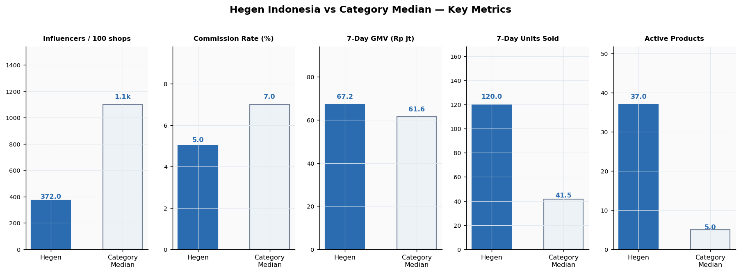
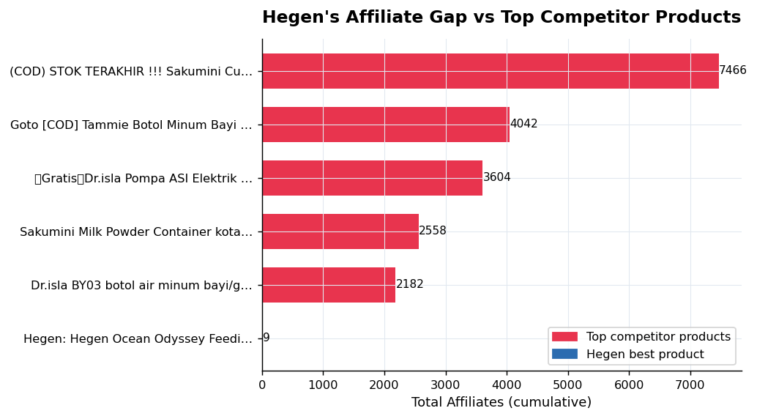
HEGEN INDONESIA — Brand Performance & Strategic Gap Analysis
Data: FastMoss | Category: Nursing & Feeding | Country: Indonesia | March 2026

HEGEN PERFORMANCE SCORECARD
Metric | Hegen Value | Benchmark / Context | Signal
Shop Rating | 3.7/5.0 | 3.7 is below top brands (4.7–4.9) | ⚠
7-Day GMV | Rp67.2 jt | Rank ~265/300 shops | ⚠
GMV MoM Change | -59.9% | Declining — needs immediate action | ✗
Units MoM Change | -62.5% | Volume declining faster than revenue | ✗
Total Influencers | 372 | Category median: 1100 | ⚠
Commission Rate | 5% | Below category median (7%) | ⚠
Active Products | 37 | 103 listed, only 8 active recently | ⚠
Top Product Aff. | 9 | Top competitor product has 2182+ | ✗

STRATEGIC RECOMMENDATIONS
REC 1: Raise commission to 9%
Current 5% is below the 7% category median. Top products offering 9%+ attract 100+ affiliates on average. A 2% uplift would likely 3x affiliate adoption within 60 days.

REC 2: Launch a dedicated live commerce channel
Live streams account for 18% of top-creator GMV in Nursing & Feeding. Hegen currently has no live-specialist creators. Partner with 1–2 mid-tier Baby creators (100K–500K followers) for weekly product demos — target Rp50jt GMV/session based on category benchmarks.

REC 3: Run a micro-creator seeding programme
Micro creators (10K–100K followers) generate the highest total units in this category. Hegen's best product has only 9 affiliates vs competitor products with 2182+. A structured seeding campaign targeting 50 new micro-creators over 30 days would close this gap and build sustainable affiliate volume.

