Sheet1
Test Id | Test Description | Tested Requirement Id | Tested Requirement Description | Expected Outcome | Real Outcome | Images
1 | Functional test, Testing the value range limit for the forms (ENEMIES_F) | 1 | Data Validation needs input, a pre-set Limit and a graphical representation. | Once a value above the pre-set limit is inputted a user form or pop up box should appear thus informing the user to input within the pre-determined range, nullifying their previous attempt. | A pop up box appeared with the notification stating that the value must be below and above the pre-set values. | 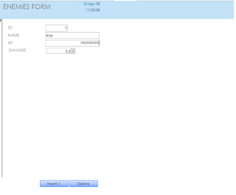 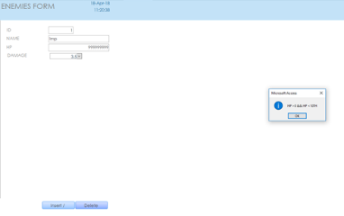
2 | Functional test, Testing the value range base for the forms (ENEMIES_F) | 2 | Data Validation Base test, needs input,a base number or limitations achieved through using SQL check constraints and a pop up/ Notification. | Once a value lower than the base value is inputted a user form or pop up box should appear thus informing the user to input a valid value, making there previous attempt null. | A user message appeared, stating that the value must be above the base value and below the limit staying within the pre-determined values. | 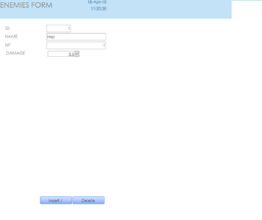 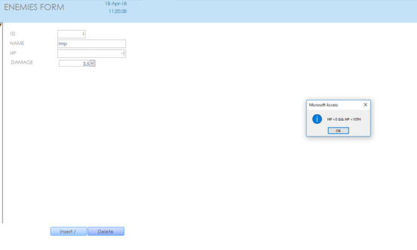
3 | Functional test,Testing form input | 3 | Data Input | Once all the empty fields have been filled and insert button pressed the page should refresh and information be compiled into a database table. | The data was transferred into there respective collumns in a database table, with the page refreshing and reports/tables updating.
4 | Functional test,Testing the delete button/function | 4 | Data Deletion | The data should be removed from the subsequent related table, if it is exisiting. | A user message appeared thus confirming whether the deletion was purposeful or not, thereafter clicking yes removes the information from said table.
5 | Functional test, Testing whether reports update after data change. (Damage Report) | 5 | Real Time Updates | If any change in the table has occurred the database should detect it thus updating the linked reports, displaying the information stored in the database (Enemies) table. | Once new data was inputted in this instance in the damage and name field's in the enemies table, the respective report displaying said enemy name and damage values updated instantanouesly after the data altercation/ injection.
6 | Functional test, Test if the range field can store an Interger | 6 | Data Storage | The field should store and accept numbers, nullifying input that includes characters/letters. | The field accepted and stored a numerical value.
7 | Functional test,Test whether the ID field allows and may store numbers. | 7 | Data Storage | The ID field should disallow letters, though allow numbers thus storing a numerical value into the tested field located in a database table. | The ID field put the numerical values through thus storing said value correctly.
8 | Functional test,Testing whether the Skill ID field may store a unique integer. | 8 | Data Storage | The field should store a unique number, though consequently currently not in use by another skill. | The Skill ID correctly stored a unique number into the table, passing through the field. Whilst the system would notify the user if an ID is similar to another and thus asking them to change it to avoid complications.
9 | Functional test, Testing the Status field to see if it may store Characters and numbers. | 9 | Data Storage | The field should accept numbers and characters. However there is a limit to the amount. | The Field accepted and correctly stored characters.
10 | Functional test,Test if the HP field can store an integer. | 10 | Data Storage | The HP field should be able to pass and store numbers, however not letters. | The field correctly stored integers inputted into the fields region in a database table.Whilst a user prompt appeared if characters were attempted to be inputted. | 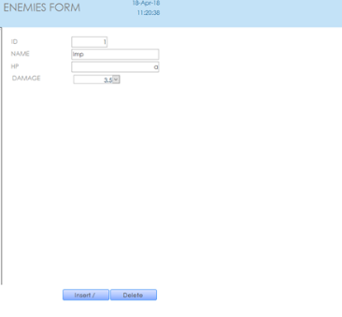 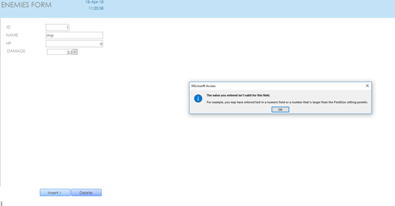 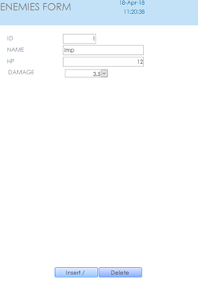 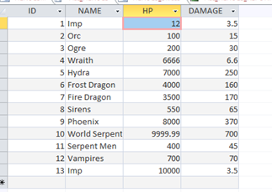
11 | Functional Test, Testing the level field to see whether numerical values may be stored. | 11 | Data Storage | The field should accept numerical values, however decline characters. | The numerical values inputted into the table were stored succesfully under the field column / heading.
12 | Functional Test, Testing to see if the name field will store and accept characters. | 12 | Data Storage | The name field should accept and store an input formed of characters into a table under the fields column / heading. | Once data was inputted into the susequent field, the data formed of characters appeared in the table thus confirming and ensuring functionality and purpose.
13 | Functional Test,Testign whether the Race field will update straight after changes have been made. | 13 | Real Time Updates | Any changes made to the values stored in the field should update immediately. | The Name field updated correctly, when being edited. | 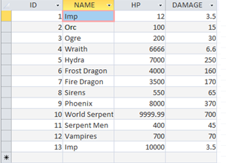 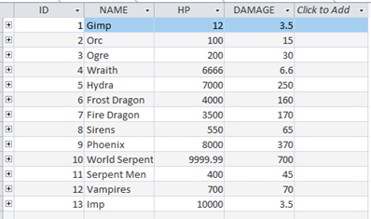
14 | Fuctional Test,Testing real time functionality of the race field. | 14 | Real Time Updates | Any alterications made to the values in the race field should update simultaneously to when the edit is made. | The Race field updated correctly, when edited.
15 | Functional Test, Does the report show the correct values. | 15 | Data Report / Data Visability | The report should show the values of a table in a pre-designed layout or format. | The report displayed the information / values stored within a table. | 