Data-UraniumOre
Object | 410 | 435 | 460 | 485 | 510 | 535 | 560 | 585 | 610 | 645 | 680 | 705 | 730 | 760 | 810 | 860 | 900 | 940
Uranium Ore | 2124.92 | 650.51 | 1440.37 | 513.56 | 809.12 | 1063.64 | 2124.92 | 650.51 | 1440.37 | 513.56 | 809.12 | 1063.64 | 2124.92 | 650.51 | 1440.37 | 513.56 | 809.12 | 1063.64
Copper | 921.65 | 1537.93 | 4479.57 | 741.3 | 2306.1 | 4041.7 | 7921.65 | 1537.93 | 4479.57 | 741.3 | 2306.1 | 4041.7 | 7921.65 | 1537.93 | 4479.57 | 741.3 | 2306.1 | 4041.7
Banana | 827.97 | 239.87 | 412.21 | 147.9 | 384.35 | 1054.57 | 827.97 | 239.87 | 412.21 | 147.9 | 384.35 | 1054.57 | 827.97 | 239.87 | 412.21 | 147.9 | 384.35 | 1054.57
Wood | 1564.26 | 453.09 | 979.11 | 274.93 | 495.3 | 803.31 | 1564.26 | 453.09 | 979.11 | 274.93 | 495.3 | 803.31 | 1564.26 | 453.09 | 979.11 | 274.93 | 495.3 | 803.31
Unknown | 2278.35 | 771.93 | 1616.76 | 420.1 | 698.96 | 1053.17 | 2278.35 | 771.93 | 1616.76 | 420.1 | 698.96 | 1053.17 | 2278.35 | 771.93 | 1616.76 | 420.1 | 698.96 | 1053.17
GROENE TRUI | 1.13 | 1.04 | 0.81 | 0.84 | 4.88 | 13.31 | 0.51 | 0.48 | 0.45 | 0.41 | 4.59 | 1.93 | 0.0 | 0.96 | 1.96 | 0.84 | 1.52 | 1.45
APPELSIEN | 13.5439 | 3.11109 | 1.62214 | 2.50793 | 21.1555 | 62.1303 | 0.509842 | 0.965911 | 0.894497 | 0.413862 | 5.90423 | 1.93255 | 0.0 | 0.0 | 0.0 | 0.842891 | 0.0 | 1.4481

 | 474,037 | 207,406 | 486,643 | 33,439 | 154,598 | 388,314 | 254,921 | 386,364 | 0.894497 | 124,158 | 144,326 | 579,766 | 0.799493 | 288,729 | 0.0 | 252,867 | 0.761803 | 17.3772]
 | 56,433 | 145,184 | 56,775 | 33,439 | 179,008 | 388,314 | 305,905 | 482,955 | 402,524 | 165,545 | 150,886 | 579,766 | 159,899 | 288,729 | 686,968 | 252,867 | 609,442 | 20.2734]
 | 553,043 | 145,184 | 486,643 | 33,439 | 162,734 | 35,503 | 305,905 | 531,251 | 447,249 | 165,545 | 150,886 | 579,766 | 159,899 | 288,729 | 785,107 | 252,867 | 685,623 | 20.9975]
 | 541,757 | 145,184 | 486,643 | 33,439 | 154,598 | 321,746 | 35,689 | 579,546 | 447,249 | 165,545 | 157,446 | 579,766 | 159,899 | 288,729 | 785,107 | 337,156 | 761,803 | 21.7215]
 | 519,184 | 145,184 | 486,643 | 33,439 | 146,461 | 299,557 | 35,689 | 627,842 | 491,973 | 206,931 | 150,886 | 579,766 | 159,899 | 384,973 | 785,107 | 337,156 | 837,983 | 22.4456]
 | 553,043 | 134,814 | 486,643 | 33,439 | 146,461 | 310,652 | 407,874 | 627,842 | 491,973 | 206,931 | 157,446 | 579,766 | 159,899 | 288,729 | 785,107 | 337,156 | 761,803 | 20.9975]

Spectral Response

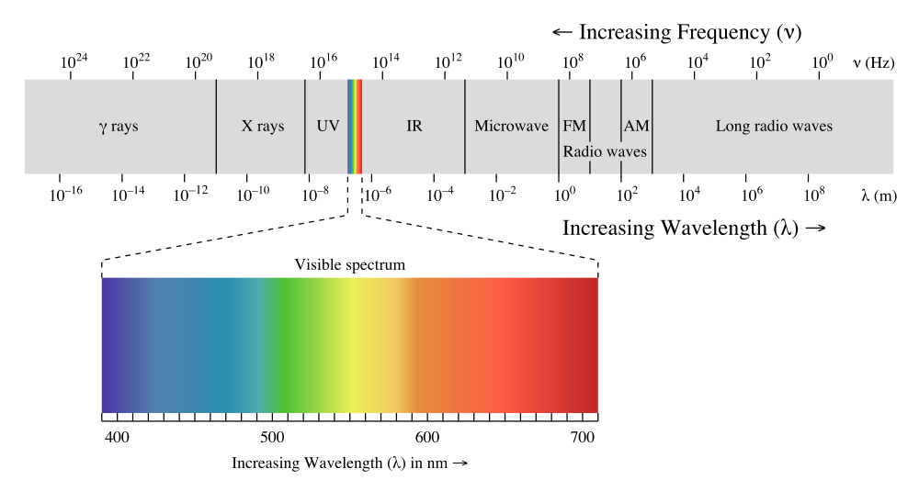

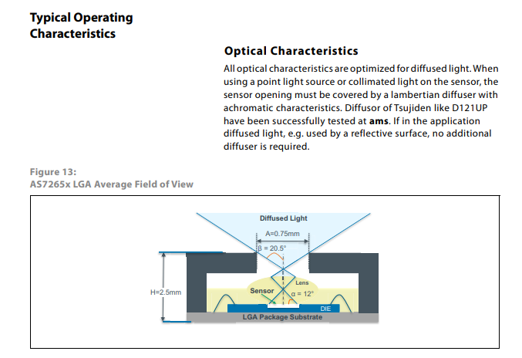
The SparkFun Triad Spectroscopy Sensor is a powerful optical inspection sensor also known as a spectrophotometer. Three AS7265x spectral sensors are combined alongside a visible, UV, and IR LEDs to illuminate and test various surfaces for light spectroscopy. The Triad is made up of three sensors; the AS72651, the AS72652, and the AS72653 and can detect the light from 410nm (UV) to 940nm (IR). In addition, 18 individual light frequencies can be measured with precision down to 28.6 nW/cm² and accuracy of +/-12%. The AS7265x should not be confused with highly complex photon spectrometers, but the sensor array does give the user the ability to measure and characterize how different materials absorb and reflect 18 different frequencies of light. The Triad contains a 5700k white LED, a 405nm UV LED, and a 875nm IR LED mounted alongside the sensors. These LEDs were chosen to illuminate the target with the largest swath of visible and invisible light. The LEDs are individually enabled with software configurable drive current.

