Fig4
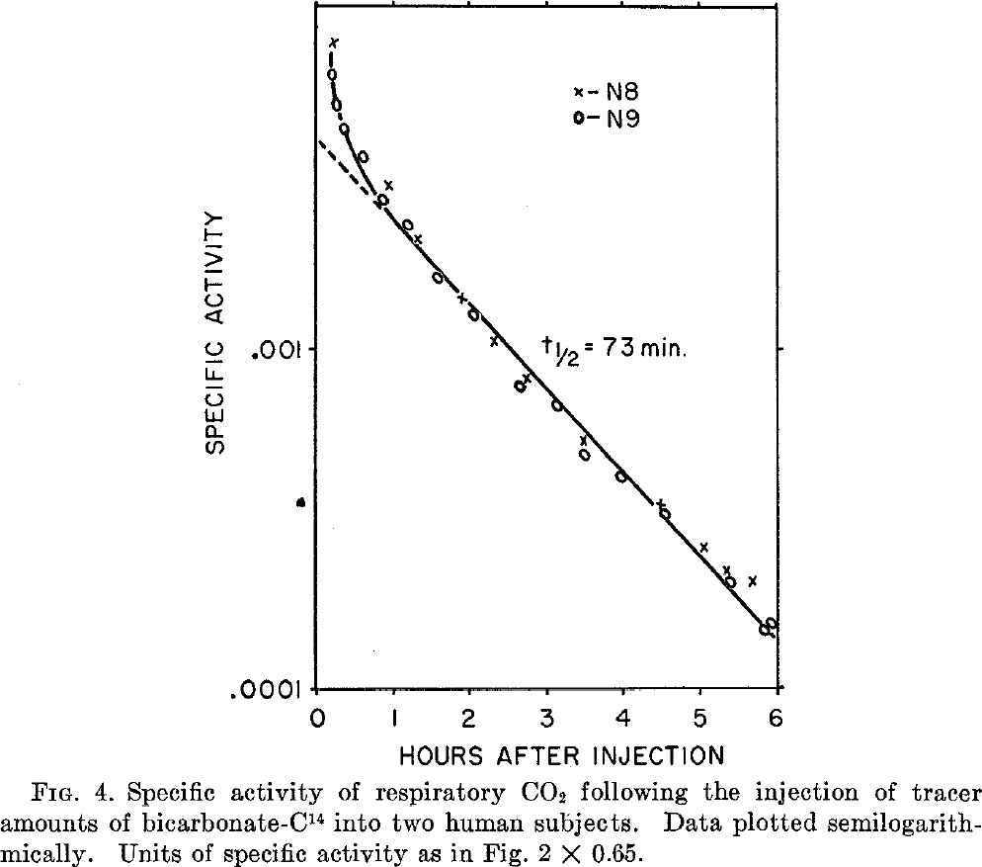
study | subject | time after injection [h] | specific activity [% of injected activity/mg carbon * 0.65]
study | subject | time | activity
Baker1954 | N8 | 0.2871 | 0.0078
Baker1954 | N8 | 0.9944 | 0.0030
Baker1954 | N8 | 1.3665 | 0.0021
Baker1954 | N8 | 1.9093 | 0.0014
Baker1954 | N8 | 2.3505 | 0.0010
Baker1954 | N8 | 2.7748 | 0.0008
Baker1954 | N8 | 3.5228 | 0.0005
Baker1954 | N8 | 4.4750 | 0.0003
Baker1954 | N8 | 5.0530 | 0.0003
Baker1954 | N8 | 5.3248 | 0.0002
Baker1954 | N8 | 5.7003 | 0.0002
Baker1954 | N9 | 0.25041193 | 0.0061950483
Baker1954 | N9 | 0.33383384 | 0.0051424005
Baker1954 | N9 | 0.41745058 | 0.004344896
Baker1954 | N9 | 0.6887058 | 0.0035413366
Baker1954 | N9 | 0.90790147 | 0.0026893762
Baker1954 | N9 | 1.2308266 | 0.002270692
Baker1954 | N9 | 1.619983 | 0.0015774728
Baker1954 | N9 | 2.0616858 | 0.0012294186
Baker1954 | N9 | 2.671596 | 7.47E-04
Baker1954 | N9 | 3.1320481 | 6.77E-04
Baker1954 | N9 | 3.4872124 | 4.79E-04
Baker1954 | N9 | 3.998458 | 4.15E-04
Baker1954 | N9 | 4.5596204 | 3.18E-04
Baker1954 | N9 | 5.3752365 | 2.03E-04
Baker1954 | N9 | 5.85025 | 1.46E-04
Baker1954 | N9 | 5.919013 | 1.52E-04

