Fig2
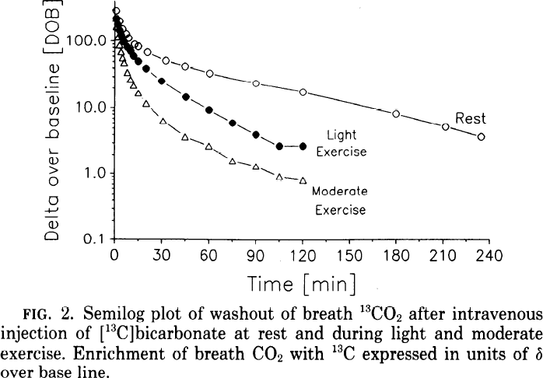
study | subjects | Exercise | Time [min] | delta over baseline rest [DOB]
study | n | exercise | time | dob
Barstow1990 | 6 | Rest | 1.02 | 285.47
Barstow1990 | 6 | Rest | 3.53 | 200.70
Barstow1990 | 6 | Rest | 5.20 | 153.05
Barstow1990 | 6 | Rest | 7.53 | 127.76
Barstow1990 | 6 | Rest | 9.03 | 109.58
Barstow1990 | 6 | Rest | 12.53 | 89.85
Barstow1990 | 6 | Rest | 15.52 | 83.61
Barstow1990 | 6 | Rest | 21.01 | 69.19
Barstow1990 | 6 | Rest | 32.81 | 50.49
Barstow1990 | 6 | Rest | 45.45 | 40.70
Barstow1990 | 6 | Rest | 61.40 | 31.94
Barstow1990 | 6 | Rest | 90.64 | 22.52
Barstow1990 | 6 | Rest | 120.72 | 16.77
Barstow1990 | 6 | Rest | 180.71 | 7.83
Barstow1990 | 6 | Rest | 211.95 | 5.09
Barstow1990 | 6 | Rest | 235.05 | 3.59
Barstow1990 | 6 | Light Exercise | 0.87 | 215.69
Barstow1990 | 6 | Light Exercise | 2.04 | 172.07
Barstow1990 | 6 | Light Exercise | 3.38 | 137.28
Barstow1990 | 6 | Light Exercise | 4.38 | 116.68
Barstow1990 | 6 | Light Exercise | 5.55 | 96.51
Barstow1990 | 6 | Light Exercise | 7.88 | 81.30
Barstow1990 | 6 | Light Exercise | 9.88 | 73.62
Barstow1990 | 6 | Light Exercise | 12.21 | 58.21
Barstow1990 | 6 | Light Exercise | 15.21 | 49.04
Barstow1990 | 6 | Light Exercise | 20.20 | 37.75
Barstow1990 | 6 | Light Exercise | 29.85 | 24.49
Barstow1990 | 6 | Light Exercise | 45.82 | 14.26
Barstow1990 | 6 | Light Exercise | 60.62 | 8.93
Barstow1990 | 6 | Light Exercise | 75.58 | 5.74
Barstow1990 | 6 | Light Exercise | 90.71 | 3.86
Barstow1990 | 6 | Light Exercise | 106.01 | 2.55
Barstow1990 | 6 | Light Exercise | 120.96 | 2.56
Barstow1990 | 6 | Moderate Exercise | 2.06 | 112.50
Barstow1990 | 6 | Moderate Exercise | 3.06 | 83.49
Barstow1990 | 6 | Moderate Exercise | 4.40 | 66.61
Barstow1990 | 6 | Moderate Exercise | 4.91 | 53.14
Barstow1990 | 6 | Moderate Exercise | 5.91 | 44.75
Barstow1990 | 6 | Moderate Exercise | 8.42 | 32.33
Barstow1990 | 6 | Moderate Exercise | 10.09 | 25.33
Barstow1990 | 6 | Moderate Exercise | 12.25 | 20.96
Barstow1990 | 6 | Moderate Exercise | 15.09 | 15.55
Barstow1990 | 6 | Moderate Exercise | 20.42 | 10.74
Barstow1990 | 6 | Moderate Exercise | 30.90 | 5.87
Barstow1990 | 6 | Moderate Exercise | 45.04 | 3.39
Barstow1990 | 6 | Moderate Exercise | 60.50 | 2.49
Barstow1990 | 6 | Moderate Exercise | 75.80 | 1.47
Barstow1990 | 6 | Moderate Exercise | 90.42 | 1.21
Barstow1990 | 6 | Moderate Exercise | 105.55 | 0.86
Barstow1990 | 6 | Moderate Exercise | 121.00 | 0.75

