Tab1
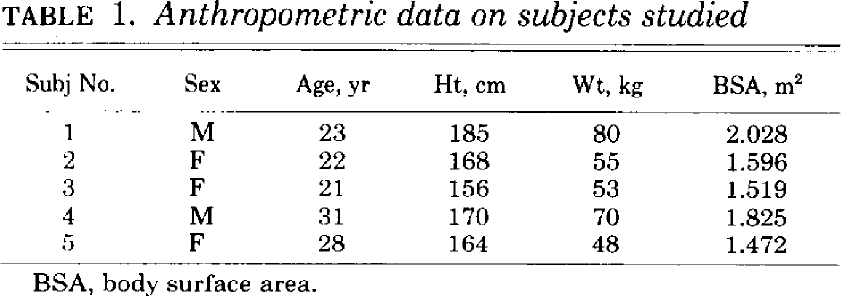
study | subject no. | sex | age [y] | height [cm] | weight [kg] | Body Surface Area (BSA) [m^2]
study | subject | sex | age | height | weight | bsa
Irving1983 | 1 | M | 23 | 185 | 80 | 2.028
Irving1983 | 2 | F | 22 | 168 | 55 | 1.596
Irving1983 | 3 | F | 21 | 156 | 53 | 1.519
Irving1983 | 4 | M | 31 | 170 | 70 | 1.825
Irving1983 | 5 | F | 28 | 164 | 48 | 1.472

TabA1
study | sid | subject | trial | time [min] | Delta over baseline [DOB]
study | sid | subject | trial | time | dob
Irving1983 | 1A | 1 | A | -30 | 0.1
Irving1983 | 1A | 1 | A | -15 | -0.1
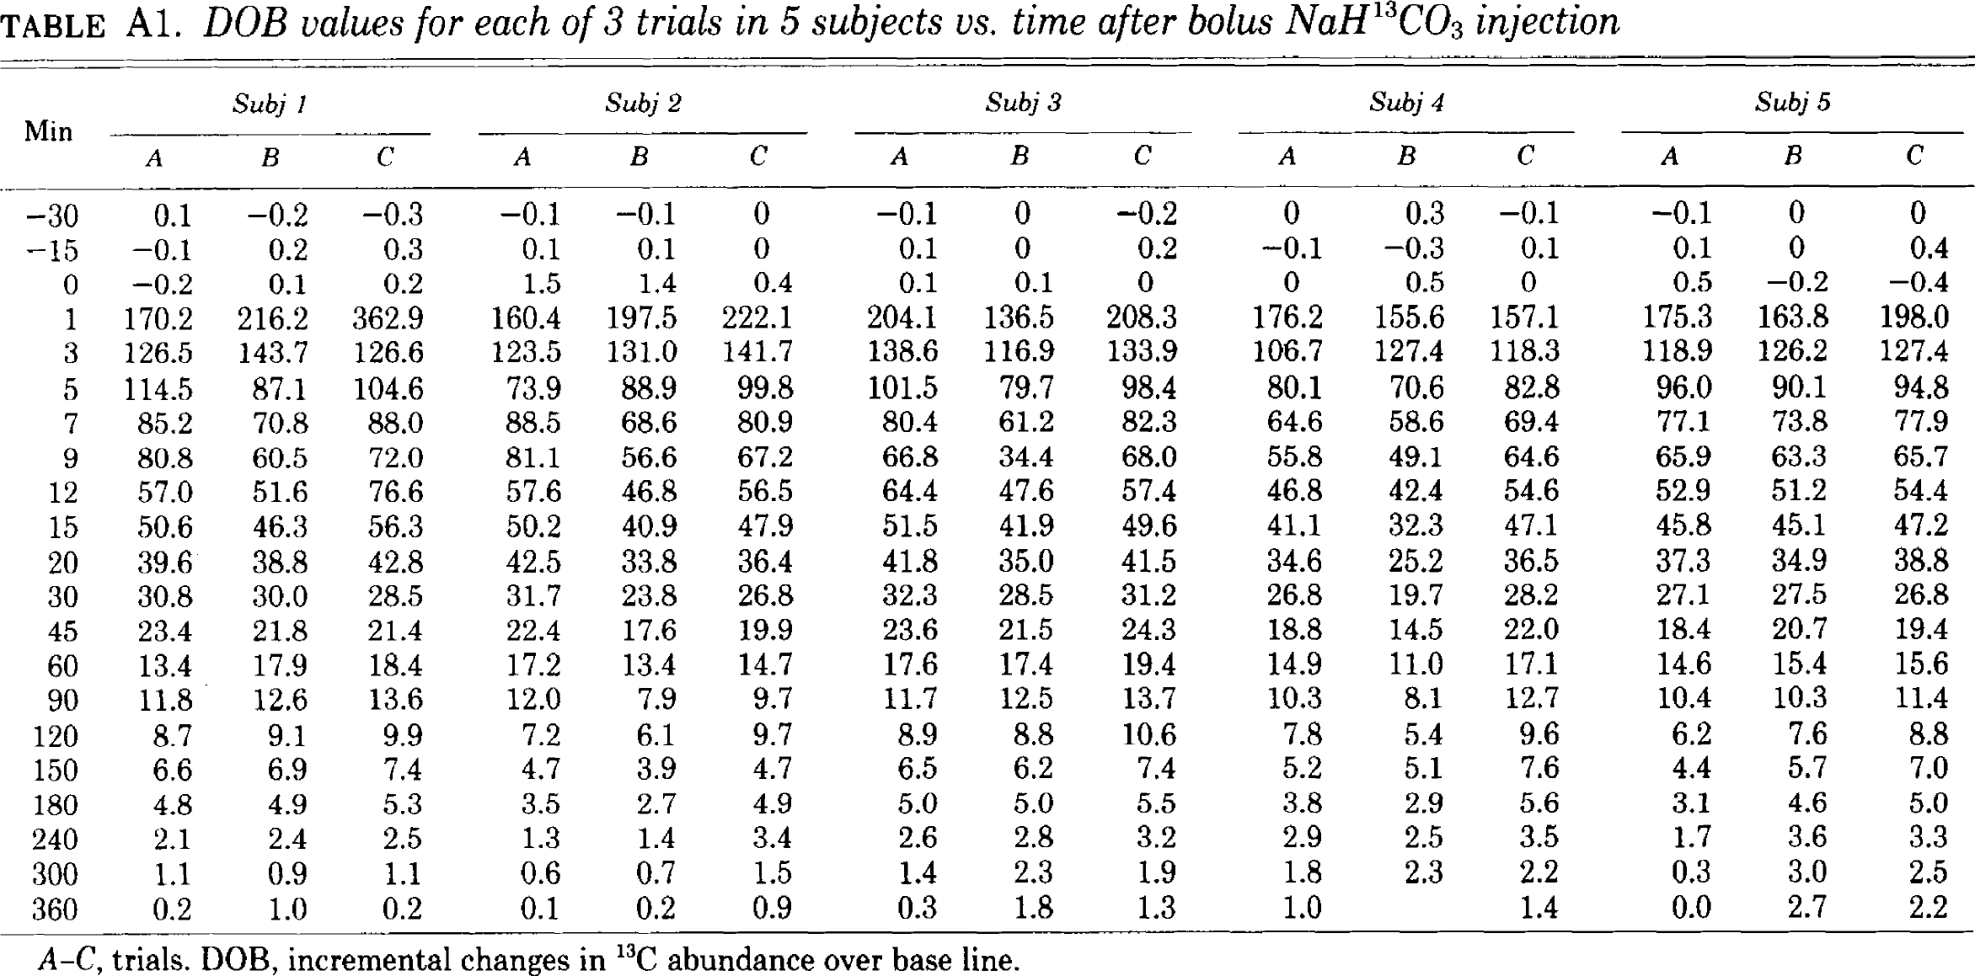
Irving1983 | 1A | 1 | A | 0 | -0.2
Irving1983 | 1A | 1 | A | 1 | 170.2
Irving1983 | 1A | 1 | A | 3 | 126.5
Irving1983 | 1A | 1 | A | 5 | 114.5
Irving1983 | 1A | 1 | A | 7 | 85.2
Irving1983 | 1A | 1 | A | 9 | 80.8
Irving1983 | 1A | 1 | A | 12 | 57
Irving1983 | 1A | 1 | A | 15 | 50.6
Irving1983 | 1A | 1 | A | 20 | 39.6
Irving1983 | 1A | 1 | A | 30 | 30.8
Irving1983 | 1A | 1 | A | 45 | 23.4
Irving1983 | 1A | 1 | A | 60 | 13.4
Irving1983 | 1A | 1 | A | 90 | 11.8
Irving1983 | 1A | 1 | A | 120 | 8.7
Irving1983 | 1A | 1 | A | 150 | 6.6
Irving1983 | 1A | 1 | A | 180 | 4.8
Irving1983 | 1A | 1 | A | 240 | 2.1
Irving1983 | 1A | 1 | A | 300 | 1.1
Irving1983 | 1A | 1 | A | 360 | 0.2
Irving1983 | 1B | 1 | B | -30 | -0.2
Irving1983 | 1B | 1 | B | -15 | 0.2
Irving1983 | 1B | 1 | B | 0 | 0.1
Irving1983 | 1B | 1 | B | 1 | 216.2
Irving1983 | 1B | 1 | B | 3 | 143.7
Irving1983 | 1B | 1 | B | 5 | 87.1
Irving1983 | 1B | 1 | B | 7 | 70.8
Irving1983 | 1B | 1 | B | 9 | 60.5
Irving1983 | 1B | 1 | B | 12 | 51.6
Irving1983 | 1B | 1 | B | 15 | 46.3
Irving1983 | 1B | 1 | B | 20 | 38.8
Irving1983 | 1B | 1 | B | 30 | 30
Irving1983 | 1B | 1 | B | 45 | 21.8
Irving1983 | 1B | 1 | B | 60 | 17.9
Irving1983 | 1B | 1 | B | 90 | 12.6
Irving1983 | 1B | 1 | B | 120 | 9.1
Irving1983 | 1B | 1 | B | 150 | 6.9
Irving1983 | 1B | 1 | B | 180 | 4.9
Irving1983 | 1B | 1 | B | 240 | 2.4
Irving1983 | 1B | 1 | B | 300 | 0.9
Irving1983 | 1B | 1 | B | 360 | 1
Irving1983 | 1C | 1 | C | -30 | -0.3
Irving1983 | 1C | 1 | C | -15 | 0.3
Irving1983 | 1C | 1 | C | 0 | 0.2
Irving1983 | 1C | 1 | C | 1 | 362.9
Irving1983 | 1C | 1 | C | 3 | 126.6
Irving1983 | 1C | 1 | C | 5 | 104.6
Irving1983 | 1C | 1 | C | 7 | 88
Irving1983 | 1C | 1 | C | 9 | 72
Irving1983 | 1C | 1 | C | 12 | 76.6
Irving1983 | 1C | 1 | C | 15 | 56.3
Irving1983 | 1C | 1 | C | 20 | 42.8
Irving1983 | 1C | 1 | C | 30 | 28.5
Irving1983 | 1C | 1 | C | 45 | 21.4
Irving1983 | 1C | 1 | C | 60 | 18.4
Irving1983 | 1C | 1 | C | 90 | 13.6
Irving1983 | 1C | 1 | C | 120 | 9.9
Irving1983 | 1C | 1 | C | 150 | 7.4
Irving1983 | 1C | 1 | C | 180 | 5.3
Irving1983 | 1C | 1 | C | 240 | 2.5
Irving1983 | 1C | 1 | C | 300 | 1.1
Irving1983 | 1C | 1 | C | 360 | 0.2
Irving1983 | 2A | 2 | A | -30 | -0.1
Irving1983 | 2A | 2 | A | -15 | 0.1
Irving1983 | 2A | 2 | A | 0 | 1.5
Irving1983 | 2A | 2 | A | 1 | 160.4
Irving1983 | 2A | 2 | A | 3 | 123.5
Irving1983 | 2A | 2 | A | 5 | 73.9
Irving1983 | 2A | 2 | A | 7 | 88.5
Irving1983 | 2A | 2 | A | 9 | 81.1
Irving1983 | 2A | 2 | A | 12 | 57.6
Irving1983 | 2A | 2 | A | 15 | 50.2
Irving1983 | 2A | 2 | A | 20 | 42.5
Irving1983 | 2A | 2 | A | 30 | 31.7
Irving1983 | 2A | 2 | A | 45 | 22.4
Irving1983 | 2A | 2 | A | 60 | 17.2
Irving1983 | 2A | 2 | A | 90 | 12
Irving1983 | 2A | 2 | A | 120 | 7.2
Irving1983 | 2A | 2 | A | 150 | 4.7
Irving1983 | 2A | 2 | A | 180 | 3.5
Irving1983 | 2A | 2 | A | 240 | 1.3
Irving1983 | 2A | 2 | A | 300 | 0.6
Irving1983 | 2A | 2 | A | 360 | 0.1
Irving1983 | 2B | 2 | B | -30 | -0.1
Irving1983 | 2B | 2 | B | -15 | 0.1
Irving1983 | 2B | 2 | B | 0 | 1.4
Irving1983 | 2B | 2 | B | 1 | 197.5
Irving1983 | 2B | 2 | B | 3 | 131
Irving1983 | 2B | 2 | B | 5 | 88.9
Irving1983 | 2B | 2 | B | 7 | 68.6
Irving1983 | 2B | 2 | B | 9 | 56.6
Irving1983 | 2B | 2 | B | 12 | 46.8
Irving1983 | 2B | 2 | B | 15 | 40.9
Irving1983 | 2B | 2 | B | 20 | 33.8
Irving1983 | 2B | 2 | B | 30 | 23.8
Irving1983 | 2B | 2 | B | 45 | 17.6
Irving1983 | 2B | 2 | B | 60 | 13.4
Irving1983 | 2B | 2 | B | 90 | 7.9
Irving1983 | 2B | 2 | B | 120 | 6.1
Irving1983 | 2B | 2 | B | 150 | 3.9
Irving1983 | 2B | 2 | B | 180 | 2.7
Irving1983 | 2B | 2 | B | 240 | 1.4
Irving1983 | 2B | 2 | B | 300 | 0.7
Irving1983 | 2B | 2 | B | 360 | 0.2
Irving1983 | 2C | 2 | C | -30 | 0
Irving1983 | 2C | 2 | C | -15 | 0
Irving1983 | 2C | 2 | C | 0 | 0.4
Irving1983 | 2C | 2 | C | 1 | 222.1
Irving1983 | 2C | 2 | C | 3 | 141.7
Irving1983 | 2C | 2 | C | 5 | 99.8
Irving1983 | 2C | 2 | C | 7 | 80.9
Irving1983 | 2C | 2 | C | 9 | 67.2
Irving1983 | 2C | 2 | C | 12 | 56.5
Irving1983 | 2C | 2 | C | 15 | 47.9
Irving1983 | 2C | 2 | C | 20 | 36.4
Irving1983 | 2C | 2 | C | 30 | 26.8
Irving1983 | 2C | 2 | C | 45 | 19.9
Irving1983 | 2C | 2 | C | 60 | 14.7
Irving1983 | 2C | 2 | C | 90 | 9.7
Irving1983 | 2C | 2 | C | 120 | 9.7
Irving1983 | 2C | 2 | C | 150 | 4.7
Irving1983 | 2C | 2 | C | 180 | 4.9
Irving1983 | 2C | 2 | C | 240 | 3.4
Irving1983 | 2C | 2 | C | 300 | 1.5
Irving1983 | 2C | 2 | C | 360 | 0.9
Irving1983 | 3A | 3 | A | -30 | -0.1
Irving1983 | 3A | 3 | A | -15 | 0.1
Irving1983 | 3A | 3 | A | 0 | 0.1
Irving1983 | 3A | 3 | A | 1 | 204.1
Irving1983 | 3A | 3 | A | 3 | 138.6
Irving1983 | 3A | 3 | A | 5 | 101.5
Irving1983 | 3A | 3 | A | 7 | 80.4
Irving1983 | 3A | 3 | A | 9 | 66.8
Irving1983 | 3A | 3 | A | 12 | 64.4
Irving1983 | 3A | 3 | A | 15 | 51.5
Irving1983 | 3A | 3 | A | 20 | 41.8
Irving1983 | 3A | 3 | A | 30 | 32.3
Irving1983 | 3A | 3 | A | 45 | 23.6
Irving1983 | 3A | 3 | A | 60 | 17.6
Irving1983 | 3A | 3 | A | 90 | 11.7
Irving1983 | 3A | 3 | A | 120 | 8.9
Irving1983 | 3A | 3 | A | 150 | 6.5
Irving1983 | 3A | 3 | A | 180 | 5
Irving1983 | 3A | 3 | A | 240 | 2.6
Irving1983 | 3A | 3 | A | 300 | 1.4
Irving1983 | 3A | 3 | A | 360 | 0.3
Irving1983 | 3B | 3 | B | -30 | 0
Irving1983 | 3B | 3 | B | -15 | 0
Irving1983 | 3B | 3 | B | 0 | 0.1
Irving1983 | 3B | 3 | B | 1 | 136.5
Irving1983 | 3B | 3 | B | 3 | 116.9
Irving1983 | 3B | 3 | B | 5 | 79.7
Irving1983 | 3B | 3 | B | 7 | 61.2
Irving1983 | 3B | 3 | B | 9 | 34.4
Irving1983 | 3B | 3 | B | 12 | 47.6
Irving1983 | 3B | 3 | B | 15 | 41.9
Irving1983 | 3B | 3 | B | 20 | 35
Irving1983 | 3B | 3 | B | 30 | 28.5
Irving1983 | 3B | 3 | B | 45 | 21.5
Irving1983 | 3B | 3 | B | 60 | 17.4
Irving1983 | 3B | 3 | B | 90 | 12.5
Irving1983 | 3B | 3 | B | 120 | 8.8
Irving1983 | 3B | 3 | B | 150 | 6.2
Irving1983 | 3B | 3 | B | 180 | 5
Irving1983 | 3B | 3 | B | 240 | 2.8
Irving1983 | 3B | 3 | B | 300 | 2.3
Irving1983 | 3B | 3 | B | 360 | 1.8
Irving1983 | 3C | 3 | C | -30 | -0.2
Irving1983 | 3C | 3 | C | -15 | 0.2
Irving1983 | 3C | 3 | C | 0 | 0
Irving1983 | 3C | 3 | C | 1 | 208.3
Irving1983 | 3C | 3 | C | 3 | 133.9
Irving1983 | 3C | 3 | C | 5 | 98.4
Irving1983 | 3C | 3 | C | 7 | 82.3
Irving1983 | 3C | 3 | C | 9 | 68
Irving1983 | 3C | 3 | C | 12 | 57.4
Irving1983 | 3C | 3 | C | 15 | 49.6
Irving1983 | 3C | 3 | C | 20 | 41.5
Irving1983 | 3C | 3 | C | 30 | 31.2
Irving1983 | 3C | 3 | C | 45 | 24.3
Irving1983 | 3C | 3 | C | 60 | 19.4
Irving1983 | 3C | 3 | C | 90 | 13.7
Irving1983 | 3C | 3 | C | 120 | 10.6
Irving1983 | 3C | 3 | C | 150 | 7.4
Irving1983 | 3C | 3 | C | 180 | 5.5
Irving1983 | 3C | 3 | C | 240 | 3.2
Irving1983 | 3C | 3 | C | 300 | 1.9
Irving1983 | 3C | 3 | C | 360 | 1.3
Irving1983 | 4A | 4 | A | -30 | 0
Irving1983 | 4A | 4 | A | -15 | -0.1
Irving1983 | 4A | 4 | A | 0 | 0
Irving1983 | 4A | 4 | A | 1 | 176.2
Irving1983 | 4A | 4 | A | 3 | 106.7
Irving1983 | 4A | 4 | A | 5 | 80.1
Irving1983 | 4A | 4 | A | 7 | 64.6
Irving1983 | 4A | 4 | A | 9 | 55.8
Irving1983 | 4A | 4 | A | 12 | 46.8
Irving1983 | 4A | 4 | A | 15 | 41.1
Irving1983 | 4A | 4 | A | 20 | 34.6
Irving1983 | 4A | 4 | A | 30 | 26.8
Irving1983 | 4A | 4 | A | 45 | 18.8
Irving1983 | 4A | 4 | A | 60 | 14.9
Irving1983 | 4A | 4 | A | 90 | 10.3
Irving1983 | 4A | 4 | A | 120 | 7.8
Irving1983 | 4A | 4 | A | 150 | 5.2
Irving1983 | 4A | 4 | A | 180 | 3.8
Irving1983 | 4A | 4 | A | 240 | 2.9
Irving1983 | 4A | 4 | A | 300 | 1.8
Irving1983 | 4A | 4 | A | 360 | 1
Irving1983 | 4B | 4 | B | -30 | 0.3
Irving1983 | 4B | 4 | B | -15 | -0.3
Irving1983 | 4B | 4 | B | 0 | 0.5
Irving1983 | 4B | 4 | B | 1 | 155.6
Irving1983 | 4B | 4 | B | 3 | 127.4
Irving1983 | 4B | 4 | B | 5 | 70.6
Irving1983 | 4B | 4 | B | 7 | 58.6
Irving1983 | 4B | 4 | B | 9 | 49.1
Irving1983 | 4B | 4 | B | 12 | 42.4
Irving1983 | 4B | 4 | B | 15 | 32.3
Irving1983 | 4B | 4 | B | 20 | 25.2
Irving1983 | 4B | 4 | B | 30 | 19.7
Irving1983 | 4B | 4 | B | 45 | 14.5
Irving1983 | 4B | 4 | B | 60 | 11
Irving1983 | 4B | 4 | B | 90 | 8.1
Irving1983 | 4B | 4 | B | 120 | 5.4
Irving1983 | 4B | 4 | B | 150 | 5.1
Irving1983 | 4B | 4 | B | 180 | 2.9
Irving1983 | 4B | 4 | B | 240 | 2.5
Irving1983 | 4B | 4 | B | 300 | 2.3
Irving1983 | 4B | 4 | B | 360 | NA
Irving1983 | 4C | 4 | C | -30 | -0.1
Irving1983 | 4C | 4 | C | -15 | 0.1
Irving1983 | 4C | 4 | C | 0 | 0
Irving1983 | 4C | 4 | C | 1 | 157.1
Irving1983 | 4C | 4 | C | 3 | 118.3
Irving1983 | 4C | 4 | C | 5 | 82.8
Irving1983 | 4C | 4 | C | 7 | 69.4
Irving1983 | 4C | 4 | C | 9 | 64.6
Irving1983 | 4C | 4 | C | 12 | 54.6
Irving1983 | 4C | 4 | C | 15 | 47.1
Irving1983 | 4C | 4 | C | 20 | 36.5
Irving1983 | 4C | 4 | C | 30 | 28.2
Irving1983 | 4C | 4 | C | 45 | 22
Irving1983 | 4C | 4 | C | 60 | 17.1
Irving1983 | 4C | 4 | C | 90 | 12.7
Irving1983 | 4C | 4 | C | 120 | 9.6
Irving1983 | 4C | 4 | C | 150 | 7.6
Irving1983 | 4C | 4 | C | 180 | 5.6
Irving1983 | 4C | 4 | C | 240 | 3.5
Irving1983 | 4C | 4 | C | 300 | 2.2
Irving1983 | 4C | 4 | C | 360 | 1.4
Irving1983 | 5A | 5 | A | -30 | -0.1
Irving1983 | 5A | 5 | A | -15 | 0.1
Irving1983 | 5A | 5 | A | 0 | 0.5
Irving1983 | 5A | 5 | A | 1 | 175.3
Irving1983 | 5A | 5 | A | 3 | 118.9
Irving1983 | 5A | 5 | A | 5 | 96
Irving1983 | 5A | 5 | A | 7 | 77.1
Irving1983 | 5A | 5 | A | 9 | 65.9
Irving1983 | 5A | 5 | A | 12 | 52.9
Irving1983 | 5A | 5 | A | 15 | 45.8
Irving1983 | 5A | 5 | A | 20 | 37.3
Irving1983 | 5A | 5 | A | 30 | 27.1
Irving1983 | 5A | 5 | A | 45 | 18.4
Irving1983 | 5A | 5 | A | 60 | 14.6
Irving1983 | 5A | 5 | A | 90 | 10.4
Irving1983 | 5A | 5 | A | 120 | 6.2
Irving1983 | 5A | 5 | A | 150 | 4.4
Irving1983 | 5A | 5 | A | 180 | 3.1
Irving1983 | 5A | 5 | A | 240 | 1.7
Irving1983 | 5A | 5 | A | 300 | 0.3
Irving1983 | 5A | 5 | A | 360 | 0
Irving1983 | 5B | 5 | B | -30 | 0
Irving1983 | 5B | 5 | B | -15 | 0
Irving1983 | 5B | 5 | B | 0 | -0.2
Irving1983 | 5B | 5 | B | 1 | 163.8
Irving1983 | 5B | 5 | B | 3 | 126.2
Irving1983 | 5B | 5 | B | 5 | 90.1
Irving1983 | 5B | 5 | B | 7 | 73.8
Irving1983 | 5B | 5 | B | 9 | 63.3
Irving1983 | 5B | 5 | B | 12 | 51.2
Irving1983 | 5B | 5 | B | 15 | 45.1
Irving1983 | 5B | 5 | B | 20 | 34.9
Irving1983 | 5B | 5 | B | 30 | 27.5
Irving1983 | 5B | 5 | B | 45 | 20.7
Irving1983 | 5B | 5 | B | 60 | 15.4
Irving1983 | 5B | 5 | B | 90 | 10.3
Irving1983 | 5B | 5 | B | 120 | 7.6
Irving1983 | 5B | 5 | B | 150 | 5.7
Irving1983 | 5B | 5 | B | 180 | 4.6
Irving1983 | 5B | 5 | B | 240 | 3.6
Irving1983 | 5B | 5 | B | 300 | 3
Irving1983 | 5B | 5 | B | 360 | 2.7
Irving1983 | 5C | 5 | C | -30 | 0
Irving1983 | 5C | 5 | C | -15 | 0.4
Irving1983 | 5C | 5 | C | 0 | -0.4
Irving1983 | 5C | 5 | C | 1 | 198
Irving1983 | 5C | 5 | C | 3 | 127.4
Irving1983 | 5C | 5 | C | 5 | 94.8
Irving1983 | 5C | 5 | C | 7 | 77.9
Irving1983 | 5C | 5 | C | 9 | 65.7
Irving1983 | 5C | 5 | C | 12 | 54.4
Irving1983 | 5C | 5 | C | 15 | 47.2
Irving1983 | 5C | 5 | C | 20 | 38.8
Irving1983 | 5C | 5 | C | 30 | 26.8
Irving1983 | 5C | 5 | C | 45 | 19.4
Irving1983 | 5C | 5 | C | 60 | 15.6
Irving1983 | 5C | 5 | C | 90 | 11.4
Irving1983 | 5C | 5 | C | 120 | 8.8
Irving1983 | 5C | 5 | C | 150 | 7
Irving1983 | 5C | 5 | C | 180 | 5
Irving1983 | 5C | 5 | C | 240 | 3.3
Irving1983 | 5C | 5 | C | 300 | 2.5
Irving1983 | 5C | 5 | C | 360 | 2.2

Tab6
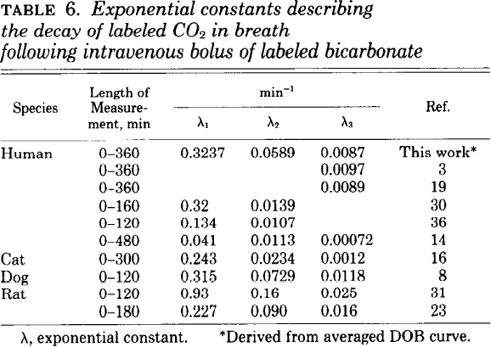
study | species | length of measurement [min] | exponentioNAl constant 1 λ1 [1/min] | exponentioNAl constant 2 λ2 [1/min] | exponentioNAl constant 3 λ3 [1/min] | reference
study | species | duration | lambda1 | lambda2 | lambda3 | reference
Irving1983 | human | 360 | 0.3237 | 0.0589 | 0.0087 | Irving1983
Irving1983 | human | 360 | NA | NA | 0.0097 | 3
Irving1983 | human | 360 | NA | NA | 0.0089 | 19
Irving1983 | human | 160 | 0.32 | 0.0139 | NA | 30
Irving1983 | human | 120 | 0.134 | 0.0107 | NA | 36
Irving1983 | human | 480 | 0.041 | 0.0113 | 0.00072 | 14
Irving1983 | cat | 300 | 0.243 | 0.0234 | 0.0012 | 16
Irving1983 | dog | 120 | 0.315 | 0.0729 | 0.0118 | 8
Irving1983 | rat | 120 | 0.93 | 0.16 | 0.025 | 31
Irving1983 | rat | 180 | 0.227 | 0.09 | 0.016 | 23

