TabGroups
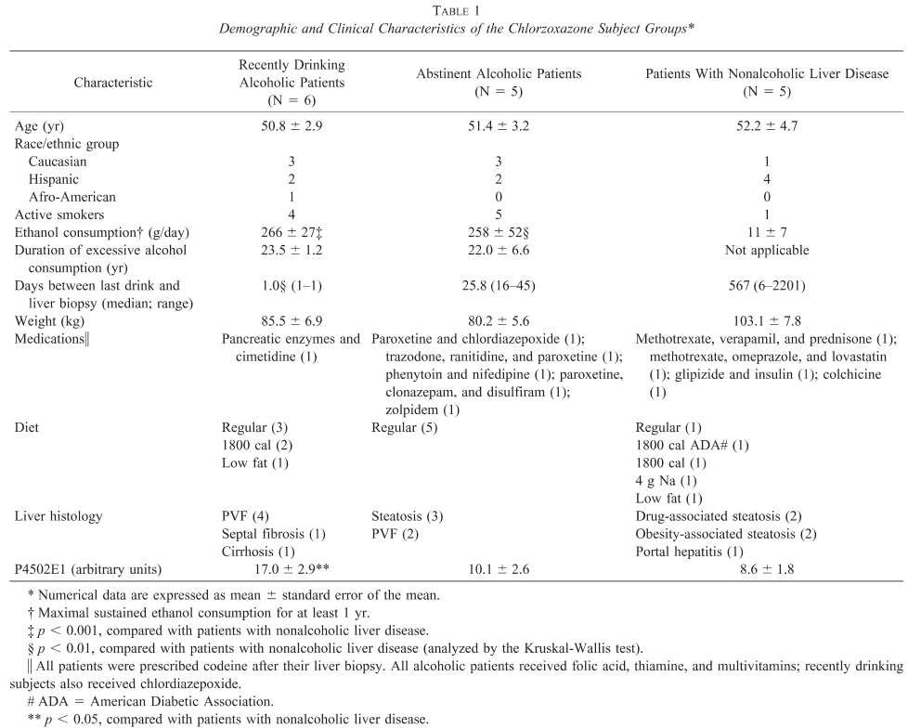
Study | name | parent | Measurement Type | group_count | Choice | count | mean | se | unit | Comments
study | name | parent | measurement_type | group_count | choice | count | mean | se | unit | comments
Lucas1995 | all |  | sex | 105 | M | 105
Lucas1995 | all |  | species | 105 | homo sapiens | 105
Lucas1995 | all |  | healthy | 105 | Y | 105
Lucas1995 | control | all | sex | 30 | M | 30
Lucas1995 | control | all | species | 30 | homo sapiens | 30
Lucas1995 | control | all | healthy | 30 | Y | 30
Lucas1995 | control | all | age | 30 |  | 30 | 34 | 2 | yr
Lucas1995 | alcoholic | all | sex | 75 | M | 75
Lucas1995 | alcoholic | all | species | 75 | homo sapiens | 75
Lucas1995 | alcoholic | all | healthy | 75 | Y | 75
Lucas1995 | alcoholic_d1 | alcoholic | age | 41 |  | 41 | 44 | 2 | yr
Lucas1995 | alcoholic_d8 | alcoholic_d1 | age | 28 |  | 28 | 45 | 1 | yr
Lucas1995 | alcoholic_d21 | alcoholic | age | 34 |  | 34 | 39 | 1 | yr
Lucas1995 | control_smoke | control | smoking amount (cigarettes) | 11 |  | 11 | 16 | 2 | 1/day
Lucas1995 | alcoholic_smoke | alcoholic | smoking amount (cigarettes) | 51 |  | 51 | 20 | 1 | 1/day
Lucas1995 | control_no_smoke | control | smoking | 19 | N | 19
Lucas1995 | alcoholic_no_smoke | alcoholic | smoking | 11 | N | 11

TabIndividuals
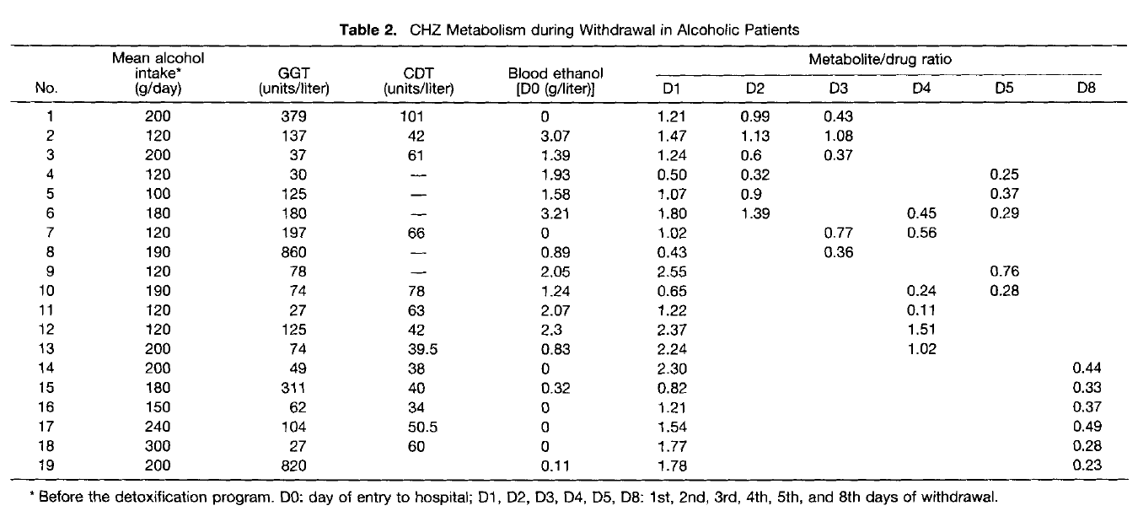
Study | name | group | alcohol | sex
study | name | group | alcohol | sex
Lucas1995 | Subject_1 | alcoholic | 200 | M
Lucas1995 | Subject_2 | alcoholic | 120 | M
Lucas1995 | Subject_3 | alcoholic | 200 | M
Lucas1995 | Subject_4 | alcoholic | 120 | M
Lucas1995 | Subject_5 | alcoholic | 100 | M
Lucas1995 | Subject_6 | alcoholic | 180 | M
Lucas1995 | Subject_7 | alcoholic | 120 | M
Lucas1995 | Subject_8 | alcoholic | 190 | M
Lucas1995 | Subject_9 | alcoholic | 120 | M
Lucas1995 | Subject_10 | alcoholic | 190 | M
Lucas1995 | Subject_11 | alcoholic | 120 | M
Lucas1995 | Subject_12 | alcoholic | 120 | M
Lucas1995 | Subject_13 | alcoholic | 200 | M
Lucas1995 | Subject_14 | alcoholic | 200 | M
Lucas1995 | Subject_15 | alcoholic | 180 | M
Lucas1995 | Subject_16 | alcoholic | 150 | M
Lucas1995 | Subject_17 | alcoholic | 240 | M
Lucas1995 | Subject_18 | alcoholic | 300 | M
Lucas1995 | Subject_19 | alcoholic | 200 | M

Fig1
Study | idx | Count | individual | group | Label | measurement | Substance | Tissue | Intervention | Time | time_unit | value | Unit | Method
study | idx | count | individual | group | label | measurement | substance | tissue | intervention | time | time_unit | value | unit | method
Lucas1995 | 1 | 1 | S_control_no_smoke_0_1 | control_no_smoke | Fig1_S_control_no_smoke_0_1 | metabolic ratio | 6-hydroxychlorzoxazone/chlorzoxazone | plasma | CZX | 0 | day | 0.73 | dimensionless | HPLC
Lucas1995 | 2 | 1 | S_control_no_smoke_0_2 | control_no_smoke | Fig1_S_control_no_smoke_0_2 | metabolic ratio | 6-hydroxychlorzoxazone/chlorzoxazone | plasma | CZX | 0 | day | 0.49 | dimensionless | HPLC
Lucas1995 | 3 | 1 | S_control_no_smoke_0_3 | control_no_smoke | Fig1_S_control_no_smoke_0_3 | metabolic ratio | 6-hydroxychlorzoxazone/chlorzoxazone | plasma | CZX | 0 | day | 0.45 | dimensionless | HPLC
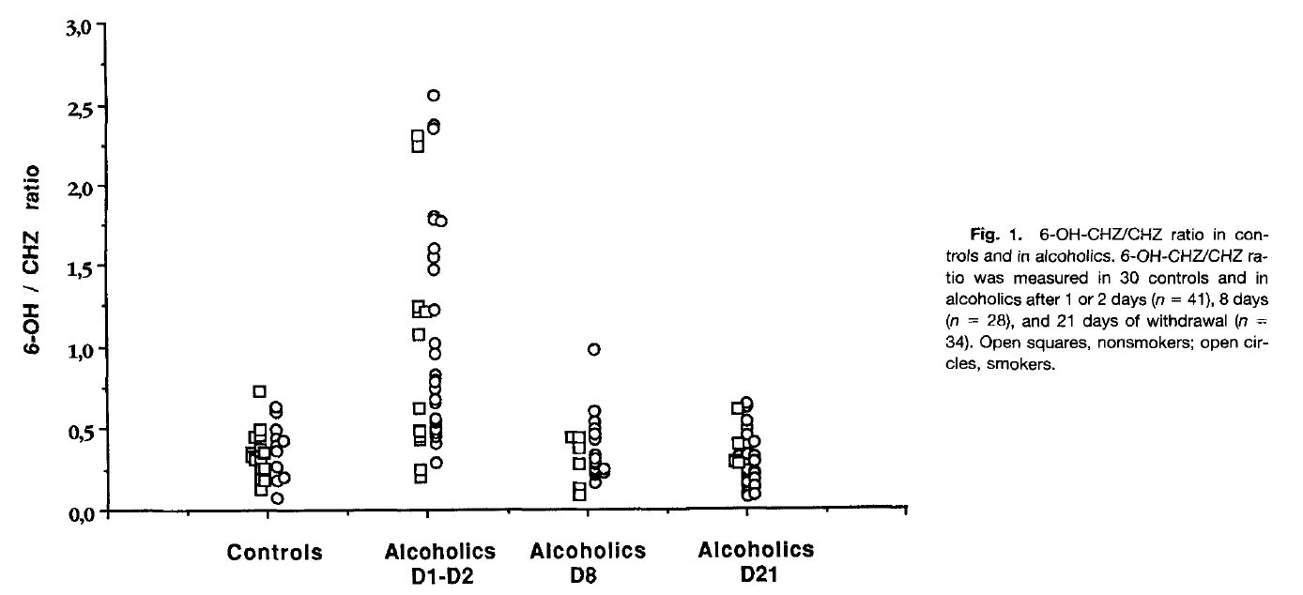
Lucas1995 | 4 | 1 | S_control_no_smoke_0_4 | control_no_smoke | Fig1_S_control_no_smoke_0_4 | metabolic ratio | 6-hydroxychlorzoxazone/chlorzoxazone | plasma | CZX | 0 | day | 0.45 | dimensionless | HPLC
Lucas1995 | 5 | 1 | S_control_no_smoke_0_5 | control_no_smoke | Fig1_S_control_no_smoke_0_5 | metabolic ratio | 6-hydroxychlorzoxazone/chlorzoxazone | plasma | CZX | 0 | day | 0.38 | dimensionless | HPLC
Lucas1995 | 6 | 1 | S_control_no_smoke_0_6 | control_no_smoke | Fig1_S_control_no_smoke_0_6 | metabolic ratio | 6-hydroxychlorzoxazone/chlorzoxazone | plasma | CZX | 0 | day | 0.36 | dimensionless | HPLC
Lucas1995 | 7 | 1 | S_control_no_smoke_0_7 | control_no_smoke | Fig1_S_control_no_smoke_0_7 | metabolic ratio | 6-hydroxychlorzoxazone/chlorzoxazone | plasma | CZX | 0 | day | 0.36 | dimensionless | HPLC
Lucas1995 | 8 | 1 | S_control_no_smoke_0_8 | control_no_smoke | Fig1_S_control_no_smoke_0_8 | metabolic ratio | 6-hydroxychlorzoxazone/chlorzoxazone | plasma | CZX | 0 | day | 0.35 | dimensionless | HPLC
Lucas1995 | 9 | 1 | S_control_no_smoke_0_9 | control_no_smoke | Fig1_S_control_no_smoke_0_9 | metabolic ratio | 6-hydroxychlorzoxazone/chlorzoxazone | plasma | CZX | 0 | day | 0.33 | dimensionless | HPLC
Lucas1995 | 10 | 1 | S_control_no_smoke_0_10 | control_no_smoke | Fig1_S_control_no_smoke_0_10 | metabolic ratio | 6-hydroxychlorzoxazone/chlorzoxazone | plasma | CZX | 0 | day | 0.31 | dimensionless | HPLC
Lucas1995 | 11 | 1 | S_control_no_smoke_0_11 | control_no_smoke | Fig1_S_control_no_smoke_0_11 | metabolic ratio | 6-hydroxychlorzoxazone/chlorzoxazone | plasma | CZX | 0 | day | 0.30 | dimensionless | HPLC
Lucas1995 | 12 | 1 | S_control_no_smoke_0_12 | control_no_smoke | Fig1_S_control_no_smoke_0_12 | metabolic ratio | 6-hydroxychlorzoxazone/chlorzoxazone | plasma | CZX | 0 | day | 0.25 | dimensionless | HPLC
Lucas1995 | 13 | 1 | S_control_no_smoke_0_13 | control_no_smoke | Fig1_S_control_no_smoke_0_13 | metabolic ratio | 6-hydroxychlorzoxazone/chlorzoxazone | plasma | CZX | 0 | day | 0.25 | dimensionless | HPLC
Lucas1995 | 14 | 1 | S_control_no_smoke_0_14 | control_no_smoke | Fig1_S_control_no_smoke_0_14 | metabolic ratio | 6-hydroxychlorzoxazone/chlorzoxazone | plasma | CZX | 0 | day | 0.20 | dimensionless | HPLC
Lucas1995 | 15 | 1 | S_control_no_smoke_0_15 | control_no_smoke | Fig1_S_control_no_smoke_0_15 | metabolic ratio | 6-hydroxychlorzoxazone/chlorzoxazone | plasma | CZX | 0 | day | 0.12 | dimensionless | HPLC
Lucas1995 | 16 | 1 | S_control_no_smoke_0_16 | control_no_smoke | Fig1_S_control_no_smoke_0_16 | metabolic ratio | 6-hydroxychlorzoxazone/chlorzoxazone | plasma | CZX | 0 | day | 0.18 | dimensionless | HPLC
Lucas1995 | 1 | 1 | S_control_smoke_0_1 | control_smoke | Fig1_S_control_smoke_0_1 | metabolic ratio | 6-hydroxychlorzoxazone/chlorzoxazone | plasma | CZX | 0 | day | 0.63 | dimensionless | HPLC
Lucas1995 | 2 | 1 | S_control_smoke_0_2 | control_smoke | Fig1_S_control_smoke_0_2 | metabolic ratio | 6-hydroxychlorzoxazone/chlorzoxazone | plasma | CZX | 0 | day | 0.60 | dimensionless | HPLC
Lucas1995 | 3 | 1 | S_control_smoke_0_3 | control_smoke | Fig1_S_control_smoke_0_3 | metabolic ratio | 6-hydroxychlorzoxazone/chlorzoxazone | plasma | CZX | 0 | day | 0.49 | dimensionless | HPLC
Lucas1995 | 4 | 1 | S_control_smoke_0_4 | control_smoke | Fig1_S_control_smoke_0_4 | metabolic ratio | 6-hydroxychlorzoxazone/chlorzoxazone | plasma | CZX | 0 | day | 0.43 | dimensionless | HPLC
Lucas1995 | 5 | 1 | S_control_smoke_0_5 | control_smoke | Fig1_S_control_smoke_0_5 | metabolic ratio | 6-hydroxychlorzoxazone/chlorzoxazone | plasma | CZX | 0 | day | 0.43 | dimensionless | HPLC
Lucas1995 | 6 | 1 | S_control_smoke_0_6 | control_smoke | Fig1_S_control_smoke_0_6 | metabolic ratio | 6-hydroxychlorzoxazone/chlorzoxazone | plasma | CZX | 0 | day | 0.39 | dimensionless | HPLC
Lucas1995 | 7 | 1 | S_control_smoke_0_7 | control_smoke | Fig1_S_control_smoke_0_7 | metabolic ratio | 6-hydroxychlorzoxazone/chlorzoxazone | plasma | CZX | 0 | day | 0.36 | dimensionless | HPLC
Lucas1995 | 8 | 1 | S_control_smoke_0_8 | control_smoke | Fig1_S_control_smoke_0_8 | metabolic ratio | 6-hydroxychlorzoxazone/chlorzoxazone | plasma | CZX | 0 | day | 0.26 | dimensionless | HPLC
Lucas1995 | 9 | 1 | S_control_smoke_0_9 | control_smoke | Fig1_S_control_smoke_0_9 | metabolic ratio | 6-hydroxychlorzoxazone/chlorzoxazone | plasma | CZX | 0 | day | 0.20 | dimensionless | HPLC
Lucas1995 | 10 | 1 | S_control_smoke_0_10 | control_smoke | Fig1_S_control_smoke_0_10 | metabolic ratio | 6-hydroxychlorzoxazone/chlorzoxazone | plasma | CZX | 0 | day | 0.18 | dimensionless | HPLC
Lucas1995 | 11 | 1 | S_control_smoke_0_11 | control_smoke | Fig1_S_control_smoke_0_11 | metabolic ratio | 6-hydroxychlorzoxazone/chlorzoxazone | plasma | CZX | 0 | day | 0.08 | dimensionless | HPLC
Lucas1995 | 1 | 1 | S_alcoholic_no_smoke_1_1 | alcoholic_no_smoke | Fig1_S_alcoholic_no_smoke_1_1 | metabolic ratio | 6-hydroxychlorzoxazone/chlorzoxazone | plasma | CZX | 1 | day | 2.30 | dimensionless | HPLC
Lucas1995 | 2 | 1 | S_alcoholic_no_smoke_1_2 | alcoholic_no_smoke | Fig1_S_alcoholic_no_smoke_1_2 | metabolic ratio | 6-hydroxychlorzoxazone/chlorzoxazone | plasma | CZX | 1 | day | 2.23 | dimensionless | HPLC
Lucas1995 | 3 | 1 | S_alcoholic_no_smoke_1_3 | alcoholic_no_smoke | Fig1_S_alcoholic_no_smoke_1_3 | metabolic ratio | 6-hydroxychlorzoxazone/chlorzoxazone | plasma | CZX | 1 | day | 1.22 | dimensionless | HPLC
Lucas1995 | 4 | 1 | S_alcoholic_no_smoke_1_4 | alcoholic_no_smoke | Fig1_S_alcoholic_no_smoke_1_4 | metabolic ratio | 6-hydroxychlorzoxazone/chlorzoxazone | plasma | CZX | 1 | day | 1.25 | dimensionless | HPLC
Lucas1995 | 5 | 1 | S_alcoholic_no_smoke_1_5 | alcoholic_no_smoke | Fig1_S_alcoholic_no_smoke_1_5 | metabolic ratio | 6-hydroxychlorzoxazone/chlorzoxazone | plasma | CZX | 1 | day | 1.21 | dimensionless | HPLC
Lucas1995 | 6 | 1 | S_alcoholic_no_smoke_1_6 | alcoholic_no_smoke | Fig1_S_alcoholic_no_smoke_1_6 | metabolic ratio | 6-hydroxychlorzoxazone/chlorzoxazone | plasma | CZX | 1 | day | 1.07 | dimensionless | HPLC
Lucas1995 | 7 | 1 | S_alcoholic_no_smoke_1_7 | alcoholic_no_smoke | Fig1_S_alcoholic_no_smoke_1_7 | metabolic ratio | 6-hydroxychlorzoxazone/chlorzoxazone | plasma | CZX | 1 | day | 0.61 | dimensionless | HPLC
Lucas1995 | 8 | 1 | S_alcoholic_no_smoke_1_8 | alcoholic_no_smoke | Fig1_S_alcoholic_no_smoke_1_8 | metabolic ratio | 6-hydroxychlorzoxazone/chlorzoxazone | plasma | CZX | 1 | day | 0.49 | dimensionless | HPLC
Lucas1995 | 9 | 1 | S_alcoholic_no_smoke_1_9 | alcoholic_no_smoke | Fig1_S_alcoholic_no_smoke_1_9 | metabolic ratio | 6-hydroxychlorzoxazone/chlorzoxazone | plasma | CZX | 1 | day | 0.44 | dimensionless | HPLC
Lucas1995 | 10 | 1 | S_alcoholic_no_smoke_1_10 | alcoholic_no_smoke | Fig1_S_alcoholic_no_smoke_1_10 | metabolic ratio | 6-hydroxychlorzoxazone/chlorzoxazone | plasma | CZX | 1 | day | 0.42 | dimensionless | HPLC
Lucas1995 | 11 | 1 | S_alcoholic_no_smoke_1_11 | alcoholic_no_smoke | Fig1_S_alcoholic_no_smoke_1_11 | metabolic ratio | 6-hydroxychlorzoxazone/chlorzoxazone | plasma | CZX | 1 | day | 0.25 | dimensionless | HPLC
Lucas1995 | 12 | 1 | S_alcoholic_no_smoke_1_12 | alcoholic_no_smoke | Fig1_S_alcoholic_no_smoke_1_12 | metabolic ratio | 6-hydroxychlorzoxazone/chlorzoxazone | plasma | CZX | 1 | day | 0.19 | dimensionless | HPLC
Lucas1995 | 1 | 1 | S_alcoholic_smoke_1_1 | alcoholic_smoke | Fig1_S_alcoholic_smoke_1_1 | metabolic ratio | 6-hydroxychlorzoxazone/chlorzoxazone | plasma | CZX | 1 | day | 2.55 | dimensionless | HPLC
Lucas1995 | 2 | 1 | S_alcoholic_smoke_1_2 | alcoholic_smoke | Fig1_S_alcoholic_smoke_1_2 | metabolic ratio | 6-hydroxychlorzoxazone/chlorzoxazone | plasma | CZX | 1 | day | 2.37 | dimensionless | HPLC
Lucas1995 | 3 | 1 | S_alcoholic_smoke_1_3 | alcoholic_smoke | Fig1_S_alcoholic_smoke_1_3 | metabolic ratio | 6-hydroxychlorzoxazone/chlorzoxazone | plasma | CZX | 1 | day | 2.35 | dimensionless | HPLC
Lucas1995 | 4 | 1 | S_alcoholic_smoke_1_4 | alcoholic_smoke | Fig1_S_alcoholic_smoke_1_4 | metabolic ratio | 6-hydroxychlorzoxazone/chlorzoxazone | plasma | CZX | 1 | day | 1.81 | dimensionless | HPLC
Lucas1995 | 5 | 1 | S_alcoholic_smoke_1_5 | alcoholic_smoke | Fig1_S_alcoholic_smoke_1_5 | metabolic ratio | 6-hydroxychlorzoxazone/chlorzoxazone | plasma | CZX | 1 | day | 1.79 | dimensionless | HPLC
Lucas1995 | 6 | 1 | S_alcoholic_smoke_1_6 | alcoholic_smoke | Fig1_S_alcoholic_smoke_1_6 | metabolic ratio | 6-hydroxychlorzoxazone/chlorzoxazone | plasma | CZX | 1 | day | 1.77 | dimensionless | HPLC
Lucas1995 | 7 | 1 | S_alcoholic_smoke_1_7 | alcoholic_smoke | Fig1_S_alcoholic_smoke_1_7 | metabolic ratio | 6-hydroxychlorzoxazone/chlorzoxazone | plasma | CZX | 1 | day | 1.60 | dimensionless | HPLC
Lucas1995 | 8 | 1 | S_alcoholic_smoke_1_8 | alcoholic_smoke | Fig1_S_alcoholic_smoke_1_8 | metabolic ratio | 6-hydroxychlorzoxazone/chlorzoxazone | plasma | CZX | 1 | day | 1.54 | dimensionless | HPLC
Lucas1995 | 9 | 1 | S_alcoholic_smoke_1_9 | alcoholic_smoke | Fig1_S_alcoholic_smoke_1_9 | metabolic ratio | 6-hydroxychlorzoxazone/chlorzoxazone | plasma | CZX | 1 | day | 0.49 | dimensionless | HPLC
Lucas1995 | 10 | 1 | S_alcoholic_smoke_1_10 | alcoholic_smoke | Fig1_S_alcoholic_smoke_1_10 | metabolic ratio | 6-hydroxychlorzoxazone/chlorzoxazone | plasma | CZX | 1 | day | 1.23 | dimensionless | HPLC
Lucas1995 | 11 | 1 | S_alcoholic_smoke_1_11 | alcoholic_smoke | Fig1_S_alcoholic_smoke_1_11 | metabolic ratio | 6-hydroxychlorzoxazone/chlorzoxazone | plasma | CZX | 1 | day | 1.02 | dimensionless | HPLC
Lucas1995 | 12 | 1 | S_alcoholic_smoke_1_12 | alcoholic_smoke | Fig1_S_alcoholic_smoke_1_12 | metabolic ratio | 6-hydroxychlorzoxazone/chlorzoxazone | plasma | CZX | 1 | day | 0.95 | dimensionless | HPLC
Lucas1995 | 13 | 1 | S_alcoholic_smoke_1_13 | alcoholic_smoke | Fig1_S_alcoholic_smoke_1_13 | metabolic ratio | 6-hydroxychlorzoxazone/chlorzoxazone | plasma | CZX | 1 | day | 0.82 | dimensionless | HPLC
Lucas1995 | 14 | 1 | S_alcoholic_smoke_1_14 | alcoholic_smoke | Fig1_S_alcoholic_smoke_1_14 | metabolic ratio | 6-hydroxychlorzoxazone/chlorzoxazone | plasma | CZX | 1 | day | 0.78 | dimensionless | HPLC
Lucas1995 | 15 | 1 | S_alcoholic_smoke_1_15 | alcoholic_smoke | Fig1_S_alcoholic_smoke_1_15 | metabolic ratio | 6-hydroxychlorzoxazone/chlorzoxazone | plasma | CZX | 1 | day | 0.73 | dimensionless | HPLC
Lucas1995 | 16 | 1 | S_alcoholic_smoke_1_16 | alcoholic_smoke | Fig1_S_alcoholic_smoke_1_16 | metabolic ratio | 6-hydroxychlorzoxazone/chlorzoxazone | plasma | CZX | 1 | day | 0.68 | dimensionless | HPLC
Lucas1995 | 17 | 1 | S_alcoholic_smoke_1_17 | alcoholic_smoke | Fig1_S_alcoholic_smoke_1_17 | metabolic ratio | 6-hydroxychlorzoxazone/chlorzoxazone | plasma | CZX | 1 | day | 0.65 | dimensionless | HPLC
Lucas1995 | 18 | 1 | S_alcoholic_smoke_1_18 | alcoholic_smoke | Fig1_S_alcoholic_smoke_1_18 | metabolic ratio | 6-hydroxychlorzoxazone/chlorzoxazone | plasma | CZX | 1 | day | 0.56 | dimensionless | HPLC
Lucas1995 | 19 | 1 | S_alcoholic_smoke_1_19 | alcoholic_smoke | Fig1_S_alcoholic_smoke_1_19 | metabolic ratio | 6-hydroxychlorzoxazone/chlorzoxazone | plasma | CZX | 1 | day | 0.53 | dimensionless | HPLC
Lucas1995 | 20 | 1 | S_alcoholic_smoke_1_20 | alcoholic_smoke | Fig1_S_alcoholic_smoke_1_20 | metabolic ratio | 6-hydroxychlorzoxazone/chlorzoxazone | plasma | CZX | 1 | day | 0.47 | dimensionless | HPLC
Lucas1995 | 21 | 1 | S_alcoholic_smoke_1_21 | alcoholic_smoke | Fig1_S_alcoholic_smoke_1_21 | metabolic ratio | 6-hydroxychlorzoxazone/chlorzoxazone | plasma | CZX | 1 | day | 0.43 | dimensionless | HPLC
Lucas1995 | 22 | 1 | S_alcoholic_smoke_1_22 | alcoholic_smoke | Fig1_S_alcoholic_smoke_1_22 | metabolic ratio | 6-hydroxychlorzoxazone/chlorzoxazone | plasma | CZX | 1 | day | 0.40 | dimensionless | HPLC
Lucas1995 | 23 | 1 | S_alcoholic_smoke_1_23 | alcoholic_smoke | Fig1_S_alcoholic_smoke_1_23 | metabolic ratio | 6-hydroxychlorzoxazone/chlorzoxazone | plasma | CZX | 1 | day | 0.29 | dimensionless | HPLC
Lucas1995 | 1 | 1 | S_alcoholic_no_smoke_8_1 | alcoholic_no_smoke | Fig1_S_alcoholic_no_smoke_8_1 | metabolic ratio | 6-hydroxychlorzoxazone/chlorzoxazone | plasma | CZX | 8 | day | 0.44 | dimensionless | HPLC
Lucas1995 | 2 | 1 | S_alcoholic_no_smoke_8_2 | alcoholic_no_smoke | Fig1_S_alcoholic_no_smoke_8_2 | metabolic ratio | 6-hydroxychlorzoxazone/chlorzoxazone | plasma | CZX | 8 | day | 0.43 | dimensionless | HPLC
Lucas1995 | 3 | 1 | S_alcoholic_no_smoke_8_3 | alcoholic_no_smoke | Fig1_S_alcoholic_no_smoke_8_3 | metabolic ratio | 6-hydroxychlorzoxazone/chlorzoxazone | plasma | CZX | 8 | day | 0.37 | dimensionless | HPLC
Lucas1995 | 4 | 1 | S_alcoholic_no_smoke_8_4 | alcoholic_no_smoke | Fig1_S_alcoholic_no_smoke_8_4 | metabolic ratio | 6-hydroxychlorzoxazone/chlorzoxazone | plasma | CZX | 8 | day | 0.27 | dimensionless | HPLC
Lucas1995 | 5 | 1 | S_alcoholic_no_smoke_8_5 | alcoholic_no_smoke | Fig1_S_alcoholic_no_smoke_8_5 | metabolic ratio | 6-hydroxychlorzoxazone/chlorzoxazone | plasma | CZX | 8 | day | 0.13 | dimensionless | HPLC
Lucas1995 | 6 | 1 | S_alcoholic_no_smoke_8_6 | alcoholic_no_smoke | Fig1_S_alcoholic_no_smoke_8_6 | metabolic ratio | 6-hydroxychlorzoxazone/chlorzoxazone | plasma | CZX | 8 | day | 0.08 | dimensionless | HPLC
Lucas1995 | 1 | 1 | S_alcoholic_smoke_8_1 | alcoholic_smoke | Fig1_S_alcoholic_smoke_8_1 | metabolic ratio | 6-hydroxychlorzoxazone/chlorzoxazone | plasma | CZX | 8 | day | 0.98 | dimensionless | HPLC
Lucas1995 | 2 | 1 | S_alcoholic_smoke_8_2 | alcoholic_smoke | Fig1_S_alcoholic_smoke_8_2 | metabolic ratio | 6-hydroxychlorzoxazone/chlorzoxazone | plasma | CZX | 8 | day | 0.60 | dimensionless | HPLC
Lucas1995 | 3 | 1 | S_alcoholic_smoke_8_3 | alcoholic_smoke | Fig1_S_alcoholic_smoke_8_3 | metabolic ratio | 6-hydroxychlorzoxazone/chlorzoxazone | plasma | CZX | 8 | day | 0.53 | dimensionless | HPLC
Lucas1995 | 4 | 1 | S_alcoholic_smoke_8_4 | alcoholic_smoke | Fig1_S_alcoholic_smoke_8_4 | metabolic ratio | 6-hydroxychlorzoxazone/chlorzoxazone | plasma | CZX | 8 | day | 0.49 | dimensionless | HPLC
Lucas1995 | 5 | 1 | S_alcoholic_smoke_8_5 | alcoholic_smoke | Fig1_S_alcoholic_smoke_8_5 | metabolic ratio | 6-hydroxychlorzoxazone/chlorzoxazone | plasma | CZX | 8 | day | 0.46 | dimensionless | HPLC
Lucas1995 | 6 | 1 | S_alcoholic_smoke_8_6 | alcoholic_smoke | Fig1_S_alcoholic_smoke_8_6 | metabolic ratio | 6-hydroxychlorzoxazone/chlorzoxazone | plasma | CZX | 8 | day | 0.41 | dimensionless | HPLC
Lucas1995 | 7 | 1 | S_alcoholic_smoke_8_7 | alcoholic_smoke | Fig1_S_alcoholic_smoke_8_7 | metabolic ratio | 6-hydroxychlorzoxazone/chlorzoxazone | plasma | CZX | 8 | day | 0.34 | dimensionless | HPLC
Lucas1995 | 8 | 1 | S_alcoholic_smoke_8_8 | alcoholic_smoke | Fig1_S_alcoholic_smoke_8_8 | metabolic ratio | 6-hydroxychlorzoxazone/chlorzoxazone | plasma | CZX | 8 | day | 0.31 | dimensionless | HPLC
Lucas1995 | 9 | 1 | S_alcoholic_smoke_8_9 | alcoholic_smoke | Fig1_S_alcoholic_smoke_8_9 | metabolic ratio | 6-hydroxychlorzoxazone/chlorzoxazone | plasma | CZX | 8 | day | 0.25 | dimensionless | HPLC
Lucas1995 | 10 | 1 | S_alcoholic_smoke_8_10 | alcoholic_smoke | Fig1_S_alcoholic_smoke_8_10 | metabolic ratio | 6-hydroxychlorzoxazone/chlorzoxazone | plasma | CZX | 8 | day | 0.21 | dimensionless | HPLC
Lucas1995 | 11 | 1 | S_alcoholic_smoke_8_11 | alcoholic_smoke | Fig1_S_alcoholic_smoke_8_11 | metabolic ratio | 6-hydroxychlorzoxazone/chlorzoxazone | plasma | CZX | 8 | day | 0.25 | dimensionless | HPLC
Lucas1995 | 12 | 1 | S_alcoholic_smoke_8_12 | alcoholic_smoke | Fig1_S_alcoholic_smoke_8_12 | metabolic ratio | 6-hydroxychlorzoxazone/chlorzoxazone | plasma | CZX | 8 | day | 0.21 | dimensionless | HPLC
Lucas1995 | 13 | 1 | S_alcoholic_smoke_8_13 | alcoholic_smoke | Fig1_S_alcoholic_smoke_8_13 | metabolic ratio | 6-hydroxychlorzoxazone/chlorzoxazone | plasma | CZX | 8 | day | 0.15 | dimensionless | HPLC
Lucas1995 | 14 | 1 | S_alcoholic_smoke_8_14 | alcoholic_smoke | Fig1_S_alcoholic_smoke_8_14 | metabolic ratio | 6-hydroxychlorzoxazone/chlorzoxazone | plasma | CZX | 8 | day | 0.20 | dimensionless | HPLC
Lucas1995 | 1 | 1 | S_alcoholic_no_smoke_21_1 | alcoholic_no_smoke | Fig1_S_alcoholic_no_smoke_21_1 | metabolic ratio | 6-hydroxychlorzoxazone/chlorzoxazone | plasma | CZX | 21 | day | 0.61 | dimensionless | HPLC
Lucas1995 | 2 | 1 | S_alcoholic_no_smoke_21_2 | alcoholic_no_smoke | Fig1_S_alcoholic_no_smoke_21_2 | metabolic ratio | 6-hydroxychlorzoxazone/chlorzoxazone | plasma | CZX | 21 | day | 0.39 | dimensionless | HPLC
Lucas1995 | 3 | 1 | S_alcoholic_no_smoke_21_3 | alcoholic_no_smoke | Fig1_S_alcoholic_no_smoke_21_3 | metabolic ratio | 6-hydroxychlorzoxazone/chlorzoxazone | plasma | CZX | 21 | day | 0.27 | dimensionless | HPLC
Lucas1995 | 4 | 1 | S_alcoholic_no_smoke_21_4 | alcoholic_no_smoke | Fig1_S_alcoholic_no_smoke_21_4 | metabolic ratio | 6-hydroxychlorzoxazone/chlorzoxazone | plasma | CZX | 21 | day | 0.29 | dimensionless | HPLC
Lucas1995 | 1 | 1 | S_alcoholic_smoke_21_1 | alcoholic_smoke | Fig1_S_alcoholic_smoke_21_1 | metabolic ratio | 6-hydroxychlorzoxazone/chlorzoxazone | plasma | CZX | 21 | day | 0.65 | dimensionless | HPLC
Lucas1995 | 2 | 1 | S_alcoholic_smoke_21_2 | alcoholic_smoke | Fig1_S_alcoholic_smoke_21_2 | metabolic ratio | 6-hydroxychlorzoxazone/chlorzoxazone | plasma | CZX | 21 | day | 0.62 | dimensionless | HPLC
Lucas1995 | 3 | 1 | S_alcoholic_smoke_21_3 | alcoholic_smoke | Fig1_S_alcoholic_smoke_21_3 | metabolic ratio | 6-hydroxychlorzoxazone/chlorzoxazone | plasma | CZX | 21 | day | 0.54 | dimensionless | HPLC
Lucas1995 | 4 | 1 | S_alcoholic_smoke_21_4 | alcoholic_smoke | Fig1_S_alcoholic_smoke_21_4 | metabolic ratio | 6-hydroxychlorzoxazone/chlorzoxazone | plasma | CZX | 21 | day | 0.49 | dimensionless | HPLC
Lucas1995 | 5 | 1 | S_alcoholic_smoke_21_5 | alcoholic_smoke | Fig1_S_alcoholic_smoke_21_5 | metabolic ratio | 6-hydroxychlorzoxazone/chlorzoxazone | plasma | CZX | 21 | day | 0.46 | dimensionless | HPLC
Lucas1995 | 6 | 1 | S_alcoholic_smoke_21_6 | alcoholic_smoke | Fig1_S_alcoholic_smoke_21_6 | metabolic ratio | 6-hydroxychlorzoxazone/chlorzoxazone | plasma | CZX | 21 | day | 0.41 | dimensionless | HPLC
Lucas1995 | 7 | 1 | S_alcoholic_smoke_21_7 | alcoholic_smoke | Fig1_S_alcoholic_smoke_21_7 | metabolic ratio | 6-hydroxychlorzoxazone/chlorzoxazone | plasma | CZX | 21 | day | 0.39 | dimensionless | HPLC
Lucas1995 | 8 | 1 | S_alcoholic_smoke_21_8 | alcoholic_smoke | Fig1_S_alcoholic_smoke_21_8 | metabolic ratio | 6-hydroxychlorzoxazone/chlorzoxazone | plasma | CZX | 21 | day | 0.33 | dimensionless | HPLC
Lucas1995 | 9 | 1 | S_alcoholic_smoke_21_9 | alcoholic_smoke | Fig1_S_alcoholic_smoke_21_9 | metabolic ratio | 6-hydroxychlorzoxazone/chlorzoxazone | plasma | CZX | 21 | day | 0.33 | dimensionless | HPLC
Lucas1995 | 10 | 1 | S_alcoholic_smoke_21_10 | alcoholic_smoke | Fig1_S_alcoholic_smoke_21_10 | metabolic ratio | 6-hydroxychlorzoxazone/chlorzoxazone | plasma | CZX | 21 | day | 0.13 | dimensionless | HPLC
Lucas1995 | 11 | 1 | S_alcoholic_smoke_21_11 | alcoholic_smoke | Fig1_S_alcoholic_smoke_21_11 | metabolic ratio | 6-hydroxychlorzoxazone/chlorzoxazone | plasma | CZX | 21 | day | 0.29 | dimensionless | HPLC
Lucas1995 | 12 | 1 | S_alcoholic_smoke_21_12 | alcoholic_smoke | Fig1_S_alcoholic_smoke_21_12 | metabolic ratio | 6-hydroxychlorzoxazone/chlorzoxazone | plasma | CZX | 21 | day | 0.24 | dimensionless | HPLC
Lucas1995 | 13 | 1 | S_alcoholic_smoke_21_13 | alcoholic_smoke | Fig1_S_alcoholic_smoke_21_13 | metabolic ratio | 6-hydroxychlorzoxazone/chlorzoxazone | plasma | CZX | 21 | day | 0.23 | dimensionless | HPLC
Lucas1995 | 14 | 1 | S_alcoholic_smoke_21_14 | alcoholic_smoke | Fig1_S_alcoholic_smoke_21_14 | metabolic ratio | 6-hydroxychlorzoxazone/chlorzoxazone | plasma | CZX | 21 | day | 0.18 | dimensionless | HPLC
Lucas1995 | 15 | 1 | S_alcoholic_smoke_21_15 | alcoholic_smoke | Fig1_S_alcoholic_smoke_21_15 | metabolic ratio | 6-hydroxychlorzoxazone/chlorzoxazone | plasma | CZX | 21 | day | 0.09 | dimensionless | HPLC
Lucas1995 | 16 | 1 | S_alcoholic_smoke_21_16 | alcoholic_smoke | Fig1_S_alcoholic_smoke_21_16 | metabolic ratio | 6-hydroxychlorzoxazone/chlorzoxazone | plasma | CZX | 21 | day | 0.07 | dimensionless | HPLC
Lucas1995 | 17 | 1 | S_alcoholic_smoke_21_17 | alcoholic_smoke | Fig1_S_alcoholic_smoke_21_17 | metabolic ratio | 6-hydroxychlorzoxazone/chlorzoxazone | plasma | CZX | 21 | day | 0.09 | dimensionless | HPLC
Lucas1995 | 18 | 1 | S_alcoholic_smoke_21_18 | alcoholic_smoke | Fig1_S_alcoholic_smoke_21_18 | metabolic ratio | 6-hydroxychlorzoxazone/chlorzoxazone | plasma | CZX | 21 | day | 0.12 | dimensionless | HPLC
Lucas1995 | 19 | 1 | S_alcoholic_smoke_21_19 | alcoholic_smoke | Fig1_S_alcoholic_smoke_21_19 | metabolic ratio | 6-hydroxychlorzoxazone/chlorzoxazone | plasma | CZX | 21 | day | 0.15 | dimensionless | HPLC
Lucas1995 | 20 | 1 | S_alcoholic_smoke_21_20 | alcoholic_smoke | Fig1_S_alcoholic_smoke_21_20 | metabolic ratio | 6-hydroxychlorzoxazone/chlorzoxazone | plasma | CZX | 21 | day | 0.19 | dimensionless | HPLC
Lucas1995 | 21 | 1 | S_alcoholic_smoke_21_21 | alcoholic_smoke | Fig1_S_alcoholic_smoke_21_21 | metabolic ratio | 6-hydroxychlorzoxazone/chlorzoxazone | plasma | CZX | 21 | day | 0.29 | dimensionless | HPLC
Lucas1995 | 22 | 1 | S_alcoholic_smoke_21_22 | alcoholic_smoke | Fig1_S_alcoholic_smoke_21_22 | metabolic ratio | 6-hydroxychlorzoxazone/chlorzoxazone | plasma | CZX | 21 | day | 0.33 | dimensionless | HPLC

