TabGroups
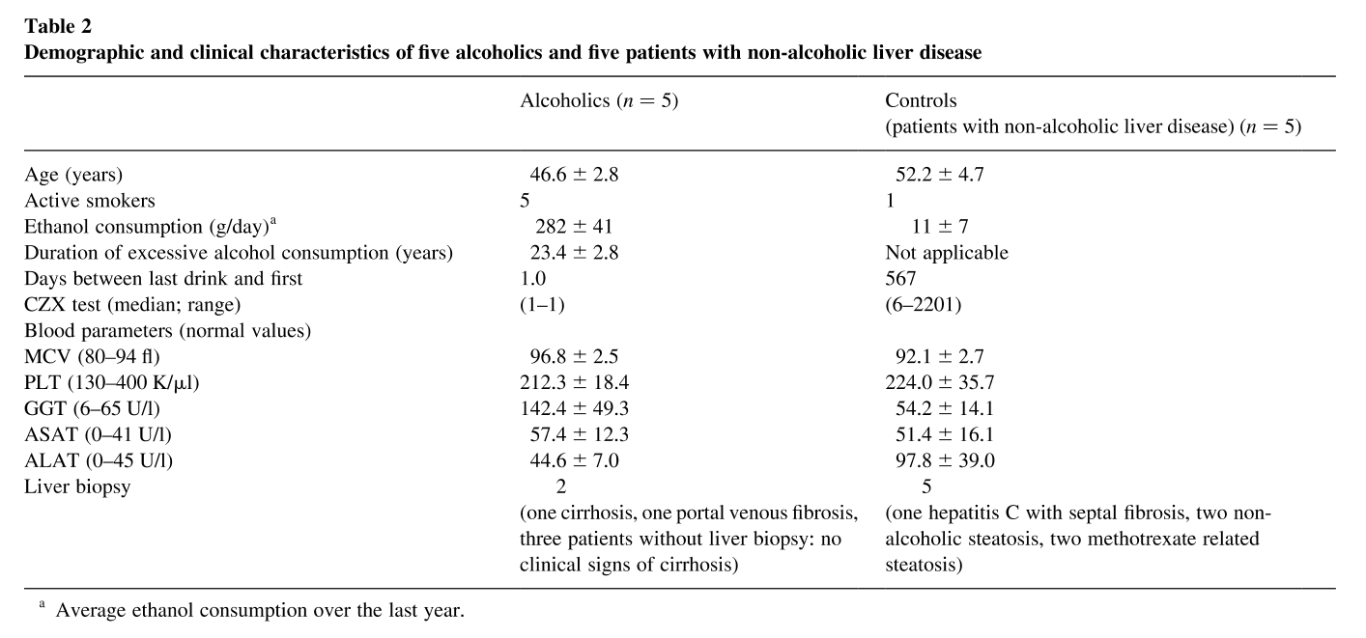
Study | name | parent | Measurement Type | group_count | Choice | count | mean | sd | unit | Comments
study | name | parent | measurement_type | group_count | choice | count | mean | sd | unit | comments
Oneta2002 | all |  | sex | 15 | M | 5
Oneta2002 | all |  | sex | 15 | NR | 10
Oneta2002 | all |  | species | 15 | homo sapiens | 15
Oneta2002 | all |  | healthy | 15 | Y | 10
Oneta2002 | all |  | healthy | 15 | N | 5
Oneta2002 | healthy | all | sex | 5 | M | 5
Oneta2002 | healthy | all | age | 5 |  | 5 | 27.4 | 1.8 | yr
Oneta2002 | healthy | all | smoking | 5 | N | 5
Oneta2002 | healthy | all | abstinence alcohol | 5 |  | 5 | 19.2 |  | d
Oneta2002 | alcoholics | all | sex | 5 | NR | 5
Oneta2002 | alcoholics | all | age | 5 |  | 5 | 46.6 | 2.8 | yr
Oneta2002 | alcoholics | all | smoking | 5 | Y | 5
Oneta2002 | alcoholics | all | alcohol amount | 5 |  | 5 | 282 | 41 | g/day
Oneta2002 | alcoholics | all | alcohol duration | 5 |  | 5 | 23.4 | 2.8 | yr
Oneta2002 | alcoholics | all | disease | 5 | liver cirrhosis | 1
Oneta2002 | alcoholics | all | disease | 5 | liver fibrosis | 1
Oneta2002 | NALD | all | sex | 5 | NR | 5
Oneta2002 | NALD | all | age | 5 |  | 5 | 52.2 | 4.7 | yr
Oneta2002 | NALD | all | smoking | 5 | Y | 1
Oneta2002 | NALD | all | smoking | 5 | N | 4
Oneta2002 | NALD | all | alcohol amount | 5 |  | 5 | 11 | 7 | g/day
Oneta2002 | NALD | all | disease | 5 | hcv | 1
Oneta2002 | NALD | all | disease | 5 | liver fibrosis | 1
Oneta2002 | NALD | all | disease | 5 | fatty liver disease | 3

Fig2
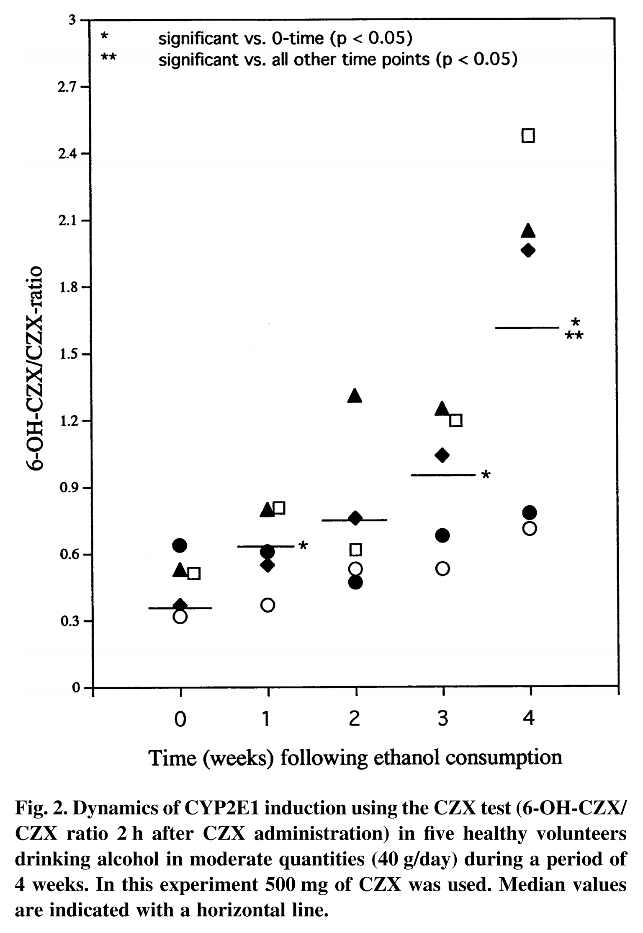
Study | individual | group | intervention | Label | measurement | Substance | Tissue | value | time | time_unit | Unit | Method | Comments
study | individual | group | intervention | label | measurement | substance | tissue | value | time | time_unit | unit | method | comments
Oneta2002 | Healthy_1 | healthy | CZX_IND, ALC | Tab1_Healthy_1_metabolic ratio | metabolic ratio | 6-hydroxychlorzoxazone/chlorzoxazone | plasma | 0.32 | 0.0 | weeks | dimensionless | HPLC
Oneta2002 | Healthy_1 | healthy | CZX_IND, ALC | Tab1_Healthy_1_metabolic ratio | metabolic ratio | 6-hydroxychlorzoxazone/chlorzoxazone | plasma | 0.37 | 1.0 | weeks | dimensionless | HPLC
Oneta2002 | Healthy_1 | healthy | CZX_IND, ALC | Tab1_Healthy_1_metabolic ratio | metabolic ratio | 6-hydroxychlorzoxazone/chlorzoxazone | plasma | 0.53 | 2.0 | weeks | dimensionless | HPLC
Oneta2002 | Healthy_1 | healthy | CZX_IND, ALC | Tab1_Healthy_1_metabolic ratio | metabolic ratio | 6-hydroxychlorzoxazone/chlorzoxazone | plasma | 0.53 | 3.0 | weeks | dimensionless | HPLC
Oneta2002 | Healthy_1 | healthy | CZX_IND, ALC | Tab1_Healthy_1_metabolic ratio | metabolic ratio | 6-hydroxychlorzoxazone/chlorzoxazone | plasma | 0.71 | 4.0 | weeks | dimensionless | HPLC
Oneta2002 | Healthy_2 | healthy | CZX_IND, ALC | Tab1_Healthy_2_metabolic ratio | metabolic ratio | 6-hydroxychlorzoxazone/chlorzoxazone | plasma | 0.37 | 0.0 | weeks | dimensionless | HPLC
Oneta2002 | Healthy_2 | healthy | CZX_IND, ALC | Tab1_Healthy_2_metabolic ratio | metabolic ratio | 6-hydroxychlorzoxazone/chlorzoxazone | plasma | 0.55 | 1.0 | weeks | dimensionless | HPLC
Oneta2002 | Healthy_2 | healthy | CZX_IND, ALC | Tab1_Healthy_2_metabolic ratio | metabolic ratio | 6-hydroxychlorzoxazone/chlorzoxazone | plasma | 0.76 | 2.0 | weeks | dimensionless | HPLC
Oneta2002 | Healthy_2 | healthy | CZX_IND, ALC | Tab1_Healthy_2_metabolic ratio | metabolic ratio | 6-hydroxychlorzoxazone/chlorzoxazone | plasma | 1.04 | 3.0 | weeks | dimensionless | HPLC
Oneta2002 | Healthy_2 | healthy | CZX_IND, ALC | Tab1_Healthy_2_metabolic ratio | metabolic ratio | 6-hydroxychlorzoxazone/chlorzoxazone | plasma | 1.95 | 4.0 | weeks | dimensionless | HPLC
Oneta2002 | Healthy_3 | healthy | CZX_IND, ALC | Tab1_Healthy_3_metabolic ratio | metabolic ratio | 6-hydroxychlorzoxazone/chlorzoxazone | plasma | 0.51 | 0.0 | weeks | dimensionless | HPLC
Oneta2002 | Healthy_3 | healthy | CZX_IND, ALC | Tab1_Healthy_3_metabolic ratio | metabolic ratio | 6-hydroxychlorzoxazone/chlorzoxazone | plasma | 0.80 | 1.0 | weeks | dimensionless | HPLC
Oneta2002 | Healthy_3 | healthy | CZX_IND, ALC | Tab1_Healthy_3_metabolic ratio | metabolic ratio | 6-hydroxychlorzoxazone/chlorzoxazone | plasma | 0.61 | 2.0 | weeks | dimensionless | HPLC
Oneta2002 | Healthy_3 | healthy | CZX_IND, ALC | Tab1_Healthy_3_metabolic ratio | metabolic ratio | 6-hydroxychlorzoxazone/chlorzoxazone | plasma | 1.19 | 3.0 | weeks | dimensionless | HPLC
Oneta2002 | Healthy_3 | healthy | CZX_IND, ALC | Tab1_Healthy_3_metabolic ratio | metabolic ratio | 6-hydroxychlorzoxazone/chlorzoxazone | plasma | 2.47 | 4.0 | weeks | dimensionless | HPLC
Oneta2002 | Healthy_4 | healthy | CZX_IND, ALC | Tab1_Healthy_4_metabolic ratio | metabolic ratio | 6-hydroxychlorzoxazone/chlorzoxazone | plasma | 0.52 | 0.0 | weeks | dimensionless | HPLC
Oneta2002 | Healthy_4 | healthy | CZX_IND, ALC | Tab1_Healthy_4_metabolic ratio | metabolic ratio | 6-hydroxychlorzoxazone/chlorzoxazone | plasma | 0.79 | 1.0 | weeks | dimensionless | HPLC
Oneta2002 | Healthy_4 | healthy | CZX_IND, ALC | Tab1_Healthy_4_metabolic ratio | metabolic ratio | 6-hydroxychlorzoxazone/chlorzoxazone | plasma | 1.30 | 2.0 | weeks | dimensionless | HPLC
Oneta2002 | Healthy_4 | healthy | CZX_IND, ALC | Tab1_Healthy_4_metabolic ratio | metabolic ratio | 6-hydroxychlorzoxazone/chlorzoxazone | plasma | 1.24 | 3.0 | weeks | dimensionless | HPLC
Oneta2002 | Healthy_4 | healthy | CZX_IND, ALC | Tab1_Healthy_4_metabolic ratio | metabolic ratio | 6-hydroxychlorzoxazone/chlorzoxazone | plasma | 2.04 | 4.0 | weeks | dimensionless | HPLC
Oneta2002 | Healthy_5 | healthy | CZX_IND, ALC | Tab1_Healthy_5_metabolic ratio | metabolic ratio | 6-hydroxychlorzoxazone/chlorzoxazone | plasma | 0.64 | 0.0 | weeks | dimensionless | HPLC
Oneta2002 | Healthy_5 | healthy | CZX_IND, ALC | Tab1_Healthy_5_metabolic ratio | metabolic ratio | 6-hydroxychlorzoxazone/chlorzoxazone | plasma | 0.60 | 1.0 | weeks | dimensionless | HPLC
Oneta2002 | Healthy_5 | healthy | CZX_IND, ALC | Tab1_Healthy_5_metabolic ratio | metabolic ratio | 6-hydroxychlorzoxazone/chlorzoxazone | plasma | 0.47 | 2.0 | weeks | dimensionless | HPLC
Oneta2002 | Healthy_5 | healthy | CZX_IND, ALC | Tab1_Healthy_5_metabolic ratio | metabolic ratio | 6-hydroxychlorzoxazone/chlorzoxazone | plasma | 0.68 | 3.0 | weeks | dimensionless | HPLC
Oneta2002 | Healthy_5 | healthy | CZX_IND, ALC | Tab1_Healthy_5_metabolic ratio | metabolic ratio | 6-hydroxychlorzoxazone/chlorzoxazone | plasma | 0.78 | 4.0 | weeks | dimensionless | HPLC

Fig3
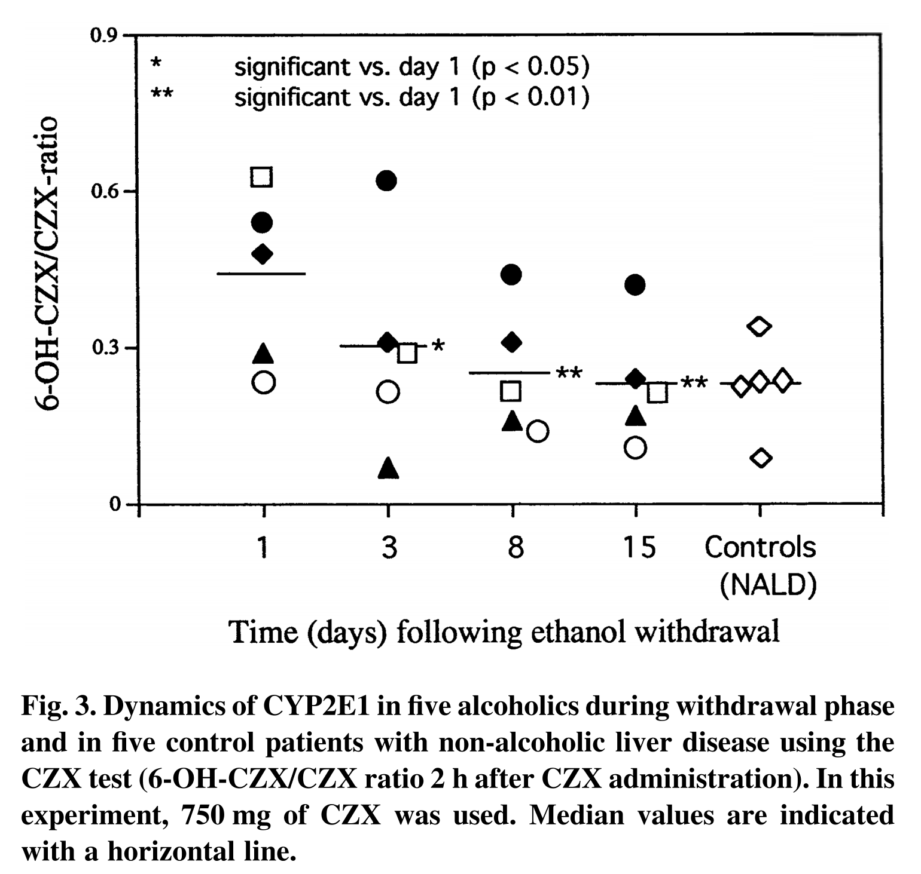
Study | individual | group | intervention | Label | measurement | Substance | Tissue | value | time | time_unit | Unit | Method | Comments
study | individual | group | intervention | label | measurement | substance | tissue | value | time | time_unit | unit | method | comments
Oneta2002 | Alcoholic_1 | alcoholics | CZX_WITH | Fig3_Alcoholic_1 | metabolic ratio | 6-hydroxychlorzoxazone/chlorzoxazone | plasma | 0.63 | 1 | days | dimensionless | HPLC
Oneta2002 | Alcoholic_1 | alcoholics | CZX_WITH | Fig3_Alcoholic_1 | metabolic ratio | 6-hydroxychlorzoxazone/chlorzoxazone | plasma | 0.29 | 3 | days | dimensionless | HPLC
Oneta2002 | Alcoholic_1 | alcoholics | CZX_WITH | Fig3_Alcoholic_1 | metabolic ratio | 6-hydroxychlorzoxazone/chlorzoxazone | plasma | 0.22 | 8 | days | dimensionless | HPLC
Oneta2002 | Alcoholic_1 | alcoholics | CZX_WITH | Fig3_Alcoholic_1 | metabolic ratio | 6-hydroxychlorzoxazone/chlorzoxazone | plasma | 0.22 | 15 | days | dimensionless | HPLC
Oneta2002 | Alcoholic_2 | alcoholics | CZX_WITH | Fig3_Alcoholic_2 | metabolic ratio | 6-hydroxychlorzoxazone/chlorzoxazone | plasma | 0.54 | 1 | days | dimensionless | HPLC
Oneta2002 | Alcoholic_2 | alcoholics | CZX_WITH | Fig3_Alcoholic_2 | metabolic ratio | 6-hydroxychlorzoxazone/chlorzoxazone | plasma | 0.62 | 3 | days | dimensionless | HPLC
Oneta2002 | Alcoholic_2 | alcoholics | CZX_WITH | Fig3_Alcoholic_2 | metabolic ratio | 6-hydroxychlorzoxazone/chlorzoxazone | plasma | 0.44 | 8 | days | dimensionless | HPLC
Oneta2002 | Alcoholic_2 | alcoholics | CZX_WITH | Fig3_Alcoholic_2 | metabolic ratio | 6-hydroxychlorzoxazone/chlorzoxazone | plasma | 0.42 | 15 | days | dimensionless | HPLC
Oneta2002 | Alcoholic_3 | alcoholics | CZX_WITH | Fig3_Alcoholic_3 | metabolic ratio | 6-hydroxychlorzoxazone/chlorzoxazone | plasma | 0.48 | 1 | days | dimensionless | HPLC
Oneta2002 | Alcoholic_3 | alcoholics | CZX_WITH | Fig3_Alcoholic_3 | metabolic ratio | 6-hydroxychlorzoxazone/chlorzoxazone | plasma | 0.31 | 3 | days | dimensionless | HPLC
Oneta2002 | Alcoholic_3 | alcoholics | CZX_WITH | Fig3_Alcoholic_3 | metabolic ratio | 6-hydroxychlorzoxazone/chlorzoxazone | plasma | 0.31 | 8 | days | dimensionless | HPLC
Oneta2002 | Alcoholic_3 | alcoholics | CZX_WITH | Fig3_Alcoholic_3 | metabolic ratio | 6-hydroxychlorzoxazone/chlorzoxazone | plasma | 0.24 | 15 | days | dimensionless | HPLC
Oneta2002 | Alcoholic_4 | alcoholics | CZX_WITH | Fig3_Alcoholic_4 | metabolic ratio | 6-hydroxychlorzoxazone/chlorzoxazone | plasma | 0.28 | 1 | days | dimensionless | HPLC
Oneta2002 | Alcoholic_4 | alcoholics | CZX_WITH | Fig3_Alcoholic_4 | metabolic ratio | 6-hydroxychlorzoxazone/chlorzoxazone | plasma | 0.07 | 3 | days | dimensionless | HPLC
Oneta2002 | Alcoholic_4 | alcoholics | CZX_WITH | Fig3_Alcoholic_4 | metabolic ratio | 6-hydroxychlorzoxazone/chlorzoxazone | plasma | 0.16 | 8 | days | dimensionless | HPLC
Oneta2002 | Alcoholic_4 | alcoholics | CZX_WITH | Fig3_Alcoholic_4 | metabolic ratio | 6-hydroxychlorzoxazone/chlorzoxazone | plasma | 0.16 | 15 | days | dimensionless | HPLC
Oneta2002 | Alcoholic_5 | alcoholics | CZX_WITH | Fig3_Alcoholic_5 | metabolic ratio | 6-hydroxychlorzoxazone/chlorzoxazone | plasma | 0.24 | 1 | days | dimensionless | HPLC
Oneta2002 | Alcoholic_5 | alcoholics | CZX_WITH | Fig3_Alcoholic_5 | metabolic ratio | 6-hydroxychlorzoxazone/chlorzoxazone | plasma | 0.21 | 3 | days | dimensionless | HPLC
Oneta2002 | Alcoholic_5 | alcoholics | CZX_WITH | Fig3_Alcoholic_5 | metabolic ratio | 6-hydroxychlorzoxazone/chlorzoxazone | plasma | 0.14 | 8 | days | dimensionless | HPLC
Oneta2002 | Alcoholic_5 | alcoholics | CZX_WITH | Fig3_Alcoholic_5 | metabolic ratio | 6-hydroxychlorzoxazone/chlorzoxazone | plasma | 0.11 | 15 | days | dimensionless | HPLC

