TabA
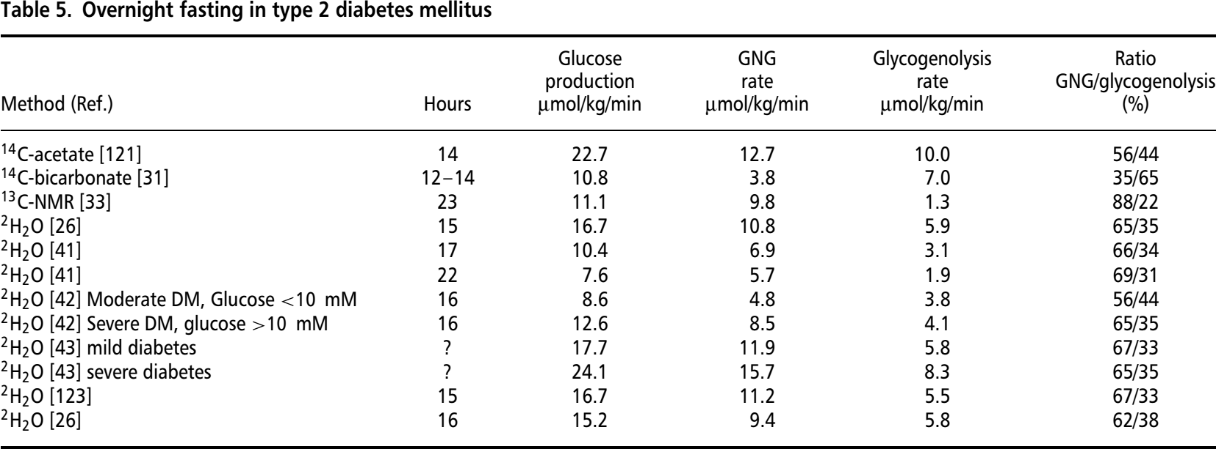
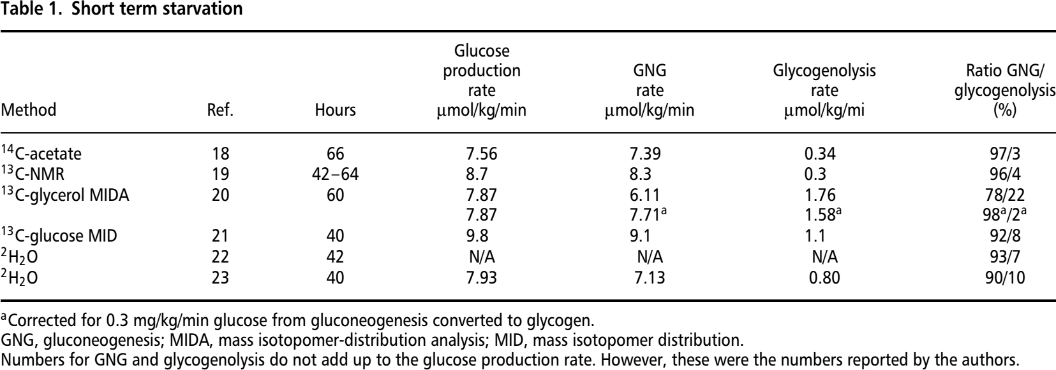
Study | Health condition | Method | Literature source | Reference in Nuttal2008 | Period fasting [hr] | Time [hr] | Time unit [hr] | Glucose production rate (HGP) [µmol/kg/min] | Glucose production rate (HGP) unit | Gluconeogenesis rate (GNG) [µmol/kg/min] | Gluconeogenesis rate (GNG) unit | Glycogenolysis rate (GLY) [µmol/kg/min] | Glycogenolysis rate (GLY) unit | Ratio GNG/HGP [%] | Ratio GNG/HGP unit
study | condition | method | source | reference | period | time | time_unit | hgp | hgp_unit | gng | gng_unit | gly | gly_unit | gng_hgp | gng_hgp_unit
Nuttal2008 | normal | 14C-acetate | Consoli1987 | 18 | 66 | 66 | hr | 7.56 | µmol/kg/min | 7.39 | µmol/kg/min | 0.34 | µmol/kg/min | 97 | percent
Nuttal2008 | normal | 13C-NMR | Rothman1991 | 19 | 42 – 64 | 53 | hr | 8.7 | µmol/kg/min | 8.3 | µmol/kg/min | 0.3 | µmol/kg/min | 96 | percent
Nuttal2008 | normal | 13C-glycerol MIDA | Hellerstein1997 | 20 | 60 | 60 | hr | 7.87 | µmol/kg/min | 7.71 | µmol/kg/min | 1.58 | µmol/kg/min | 98 | percent
Nuttal2008 | normal | 13C-glucose MID | Katz1998 | 21 | 40 | 40 | hr | 9.8 | µmol/kg/min | 9.1 | µmol/kg/min | 1.1 | µmol/kg/min | 92 | percent
Nuttal2008 | normal | 2H2O | Chandramouli1997 | 22 | 42 | 42 | hr | NA | µmol/kg/min | NA | µmol/kg/min | NA | µmol/kg/min | 93 | percent
Nuttal2008 | normal | 2H2O | Staehr2007 | 23 | 40 | 40 | hr | 7.93 | µmol/kg/min | 7.13 | µmol/kg/min | 0.8 | µmol/kg/min | 90 | percent
Nuttal2008 | normal | 14C-acetate | Consoli1987 | 18 | 14 | 14 | hr | 12.5 | µmol/kg/min | 3.6 | µmol/kg/min | 9 | µmol/kg/min | 28 | percent
Nuttal2008 | normal | 14C-bicarbonate | McMahon1989 | 30 | 10 – 12 | 11 | hr | 7.15 | µmol/kg/min | 2.2 | µmol/kg/min | 4.9 | µmol/kg/min | 31 | percent
Nuttal2008 | normal | 14C-bicarbonate | Woerle2006 | 31 | 12 – 14 | 13 | hr | 8.3 | µmol/kg/min | 2.6 | µmol/kg/min | 5.5 | µmol/kg/min | 31 | percent
Nuttal2008 | normal | 14C-glucose | Woerle2003 | 32 | 12 | 12 | hr | 8.8 | µmol/kg/min | 4.5 | µmol/kg/min | 4.3 | µmol/kg/min | 51 | percent
Nuttal2008 | normal | 13C-NMR | Rothman1991 | 19 | 22 | 22 | hr | 12.2 | µmol/kg/min | 7.9 | µmol/kg/min | 4.3 | µmol/kg/min | 64 | percent
Nuttal2008 | normal | 13C-NMR | Magnusson1992 | 33 | 23 | 23 | hr | 8.9 | µmol/kg/min | 6.1 | µmol/kg/min | 2.8 | µmol/kg/min | 70 | percent
Nuttal2008 | normal | 13C-glycerol MIDA | Hellerstein1997 | 20 | 11 | 11 | hr | 12.1 | µmol/kg/min | 5.9 | µmol/kg/min | 6.2 | µmol/kg/min | 49 | percent
Nuttal2008 | normal | 13C-glycerol | Ackermans2001 | 34 | 10 | 10 | hr | 11.7 | µmol/kg/min | 4.9 | µmol/kg/min | 6.8 | µmol/kg/min | 41 | percent
Nuttal2008 | normal | 13C-glucose MID | Katz1998 | 21 | 12 | 12 | hr | 12.9 | µmol/kg/min | 5.3 | µmol/kg/min | 7.7 | µmol/kg/min | 41 | percent
Nuttal2008 | normal | 13C-glucose | Tounian1994 | 35 | NA | NA | hr | 13.1 | µmol/kg/min | 7.4 | µmol/kg/min | 5.7 | µmol/kg/min | 56 | percent
Nuttal2008 | normal | 13C-glucose (a) | Balasubramanyam1999 | 36 | 18 | 18 | hr | 8.5 | µmol/kg/min | 5.9 | µmol/kg/min | 2.6 | µmol/kg/min | 59 | percent
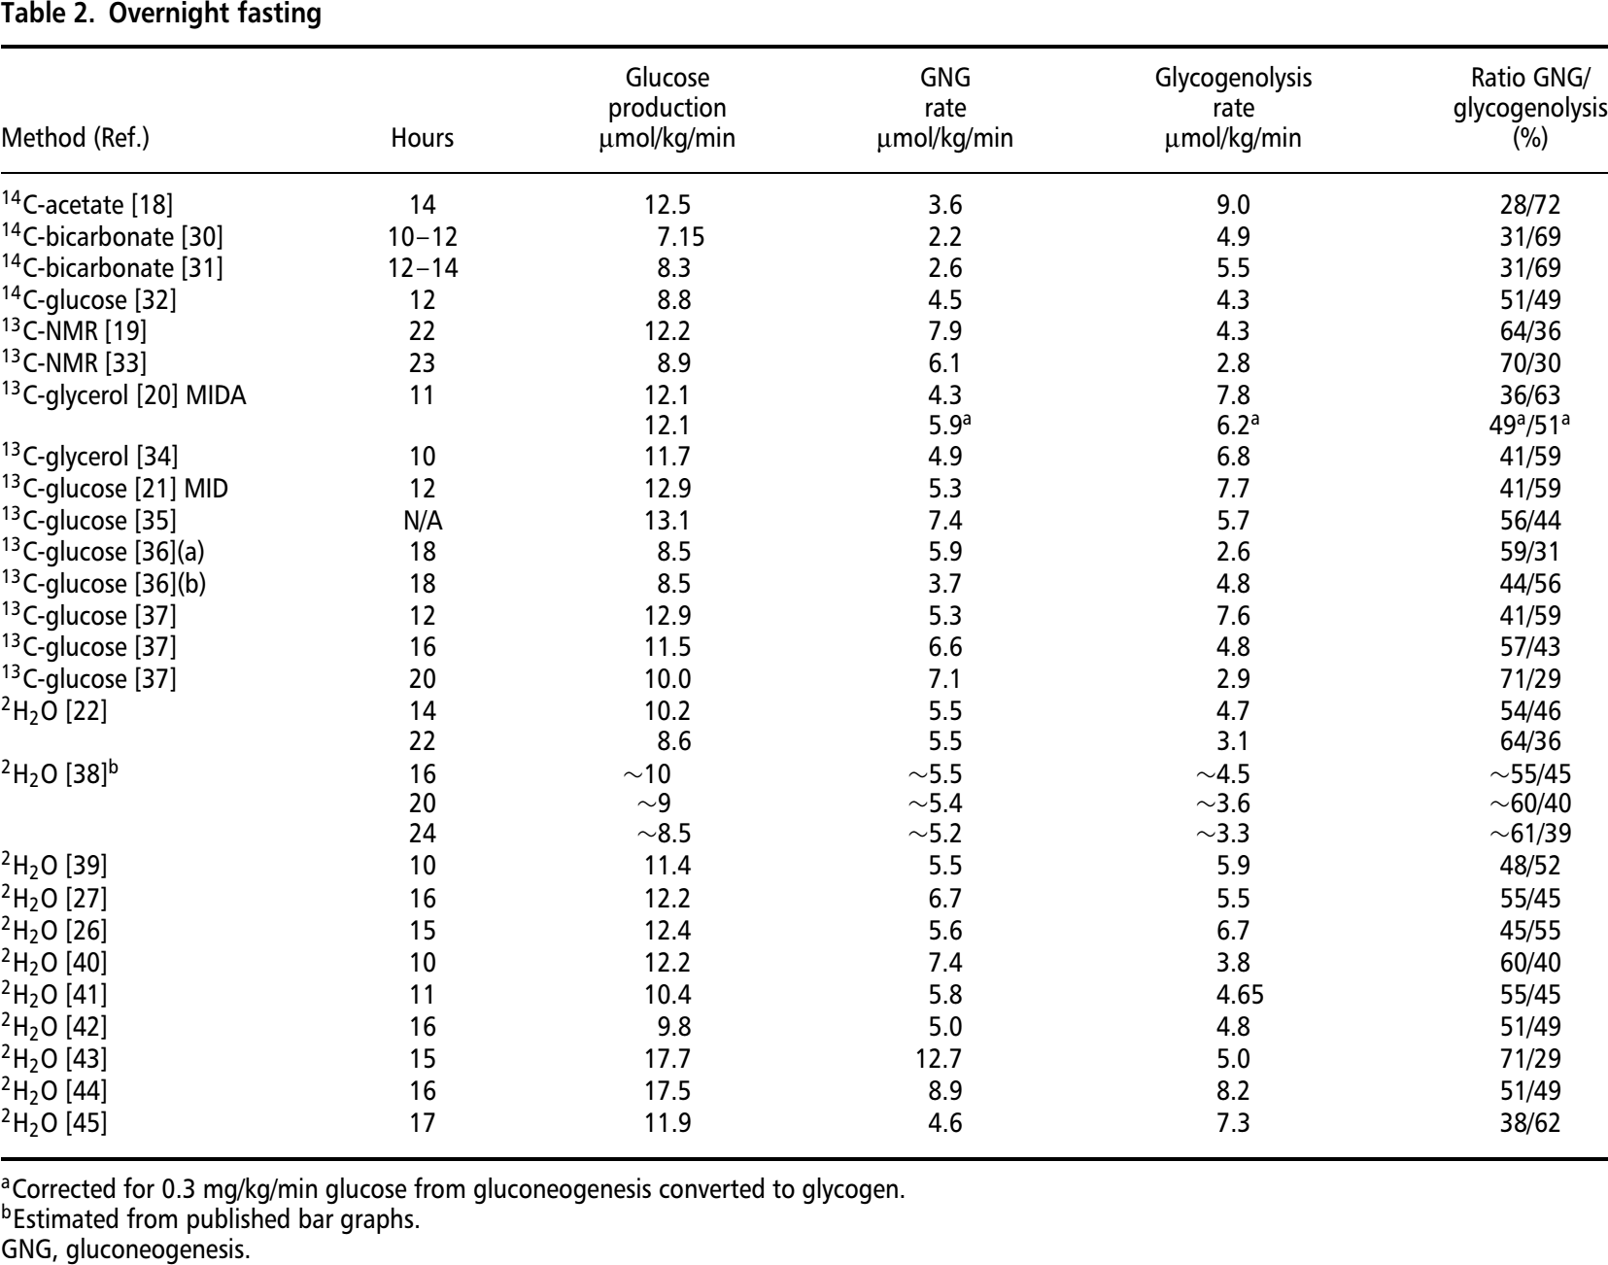
Nuttal2008 | normal | 13C-glucose (b) | Balasubramanyam1999 | 36 | 18 | 18 | hr | 8.5 | µmol/kg/min | 3.7 | µmol/kg/min | 4.8 | µmol/kg/min | 44 | percent
Nuttal2008 | normal | 13C-glucose | Ghanaat2005 | 37 | 12 | 12 | hr | 12.9 | µmol/kg/min | 5.3 | µmol/kg/min | 7.6 | µmol/kg/min | 41 | percent
Nuttal2008 | normal | 13C-glucose | Ghanaat2005 | 37 | 16 | 16 | hr | 11.5 | µmol/kg/min | 6.6 | µmol/kg/min | 4.8 | µmol/kg/min | 57 | percent
Nuttal2008 | normal | 13C-glucose | Ghanaat2005 | 37 | 20 | 20 | hr | 10 | µmol/kg/min | 7.1 | µmol/kg/min | 2.9 | µmol/kg/min | 71 | percent
Nuttal2008 | normal | 2H2O | Chandramouli1997 | 22 | 14 | 14 | hr | 10.2 | µmol/kg/min | 5.5 | µmol/kg/min | 4.7 | µmol/kg/min | 54 | percent
Nuttal2008 | normal | 2H2O | Chandramouli1997 | 22 | 22 | 22 | hr | 8.6 | µmol/kg/min | 5.5 | µmol/kg/min | 3.1 | µmol/kg/min | 64 | percent
Nuttal2008 | normal | 2H2O | Chen1999 | 38 | 16 | 16 | hr | 10 | µmol/kg/min | 5.5 | µmol/kg/min | 4.5 | µmol/kg/min | 55 | percent
Nuttal2008 | normal | 2H2O | Chen1999 | 38 | 20 | 20 | hr | 9 | µmol/kg/min | 5.4 | µmol/kg/min | 3.6 | µmol/kg/min | 60 | percent
Nuttal2008 | normal | 2H2O | Chen1999 | 38 | 24 | 24 | hr | 8.5 | µmol/kg/min | 5.2 | µmol/kg/min | 3.3 | µmol/kg/min | 61 | percent
Nuttal2008 | normal | 2H2O | Bisschop2000 | 39 | 10 | 10 | hr | 11.4 | µmol/kg/min | 5.5 | µmol/kg/min | 5.9 | µmol/kg/min | 48 | percent
Nuttal2008 | normal | 2H2O | Boden2002 | 27 | 16 | 16 | hr | 12.2 | µmol/kg/min | 6.7 | µmol/kg/min | 5.5 | µmol/kg/min | 55 | percent
Nuttal2008 | normal | 2H2O | Gastaldelli2001 | 26 | 15 | 15 | hr | 12.4 | µmol/kg/min | 5.6 | µmol/kg/min | 6.7 | µmol/kg/min | 45 | percent
Nuttal2008 | normal | 2H2O | Ackermans2001 | 40 | 10 | 10 | hr | 12.2 | µmol/kg/min | 7.4 | µmol/kg/min | 3.8 | µmol/kg/min | 60 | percent
Nuttal2008 | normal | 2H2O | Wajngot2001 | 41 | 11 | 11 | hr | 10.4 | µmol/kg/min | 5.8 | µmol/kg/min | 4.65 | µmol/kg/min | 55 | percent
Nuttal2008 | normal | 2H2O | Boden2001 | 42 | 16 | 16 | hr | 9.8 | µmol/kg/min | 5 | µmol/kg/min | 4.8 | µmol/kg/min | 51 | percent
Nuttal2008 | normal | 2H2O | Basu2004 | 43 | 15 | 15 | hr | 17.7 | µmol/kg/min | 12.7 | µmol/kg/min | 5 | µmol/kg/min | 71 | percent
Nuttal2008 | normal | 2H2O | Thien2004 | 44 | 16 | 16 | hr | 17.5 | µmol/kg/min | 8.9 | µmol/kg/min | 8.2 | µmol/kg/min | 51 | percent
Nuttal2008 | normal | 2H2O | Chevalier2006 | 45 | 17 | 17 | hr | 11.9 | µmol/kg/min | 4.6 | µmol/kg/min | 7.3 | µmol/kg/min | 38 | percent
Nuttal2008 | T2DM | 14C-acetate | Consoli1989 | 121 | 14 | 14 | hr | 22.7 | µmol/kg/min | 12.7 | µmol/kg/min | 10 | µmol/kg/min | 56 | percent
Nuttal2008 | T2DM | 14C-bicarbonate | Woerle2006 | 31 | 12 – 14 | 13 | hr | 10.8 | µmol/kg/min | 3.8 | µmol/kg/min | 7 | µmol/kg/min | 35 | percent
Nuttal2008 | T2DM | 13C-NMR | Magnusson1992 | 33 | 23 | 23 | hr | 11.1 | µmol/kg/min | 9.8 | µmol/kg/min | 1.3 | µmol/kg/min | 88 | percent
Nuttal2008 | T2DM | 2H2O | Gastaldelli2001 | 26 | 15 | 15 | hr | 16.7 | µmol/kg/min | 10.8 | µmol/kg/min | 5.9 | µmol/kg/min | 65 | percent
Nuttal2008 | T2DM | 2H2O | Wajngot2001 | 41 | 17 | 17 | hr | 10.4 | µmol/kg/min | 6.9 | µmol/kg/min | 3.1 | µmol/kg/min | 66 | percent
Nuttal2008 | T2DM | 2H2O | Wajngot2001 | 41 | 22 | 22 | hr | 7.6 | µmol/kg/min | 5.7 | µmol/kg/min | 1.9 | µmol/kg/min | 69 | percent
Nuttal2008 | T2DM | 2H2O | Boden2001 | 42 | 16 | 16 | hr | 8.6 | µmol/kg/min | 4.8 | µmol/kg/min | 3.8 | µmol/kg/min | 56 | percent
Nuttal2008 | T2DM | 2H2O | Boden2001 | 42 | 16 | 16 | hr | 12.6 | µmol/kg/min | 8.5 | µmol/kg/min | 4.1 | µmol/kg/min | 65 | percent
Nuttal2008 | T2DM | 2H2O | Basu2004 | 43 | NA | NA | hr | 17.7 | µmol/kg/min | 11.9 | µmol/kg/min | 5.8 | µmol/kg/min | 67 | percent
Nuttal2008 | T2DM | 2H2O | Basu2004 | 43 | NA | NA | hr | 24.1 | µmol/kg/min | 15.7 | µmol/kg/min | 8.3 | µmol/kg/min | 65 | percent
Nuttal2008 | T2DM | 2H2O | Gastaldelli2006 | 123 | 15 | 15 | hr | 16.7 | µmol/kg/min | 11.2 | µmol/kg/min | 5.5 | µmol/kg/min | 67 | percent
Nuttal2008 | T2DM | 2H2O | Gastaldelli2001 | 26 | 16 | 16 | hr | 15.2 | µmol/kg/min | 9.4 | µmol/kg/min | 5.8 | µmol/kg/min | 62 | percent

