Fig3
study | subjects | intervention | time [h] | Caffeine [μg/ml] | Caffeine SEM [μg/ml] | Caffeine SD [μg/ml]
study | subjects | intervention | time | caf | caf_se | caf_sd
Benowitz2003 | 12 | CO | 0.0 | 0.07 | 0.00 | 0.00
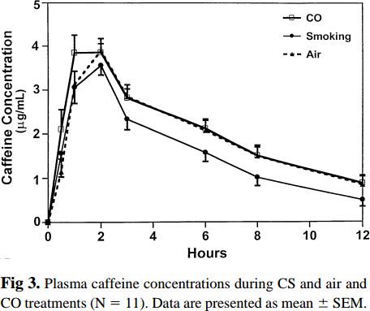
Benowitz2003 | 12 | CO | 0.5 | 2.17 | 0.42 | 1.47
Benowitz2003 | 12 | CO | 1.0 | 3.91 | 0.39 | 1.34
Benowitz2003 | 12 | CO | 2.0 | 3.87 | 0.31 | 1.09
Benowitz2003 | 12 | CO | 3.0 | 2.81 | 0.37 | 1.28
Benowitz2003 | 12 | CO | 6.0 | 2.17 | 0.17 | 0.57
Benowitz2003 | 12 | CO | 8.0 | 1.53 | 0.18 | 0.64
Benowitz2003 | 12 | CO | 12.0 | 0.87 | 0.18 | 0.64
Benowitz2003 | 12 | Smoking | 0.0 | 0.11 | 0.00 | 0.00
Benowitz2003 | 12 | Smoking | 0.5 | 1.64 | 0.57 | 1.98
Benowitz2003 | 12 | Smoking | 1.0 | 3.11 | 0.35 | 1.21
Benowitz2003 | 12 | Smoking | 2.0 | 3.61 | 0.24 | 0.83
Benowitz2003 | 12 | Smoking | 3.0 | 2.35 | 0.24 | 0.83
Benowitz2003 | 12 | Smoking | 6.0 | 1.61 | 0.20 | 0.70
Benowitz2003 | 12 | Smoking | 8.0 | 1.01 | 0.17 | 0.58
Benowitz2003 | 12 | Smoking | 12.0 | 0.50 | 0.15 | 0.51
Benowitz2003 | 12 | Air | 0.0 | 0.07 | 0.00 | 0.00
Benowitz2003 | 12 | Air | 0.5 | 1.47 | 0.20 | 0.70
Benowitz2003 | 12 | Air | 1.0 | 3.15 | 0.31 | 1.09
Benowitz2003 | 12 | Air | 2.0 | 3.88 | 0.24 | 0.83
Benowitz2003 | 12 | Air | 3.0 | 2.85 | 0.22 | 0.77
Benowitz2003 | 12 | Air | 6.0 | 2.17 | 0.18 | 0.64
Benowitz2003 | 12 | Air | 8.0 | 1.49 | 0.22 | 0.77
Benowitz2003 | 12 | Air | 12.0 | 0.89 | 0.15 | 0.51

Fig4
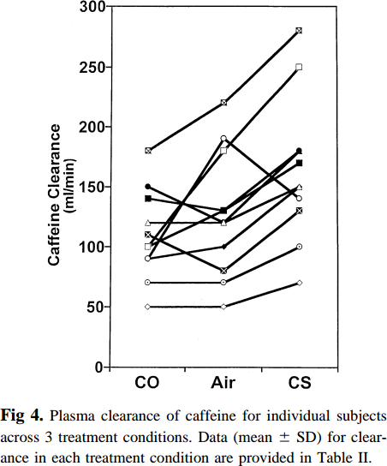
study | Caffeine Clearance CO [ml/min] | Caffeine Clearance Air [ml/min] | Caffeine Clearance CS [ml/min]
study | caf_cl_co | caf_cl_air | caf_cl_cs
Benowitz2003 | 49.5149 | 49.9964 | 70.8294
Benowitz2003 | 71.6681 | 69.6389 | 101.1753
Benowitz2003 | 90.2338 | 81.4218 | 132.2515
Benowitz2003 | 99.8685 | 100.7045 | 142.2487
Benowitz2003 | 108.4451 | 119.2809 | 147.9628
Benowitz2003 | 119.1592 | 131.7807 | 171.5419
Benowitz2003 | 140.6034 | 180.7084 | 181.5337
Benowitz2003 | 150.2381 | 193.2001 | 251.1833
Benowitz2003 | 179.5206 | 219.9854 | 280.4632

