Fig1
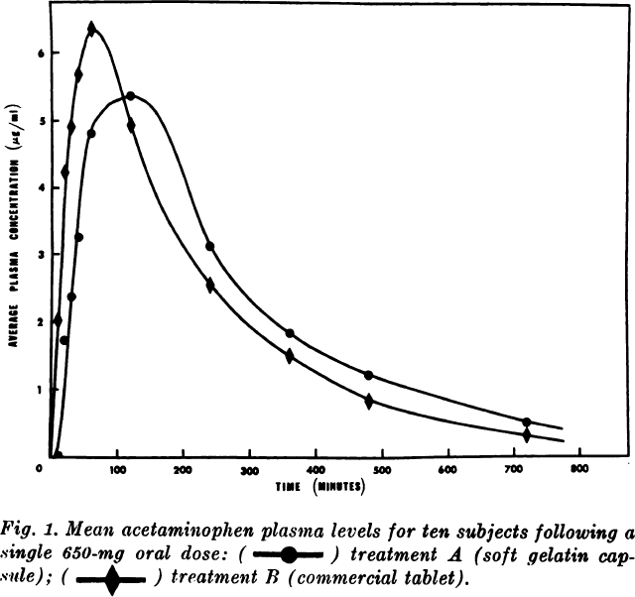
study | Number of subjects {type=int} | Application {values=”soft gelatin capsule”, “tablet”} | Time [min] {type=double} | Time [h] {type=double} | acetaminophen plasma concentration [μg/ml]=[mg/l] {type=double} | acetaminophen plasma concentration CV [%] from residual mean square | acetaminophen plasma concentration SD [mg/l] | acetaminophen plasma concentration SE [mg/l]
study | n | application | time_min | time | apap | apap_cv | apap_sd | apap_se
Albert1974 | 10 | capsule | 10 | 0.16666666667 | 0.02 | 160 | 0.032 | 0.010
Albert1974 | 10 | capsule | 20 | 0.33333333333 | 1.73 | 135 | 2.336 | 0.739
Albert1974 | 10 | capsule | 30 | 0.5 | 2.38 | 83.4 | 1.985 | 0.628
Albert1974 | 10 | capsule | 40 | 0.66666666667 | 3.26 | 42.7 | 1.392 | 0.440
Albert1974 | 10 | capsule | 60 | 1 | 4.82 | 24.6 | 1.186 | 0.375
Albert1974 | 10 | capsule | 120 | 2 | 5.36 | 23 | 1.233 | 0.390
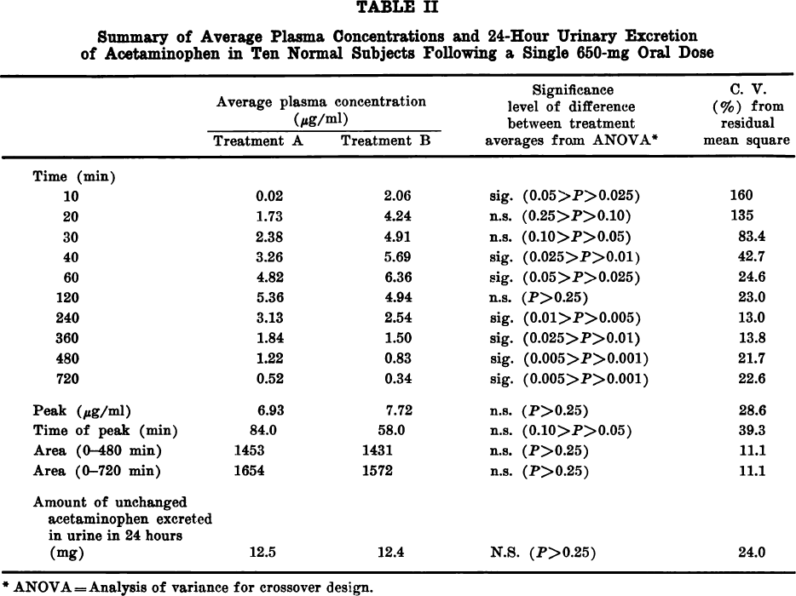
Albert1974 | 10 | capsule | 240 | 4 | 3.13 | 13 | 0.407 | 0.129
Albert1974 | 10 | capsule | 360 | 6 | 1.84 | 13.8 | 0.254 | 0.080
Albert1974 | 10 | capsule | 480 | 8 | 1.22 | 21.7 | 0.265 | 0.084
Albert1974 | 10 | capsule | 720 | 12 | 0.52 | 22.6 | 0.118 | 0.037
Albert1974 | 10 | tablet | 10 | 0.16666666667 | 2.06 | 160 | 3.296 | 1.042
Albert1974 | 10 | tablet | 20 | 0.33333333333 | 4.24 | 135 | 5.724 | 1.810
Albert1974 | 10 | tablet | 30 | 0.5 | 4.91 | 83.4 | 4.095 | 1.295
Albert1974 | 10 | tablet | 40 | 0.66666666667 | 5.69 | 42.7 | 2.430 | 0.768
Albert1974 | 10 | tablet | 60 | 1 | 6.36 | 24.6 | 1.565 | 0.495
Albert1974 | 10 | tablet | 120 | 2 | 4.94 | 23 | 1.136 | 0.359
Albert1974 | 10 | tablet | 240 | 4 | 2.54 | 13 | 0.330 | 0.104
Albert1974 | 10 | tablet | 360 | 6 | 1.5 | 13.8 | 0.207 | 0.065
Albert1974 | 10 | tablet | 480 | 8 | 0.83 | 21.7 | 0.180 | 0.057
Albert1974 | 10 | tablet | 720 | 12 | 0.34 | 22.6 | 0.077 | 0.024

