Figure 2
Itoh 2002- Effect of nizatidine on paracetamol and its metabolites in human plasma

species | human
method | 1000mg orally administered paracetamol, with either 300mg nizatidine/ 150mg nizatidine/ placebo
n | 5
subjects | healthy male

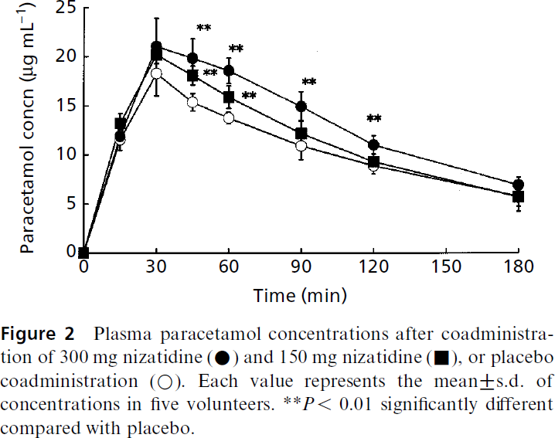
study | time coadministration 300mg nizatidine [min] | coadministration 300mg nizatidine plasma paracetamol concentration [μg/ml] | coadministration 300mg nizatidine plasma paracetamol concentration SD [μg/ml] | time coadministration 150mg nizatidine [min] | coadministration 150mg nizatidine plasma paracetamol concentration [μg/ml] | coadministration 150mg nizatidine plasma paracetamol concentration SD [μg/ml] | time coadministration placebo [min] | coadministration placebo plasma paracetamol concentration [μg/ml] | coadministration placebo plasma paracetamol concentration SD [μg/ml]
study | time_coadministration_300mg_nizatidine | coadministration_300mg_nizatidine_paracetamol_concentration | coadministration_300mg_nizatidine_paracetamol_concentration_SD | time_coadministration_150mg_nizatidine | coadministration_150mg_nizatidine_paracetamol_concentration | coadministration_150mg_nizatidine_paracetamol_concentration_SD | time_coadministration_placebo | coadministration_placebo_paracetamol_concentration | coadministration_placebo_paracetamol_concentration_SD
Itoh2002 | 1 | 0.1577 |  | 1 | 0.0003 |  | 1 | 0.1575
Itoh2002 | 15 | 11.8778 |  | 15 | 13.2929 |  | 15 | 11.4061 | 0.9435
Itoh2002 | 30 | 21.1609 | 2.7517 | 30 | 20.0604 | 0.8648 | 30 | 18.1735 | 2.2010
Itoh2002 | 46 | 19.9099 | 1.7291 | 45 | 18.1013 | 1.0223 | 46 | 15.4289 | 1.0223
Itoh2002 | 60 | 18.5797 | 1.1006 | 61 | 15.8284 | 1.1791 | 60 | 13.7054 | 0.4717
Itoh2002 | 90 | 14.8979 | 1.4937 | 91 | 12.3038 | 1.1005 | 90 | 10.9671 | 1.4151
Itoh2002 | 120 | 10.9800 | 0.9434 | 120 | 9.2505 | 0.7863 | 120 | 8.7003 | 0.6287
Itoh2002 | 180 | 7.1539 | 0.6291 | 180 | 6.0536 | 0.5506 | 180 | 5.5819 | 1.0222

Figure 3
Itoh 2002- Effect of nizatidine on paracetamol and its metabolites in human plasma

species | human
method | 1000mg orally administered paracetamol, with either 300mg nizatidine/ 150mg nizatidine/ placebo
n | 5
subjects | healthy male

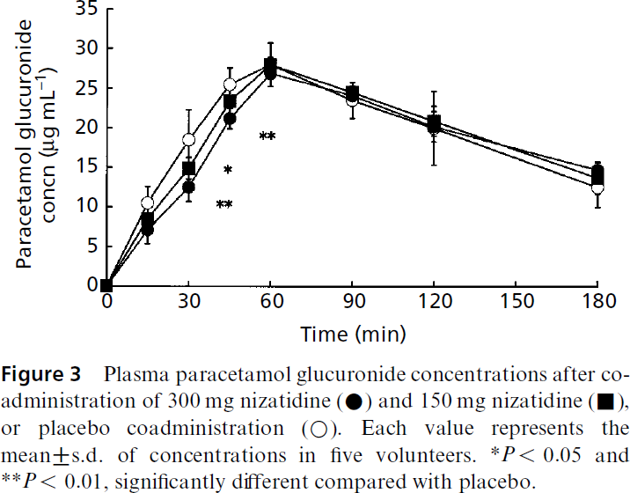
study | time coadministration 300mg nizatidine [min] | coadministration 300mg nizatidine plasma paracetamol glucuronide concentration [μg/ml] | coadministration 300mg nizatidine plasma paracetamol glucuronide concentration SD [μg/ml] | time coadministration 150mg nizatidine [min] | coadministration 150mg nizatidine plasma paracetamol glucuronide concentration [μg/ml] | coadministration 150mg nizatidine plasma paracetamol glucuronide concentration SD [μg/ml] | time coadministration placebo [min] | coadministration placebo plasma paracetamol glucuronide concentration [μg/ml] | coadministration placebo plasma paracetamol glucuronide concentration SD [μg/ml]
study | time_coadministration_300mg_nizatidine | coadministration_300mg_nizatidine_paracetamol_glucuronide_concentration | coadministration_300mg_nizatidine_paracetamol_glucuronide_concentration_SD | time_coadministration_150mg_nizatidine | coadministration_150mg_nizatidine_paracetamol_glucuronide_concentration | coadministration_150mg_nizatidine_paracetamol_glucuronide_concentration_SD | time_coadministration_placebo | coadministration_placebo_paracetamol_glucuronide_concentration | coadministration_placebo_paracetamol_glucuronide_concentration_SD
Itoh2002 | 1 | 0.1119 |  | 0 | 0.4448 |  | 0 | 0.5560
Itoh2002 | 15 | 6.6854 | 1.2222 | 15 | 8.6850 |  | 15 | 10.4628 | 1.5552
Itoh2002 | 30 | 12.3708 | 1.5560 | 30 | 14.9255 | 1.5556 | 29 | 18.5922 | 3.4456
Itoh2002 | 45 | 20.9446 | 1.1115 | 44 | 23.6105 | 1.3321 | 44 | 25.6101 | 1.7794
Itoh2002 | 59 | 26.5173 | 1.1099 | 60 | 28.4074 | 1.2226 | 60 | 27.9634 | 2.3341
Itoh2002 | 90 | 24.1111 | 0.8893 | 90 | 24.6667 | 0.4444 | 90 | 23.1111 | 2.4448
Itoh2002 | 119 | 19.5918 | 1.1103 | 120 | 20.7037 | 1.1111 | 120 | 19.7037 | 4.7778
Itoh2002 | 179 | 14.6659 | 1.1111 | 180 | 13.6667 | 0.6655 | 179 | 12.4433 | 3.2226

Figure 4
Itoh 2002- Effect of nizatidine on paracetamol and its metabolites in human plasma

species | human
method | 1000mg orally administered paracetamol, with either 300mg nizatidine/ 150mg nizatidine/ placebo
n | 5
subjects | healthy male

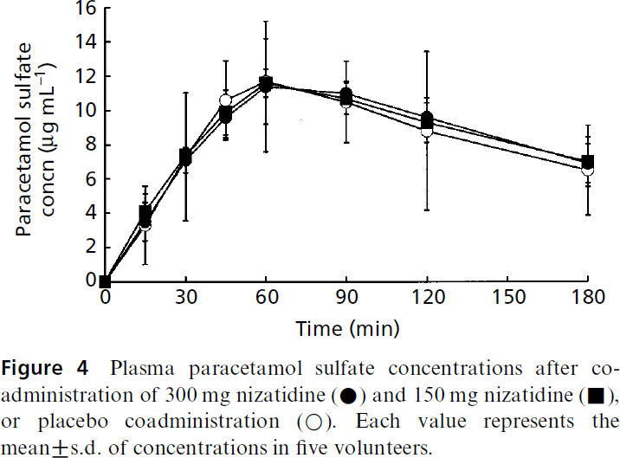
study | time coadministration 300mg nizatidine [min] | coadministration 300mg nizatidine plasma paracetamol sulfate concentration [μg/ml] | coadministration 300mg nizatidine plasma paracetamol sulfate concentration SD [μg/ml] | time coadministration 150mg nizatidine [min] | coadministration 150mg nizatidine plasma paracetamol sulfate concentration [μg/ml] | coadministration 150mg nizatidine plasma paracetamol sulfate concentration SD [μg/ml] | time coadministration placebo [min] | coadministration placebo plasma paracetamol sulfate concentration [μg/ml] | coadministration placebo plasma paracetamol sulfate concentration SD [μg/ml]
study | time_coadministration_300mg_nizatidine | coadministration_300mg_nizatidine_paracetamol_sulfate_concentration | coadministration_300mg_nizatidine_paracetamol_sulfate_concentration_SD | time_coadministration_150mg_nizatidine | coadministration_150mg_nizatidine_paracetamol_sulfate_concentration | coadministration_150mg_nizatidine_paracetamol_sulfate_concentration_SD | time_coadministration_placebo | coadministration_placebo_paracetamol_sulfate_concentration | coadministration_placebo_paracetamol_sulfate_concentration_SD
Itoh2002 | 0 | 0.0506 |  | 0 | 0.0506 |  | 0 | 0.0506
Itoh2002 | 14 | 3.5443 |  | 14 | 4.1013 |  | 15 | 3.0380
Itoh2002 | 30 | 7.1899 |  | 29 | 7.2911 |  | 30 | 7.4430
Itoh2002 | 45 | 9.5696 |  | 45 | 9.9747 |  | 45 | 10.6329
Itoh2002 | 58 | 11.3924 |  | 60 | 11.6962 |  | 59 | 11.5949
Itoh2002 | 90 | 11.0886 |  | 90 | 10.6835 |  | 89 | 10.3797
Itoh2002 | 119 | 9.6203 |  | 121 | 9.4177 |  | 119 | 8.7595
Itoh2002 | 181 | 6.8861 |  | 181 | 7.0380 |  | 180 | 6.4304

